Tablo
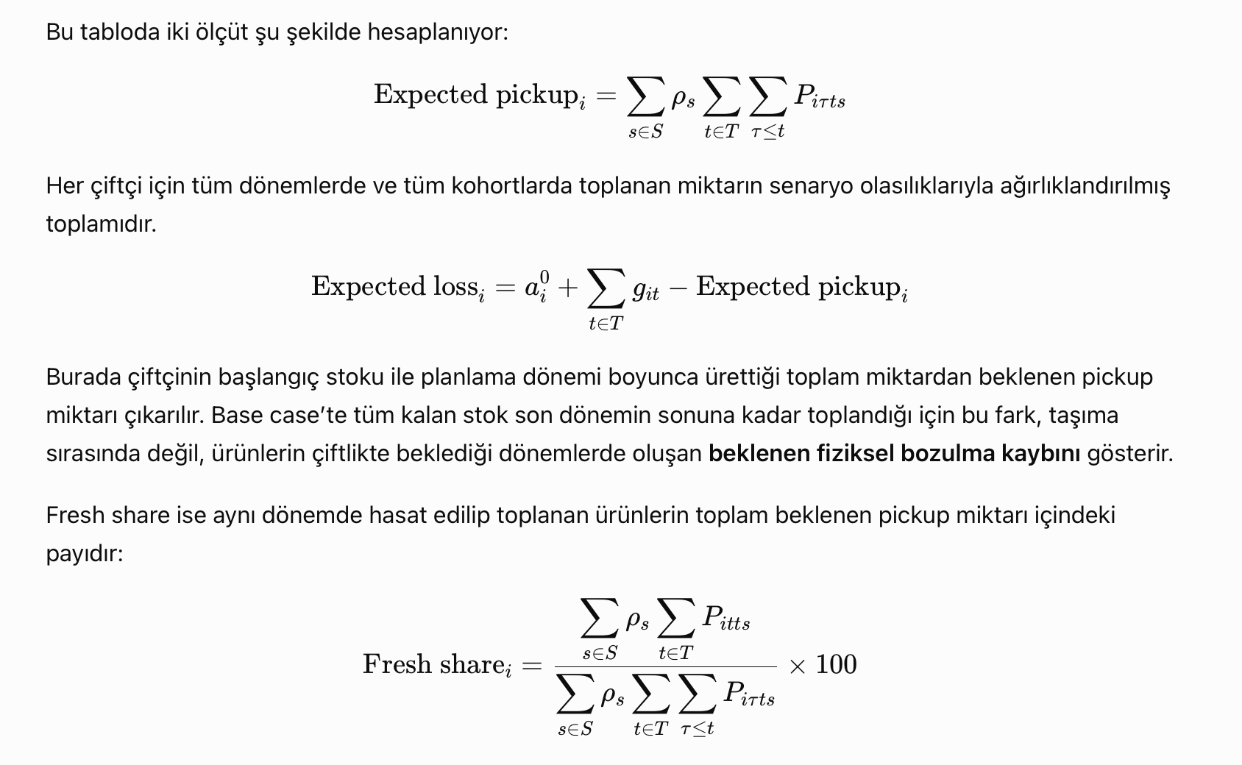
Farmers | Visit Periods | Expected Pickup (s=1) | Expected Pickup (s=2) | Expected Pickup (s=3) | Ortalama | Expected loss | Oldest age | Fresh share
1 | 1, 2, 3, 4, 5, 6 | 3485 | 3485 | 3485 | 3485 | 0 | 1 | 93.40%
2 | 2, 3, 4, 5, 6 | 1647.7 | 1644.825 | 1640.225 | 1644.62375 | 5.37625 | 2 | 93.33%
3 | 1, 2, 3, 4, 5, 6 | 5890 | 5890 | 5890 | 5890 | 0 | 1 | 98.13%
4 | 4, 6 | 963.2598 | 948.751 | 925.9153 | 947.81106 | 27.18894 | 3 | 53.28%
5 | 4, 6 | 1249.5837 | 1230.5462 | 1200.6146 | 1229.319255 | 35.680745 | 4 | 53.28%
6 | 3, 4, 5, 6 | 2010.056 | 1997.7835 | 1978.5115 | 1996.997225 | 23.002775 | 3 | 83.12%
7 | 3, 4, 5, 6 | 1765.524 | 1759.9965 | 1751.3085 | 1759.640775 | 10.359225 | 3 | 91.21%
8 | 1, 2, 3, 4, 5, 6 | 3685 | 3685 | 3685 | 3685 | 0 | 1 | 95.66%
9 | 1, 2, 3, 4, 5, 6 | 3660 | 3660 | 3660 | 3660 | 0 | 1 | 98.09%
10 | 3, 4, 5, 6 | 1800.424 | 1794.7715 | 1785.8835 | 1794.407025 | 10.592975 | 3 | 91.12%

 | rho | 0.25 | 0.55 | 0.2

