Sheet1
TRUE | TRUE | TRUE | TRUE | FALSE | FALSE | FALSE | TRUE | TRUE | TRUE | FALSE | FALSE | FALSE | FALSE | FALSE | FALSE | FALSE
1 | 1 | 1 | 1 | 0 | 0 | 0 | 1 | 1 | 1 | 0 | 0 | 0 | 0 | 0 | 0 | 0
a1 | a2 | b | c | d1 | d2 | e | f | g1 | g2 | h | i | j | k | l | m | dp

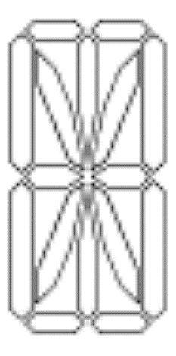

 |  |  |  |  | deta= | 1,1,1,1,0,0,0,1,1,1,0,0,0,0,0,0,0

