RSET
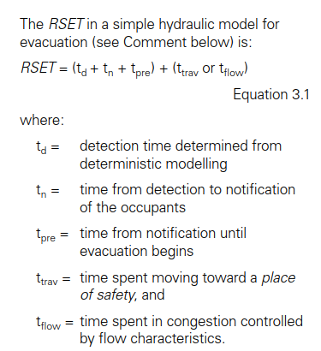
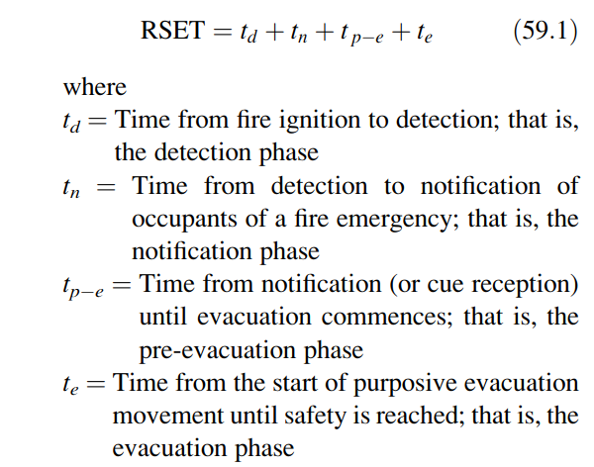

 |  |  |  |  |  |  |  |  | Component | Source
 |  |  |  |  |  |  |  |  | t_detection | from model if detection active, if not 15 mins
 |  |  |  |  |  |  |  |  | t_notification | 30 seconds
 |  |  |  |  |  |  |  |  | t_pre | 60 s AFO, 300 remote
 |  |  |  |  |  |  |  |  | t_trav | 10 s + corridor length |  |  |  | apt_travel | 11.180339887
 |  |  |  |  |  |  |  |  | t_flow | tbc

 |  |  |  |  |  |  |  |  |  |  |  |  | when SOU alarm activates, that SOU evacuates
 |  |  |  |  |  |  |  |  | need to model 1500 s |  |  |  | when corridor alarm activates, all SOU evacuates

 |  |  |  |  |  |  |  |  | APT RSET |  | COR RSET
 |  |  |  |  |  |  |  |  |  | rule |  | rule
 |  |  |  |  |  |  |  |  | t_det | apt_SD, otherwise 15 mins | t_det | cor_SD, otherwise 15 mins
 |  |  |  |  |  |  |  |  | t_not | 30 | t_not | 30
 |  |  |  |  |  |  |  |  | t_pre | 60 | t_pre | 300
 |  |  |  |  |  |  |  |  | t_trav | 10s + length

 |  |  |  |  |  |  |  | SOU
Num | RSET_scenario | Corridor_length | RSET_helper | Location | smoke_detection_apt | smoke_detection_corridor | location_length
1 | A | 6 | A6 | Apartment | Activate | Activate | Apartment6
2 | A | 10 | A10 | Apartment | Activate | Activate | Apartment10
3 | A | 14 | A14 | Apartment | Activate | Activate | Apartment14
4 | A | 18 | A18 | Apartment | Activate | Activate | Apartment18
5 | A | 22 | A22 | Apartment | Activate | Activate | Apartment22
6 | A | 26 | A26 | Apartment | Activate | Activate | Apartment26
7 | A | 30 | A30 | Apartment | Activate | Activate | Apartment30
8 | B | 6 | B6 | Apartment | Activate | Fail | Apartment6
9 | B | 10 | B10 | Apartment | Activate | Fail | Apartment10
10 | B | 14 | B14 | Apartment | Activate | Fail | Apartment14
11 | B | 18 | B18 | Apartment | Activate | Fail | Apartment18
12 | B | 22 | B22 | Apartment | Activate | Fail | Apartment22
13 | B | 26 | B26 | Apartment | Activate | Fail | Apartment26
14 | B | 30 | B30 | Apartment | Activate | Fail | Apartment30
15 | C | 6 | C6 | Apartment | Fail | Activate | Apartment6
16 | C | 10 | C10 | Apartment | Fail | Activate | Apartment10
17 | C | 14 | C14 | Apartment | Fail | Activate | Apartment14
18 | C | 18 | C18 | Apartment | Fail | Activate | Apartment18
19 | C | 22 | C22 | Apartment | Fail | Activate | Apartment22
20 | C | 26 | C26 | Apartment | Fail | Activate | Apartment26
21 | C | 30 | C30 | Apartment | Fail | Activate | Apartment30
22 | D | 6 | D6 | Apartment | Fail | Fail | Apartment6
23 | D | 10 | D10 | Apartment | Fail | Fail | Apartment10
24 | D | 14 | D14 | Apartment | Fail | Fail | Apartment14
25 | D | 18 | D18 | Apartment | Fail | Fail | Apartment18
26 | D | 22 | D22 | Apartment | Fail | Fail | Apartment22
27 | D | 26 | D26 | Apartment | Fail | Fail | Apartment26
28 | D | 30 | D30 | Apartment | Fail | Fail | Apartment30
29 | E | 6 | E6 | Corridor | Activate | Activate | Corridor6
30 | E | 10 | E10 | Corridor | Activate | Activate | Corridor10
31 | E | 14 | E14 | Corridor | Activate | Activate | Corridor14
32 | E | 18 | E18 | Corridor | Activate | Activate | Corridor18
33 | E | 22 | E22 | Corridor | Activate | Activate | Corridor22
34 | E | 26 | E26 | Corridor | Activate | Activate | Corridor26
35 | E | 30 | E30 | Corridor | Activate | Activate | Corridor30
36 | F | 6 | F6 | Corridor | Activate | Fail | Corridor6
37 | F | 10 | F10 | Corridor | Activate | Fail | Corridor10
38 | F | 14 | F14 | Corridor | Activate | Fail | Corridor14
39 | F | 18 | F18 | Corridor | Activate | Fail | Corridor18
40 | F | 22 | F22 | Corridor | Activate | Fail | Corridor22
41 | F | 26 | F26 | Corridor | Activate | Fail | Corridor26
42 | F | 30 | F30 | Corridor | Activate | Fail | Corridor30
43 | G | 6 | G6 | Corridor | Fail | Activate | Corridor6
44 | G | 10 | G10 | Corridor | Fail | Activate | Corridor10
45 | G | 14 | G14 | Corridor | Fail | Activate | Corridor14
46 | G | 18 | G18 | Corridor | Fail | Activate | Corridor18
47 | G | 22 | G22 | Corridor | Fail | Activate | Corridor22
48 | G | 26 | G26 | Corridor | Fail | Activate | Corridor26
49 | G | 30 | G30 | Corridor | Fail | Activate | Corridor30
50 | H | 6 | H6 | Corridor | Fail | Fail | Corridor6
51 | H | 10 | H10 | Corridor | Fail | Fail | Corridor10
52 | H | 14 | H14 | Corridor | Fail | Fail | Corridor14
53 | H | 18 | H18 | Corridor | Fail | Fail | Corridor18
54 | H | 22 | H22 | Corridor | Fail | Fail | Corridor22
55 | H | 26 | H26 | Corridor | Fail | Fail | Corridor26
56 | H | 30 | H30 | Corridor | Fail | Fail | Corridor30

