Sheet1
name | image | id
amit shukla | 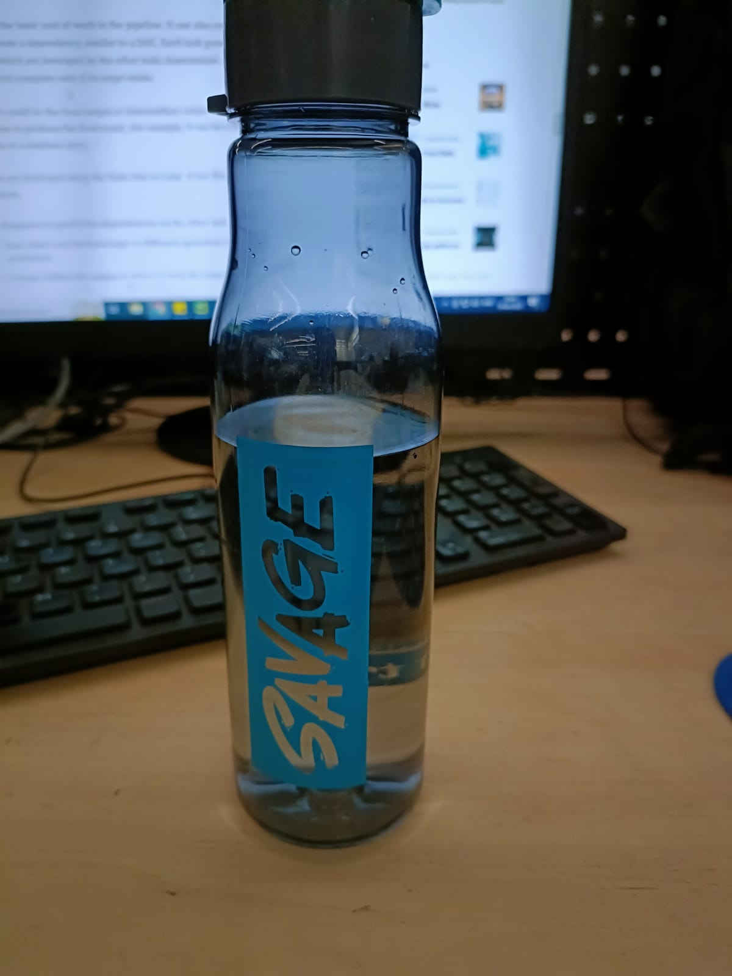 | 42343534

