system diagrams
.H5
(Yolo model)
.detection_config.json

User not
wearing a mask



image_AI_VideoLive_0.py
WithoutMask!!
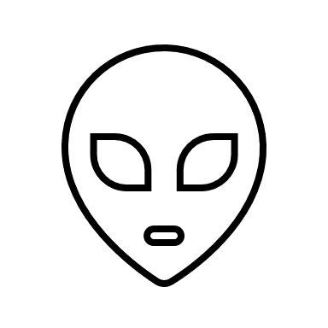
Yolo Model

webcam
result
export

".h5" file: This file descripts the yolo model parameters that has trained for the mask detection
You can train your own model (.h5 file) or download a pre-trained model "https://drive.google.com/open?id=1sNdDf_gCu8QZ16xxMkq_U3THAyewsVxT"

".detection_config.json" file: This file was generated in model training alone with the ".h5" file.

Wearning masks

.H5
(Yolo model)
.detection_config.json

Source image

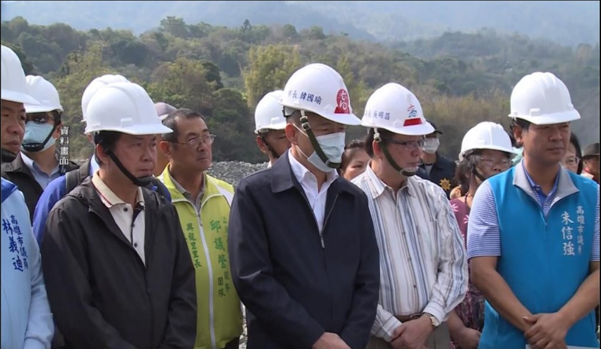


image_AI_0.py

result
export

without wearning masks

facesamples
