Q7
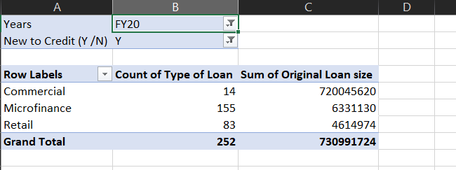
Years | FY21
New to Credit (Y /N) | Y

Row Labels | Count of Type of Loan | Sum of Original Loan size |  | WAT IS THE PERCENTAGE OF NEW BORROWER IN RETAIL CATEGORY
Commercial | 5 | 203100420 |  | IN **FY21 AS COMPARED TO FY20
Microfinance | 139 | 5644720
Retail | 84 | 4943506
Grand Total | 228 | 213688646

 |  |  | FY21 | 84
 |  |  | FY20 | 83

 |  |  |  | 0.01

