Images
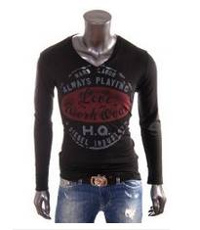
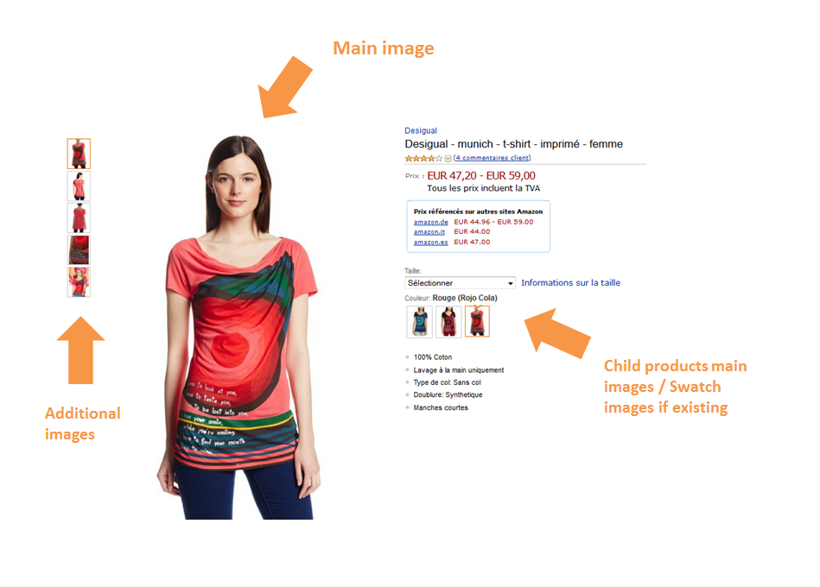
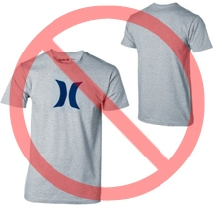
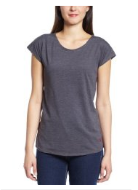

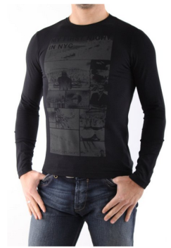
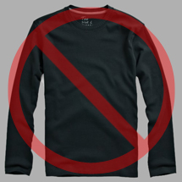
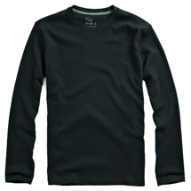
No watermarks or additional texts
No multiple views
No provocative attitude
No plastic mannequins
White background
Example picture
No logos
Image Standards | Image Examples
You will find a comprehensive list of all Amazon's image standards specific for your product category in the corresponding style guideline: https://sellercentral-europe.amazon.com/gp/help/200270100 Images you upload to Amazon must conform to these standards.
Every product on Amazon needs one or more product images. Choose images that are clear, straightforward, and easy to understand. They must accurately represent the product and be information-rich and attractively presented. Show only the product that is being offered for sale, with minimal or no propping. Text, logos, and inset images are not allowed. Whenever possible, provide several images, with each one showing different angles and details of the product. This is your opportunity to show your product to your customer, so quality matters. We reserve the right to reject images that do not meet our image standards.
It is your responsibility to ensure that you have all necessary rights to the images you submit.
MAIN Images
The primary image of your product is called the MAIN image and represents the product in search results and browse-pages. It is the first image customers see on a product's detail page.
Required
# The background for a MAIN image must be pure white (pure white blends in with the Amazon search and item detail pages, which have RGB values of 255,255,255). # Natural shading or light reflection are acceptable if they are high quality, realistic and blend into the pure white background. # The image must show the entire product. # The product must fill 85 to 100 percent of the image's area.
Prohibited
# No part of the product may be cut or sectioned in the image. MAIN images must not be in black & white. # Do not include accessories or props that are not included in the delivery of the product as it may confuse the customer. # Do not include multiple views of the same product in a single image (use additional images for additional views). # Do not include additional text that is not part of the product. # Do not include website URLs, advertising, pricing or discount information, QR codes or information that leads away from Amazon.uk. # Do not include graphics, drawings, illustrations, logos, or watermarks. Only photos of the delivered products are permitted. Designs or sketches of the products are not allowed. # Devoid of nudity or pornographic or obscene content.
Additional Images
*MAIN images should be supplemented with additional images showing different sides of a product, the product in use, or details that are not visible in the MAIN image. For media products, this could include the back cover, sample pages, or screenshots. You can add up to eight (8) images.
*A white background is recommended, but not required. Additional images may not include logos or watermarks, and all props or accessories must be presented in a way that will not cause customer confusion.
Prohibited (Additional images should NOT)
Be placeholder such as "temporary image" or "no image available" images.
Include logos or watermarks.
Include other website URLs or any selling information that leads customers to other websites.
Include any shipping, pricing, promotional details or discounts.
Deceive or mislead customers with partial or inaccurate information.
Confuse customers about what is included, or not included, in the product.
Devoid of nudity or pornographic or obscene content.
Image Size
Images should be 1000 pixels or more in either height or width as this will enable the zoom function on the website (zoom has been proven to enhance sales). Files measuring less than 500 pixels on the longest side will be rejected by our system.
Resolution should be at least 72 dpi.
Naming and formatting
*Amazon accepts JPEG (.jpg), TIFF (.tif), or GIF (.gif) file formats (JPEG files are preferred as they are smaller in size and can therefore be processed and uploaded more quickly).
*For JPEG images, save at the highest possible quality level and avoid resaving the image in JPEG format while editing the image. We apply additional compression to images when displaying them on its website.
Important: Our servers can only accept images that are formatted to our specifications. In addition, we reserve the right to delete images that do not meet our content standards, even if the images meet the technical formatting specifications.
*A suggested way to name an image file is to save the image on your web server using the product SKU as the file name followed by the view type or variant code--MAIN, PT01-PT08 (additional images), SWCH (usually a colour swatch only used on products with more than one variation). Examples: 8845013515.MAIN.jpg, 8845013515.PT01.jpg, 8845013515.SWCH.jpg
Uploading your Image files
Once you have named the file and saved it to your web server, enter the URL of the image file in the appropriate cell of your product template.

