Returns
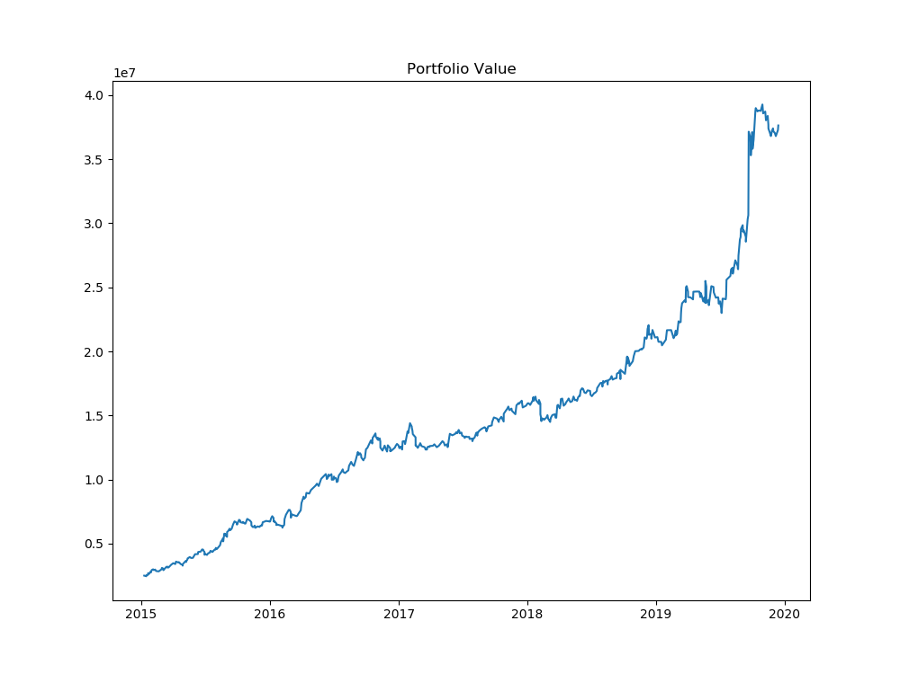
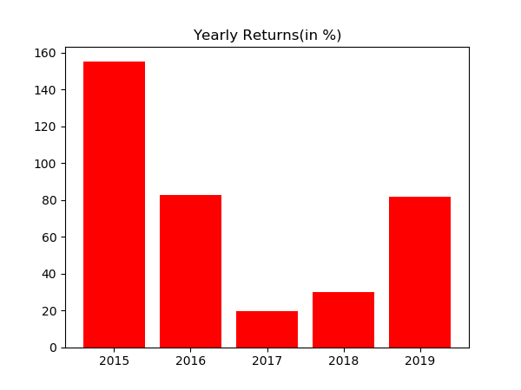
Year | % Returns | Average | StDev
2015-12-31 | 155.32135534 | 73.87042577 | 53.966494834
2016-12-31 | 82.822065665
2017-12-31 | 19.615004107
2018-12-31 | 29.930024206
2019-12-31 | 81.66367953

Month | % Returns | Average | StDev
Jan-15 | 16.841600011 | 4.6645057132 | 7.6995351155
Feb-15 | 5.3087110167
Mar-15 | 7.1274246183
Apr-15 | 0.70511331473
May-15 | 14.418267154
Jun-15 | 5.5444235228
Jul-15 | 12.644342453
Aug-15 | 20.817637224
Sep-15 | 14.733139334
Oct-15 | 6.6449015009
Nov-15 | -9.339561328
Dec-15 | 5.5008577348
Jan-16 | -4.4913908822
Feb-16 | 8.0223333802
Mar-16 | 16.875539871
Apr-16 | 12.883598964
May-16 | 9.8260143308
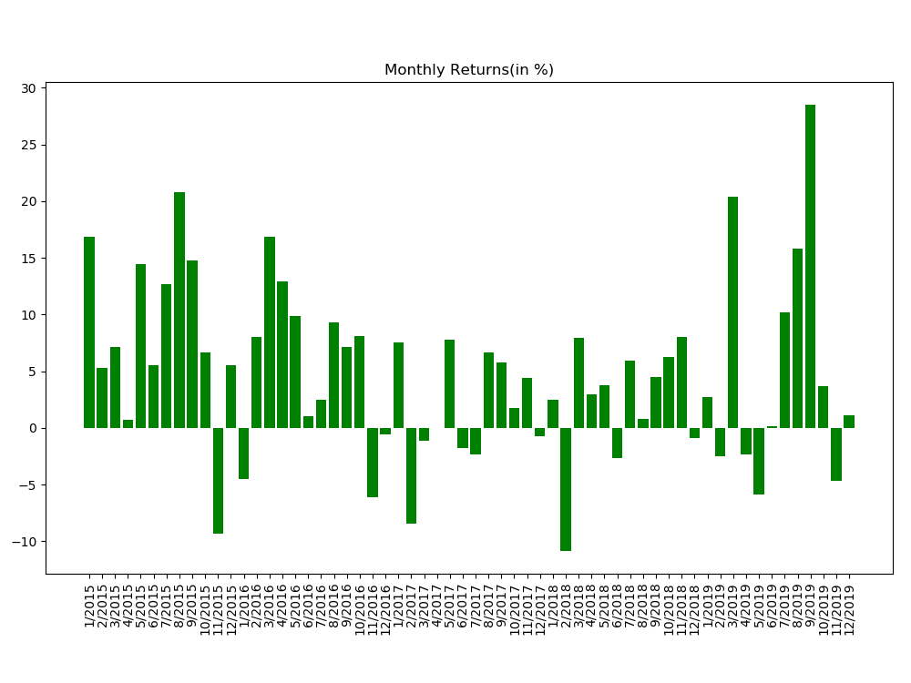
Jun-16 | 1.025095975
Jul-16 | 2.5050479088
Aug-16 | 9.3063733008
Sep-16 | 7.0906647293
Oct-16 | 8.0587466158
Nov-16 | -6.1268896249
Dec-16 | -0.54191818142
Jan-17 | 7.5618515496
Feb-17 | -8.4394154002
Mar-17 | -1.1478420029
Apr-17 | -0.031684560075
May-17 | 7.781559352
Jun-17 | -1.7511477327
Jul-17 | -2.3294625023
Aug-17 | 6.6416503505
Sep-17 | 5.7505756145
Oct-17 | 1.7327423903
Nov-17 | 4.3675099159
Dec-17 | -0.75717744638
Jan-18 | 2.5023533429
Feb-18 | -10.898745287
Mar-18 | 7.9054849063
Apr-18 | 2.9694710732
May-18 | 3.7671822625
Jun-18 | -2.6417524706
Jul-18 | 5.8861331903
Aug-18 | 0.77897214573
Sep-18 | 4.4596368789
Oct-18 | 6.2084699139
Nov-18 | 8.0482002808
Dec-18 | -0.92299406752
Jan-19 | 2.6923892603
Feb-19 | -2.5441067085
Mar-19 | 20.414071442
Apr-19 | -2.3706698768
May-19 | -5.92137848
Jun-19 | 0.12456032915
Jul-19 | 10.193767588
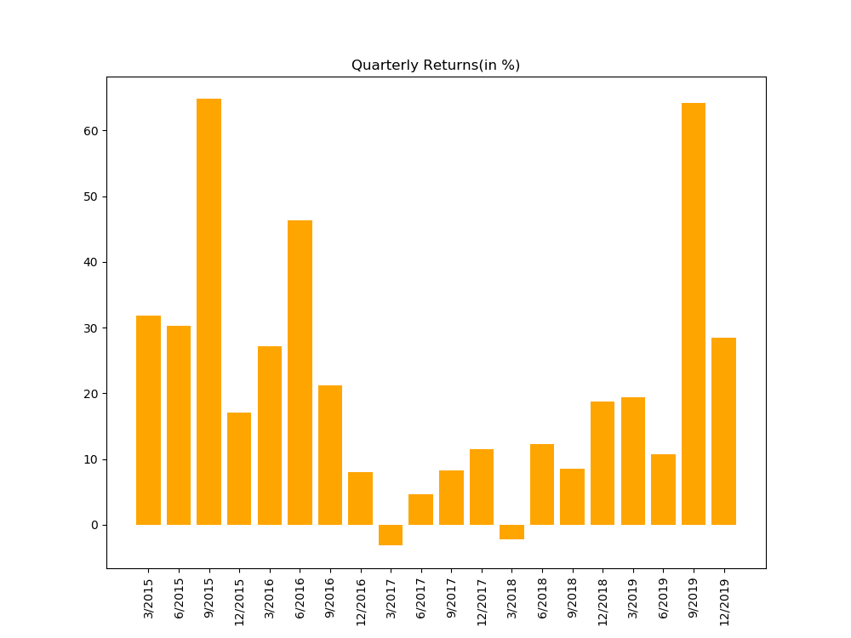
Aug-19 | 15.77711782
Sep-19 | 28.53102506
Oct-19 | 3.709817531
Nov-19 | -4.6995017758
Dec-19 | 1.1416059593

Distribution
