Returns
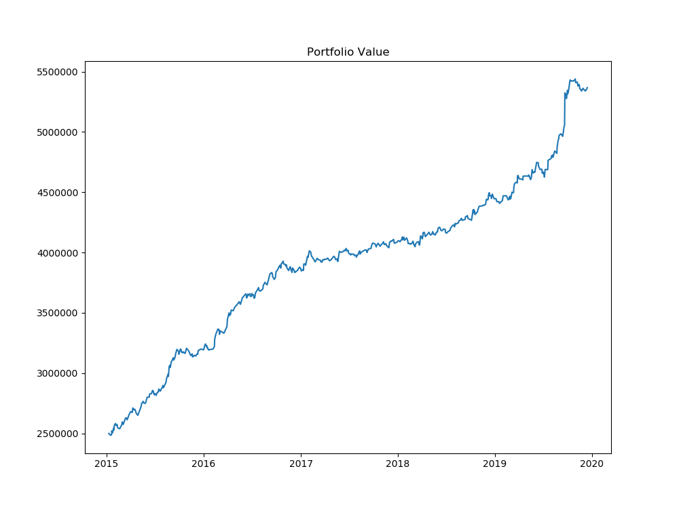
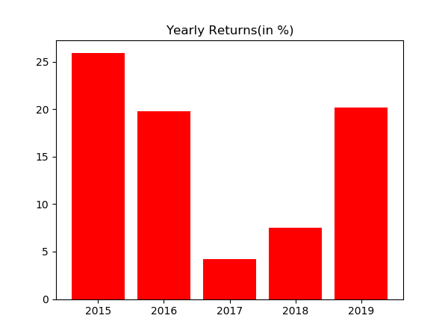
Year | % Returns | Average | StDev
2015-12-31 | 25.982823543 | 15.547629894 | 9.2343246829
2016-12-31 | 19.832084798
2017-12-31 | 4.2476696929
2018-12-31 | 7.5011874856
2019-12-31 | 20.17438395

Month | % Returns | Average | StDev
Jan-15 | 2.6855829681 | 1.2050312564 | 1.7876097032
Feb-15 | 0.86512584107
Mar-15 | 2.2291353867
Apr-15 | -0.33009391804
May-15 | 3.7058254848
Jun-15 | 2.4125217182
Jul-15 | 2.5999731174
Aug-15 | 5.0596452091
Sep-15 | 3.4851258583
Oct-15 | 1.4387466928
Nov-15 | -1.9593999205
Dec-15 | 1.3199427789
Jan-16 | -0.11955283712
Feb-16 | 3.9359730799
Mar-16 | 3.7284092046
Apr-16 | 2.8174498343
May-16 | 2.1763830076
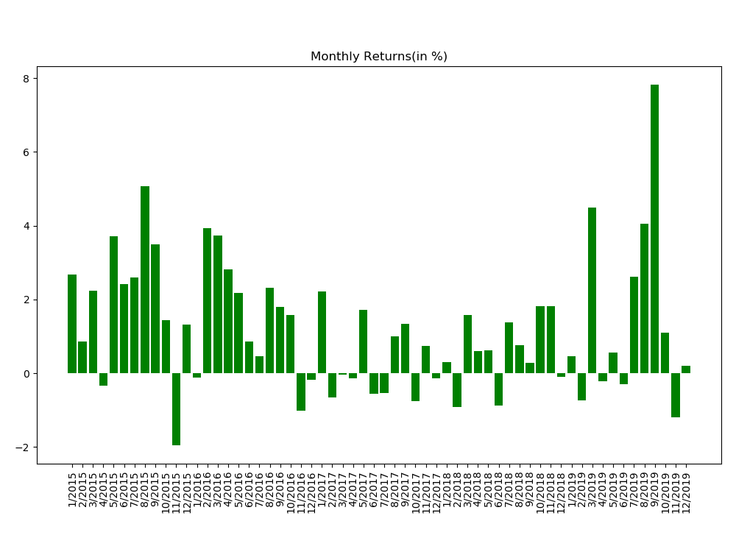
Jun-16 | 0.85804700812
Jul-16 | 0.46961653786
Aug-16 | 2.3098164582
Sep-16 | 1.8007472744
Oct-16 | 1.5887486638
Nov-16 | -1.0186444074
Dec-16 | -0.1842437286
Jan-17 | 2.2210939638
Feb-17 | -0.66073985357
Mar-17 | -0.02797401067
Apr-17 | -0.13742201932
May-17 | 1.714204692
Jun-17 | -0.55267824876
Jul-17 | -0.52973252922
Aug-17 | 1.0047269557
Sep-17 | 1.3474854903
Oct-17 | -0.76297623943
Nov-17 | 0.74635502044
Dec-17 | -0.13854066501
Jan-18 | 0.30376262991
Feb-18 | -0.90516523039
Mar-18 | 1.5814137896
Apr-18 | 0.61192154738
May-18 | 0.62292301144
Jun-18 | -0.8800963712
Jul-18 | 1.3800774339
Aug-18 | 0.75611568743
Sep-18 | 0.29012762993
Oct-18 | 1.8169671323
Nov-18 | 1.8127189087
Dec-18 | -0.08766435121
Jan-19 | 0.47050829918
Feb-19 | -0.73197803849
Mar-19 | 4.4983718122
Apr-19 | -0.21080511792
May-19 | 0.56554856655
Jun-19 | -0.29966282025
Jul-19 | 2.6161929332
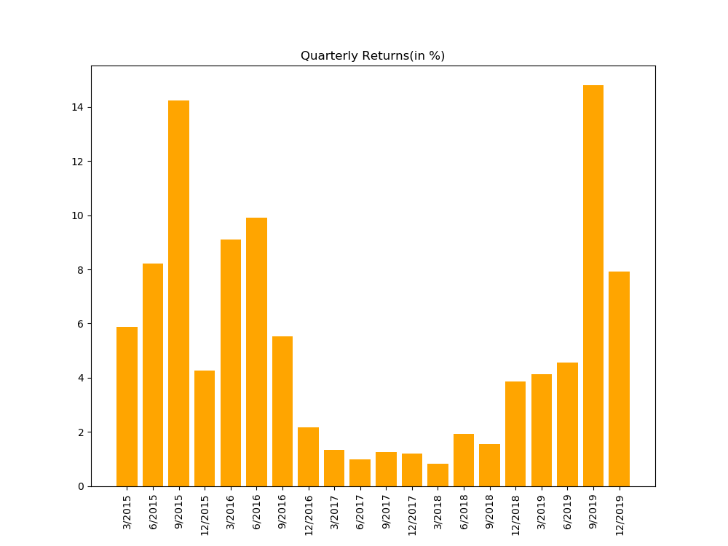
Aug-19 | 4.0533428357
Sep-19 | 7.8301279478
Oct-19 | 1.092078424
Nov-19 | -1.1956572815
Dec-19 | 0.21202213586

Distribution
