performance_glm
ANTES DO OVERSAMPLING
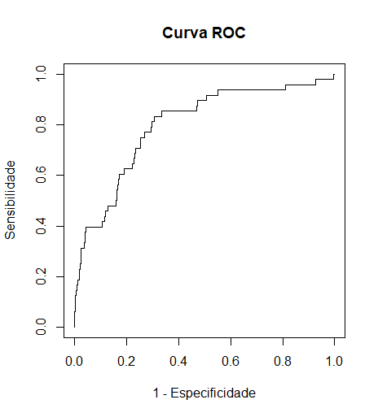
Sensibilidade: 0.1458333 |  | # A tibble: 2 × 2
Especificidade: 0.9927214 |  | class_dementia_w8 count
Valor preditivo positivo: 0.28 |  | <fct> <int>
Valor preditivo negativo: 0.9835737 |  | 1 0 6596
 |  | 2 1 129
AUC: 0.7987768

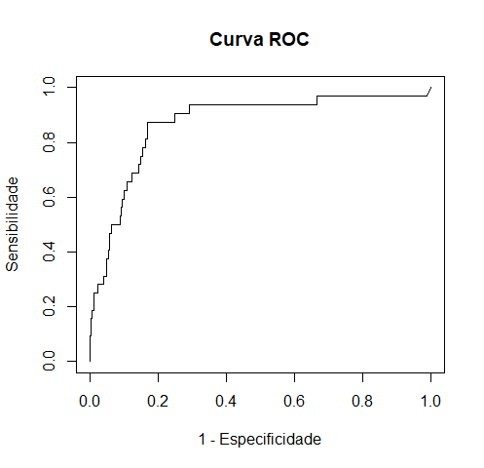
DEPOIS DO OVERSAMPLING
MWMOTE
Sensibilidade: 0.4166667 |  | class_dementia_w8 count
Especificidade: 0.9235746 |  | <fct> <int>
Valor preditivo positivo: 0.09569378 |  | 1 0 6596
Valor preditivo negativo: 0.9878893 |  | 2 1 6596

AUC: 0.8223143

ROSE
Sensibilidade: 0.5833333
Especificidade: 0.8701981
Valor preditivo positivo: 0.08022923
Valor preditivo negativo: 0.9907919

AUC: 0.8568119

CAMPOS CALCULADOS COM BASE NOS DADOS LONGITUDINAIS

Difference | Difference + Ratio
Sensibilidade: 0.5833333 | Sensibilidade: 0.1458333
Especificidade: 0.8750505 | Especificidade: 0.9886777
Valor preditivo positivo: 0.08308605 | Valor preditivo positivo: 0.2
Valor preditivo negativo: 0.9908425 | Valor preditivo negativo: 0.9835076

AUC: 0.868547 | AUC: 0.7572112

