Sol
You are given market data for a Treasury STRIPS as shown below.
The applicable discount rate is 4.596% (as shown in the second screenshot).
The market data is as of 2/17/2025. Assume standard T+1 settlement.
Calculate the market price for a $100 par value long position in this Treasury STRIPS
Hint: use the time value of money concepts discussed in class. Also recall that Treasury notes/bonds use semi-annual compounding.

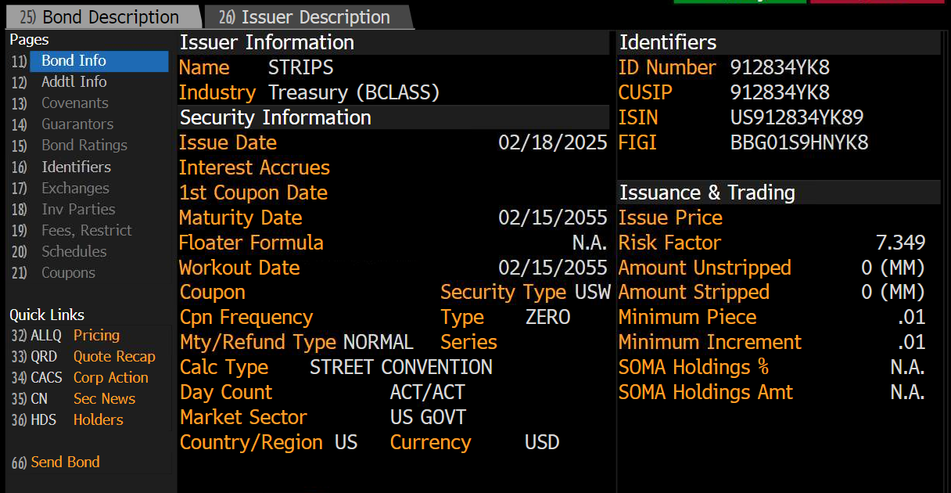

Date | 2025-02-17
Settle | 2025-02-18
Maturity Date | 2055-02-15

Calculate years to maturity
1. Number of Days to 2/15/2026 | 362
2. Calculate the fraction of a year | 0.991781
Years To Maturity | 29.99178

Discount Rate | 4.596%
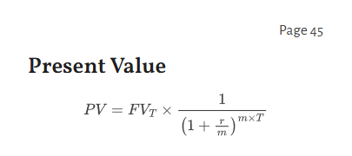
Bond Price
F | 100
P | 25.594

