noSol
You are given market data for a Treasury STRIPS as shown below.
The applicable discount rate is 4.596% (as shown in the second screenshot).
The market data is as of 2/17/2025. Assume standard T+1 settlement.
Calculate the market price for a long position in this Treasury STRIPS
Hint: use the time value of money concepts discussed in class. Also recall that Treasury notes/bonds use semi-annual compounding.

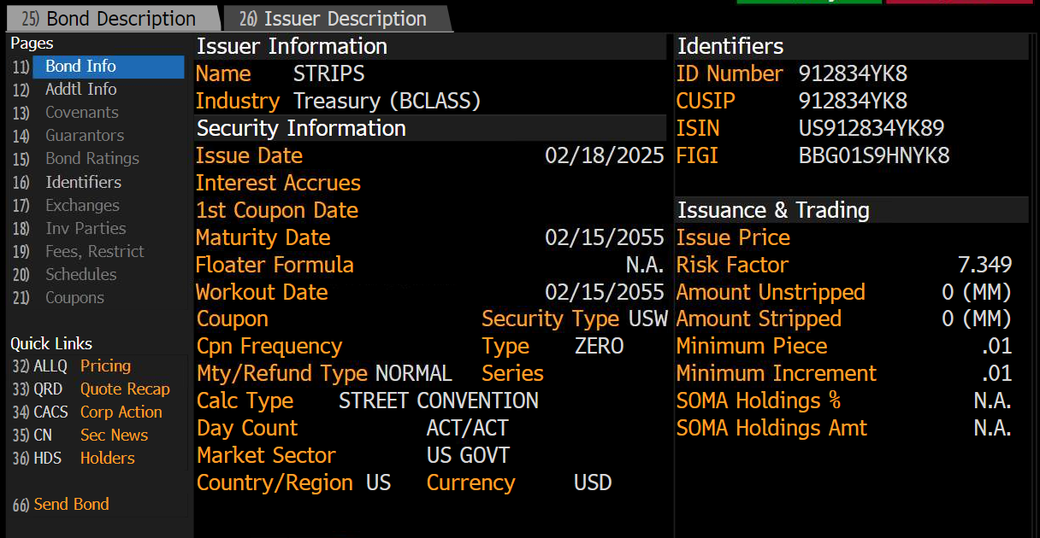

Date
Settle
Maturity Date

Years To Maturity
Days To Maturity
Years To Maturity

Discount Rate

Bond Price
F
P

