Sol
Source: https://www.treasurydirect.gov/instit/annceresult/press/preanre/2025/R_20250127_4.pdf
The Treasury auctioned the 5-year Treasury note shown below.
The coupon rate is refered to as "Interest Rate" below.
As the discount rate, use "High Yield" shown below.
What is the issue price of this Treasury note?
Hint: use the time value of money concepts from class.

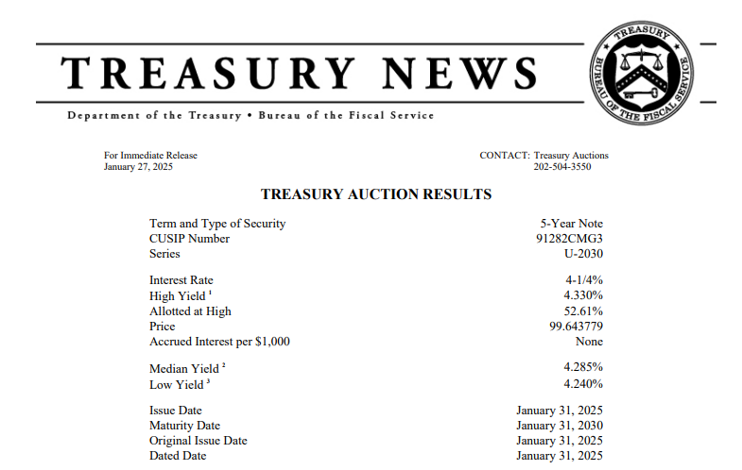

 | Face value | F | 100
 | Coupon rate | c | 4.2500%
 | Coupon cash flow | C | 2.125
 | Discount rate | r | 4.3300%

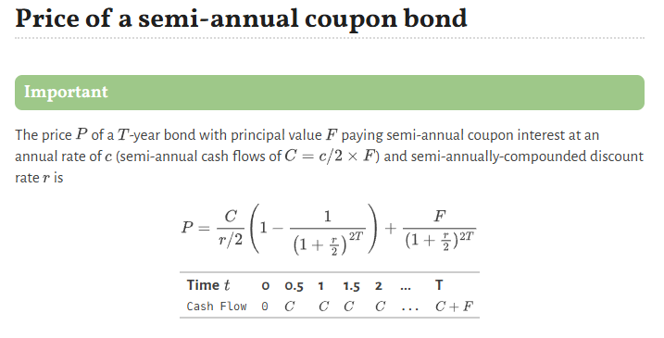
 | Bond Price | 99.643779
 | (per $100 par value)

No_Sol
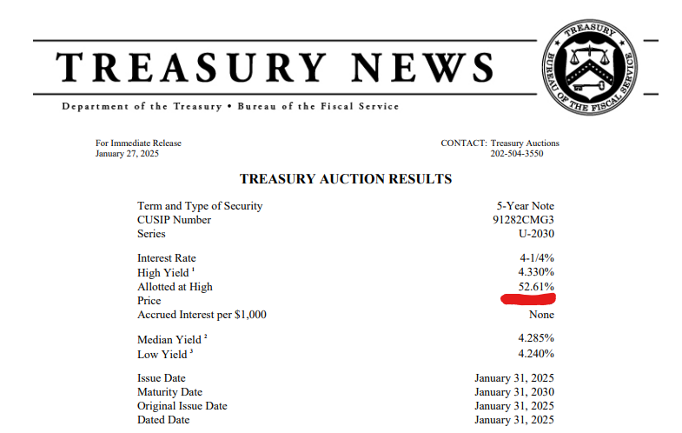
The Treasury auctioned the 5-year Treasury note shown below.
The coupon rate is refered to as "Interest Rate" below.
As the discount rate, use "High Yield" shown below.
What is the issue price of this Treasury note?
Hint: use the time value of money concepts from class.

