Info
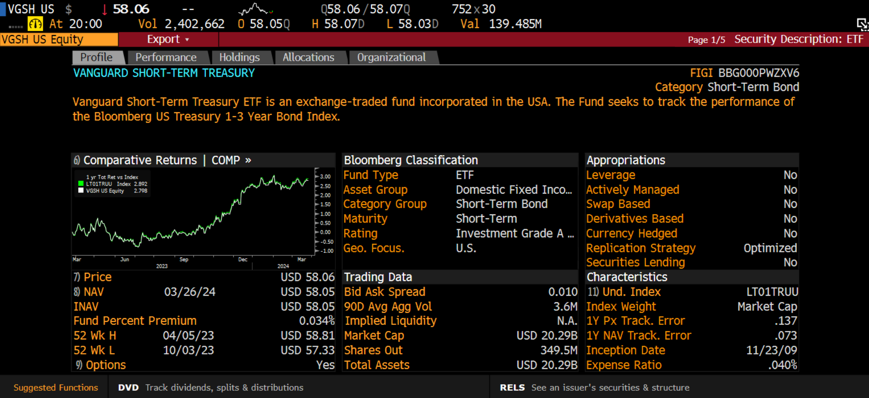

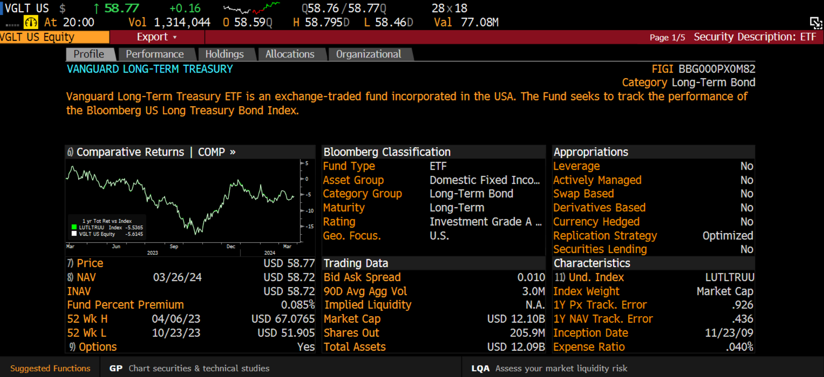

Vanguard Longterm Treasury ETF Loss for 1000-share position
3/21/2018
3/22/2018
3/23/2018
3/26/2018
3/27/2018
3/28/2018
3/29/2018
4/2/2018
4/3/2018
4/4/2018
4/5/2018
4/6/2018
4/9/2018
4/10/2018
4/11/2018
4/12/2018
4/13/2018
4/16/2018
4/17/2018
4/18/2018
4/19/2018
4/20/2018
4/23/2018
4/24/2018
4/25/2018
4/26/2018
4/27/2018
4/30/2018
5/1/2018
5/2/2018
5/3/2018
5/4/2018
5/7/2018
5/8/2018
5/9/2018
5/10/2018
5/11/2018
5/14/2018
5/15/2018
5/16/2018
5/17/2018
5/18/2018
5/21/2018
5/22/2018
5/23/2018
5/24/2018
5/25/2018
5/29/2018
5/30/2018
5/31/2018
...

