Securities
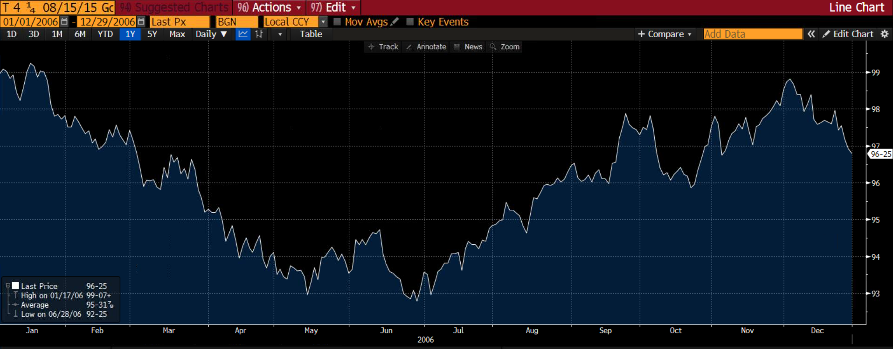
TIPS-Treasury Arbitrage - Case Study (trade date 5 October 2006)

The two securities
 | TIPS | Treasury note
CUSIP | 912828EA | 912828EE
Maturity | 7/15/2015 | 8/15/2015
Issue date | 7/15/2005 | 8/15/2005
Coupon | 1.875% | 4.250%
First coupon date | 1/15/2006 | 2/15/2006
Second coupon date | 7/15/2006 | 8/15/2006
Reference CPI on issue date | 194.50968 | -
Price quote | 96-20 | 97-15+

Bloomberg screenshots below are taken on the trade date. The pricing math is on the Step1_Prices / Step2_CashFlows / Result tabs.

TIPS 912828EA - Description (Bloomberg DES)
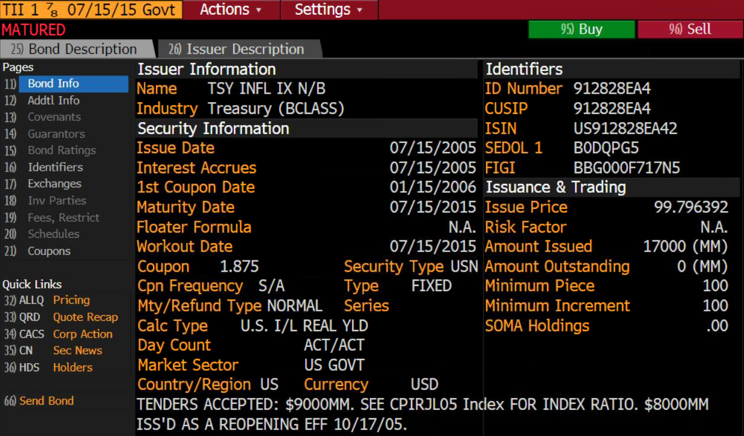

TIPS 912828EA - Price quotes (Bloomberg)
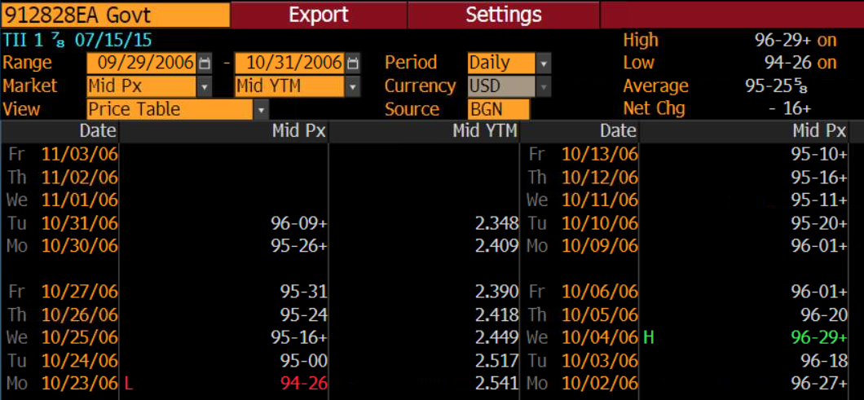

TIPS 912828EA - Price history (Bloomberg GP)
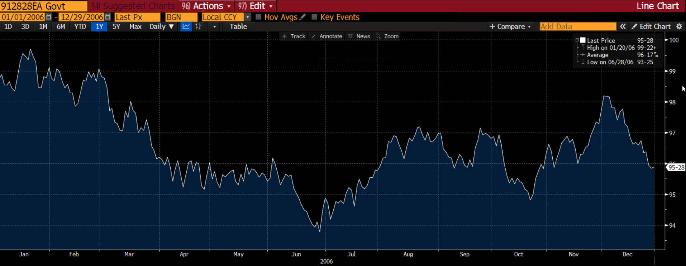

Treasury note 912828EE - Description (Bloomberg DES)
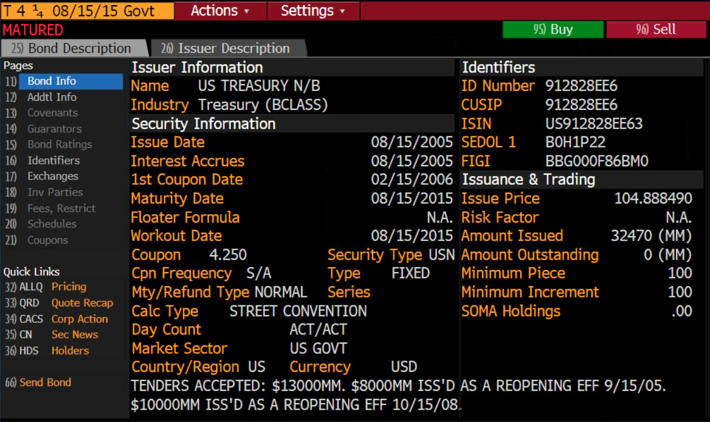

Treasury note 912828EE - Price quotes (Bloomberg)

Treasury note 912828EE - Price history (Bloomberg GP)

