Project Sizing
 |  | BUILD |  |  |  |  |  |  |  |  |  |  |  |  |  | TOTAL | RUN |  |  |  |  |  |  |  |  |  |  |  | TOTAL
Time |  | Week 1 | Week 2 | Week 3 | Week 4 | Week 5 | Week 6 | Week 7 | Week 8 | Week 9 | Week 10 | Week 11 | Week 12 | Week 13 | Week 14 |  | Month 1 | Month 2 | Month 3 | Month 4 | Month 5 | Month 6 | Month 7 | Month 8 | Month 9 | Month 10 | Month 11 | Month 12
Sprints |  | Sprint 0 |  | Sprint 1 |  | Sprint 2 |  | Sprint 3 |  | Sprint 4 |  | Sprint 5 |  | Sprint 6 |  |  | Quarter 1 |  |  | Quarter 2 |  |  | Quarter 3 |  |  | Quarter 4
Milestones |  | Kick-Off / PoC |  | MVP |  |  |  |  |  | V1 |  |  |  |  |  |  | Semester 1 |  |  |  |  |  | Semester 2
Planning | Workload (days)
Product Manager |  | 1 | 1 | 0.5 | 0.5 | 0.5 | 0.5 | 0.5 | 2 | 0.5 | 0.5 | 0.5 | 0.5 | 0.5 | 2 | 11 | 0.5 | 0.5 | 0.5 | 0.5 | 0.5 | 0.5 | 0.5 | 0.5 | 0.5 | 0.5 | 0.5 | 0.5 | 6
Product Owner |  | 2 | 2 | 1 | 2 | 1 | 2 | 2 | 4 | 1 | 2 | 1 | 2 | 2 | 4 | 28 | 0.5 | 0.5 | 0.5 | 0.5 | 0.5 | 0.5 | 0.5 | 0.5 | 0.5 | 0.5 | 0.5 | 0.5 | 6
SCRUM Master |  | 2 | 2 | 2.5 | 2.5 | 2.5 | 2.5 | 2.5 | 2.5 | 2.5 | 2.5 | 2.5 | 2.5 | 2.5 | 2.5 | 34 | 1 | 1 | 1 | 1 | 1 | 1 | 1 | 1 | 1 | 1 | 1 | 1 | 12
Frontend developer |  | 0.5 | 0.5 | 5 | 5 | 5 | 5 | 5 | 5 | 5 | 5 | 5 | 5 | 5 | 5 | 61 | 1 | 1 | 1 | 1 | 1 | 1 | 1 | 1 | 1 | 1 | 1 | 1 | 12
Backend developer |  | 0.5 | 0.5 | 5 | 5 | 5 | 5 | 5 | 5 | 5 | 5 | 5 | 5 | 5 | 5 | 61 | 1 | 1 | 1 | 1 | 1 | 1 | 1 | 1 | 1 | 1 | 1 | 1 | 12
AI / ML / Data Engineer |  | 5 | 5 | 0 | 1 | 2 | 4 | 5 | 5 | 5 | 5 | 5 | 5 | 5 | 5 | 57 | 4 | 4 | 4 | 4 | 4 | 4 | 4 | 4 | 4 | 4 | 4 | 4 | 48
QA Engineer |  | 0.5 | 0.5 | 1 | 2 | 1 | 2 | 1 | 2 | 1 | 2 | 1 | 2 | 1 | 2 | 19 | 1 | 1 | 1 | 1 | 1 | 1 | 1 | 1 | 1 | 1 | 1 | 1 | 12
SRE |  | 0.5 | 0.5 |  |  |  | 1 | 2 | 4 | 0.5 | 0.5 | 0.5 | 0.5 | 0.5 | 0.5 | 11 | 2 | 2 | 2 | 2 | 2 | 2 | 2 | 2 | 2 | 2 | 2 | 2 | 24
TOTAL |  | 12 | 12 | 15 | 18 | 17 | 22 | 23 | 29.5 | 20.5 | 22.5 | 20.5 | 22.5 | 21.5 | 26 | 282 | 11 | 11 | 11 | 11 | 11 | 11 | 11 | 11 | 11 | 11 | 11 | 11 | 132

Investments
Human | Cost / day (€)
Product Manager | 450.00 € | 450 € | 450 € | 225 € | 225 € | 225 € | 225 € | 225 € | 900 € | 225 € | 225 € | 225 € | 225 € | 225 € | 900 € | 4,950 € | 225 € | 225 € | 225 € | 225 € | 225 € | 225 € | 225 € | 225 € | 225 € | 225 € | 225 € | 225 € | 2,700 €
Product Owner | 350.00 € | 700 € | 700 € | 350 € | 700 € | 350 € | 700 € | 700 € | 1,400 € | 350 € | 700 € | 350 € | 700 € | 700 € | 1,400 € | 9,800 € | 175 € | 175 € | 175 € | 175 € | 175 € | 175 € | 175 € | 175 € | 175 € | 175 € | 175 € | 175 € | 2,100 €
SCRUM Master | 300.00 € | 600 € | 600 € | 750 € | 750 € | 750 € | 750 € | 750 € | 750 € | 750 € | 750 € | 750 € | 750 € | 750 € | 750 € | 10,200 € | 300 € | 300 € | 300 € | 300 € | 300 € | 300 € | 300 € | 300 € | 300 € | 300 € | 300 € | 300 € | 3,600 €
Frontend developer | 300.00 € | 150 € | 150 € | 1,500 € | 1,500 € | 1,500 € | 1,500 € | 1,500 € | 1,500 € | 1,500 € | 1,500 € | 1,500 € | 1,500 € | 1,500 € | 1,500 € | 18,300 € | 300 € | 300 € | 300 € | 300 € | 300 € | 300 € | 300 € | 300 € | 300 € | 300 € | 300 € | 300 € | 3,600 €
Backend developer | 350.00 € | 175 € | 175 € | 1,750 € | 1,750 € | 1,750 € | 1,750 € | 1,750 € | 1,750 € | 1,750 € | 1,750 € | 1,750 € | 1,750 € | 1,750 € | 1,750 € | 21,350 € | 350 € | 350 € | 350 € | 350 € | 350 € | 350 € | 350 € | 350 € | 350 € | 350 € | 350 € | 350 € | 4,200 €
AI / ML / Data Engineer | 400.00 € | 2,000 € | 2,000 € | 0 € | 400 € | 800 € | 1,600 € | 2,000 € | 2,000 € | 2,000 € | 2,000 € | 2,000 € | 2,000 € | 2,000 € | 2,000 € | 22,800 € | 1,600 € | 1,600 € | 1,600 € | 1,600 € | 1,600 € | 1,600 € | 1,600 € | 1,600 € | 1,600 € | 1,600 € | 1,600 € | 1,600 € | 19,200 €
QA Engineer | 300.00 € | 150 € | 150 € | 300 € | 600 € | 300 € | 600 € | 300 € | 600 € | 300 € | 600 € | 300 € | 600 € | 300 € | 600 € | 5,700 € | 300 € | 300 € | 300 € | 300 € | 300 € | 300 € | 300 € | 300 € | 300 € | 300 € | 300 € | 300 € | 3,600 €
SRE | 400.00 € | 200 € | 200 € | 0 € | 0 € | 0 € | 400 € | 800 € | 1,600 € | 200 € | 200 € | 200 € | 200 € | 200 € | 200 € | 4,400 € | 800 € | 800 € | 800 € | 800 € | 800 € | 800 € | 800 € | 800 € | 800 € | 800 € | 800 € | 800 € | 9,600 €
TOTAL |  | 4,425 € | 4,425 € | 4,875 € | 5,925 € | 5,675 € | 7,525 € | 8,025 € | 10,500 € | 7,075 € | 7,725 € | 7,075 € | 7,725 € | 7,425 € | 9,100 € | 97,500 € | 4,050 € | 4,050 € | 4,050 € | 4,050 € | 4,050 € | 4,050 € | 4,050 € | 4,050 € | 4,050 € | 4,050 € | 4,050 € | 4,050 € | 48,600 €

Infrastructure
Usage
# of articles |  | 1000 | 1000 | 1000 | 1000 | 1000 | 1000 | 1000 | 1000 | 1000 | 1000 | 1000 | 1000 | 1000 | 1000 |  | 1000 | 1020 | 1040 | 1061 | 1082 | 1104 | 1126 | 1149 | 1172 | 1195 | 1219 | 1243
# of photos per articles |  | 10 | 10 | 10 | 10 | 10 | 10 | 10 | 10 | 10 | 10 | 10 | 10 | 10 | 10 |  | 10 | 10 | 10 | 10 | 10 | 10 | 10 | 10 | 10 | 10 | 10 | 10
# of Personal Style feature users |  | 0 | 0 | 0 | 0 | 0 | 0 | 0 | 0 | 100 | 200 | 500 | 1000 | 2000 | 5000 |  | 10000 | 10500 | 11025 | 11576 | 12155 | 12763 | 13401 | 14071 | 14775 | 15513 | 16289 | 17103
# of Personal Styles per user |  |  |  |  |  |  |  |  |  | 1 | 1 | 1 | 1 | 1 | 1 |  | 1 | 1 | 2 | 2 | 2 | 2 | 3 | 3 | 3 | 3 | 3 | 3
# of photo per Personal Style |  |  |  |  |  |  |  |  |  | 1 | 2 | 3 | 4 | 5 | 6 |  | 10 | 10 | 10 | 10 | 10 | 10 | 10 | 10 | 10 | 10 | 10 | 10
# of model training |  | 5 | 5 | 0 | 1 | 2 | 4 | 5 | 5 | 7 | 7 | 7 | 7 | 7 | 7 |  | 30 | 30 | 30 | 30 | 30 | 30 | 30 | 30 | 30 | 30 | 30 | 30

Already in place
App Service Plan | Serve web app
SQL Database | Web app data
Blob Storage | Articles photos

Articles detection
Blob Storage (Standard - Hot) | Personal Style photos | 0 € | 0 € | 0 € | 0 € | 0 € | 0 € | 0 € | 0 € | 0 € | 0 € | 0 € | 0 € | 1 € | 2 € | 2 € | 20 € | 21 € | 44 € | 46 € | 49 € | 51 € | 80 € | 84 € | 89 € | 93 € | 98 € | 103 € | 778 €
Function | Schedule training | 0 € | 0 € | 0 € | 0 € | 0 € | 0 € | 0 € | 0 € | 0 € | 0 € | 0 € | 0 € | 0 € | 0 € | 0 € | 0 € | 0 € | 0 € | 0 € | 0 € | 0 € | 0 € | 0 € | 0 € | 0 € | 0 € | 0 € | 0 €
Machine Learning (GPU) | Train : detect articles | 100 € | 100 € | 0 € | 20 € | 40 € | 80 € | 100 € | 100 € | 140 € | 140 € | 140 € | 140 € | 140 € | 140 € | 1,380 € | 600 € | 612 € | 624 € | 637 € | 649 € | 662 € | 676 € | 689 € | 703 € | 717 € | 731 € | 746 € | 8,047 €
Machine Learning | Predict : detect articles |  |  |  |  |  |  |  |  | 0 € | 0 € | 1 € | 3 € | 7 € | 25 € | 36 € | 69 € | 7 € | 15 € | 15 € | 16 € | 17 € | 27 € | 28 € | 29 € | 31 € | 32 € | 34 € | 320 €
NoSQL Database | Detected articles |  |  |  |  |  |  |  |  | 0 € | 0 € | 0 € | 0 € | 0 € | 1 € | 1 € | 10 € | 11 € | 22 € | 23 € | 24 € | 26 € | 40 € | 42 € | 44 € | 47 € | 49 € | 51 € | 389 €

Recommender
Function | Schedule training | 0 € | 0 € | 0 € | 0 € | 0 € | 0 € | 0 € | 0 € | 0 € | 0 € | 0 € | 0 € | 0 € | 0 € | 0 € | 0 € | 0 € | 0 € | 0 € | 0 € | 0 € | 0 € | 0 € | 0 € | 0 € | 0 € | 0 € | 0 €
Machine Learning | Train : recommender | 10 € | 10 € | 0 € | 2 € | 4 € | 8 € | 10 € | 10 € | 11 € | 13 € | 17 € | 24 € | 38 € | 80 € | 237 € | 610 € | 640 € | 672 € | 705 € | 739 € | 776 € | 814 € | 854 € | 896 € | 941 € | 987 € | 1,036 € | 9,670 €
Machine Learning | Predict : rank articles |  |  |  |  |  |  |  |  | 0 € | 0 € | 1 € | 3 € | 7 € | 25 € | 36 € | 69 € | 7 € | 15 € | 15 € | 16 € | 17 € | 27 € | 28 € | 29 € | 31 € | 32 € | 34 € | 320 €
NoSQL Database | Ranked articles |  |  |  |  |  |  |  |  | 0 € | 0 € | 0 € | 0 € | 0 € | 1 € | 1 € | 10 € | 11 € | 22 € | 23 € | 24 € | 26 € | 40 € | 42 € | 44 € | 47 € | 49 € | 51 € | 389 €

TOTAL |  | 110 € | 110 € | 0 € | 22 € | 44 € | 88 € | 110 € | 110 € | 152 € | 153 € | 160 € | 170 € | 193 € | 273 € | 1,695 € | 1,389 € | 1,308 € | 1,413 € | 1,465 € | 1,518 € | 1,574 € | 1,704 € | 1,768 € | 1,835 € | 1,906 € | 1,979 € | 2,055 € | 19,914 €

TOTAL Investments |  | 4,535 € | 4,535 € | 4,875 € | 5,947 € | 5,719 € | 7,613 € | 8,135 € | 10,610 € | 7,227 € | 7,878 € | 7,235 € | 7,895 € | 7,618 € | 9,373 € | 99,195 € | 5,439 € | 5,358 € | 5,463 € | 5,515 € | 5,568 € | 5,624 € | 5,754 € | 5,818 € | 5,885 € | 5,956 € | 6,029 € | 6,105 € | 68,514 €

Returns
Comercial data
Base Value per sale | 20 €
Base Margin per sale | 20%
Base profits |  |  |  |  |  |  |  |  |  | 100 € | 200 € | 500 € | 1,000 € | 2,000 € | 5,000 € | 8,800 € | 40,000 € | 42,000 € | 44,100 € | 46,305 € | 48,620 € | 51,051 € | 53,604 € | 56,284 € | 59,098 € | 62,053 € | 65,156 € | 68,414 € | 636,685 €

Scenario 1
Feature impact : Value increase | 15%
Feature impact : Margin increase | 10%
Added Profits with Personal Styles |  |  |  |  |  |  |  |  |  | 27 € | 53 € | 133 € | 265 € | 530 € | 1,325 € | 2,332 € | 10,600 € | 11,130 € | 11,687 € | 12,271 € | 12,884 € | 13,529 € | 14,205 € | 14,915 € | 15,661 € | 16,444 € | 17,266 € | 18,130 € | 168,722 €
Treasury |  | -4,535 € | -9,070 € | -13,945 € | -19,892 € | -25,611 € | -33,224 € | -41,359 € | -51,969 € | -59,169 € | -66,995 € | -74,097 € | -81,727 € | -88,815 € | -96,863 € | -96,863 € | -91,701 € | -85,929 € | -79,706 € | -72,950 € | -65,633 € | -57,729 € | -49,278 € | -40,181 € | -30,405 € | -19,916 € | -8,679 € | 3,345 € | 3,345 €
ROI 1 |  |  |  |  |  |  |  |  |  |  |  |  |  |  |  | -97.65% |  |  |  |  |  |  |  |  |  |  |  |  | 1.99%

Scenario 2
Feature impact : Value increase | 25%
Feature impact : Margin increase | 15%
Added Profits with Personal Styles |  |  |  |  |  |  |  |  |  | 44 € | 88 € | 219 € | 438 € | 875 € | 2,188 € | 3,850 € | 17,500 € | 18,375 € | 19,294 € | 20,258 € | 21,271 € | 22,335 € | 23,452 € | 24,624 € | 25,855 € | 27,148 € | 28,506 € | 29,931 € | 278,550 €
Treasury |  | -4,535 € | -9,070 € | -13,945 € | -19,892 € | -25,611 € | -33,224 € | -41,359 € | -51,969 € | -59,152 € | -66,943 € | -73,959 € | -81,416 € | -88,159 € | -95,345 € | -95,345 € | -83,283 € | -70,266 € | -56,436 € | -41,692 € | -25,989 € | -9,278 € | 8,420 € | 27,226 € | 47,196 € | 68,389 € | 90,866 € | 114,691 € | 114,691 €
ROI 2 |  |  |  |  |  |  |  |  |  |  |  |  |  |  |  | -96.12% |  |  |  |  |  |  |  |  |  |  |  |  | 68.39%
BUILD Treasury
RUN Treasury

Project Risks
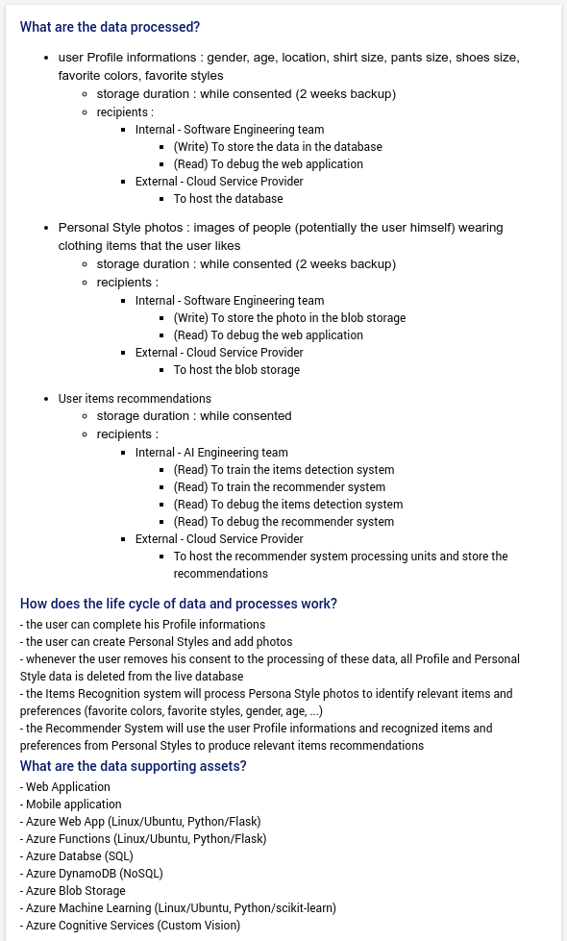
ID | Category | Risk | Title | Description | Owner | Impacts | Threats | Sources | Prevention measures | Mitigation measures | Likelihood | Severity | Criticity
1 | Scope | Feature does not satisfy user needs | Wrong scope | Users don't use the feature because they don't need it | Product Owner | - less feature usage => lower returns - users insatisfaction => less new and returning users | - users do not need this feature - users are not used to this kind of feature | - users try to use the feature | - user research during first Sprint | - users feedback/satisfaction form | 2 | 4 | 8
2 | Quality | Feature not implemented as expected by the user | Bad UX | Users don't like the feature because it does not work as they expect | UX Designer | - confused users => less feature usage and more customer support | - users do not understand how the feature works | - users try to use the feature | - A/B testing | - feature usage monitoring | 1 | 4 | 4
3 | Quality | Feature not usable because of low performances | Low performances | Users complain about latency, lag or slow results | Tech Lead | - low percieved quality => less new and returning users | - users find the feature slow | - users try to use the feature | - performance testing | - profiling => code optimization and/or infrastructure resources increase | 2 | 4 | 8
4 | Quality | Feature not usable because of low accuracy | Low accuracy | Users complain about bad recommendations | AI Engineer | - low percieved quality => less new and returning users | - users find the feature useless | - users try to use the feature | - recommendation system evaluation metric | - re-train recommender system | 4 | 4 | 16
5 | Budget | Under-estimated human costs | Greater human costs | The actual salary of contributors is much higher than estimated | Product Manager | - increased costs | - job market salaries are higher than expected | - contributors are hired / allocated to the project | - salaries benchmarking before kick-off | - re-negotiate project budget - use less paid (less skilled / more junior) contributors | 1 | 2 | 2
6 | Budget | Under-estimated infrastructure costs | Greater infrastructure costs | The actual cost of infrastructure usage is much higher than estimated | Tech Lead | - increased costs | - infrastructure price per usage increase - infrastructure usage higher than expected | - developers and AI Engineer use infrastructure resources - they don't optimize resources usage (stop unused environments) | - train tech team to resources costs optimisation | - monitor resources usage and costs | 3 | 2 | 6
7 | Budget | Over-estimated available budget | Lower budget | The actual available budget for the project is much lower than estimated | Product Manager | - not enough budget for the full project | - available budget is lower than estimated | - project budget allocation | - ask for available budget in advance | - reduce project scope | 1 | 3 | 3
8 | Planning | Under-estimated specification time | Delayed specifications | The time required to produce specification is much higher than estimated | Product Owner | - slows the production chain => delays product delivery => stretches project planning => increases costs | - product owner needs more time than estimated | - product owner prepares user stories |  | - identify and fix causes of slowness (kaizen) | 2 | 3 | 6
9 | Planning | Under-estimated feature development time | Delayed feature development | The time required to develop the feature is much higher than estimated | Tech Lead | - slows the production chain => delays product delivery => stretches project planning => increases costs | - developers needs more time than estimated | - developers develop user stories |  | - identify and fix causes of slowness (kaizen) | 3 | 2 | 6
10 | Planning | Under-estimated ML development time | Delayed ML development | The time required to train and optimize the ML models is much higher than estimated | AI Engineer | - slows the production chain => delays product delivery => stretches project planning => increases costs | - AI Engineer needs more time than estimated - data acquisition / cleaning is more complex than expected - model training / optimization is more complex than expected | - AI Engineers develop user stories |  | - identify and fix causes of slowness (kaizen) | 4 | 2 | 8
11 | Planning | Under-estimated validation time | Delayed validation | The time required to test and validate the feature is much higher than estimated | QA Engineer | - slows the production chain => delays product delivery => stretches project planning => increases costs | - QA Engineer needs more time than estimated | - QA Engineers test user stories |  | - identify and fix causes of slowness (kaizen) | 1 | 1 | 1
12 | Planning | Over-estimated available time | Premature deadline | The actual deadline of the project is much sooner than estimated | Product Manager | - not enough time for the full project | - available budget is lower than estimated | - project planning | - ask for compagny deadlines in advance | - reduce project scope | 1 | 3 | 3
13 | Team | Required skills are not available | Unavailable human resources | Persons with the required skills are not all available | Product Manager | - planning stretches => higher cost - contributors don't have the required skills => lower quality | - contributors with required skills are not available according to the planning | - project planning and human resouces allocation | - book required resources in advance | - reduce project scope - re-negotiate project budget and/or planning | 3 | 4 | 12
14 | Complexity | Identifying items in photos is harder than expected | Items identification dificulties | Developing the items recognition engine requires more resources (time, data, budget) and/or skills than estimated | AI Engineer | - planning stretches => higher cost - more infrastructure usage => higher cost - bad items detection accuracy => lower quality | - ML model is hard to train / optimize - not enough training data - bad quality training data | - AI Engineers develops items detection system | - proof of concept during first Sprint |  | 4 | 4 | 16
15 | Complexity | Making relevant recommendations is harder than expected | Recommendations dificulties | Developing the items recommendation engine requires more resources (time, data, budget) and/or skills than estimated | AI Engineer | - planning stretches => higher cost - more infrastructure usage => higher cost - bad recommender system accuracy => lower quality | - ML model is hard to train / optimize - not enough training data - bad quality training data | - AI Engineers develop recommender system | - proof of concept during first Sprint |  | 4 | 4 | 16
16 | Innovation | Integration of AI components is a first | Never done before | Since this project is the first of its kind, there is no prior knowledge ("expect the unexpected") | Product Manager | - unknown risks => high uncertainty => planning/budget/scope drift | - unknown risk | - during all the project | - integrate some margin in estimations |  | 3 | 3 | 9
17 | Compliance (PIA) | DPO and organisation manager are not defined | Undefined representatives | DPO and organisation manager must be defined | Product Manager | - not-compliant product => legal risk (> 10M€) | - record of data processing is not conform | - in case of control (CNIL / GPDP) | - identify DPO and organisation representative |  | 2 | 4 | 8
18 | Compliance (PIA) | Illegitimate access to data | Illegitimate access to data | An unauthorized entity has access to users personal data (Profile informations and/or Personal Style photos) | SRE | Profiling of data subject | - Access to the Database - Access to the Blob Storage - Man-in-the-Middle - User credentials theft | Internal human, External human, Technical incident | - SSL Encrypted communications - Software security audits and pentests - Cloud : Role Based Access Control (RBAC) - Software : Role Based Access Control (RBAC) - Blur faces - Data access and modification Traceability |  | 2 | 3 | 6
19 | Compliance (PIA) | Unwanted modification of data | Unwanted modification of data | An unauthorized entity alters users personal data (Profile informations and/or Personal Style photos) | SRE | Unusable Recommendations feature | - Access to the Database - Access to the Blob Storage - Man-in-the-Middle - User credentials theft | Internal human, External human, Technical incident | - SSL Encrypted communications - Software security audits and pentests - Cloud : Role Based Access Control (RBAC) - Software : Role Based Access Control (RBAC) - Backup and restore - Data access and modification Traceability |  | 2 | 2 | 4
20 | Compliance (PIA) | Data disappearance | Data disappearance | An unauthorized entity removes users personal data (Profile informations and/or Personal Style photos) | SRE | Unusable Recommendations feature | - Access to the Database - Access to the Blob Storage - Unavailable services - User credentials theft | Internal human, External human, Technical incident | - SSL Encrypted communications - Software security audits and pentests - Cloud : Role Based Access Control (RBAC) - Software : Role Based Access Control (RBAC) - Backup and restore - Data access and modification Traceability |  | 2 | 2 | 4

ACTION PLAN
Status | Owner | Action
TODO | AI Engineer | - proof of concept during first Sprint
TODO | AI Engineer | - recommendation system evaluation metric
TODO | Product Manager | - book required resources in advance
DONE | Product Manager | - integrate some margin in estimations
TODO | Product Owner | - user research during first Sprint
TODO | Tech Lead | - performance testing
TODO | Product Manager | - identify DPO and organisation representative

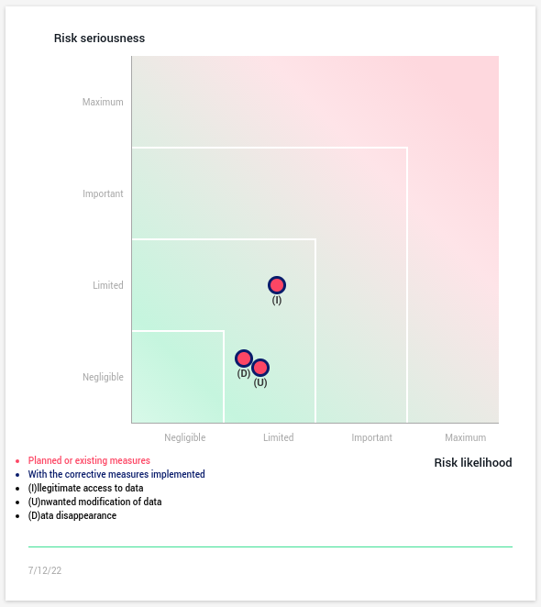
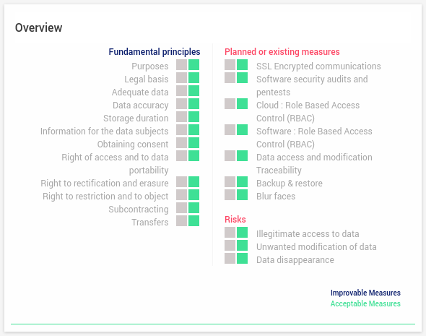
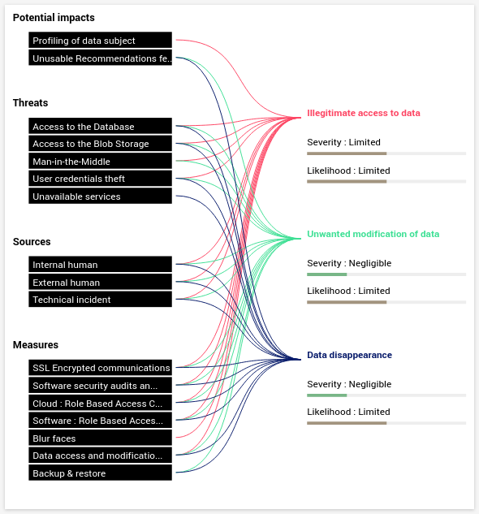
Privacy Impact Assessment (PIA)

