Integration Test
Module Name |  | addRow from todo.js
Test ID |  | 6
Tester Name |  | Ulrik
Test Case Description |  | Manual test if the addRow function in the todo.js adds a new todo HTML element with the correct ID, content and classes, by manually inspecting the HTML created in the browser.
Parameters of module |  | addRow(todo-id, text-content, checked-state)
Prerequisities |  | The user has a valid and active login session.
Environmental Information |  | 1. The server is using OS: Ubuntu 2. The user is using OS: Windows

Test Case ID | Description | Test Steps | Test Input | Expected Results |  | Actual Results | Status | Comments
6.1 | No input / new blank todo item | Press the [+] button in Todo list | todo-id = 22 text-content = ' ' checked-state = false | 1. | Element appended into .todo-grid <div> | Element appended into .todo-grid <div> | OK
 |  |  |  | 2. | newItem.id = 'todo-item22' | newItem.id = 'todo-item22' | OK
 |  |  |  | 3. | newItem.className = 'todo-item' | newItem.className = 'todo-item' | OK
 |  |  |  | 4. | checkbox.id = 'checkbox22' | checkbox.id = 'checkbox22' | OK
 |  |  |  | 5. | textarea.className = 'auto-expand' | textarea.className = 'auto-expand' | OK
 |  |  |  | 6. | textarea.id = 'todo-text22' | textarea.id = 'todo-text22' | OK
 |  |  |  | 7. | textarea and checkbox appended into 'todo-item22' | textarea and checkbox appended into 'todo-item22' | OK
 |  |  |  | 8. | textarea.value = ' ' | textarea.value = ' ' | OK
 |  |  |  | 9. | checkbox.checked = false | checkbox.checked = false | OK
6.1 Images
6.1.1 Actual result of test input in HTML inspection
6.1.2 Actual visual result in browser
6.2 | Input from database | Load the workspaces page | todo-id = 14 text-content = 'This is a completed task' checked-state = false | 1. | Element appended into .todo-grid <div> | Element appended into .todo-grid <div> | OK
 |  |  |  | 2. | newItem.id = 'todo-item14' | newItem.id = 'todo-item14' | OK
 |  |  |  | 3. | newItem.className = 'todo-item' | newItem.className = 'todo-item' | OK
 |  |  |  | 4. | checkbox.id = 'checkbox14' | checkbox.id = 'checkbox14' | OK
 |  |  |  | 5. | textarea.className = 'auto-expand' | textarea.className = 'auto-expand' | OK
 |  |  |  | 6. | textarea.id = 'todo-text14' | textarea.id = 'todo-text14' | OK
 |  |  |  | 7. | textarea and checkbox appended into 'todo-item14' | textarea and checkbox appended into 'todo-item14' | OK
 |  |  |  | 8. | textarea.value = 'This is a completed task' | textarea.value = 'This is a completed task' | OK
 |  |  |  | 9. | checkbox.checked = true | checkbox.checked = true | OK
6.2 Images
6.2.1 Actual result of test input in HTML inspection
6.1.3 Actual visual result in browser

Module Name |  | createWorkspace from workspaces.js
Test ID |  | 7
Tester Name |  | Ulrik
Test Case Description |  | Manual test if the createWorkspace function in the workspaces.js adds a new workspace HTML element with the correct ID, content and classes, by manually inspecting the HTML created in the browser.
Parameters of module |  | createWorkspace(name, type, workspaceID, checkedCount = '0/0')
Prerequisities |  | The user has a valid and active login session.
Environmental Information |  | 1. The server is using OS: Ubuntu 2. The user is using OS: Windows

Test Case ID | Description | Test Steps | Test Input | Expected Results |  | Actual Results | Status | Comments
7.1 | User tries to create a new workspace of the type 'notes' | Press the 'Add new workspace' button on the workspaces page. Input the desired information in the pop up. Then press 'Add new workspace' | name = 'Test Name 1' type = 'notes' workspaceID = 6 checkedCount = NULL | 1. | Element appended into workspace-container <div> | Element appended into workspace-container <div> | OK
 |  |  |  | 2. | workspace.id = 'workspace-element-id-6' | workspace.id = 'workspace-element-id-6' | OK
 |  |  |  | 3. | workspace.className = 'workspace-element' | workspace.className = 'workspace-element' | OK
 |  |  |  | 4. | button.className = "delete-workspace-button close-button hide" | button.className = "delete-workspace-button close-button hide" | OK
 |  |  |  | 5. | workspaceName.className = "workspace-name" | workspaceName.className = "workspace-name" | OK
 |  |  |  | 6. | workspaceName.textContent = 'Test Name1' | workspaceName.textContent = 'Test Name1' | OK
 |  |  |  | 7. | form.className = "workspace-rename-form hide" | form.className = "workspace-rename-form hide" | OK
 |  |  |  | 8. | form.action = "/workspaces" | form.action = "/workspaces" | OK
 |  |  |  | 9. | input.className = "workspace-rename-input" | input.className = "workspace-rename-input" | OK
 |  |  |  | 10. | button.className = "workspace-rename-button" | button.className = "workspace-rename-button" | OK
 |  |  |  | 11. | Input and rename button appended into rename form | Input and rename button appended into rename form | OK
 |  |  |  | 12. | workspaceType.className = "workspace-type" | workspaceType.className = "workspace-type" | OK
 |  |  |  | 13. | workspaceType.textContent = "Workspace type: notes" | workspaceType.textContent = "Workspace type: notes" | OK
 |  |  |  | 14. | todoCheckedCount.className = "todo-checked-count" | todoCheckedCount.className = "todo-checked-count" | OK
 |  |  |  | 15. | todoCheckedCount.textContent = "0/0 Todo's completed" | todoCheckedCount.textContent = "0/0 Todo's completed" | OK
 |  |  |  | 16. | clickOverlay.className = "click-workspace-overlay" | clickOverlay.className = "click-workspace-overlay" | OK
7.1 Images
7.1.1 Actual result of test input in HTML inspection
7.1.2 Actual visual result in browser | 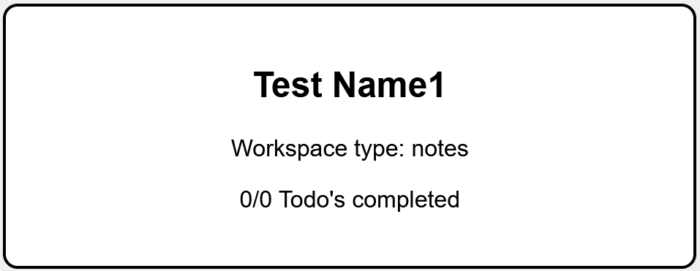
7.2 | Input from database | Load the workspaces page | name = 'File-Viewer' type = 'file-viewer' workspaceID = 3 checkedCount = "3/6" | 1. | Element appended into workspace-container <div> | Element appended into workspace-container <div> | OK
 |  |  |  | 2. | workspace.id = 'workspace-element-id-3' | workspace.id = 'workspace-element-id-3' | OK
 |  |  |  | 3. | workspace.className = 'workspace-element' | workspace.className = 'workspace-element' | OK
 |  |  |  | 4. | button.className = "delete-workspace-button close-button hide" | button.className = "delete-workspace-button close-button hide" | OK
 |  |  |  | 5. | workspaceName.className = "workspace-name" | workspaceName.className = "workspace-name" | OK
 |  |  |  | 6. | workspaceName.textContent = 'File-Viewer' | workspaceName.textContent = 'File-Viewer' | OK
 |  |  |  | 7. | form.className = "workspace-rename-form hide" | form.className = "workspace-rename-form hide" | OK
 |  |  |  | 8. | form.action = "/workspaces" | form.action = "/workspaces" | OK
 |  |  |  | 9. | input.className = "workspace-rename-input" | input.className = "workspace-rename-input" | OK
 |  |  |  | 10. | button.className = "workspace-rename-button" | button.className = "workspace-rename-button" | OK
 |  |  |  | 11. | Input and rename button appended into rename form | Input and rename button appended into rename form | OK
 |  |  |  | 12. | workspaceType.className = "workspace-type" | workspaceType.className = "workspace-type" | OK
 |  |  |  | 13. | workspaceType.textContent = "Workspace type: files" | workspaceType.textContent = "Workspace type: files" | OK
 |  |  |  | 14. | todoCheckedCount.className = "todo-checked-count" | todoCheckedCount.className = "todo-checked-count" | OK
 |  |  |  | 15. | todoCheckedCount.textContent = "3/6 Todo's completed" | todoCheckedCount.textContent = "3/6 Todo's completed" | OK
 |  |  |  | 16. | clickOverlay.className = "click-workspace-overlay" | clickOverlay.className = "click-workspace-overlay" | OK
7.2 Images
7.2.1 Actual result of test input in HTML inspection
7.1.3 Actual visual result in browser | 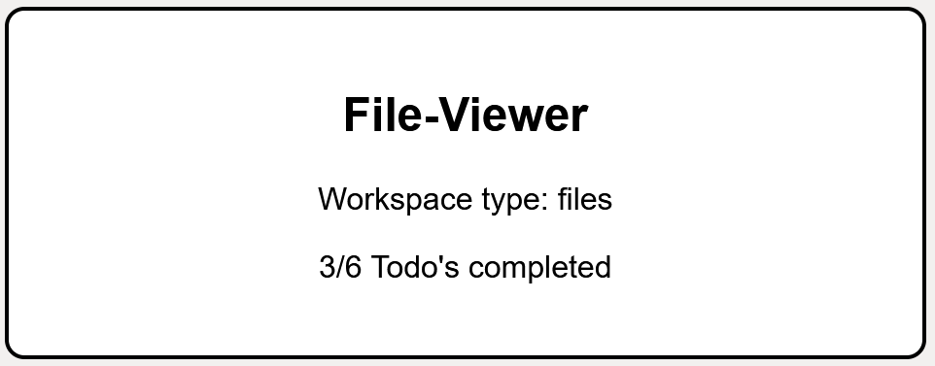

Module Name |  | uploadFile from file-viewer.js
Test ID |  | 8
Tester Name |  | Hans
Test Case Description |  | Manual test to see if the function "uploadFile" uploads a file to the server within the corect folder
Parameters of module |  | uploadFile(projectId, destPath)
Prerequisities |  | The user has a valid and active login session. The user has a file ready to give to the server. The file viewer has the folder "test"
Environmental Information |  | 1. The server is using OS: Ubuntu 2. The user is using OS: Windows

Test Case ID | Description | Test Steps | Test Input | Expected Results |  | Actual Results | Status | Comments
8.1 | User tries to trigger uploadFile via the "Upload" button | User double clicks "test" folder User clicks the "Upload" button User clicks the "Select Files" button User inputs the File User clicks the "Confirm Upload" button | File="hamburger.jpg" Folder="/test" | 1. | User double clicks "test" folder in the file viewer and is redirected | User double clicks "test" folder in the file viewer and is redirected | ok
 |  |  |  | 2. | User clicks the "Upload" button and the upload modal opens | User clicks the "Upload" button and the upload modal opens | ok
 |  |  |  | 3. | User clicks the "Select Files" button and the user is prompted to input files | User clicks the "Select Files" button and the user is prompted to input files | ok
 |  |  |  | 4. | User inputs the File. Input files closes and the file shows up in the list of files | User inputs the File. Input files closes and the file shows up in the list of files | ok
 |  |  |  | 5. | User clicks the "Confirm button" and "hamburger.jpg" shows up in the file viewer | User clicks the "Confirm button" and "hamburger.jpg" shows up in the file viewer | ok
8.1 Images
8.1.1 file viewer before edits | 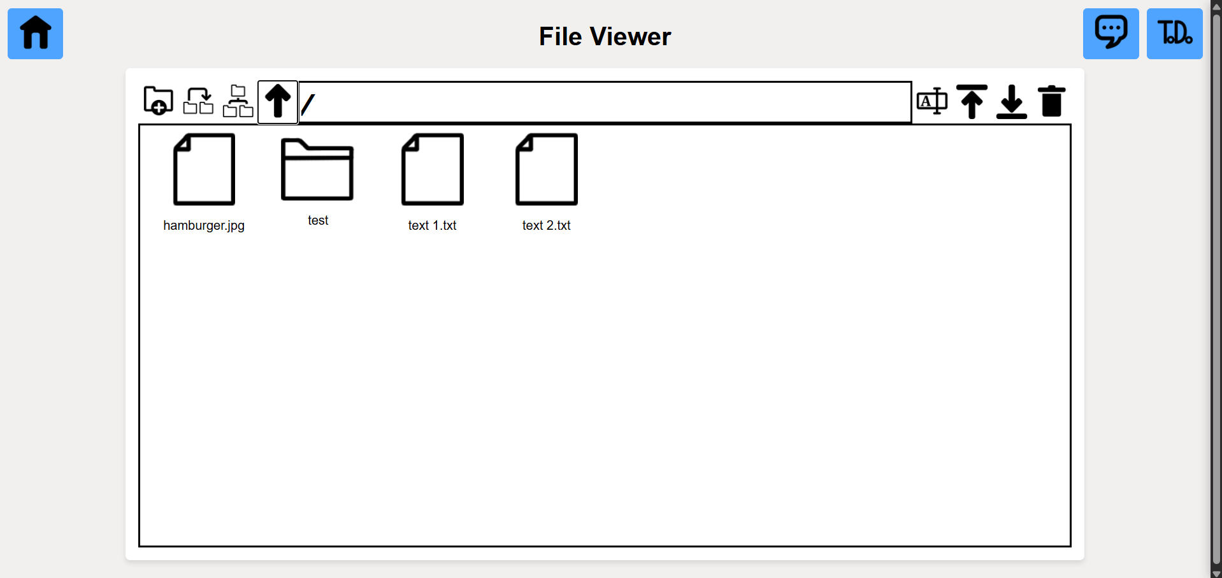
8.1.2 redirect to test folder
8.1.3 upload files modal | 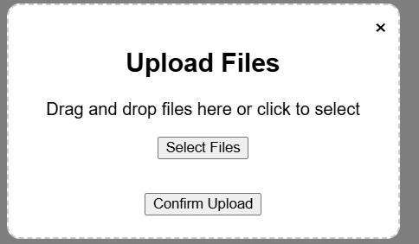
8.1.4 input files | 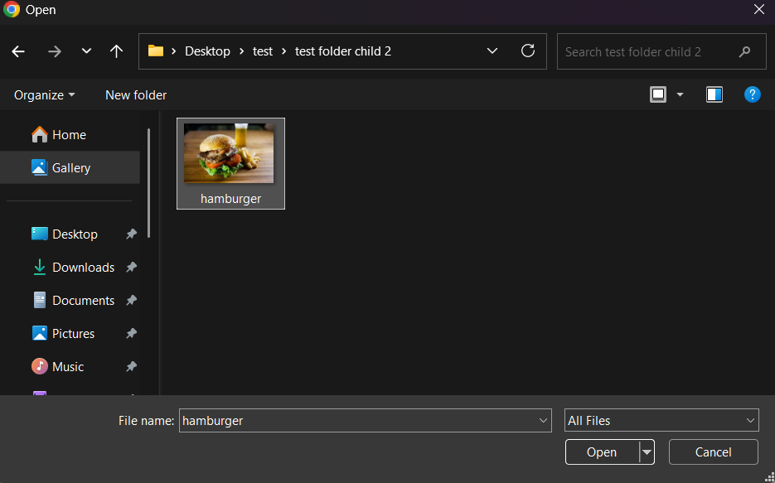
8.1.5 file added to list | 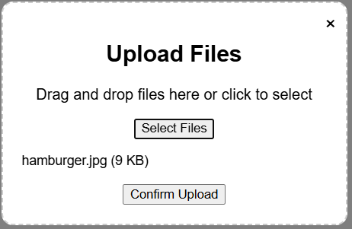
8.1.6 test folder after | 
8.2 | Check folder on server | Check the file viewers folder /test for a file named "hamburger" the file should be a jpg of a burger |  | 1. | A file is added to the folder /test | A file is added to the folder /test | ok
 |  |  |  | 2. | The file's name is "hamburger" | The file's name is "hamburger" | ok
 |  |  |  | 3. | The file is a <jpg> and is an image of a burger | The file is a <jpg> and is an image of a burger | ok
8.2 Images
8.2.1 test folder on server | 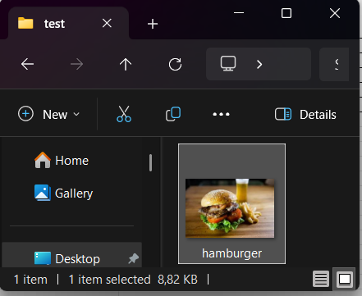

Module Name |  | saveNote
Test ID |  | 9
Tester Name |  | Hans
Test Case Description |  | Manual test to see if the saveNote function saves the note's text content in the database
Prerequisities |  | The user has a valid and active login session.
Environmental Information |  | 1. The server is using OS: Ubuntu 2. The user is using OS: Windows

Test Case ID | Description | Test Steps | Test Input | Expected Results |  | Actual Results | Status | Comments
9.1 | User tries to to save a note by clicking the save button | User types "Hello!" in the text input User presses the save button | text="Hello!" | 1. | User types "Hello!" in the text input and "Hello!" shows up in the text input | User types "Hello!" in the text input and "Hello!" shows up in the text input | ok
 |  |  |  | 2. | User clicks the Save button and the string "Hello!" is saved in the database | User clicks the Save button and the string "Hello!" is saved in the database | ok
9.1 Images
9.1.1 Notes before input | 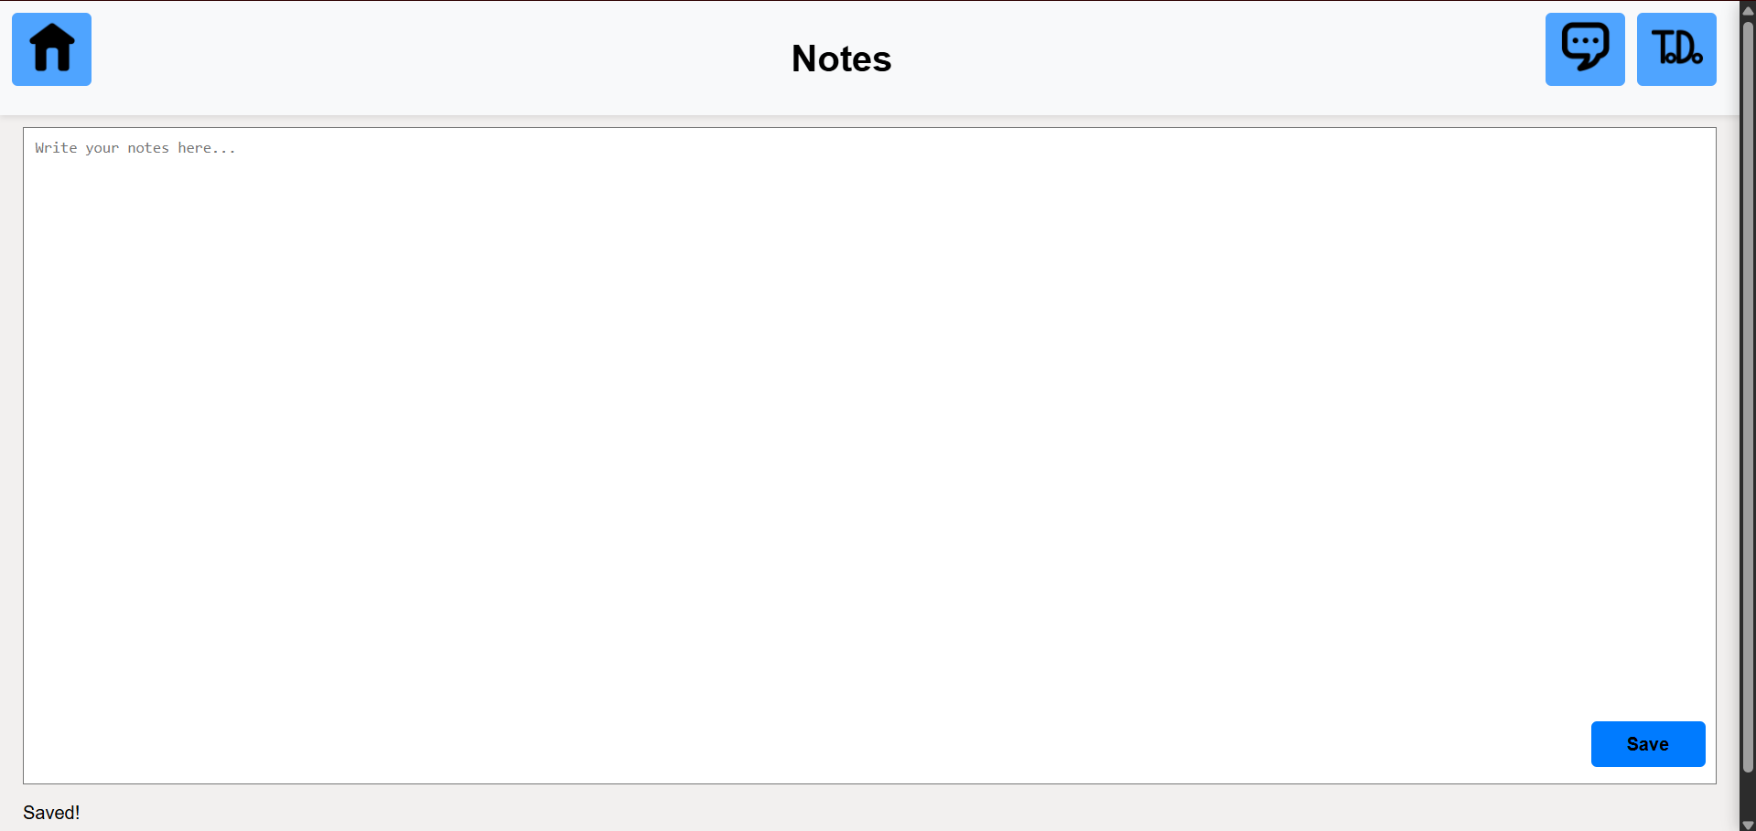
9.1.2 Notes after input | 
9.1.3 Database before input
9.1.4 Database after input

Module Name |  | createChatMessage from chat.js
Test ID |  | 10
Tester Name |  | Mikkel
Test Case Description |  | Manual test to see if the function "createChatMessage" correctly shows a new message in the chat.
Parameters of module |  | createChatMessage(content, senderUsername, timestamp)
Prerequisities
Environmental Information |  | 1. The server is using OS: Ubuntu 2. The user is using OS: Windows

Test Case ID | Description | Test Steps | Test Input | Expected Results |  | Actual Results | Status | Comments
10.1 | User tries to send a new message in the chat | Enter a message into the input field. Send the message either by clicking the 'send' button, or by pressing 'enter'. | content = 'Hello, I'm a new message' senderUsername = 'tester1' timestamp = '20. May. 13.06' | 1. | A <div> element with class 'chat-message' is created. | A <div> element with class 'chat-message' is created. | OK
 |  |  |  | 2. | A <div> element with class 'message-header' is created inside the 'chat-message' | A <div> element with class 'message-header' is created inside the 'chat-message' | OK
 |  |  |  | 3. | A <p> element with text 'tester1' is added inside the 'message-header'. | A <p> element with text 'tester1' is added inside the 'message-header'. | OK
 |  |  |  | 4. | A <p> element with text '20. May. 13.06' is added inside the 'message-header'. | A <p> element with text '20. May. 13.06' is added inside the 'message-header'.
 |  |  |  | 5. | The 'message-header' is appended to the 'chat-message'. | The 'message-header' is appended to the 'chat-message'. | OK
 |  |  |  | 6. | A <div> element with class 'chat-message-content' is created inside the 'chat-message'. | A <div> element with class 'chat-message-content' is created inside the 'chat-message'. | OK
 |  |  |  | 7. | A <p> element with text "Hello, I'm a new message!" is added inside the 'chat-message-content'. | A <p> element with text "Hello, I'm a new message!" is added inside the 'chat-message-content'. | OK
 |  |  |  | 8. | The 'chat-message-content' is appended to the 'chat-message'. | The 'chat-message-content' is appended to the 'chat-message'. | OK
 |  |  |  | 9. | The 'chat-message' element is return from the function. | The 'chat-message' element is return from the function. | OK

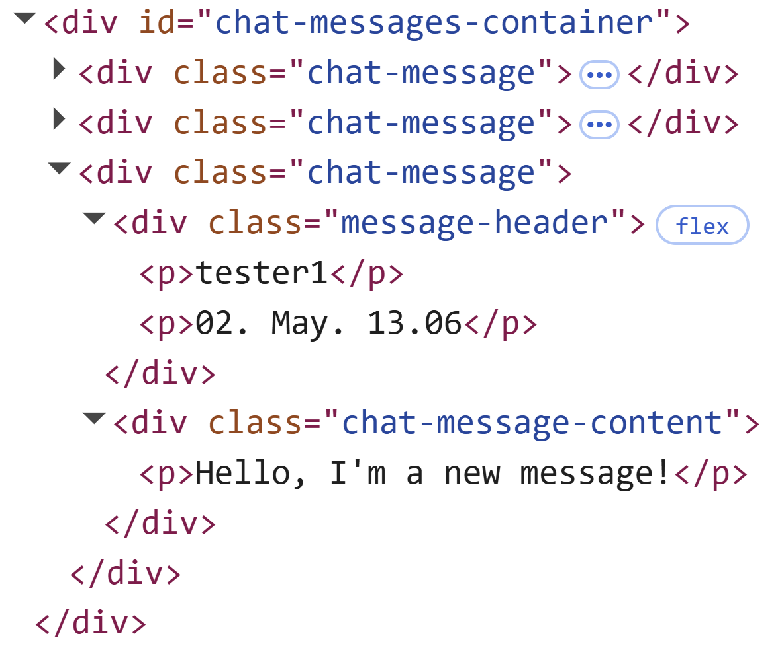 101.1 Actual result of test input in HTML inspection
10.1.2 Actual visual result in browser

