Requirements
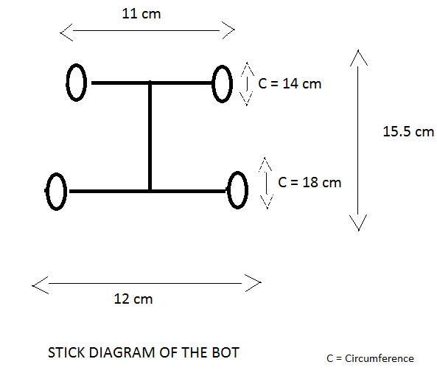
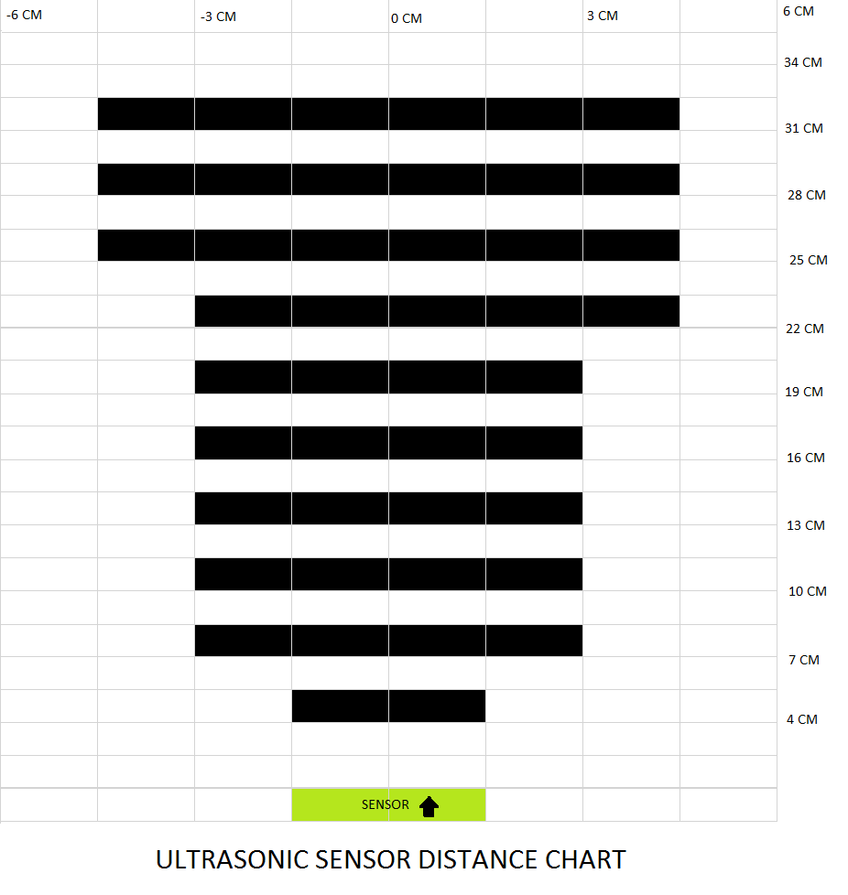
Req.ID | Module | Requirement | Description | Responsibility | functional requirement? | Priority | Requirement Type. | Associated Test ID | Maturity(%) | Risk of fail | Severety of fail | Remark
CT_001 | System | The system must provide x and y coordinates on a grid with 1,0 m grid size |  |  |  |  |  | -
CT_002 |  | The system must provide a floe origin with coordinates (0,0)
CT_003 |  | The system must be eqipped with a mobile display
CT_004 |  | The mobile display must show the grid
CT_005 |  | The mobile display must show the position of all relevant stations (e.g. AIS0, AIS1, Polarstern). The relevant stations are defined in Polarstern database. The content of the database must be synchronized with the mobile display before operation.
CT_006 |  | After operation of the system local position data that was collected during operation must be synchronized with polarstern database.
CT_007 |  | The mobile display must showan icon for each station
CT_008 |  | The mobile display must show point data for position and stations, polygon data for obstacles and lines for tracks.
CT_009 |  | Position data for fixed stations is updated every 3 minutes. The system must extrapolateposition data on the display and update it every 10 seconds.
CT_010 |  | The own positions must be updated every 10 seconds.
CT_011 |  | Before use of the system it must be switched on and installed on the ice for initialization to collect dynamic data of all relevant ais stations beforehand. The display must show when initialization is complete.
 |  | The system must provide fixed AIS deployment. There must be a button to set the current position and to add a name for the fixed station into a local data base.
 |  | The system must provide the option for re-deployment of fixed AIS stations.
 |  | Recovery
 |  | SampleTMeasurement
 |  | Waypoint

