Sheet2
PART NUMBER |  | SWR - PTN78060 |  | SWR - LMZ23610 |  | SWR INV - LMZ34002 |  | LDO - TPS7A47 |  | SWR - PTH08T230W |  | LDO - TPS7A47 |  | SWR - PTH04T231 |  | LDO - TPS7A47 |  | TPS51200
24V |  | 8V |  | 5V |  | 5V_N |  | 3V3_ANAL |  | 3V3_DIGI |  | 3V3_PLL |  | 1V8 |  | 1V5 |  | 0V75
Vin (V) | 24.00 | Vin (V) | 24.00 | Vin (V) | 8.00 | Vin (V) | 5.00 | Vin (V) | 5.00 | Vin (V) | 5.00 | Vin (V) | 5.00 | Vin (V) | 3.30 | Vin (V) | 1.80 | Vin (V) | 1.50
Vout (V) | 24.00 | Vout (V) | 8.00 | Vout (V) | 5.00 | Vout (V) | 5.00 | Vout (V) | 3.30 | Vout (V) | 3.30 | Vout (V) | 3.30 | Vout (V) | 1.80 | Vout (V) | 1.50 | Vout (V) | 0.75
Iout (ma) | 533.06 | Iout (ma) | 1094.52 | Iout (ma) | 1628.65 | Iout (ma) | 34.90 | Iout (ma) | 506.79 | Iout (ma) | 1038.27 | Iout (ma) | 286.67 | Iout (ma) | 981.05 | Iout (ma) | 580.05 | Iout (ma) | 98.47
DRV_FET | 95.83 | 5V | 1094.52 | ADC_OP_AMP | 21.60 | ADC_OP_AMP | 21.60 | PLL_IN_CIRCUIT | 75.76 | PHY_IO | 13.00 | PLL_OUT_DIV | 163.64 | DAC_CVDD | 58.00 | FPGA_B3 | 300.00 | RTT | 98.47
DRV_MOTOR | 8.00 |  |  | DAC_OP_AMP | 13.30 | DAC_OP_AMP | 13.30 | PLL_ANAL | 23.03 | PHY_OSC | 15.00 | PLL_LVDS | 23.03 | DAC_DVDD | 343.00 | DDR3 | 181.53
8V | 429.23 |  |  | 3V3_ANAL | 506.79 |  |  | DAC_AVDD | 56.00 | ETH_LED | 6.60 | PLL_OSC | 100.00 | 1V5 | 580.05 | TPS | 0.05
 |  |  |  | 3V3_DIGI | 736.84 |  |  | ADC_AVDD | 318.00 | FPGA_B2 | 100.00 |  |  |  |  | 0V75 | 98.47
 |  |  |  | 3V3_PLL | 286.67 |  |  | PHY_ANAL | 34.00 | FLASH_PROG | 35.00
 |  |  |  | 5V_N | 63.45 |  |  |  |  | FPGA_B0 | 100.00
 |  |  |  |  |  |  |  |  |  | USB_INT | 100.00
 |  |  |  |  |  |  |  |  |  | USB_ISO | 8.00
 |  |  |  |  |  |  |  |  |  | USB_OCT | 25.76
 |  |  |  |  |  |  |  |  |  | DRV_CTRL | 4.00
 |  |  |  |  |  |  |  |  |  | TEMP_SENS | 0.70
 |  |  |  |  |  |  |  |  |  | I2C | 0.66
 |  |  |  |  |  |  |  |  |  | 1V8 | 629.55

Pout (mW) | 12793.32 | Pout (mW) | 8756.19 | Pout (mW) | 8143.26 | Pout (mW) | 174.50 | Pout (mW) | 1672.41 | Pout (mW) | 3426.29 | Pout (mW) | 946.01 | Pout (mW) | 1765.89 | Pout (mW) | 870.07 | Pout (mW) | 73.85
Eff (%) | 1.00 | Eff (%) | 0.85 | Eff (%) | 0.93 | Eff (%) | 0.55 | Eff (%) | 0.66 | Eff (%) | 0.93 | Eff (%) | 0.66 | Eff (%) | 0.85 | Eff (%) | 0.83 | Eff (%) | 0.50
Pdiss (mW) | 0.00 | Pdiss (mW) | 1545.21 | Pdiss (mW) | 612.93 | Pdiss (mW) | 142.77 | Pdiss (mW) | 861.54 | Pdiss (mW) | 257.89 | Pdiss (mW) | 487.34 | Pdiss (mW) | 311.63 | Pdiss (mW) | 174.02 | Pdiss (mW) | 73.85
Ptot (mW) | 12793.32 | Ptot (mW) | 10301.40 | Ptot (mW) | 8756.19 | Ptot (mW) | 317.27 | Ptot (mW) | 2533.95 | Ptot (mW) | 3684.19 | Ptot (mW) | 1433.35 | Ptot (mW) | 2077.52 | Ptot (mW) | 1044.09 | Ptot (mW) | 147.70

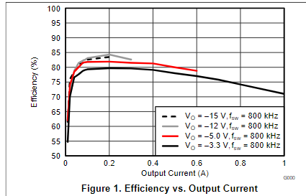
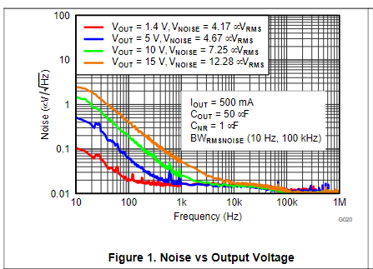
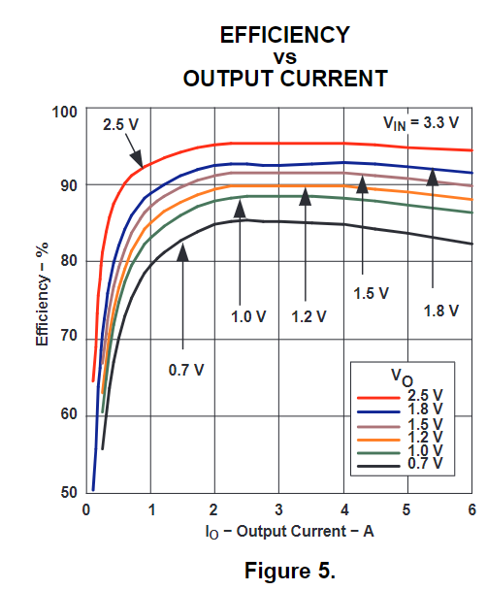
Vtot | 24.00
Itot (A) | 0.52
Ptot (W) | 12.79

Sheet3
PART NUMBER |  | SWR - LMZ23610 |  | SWR INV - LMZ34002 |  | LDO - TPS7A47 |  | SWR - PTH04T231 |  | LDO - TPS7A47 |  | SWR - PTH04T231 |  | LDO - TPS7A47 |  | TPS51200
24V |  | 5V |  | 5V_N |  | 3V3_ANAL |  | 3V3_DIGI |  | 3V3_PLL |  | 1V8 |  | 1V5 |  | 0V75
Vin (V) | 24.00 | Vin (V) | 24.00 | Vin (V) | 5.00 | Vin (V) | 5.00 | Vin (V) | 5.00 | Vin (V) | 5.00 | Vin (V) | 3.30 | Vin (V) | 1.80 | Vin (V) | 1.50
Vout (V) | 24.00 | Vout (V) | 5.00 | Vout (V) | 5.00 | Vout (V) | 3.30 | Vout (V) | 3.30 | Vout (V) | 3.30 | Vout (V) | 1.80 | Vout (V) | 1.50 | Vout (V) | 0.75
Iout (ma) | 516.69 | Iout (ma) | 1644.85 | Iout (ma) | 34.90 | Iout (ma) | 506.79 | Iout (ma) | 1038.27 | Iout (ma) | 286.67 | Iout (ma) | 981.05 | Iout (ma) | 580.05 | Iout (ma) | 98.47
DRV_FET | 95.83 | ADC_OP_AMP | 21.60 | ADC_OP_AMP | 21.60 | PLL_IN_CIRCUIT | 75.76 | PHY_IO | 13.00 | PLL_OUT_DIV | 163.64 | DAC_CVDD | 58.00 | FPGA_B3 | 300.00 | RTT | 98.47
DRV_MOTOR | 8.00 | DAC_OP_AMP | 13.30 | DAC_OP_AMP | 13.30 | PLL_ANAL | 23.03 | PHY_OSC | 15.00 | PLL_LVDS | 23.03 | DAC_DVDD | 343.00 | DDR3 | 181.53
5V | 412.86 | 3V3_ANAL | 506.79 |  |  | DAC_AVDD | 56.00 | ETH_LED | 6.60 | PLL_OSC | 100.00 | 1V5 | 580.05 | TPS | 0.05
 |  | 3V3_DIGI | 753.03 |  |  | ADC_AVDD | 318.00 | FPGA_B2 | 100.00 |  |  |  |  | 0V75 | 98.47
 |  | 3V3_PLL | 286.67 |  |  | PHY_ANAL | 34.00 | FLASH_PROG | 35.00
 |  | 5V_N | 63.45 |  |  |  |  | FPGA_B0 | 100.00
 |  |  |  |  |  |  |  | USB_INT | 100.00
 |  |  |  |  |  |  |  | USB_ISO | 8.00
 |  |  |  |  |  |  |  | USB_OCT | 25.76
 |  |  |  |  |  |  |  | DRV_CTRL | 4.00
 |  |  |  |  |  |  |  | TEMP_SENS | 0.70
 |  |  |  |  |  |  |  | I2C | 0.66
 |  |  |  |  |  |  |  | 1V8 | 629.55

Pout (mW) | 12400.63 | Pout (mW) | 8224.23 | Pout (mW) | 174.50 | Pout (mW) | 1672.41 | Pout (mW) | 3426.29 | Pout (mW) | 946.01 | Pout (mW) | 1765.89 | Pout (mW) | 870.07 | Pout (mW) | 73.85
Eff (%) | 1.00 | Eff (%) | 0.83 | Eff (%) | 0.55 | Eff (%) | 0.66 | Eff (%) | 0.91 | Eff (%) | 0.66 | Eff (%) | 0.85 | Eff (%) | 0.83 | Eff (%) | 0.50
Pdiss (mW) | 0.00 | Pdiss (mW) | 1684.48 | Pdiss (mW) | 142.77 | Pdiss (mW) | 861.54 | Pdiss (mW) | 338.86 | Pdiss (mW) | 487.34 | Pdiss (mW) | 311.63 | Pdiss (mW) | 174.02 | Pdiss (mW) | 73.85
Ptot (mW) | 12400.63 | Ptot (mW) | 9908.71 | Ptot (mW) | 317.27 | Ptot (mW) | 2533.95 | Ptot (mW) | 3765.16 | Ptot (mW) | 1433.35 | Ptot (mW) | 2077.52 | Ptot (mW) | 1044.09 | Ptot (mW) | 147.70

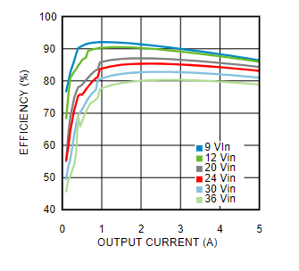
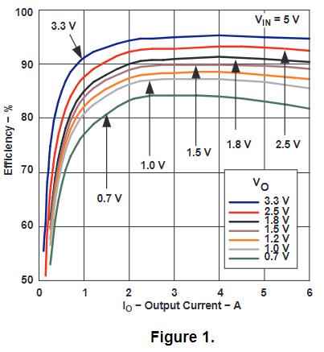
Vtot | 24.00
Itot (A) | 0.52
Ptot (W) | 12.40
Pdiss (W) | 4.07
Eff (%) | 0.67

Sheet7
PART NUMBER |  | U3 - SWR - LMZ23605 |  | U4 - SWR INV - LMZ34002 |  | U1 - LDO - TPS7A47 |  | U5 - LDO - TPS7A33 |  | U9 - LDO - TPS7A47 |  | U2 - SWR - PTH08T260 |  | U12 - SWR - PTN78000 |  | U6 - SWR - PTH08T260 |  | U8 - SWR - PTH04T231 |  | U10 - LDO - TPS7A47 |  | U7 - SWR - PTH04T231 |  | U11 - LDO - TPS51200
24V |  | 6V |  | 6V_N |  | 5V_ANAL |  | 5V_N |  | 3V3_ANAL |  | 3V3_DIGI |  | 3V3_PLL |  | 3V3_FPGA |  | 1V8 |  | 1V5 |  | 1V2_FPGA |  | 0V75
Vin (V) | 24.00 | Vin (V) | 24.00 | Vin (V) | 6.00 | Vin (V) | 6.00 | Vin (V) | 6.00 | Vin (V) | 5.00 | Vin (V) | 6.00 | Vin (V) | 6.00 | Vin (V) | 6.00 | Vin (V) | 3.30 | Vin (V) | 1.80 | Vin (V) | 3.30 | Vin (V) | 1.50
Vout (V) | 24.00 | Vout (V) | 6.00 | Vout (V) | 6.00 | Vout (V) | 5.00 | Vout (V) | 5.00 | Vout (V) | 3.30 | Vout (V) | 3.30 | Vout (V) | 3.30 | Vout (V) | 3.30 | Vout (V) | 1.80 | Vout (V) | 1.50 | Vout (V) | 1.20 | Vout (V) | 0.75
Iout (ma) | 2978.80 | Iout (ma) | 2217.50 | Iout (ma) | 34.90 | Iout (ma) | 541.69 | Iout (ma) | 34.90 | Iout (ma) | 506.79 | Iout (ma) | 1188.27 | Iout (ma) | 386.67 | Iout (ma) | 1212.12 | Iout (ma) | 981.05 | Iout (ma) | 580.05 | Iout (ma) | 3000.00 | Iout (ma) | 98.47
DRV_THERMAL | 261.18 | 6V_N | 41.06 | 5V_N | 34.90 | ADC_OP_AMP | 21.60 | ADC_OP_AMP | 21.60 | PLL_IN_CIRCUIT | 75.76 | PHY_IO | 13.00 | PLL_OUT_DIV | 163.64 | 1V2_FPGA | 1212.12 | DAC_CVDD | 58.00 | FPGA_B3 | 300.00 | FPGA_VCCINT | 3000.00 | RTT | 98.47
DRV_MOTOR | 2073.00 | 5V_ANAL | 541.69 |  |  | DAC_OP_AMP | 13.30 | DAC_OP_AMP | 13.30 | PLL_ANAL | 23.03 | PHY_OSC | 15.00 | PLL_LVDS | 23.03 |  |  | DAC_DVDD | 343.00 | DDR3 | 181.53
6V | 644.62 | 3V3_DIGI | 702.74 |  |  | 3V3_ANAL | 506.79 |  |  | DAC_AVDD | 56.00 | ETH_LED | 6.60 | PLL_OSC | 100.00 |  |  | 1V5 | 580.05 | TPS | 0.05
 |  | 3V3_PLL | 256.23 |  |  |  |  |  |  | ADC_AVDD | 318.00 | FPGA_B2 | 100.00 | FPGA_B0 | 100.00 |  |  |  |  | 0V75 | 98.47
 |  | 3V3_FPGA | 716.85 |  |  |  |  |  |  | PHY_ANAL | 34.00 | FLASH_PROG | 35.00
 |  |  |  |  |  |  |  |  |  |  |  | USB_INT | 100.00
 |  |  |  |  |  |  |  |  |  |  |  | USB_ISO | 8.00
 |  |  |  |  |  |  |  |  |  |  |  | USB_OCT | 25.76
 |  |  |  |  |  |  |  |  |  |  |  | DRV_CTRL | 4.00
 |  |  |  |  |  |  |  |  |  |  |  | TEMP_SENS | 0.70
 |  |  |  |  |  |  |  |  |  |  |  | I2C | 0.66
 |  |  |  |  |  |  |  |  |  |  |  | FPGA_VCCAUX | 250
 |  |  |  |  |  |  |  |  |  |  |  | 1V8 | 629.55

Pout (mW) | 71491.28 | Pout (mW) | 13305.02 | Pout (mW) | 209.40 | Pout (mW) | 2708.45 | Pout (mW) | 174.50 | Pout (mW) | 1672.41 | Pout (mW) | 3921.29 | Pout (mW) | 1276.01 | Pout (mW) | 4000.00 | Pout (mW) | 1765.89 | Pout (mW) | 870.07 | Pout (mW) | 3600.00 | Pout (mW) | 73.85
Eff (%) | 1.00 | Eff (%) | 0.86 | Eff (%) | 0.85 | Eff (%) | 0.83 | Eff (%) | 0.83 | Eff (%) | 0.66 | Eff (%) | 0.93 | Eff (%) | 0.83 | Eff (%) | 0.93 | Eff (%) | 0.85 | Eff (%) | 0.83 | Eff (%) | 0.90 | Eff (%) | 0.50
Pdiss (mW) | 0.00 | Pdiss (mW) | 2165.93 | Pdiss (mW) | 36.95 | Pdiss (mW) | 541.69 | Pdiss (mW) | 34.90 | Pdiss (mW) | 861.54 | Pdiss (mW) | 295.15 | Pdiss (mW) | 261.35 | Pdiss (mW) | 301.08 | Pdiss (mW) | 311.63 | Pdiss (mW) | 174.02 | Pdiss (mW) | 400.00 | Pdiss (mW) | 73.85
Ptot (mW) | 71491.28 | Ptot (mW) | 15470.96 | Ptot (mW) | 246.35 | Ptot (mW) | 3250.14 | Ptot (mW) | 209.40 | Ptot (mW) | 2533.95 | Ptot (mW) | 4216.44 | Ptot (mW) | 1537.36 | Ptot (mW) | 4301.08 | Ptot (mW) | 2077.52 | Ptot (mW) | 1044.09 | Ptot (mW) | 4000.00 | Ptot (mW) | 147.70

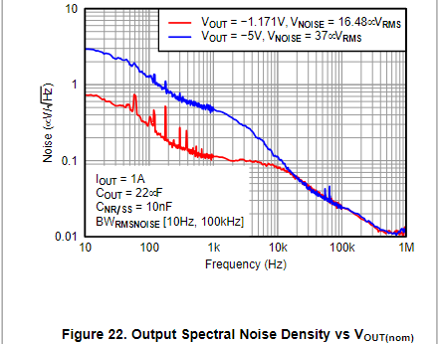
Vtot | 24.00
Itot (A) | 2.98
Ptot (W) | 71.49
Pdiss (W) | 5.46
Eff (%) | 0.92
Itot (A) w/ DRV_MOTOR | 0.64
Ptot (w) w/ DRV_MOTOR | 15.47
Eff (%) w/ DRV_MOTOR | 0.65

PFPGA (W) | 5.54

Sheet10
PART NUMBER |  | U3 - SWR - LMZ23605 |  | U4 - SWR INV - LMZ34002 |  | U1 - LDO - TPS7A47 |  | U5 - LDO - TPS7A33 |  | U9 - LDO - TPS7A47 |  | U2 - SWR - PTH08T241 |  | U8 - SWR - PTH04T231 |  | U10 - LDO - TPS7A47 |  | U7 - SWR - PTH04T231 |  | U11 - LDO - TPS51200
24V |  | 6V |  | 6V_N |  | 5V_ANAL |  | 5V_N |  | 3V3_ANAL |  | 3V3_DIGI |  | 1V8 |  | 1V5 |  | 1V2_FPGA |  | 0V75
Vin (V) | 24.00 | Vin (V) | 24.00 | Vin (V) | 6.00 | Vin (V) | 6.00 | Vin (V) | 6.00 | Vin (V) | 5.00 | Vin (V) | 6.00 | Vin (V) | 3.30 | Vin (V) | 1.80 | Vin (V) | 3.30 | Vin (V) | 1.50
Vout (V) | 24.00 | Vout (V) | 6.00 | Vout (V) | 6.00 | Vout (V) | 5.00 | Vout (V) | 5.00 | Vout (V) | 3.30 | Vout (V) | 3.30 | Vout (V) | 1.80 | Vout (V) | 1.50 | Vout (V) | 1.20 | Vout (V) | 0.75
Iout (ma) | 2970.79 | Iout (ma) | 2189.95 | Iout (ma) | 34.90 | Iout (ma) | 541.69 | Iout (ma) | 34.90 | Iout (ma) | 506.79 | Iout (ma) | 2787.06 | Iout (ma) | 981.05 | Iout (ma) | 580.05 | Iout (ma) | 3000.00 | Iout (ma) | 98.47
DRV_THERMAL | 261.18 | 6V_N | 41.06 | 5V_N | 34.90 | ADC_OP_AMP | 21.60 | ADC_OP_AMP | 21.60 | PLL_IN_CIRCUIT | 75.76 | PHY_IO | 13.00 | DAC_CVDD | 58.00 | FPGA_B3 | 300.00 | FPGA_VCCINT | 3000.00 | RTT | 98.47
DRV_MOTOR | 2073.00 | 5V_ANAL | 541.69 |  |  | DAC_OP_AMP | 13.30 | DAC_OP_AMP | 13.30 | PLL_ANAL | 23.03 | PHY_OSC | 15.00 | DAC_DVDD | 343.00 | DDR3 | 181.53
6V | 636.61 | 3V3_DIGI | 1648.26 |  |  | 3V3_ANAL | 506.79 |  |  | DAC_AVDD | 56.00 | ETH_LED | 6.60 | 1V5 | 580.05 | TPS | 0.05
 |  |  |  |  |  |  |  |  |  | ADC_AVDD | 318.00 | FLASH_PROG | 35.00 |  |  | 0V75 | 98.47
 |  |  |  |  |  |  |  |  |  | PHY_ANAL | 34.00 | USB_INT | 100.00
 |  |  |  |  |  |  |  |  |  |  |  | USB_ISO | 8.00
 |  |  |  |  |  |  |  |  |  |  |  | USB_OCT | 25.76
 |  |  |  |  |  |  |  |  |  |  |  | DRV_CTRL | 4.00
 |  |  |  |  |  |  |  |  |  |  |  | TEMP_SENS | 0.70
 |  |  |  |  |  |  |  |  |  |  |  | I2C | 0.66
 |  |  |  |  |  |  |  |  |  |  |  | 1V8 | 629.55
 |  |  |  |  |  |  |  |  |  |  |  | PLL_OUT_DIV | 163.64
 |  |  |  |  |  |  |  |  |  |  |  | PLL_LVDS | 23.03
 |  |  |  |  |  |  |  |  |  |  |  | PLL_OSC | 100.00
 |  |  |  |  |  |  |  |  |  |  |  | 1V2_FPGA | 1212.12
 |  |  |  |  |  |  |  |  |  |  |  | FPGA_B0 | 100.00
 |  |  |  |  |  |  |  |  |  |  |  | FPGA_B2 | 100.00
 |  |  |  |  |  |  |  |  |  |  |  | FPGA_VCCAUX | 250
Pout (mW) | 71299.06 | Pout (mW) | 13139.71 | Pout (mW) | 209.40 | Pout (mW) | 2708.45 | Pout (mW) | 174.50 | Pout (mW) | 1672.41 | Pout (mW) | 9197.30 | Pout (mW) | 1765.89 | Pout (mW) | 870.07 | Pout (mW) | 3600.00 | Pout (mW) | 73.85
Eff (%) | 1.00 | Eff (%) | 0.86 | Eff (%) | 0.85 | Eff (%) | 0.83 | Eff (%) | 0.83 | Eff (%) | 0.66 | Eff (%) | 0.93 | Eff (%) | 0.85 | Eff (%) | 0.83 | Eff (%) | 0.90 | Eff (%) | 0.50
Pdiss (mW) | 0.00 | Pdiss (mW) | 2139.02 | Pdiss (mW) | 36.95 | Pdiss (mW) | 541.69 | Pdiss (mW) | 34.90 | Pdiss (mW) | 861.54 | Pdiss (mW) | 692.27 | Pdiss (mW) | 311.63 | Pdiss (mW) | 174.02 | Pdiss (mW) | 400.00 | Pdiss (mW) | 73.85
Ptot (mW) | 71299.06 | Ptot (mW) | 15278.74 | Ptot (mW) | 246.35 | Ptot (mW) | 3250.14 | Ptot (mW) | 209.40 | Ptot (mW) | 2533.95 | Ptot (mW) | 9889.57 | Ptot (mW) | 2077.52 | Ptot (mW) | 1044.09 | Ptot (mW) | 4000.00 | Ptot (mW) | 147.70

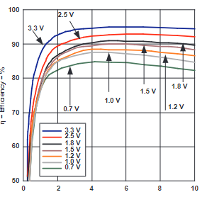
Vtot | 24.00
Itot (A) | 2.97
Ptot (W) | 71.30
Pdiss (W) | 5.27
Eff (%) | 0.93
Itot (A) w/ DRV_MOTOR | 0.64
Ptot (w) w/ DRV_MOTOR | 15.28
Eff (%) w/ DRV_MOTOR | 0.66

PFPGA (W) | 5.54

