相关工作
相关论文
题目 | 内容 | 链接
64GB显存跑124GB视频模型 vLLM-Omni分布式逐层卸载 | 导读：124 GB 的 DiT 模型塞不进 64 GB 的卡，逐层卸载压住了显存却把代价转嫁到 host——每个 DP rank 各存一整份权重，DP4 就要 496 GB 内存。vLLM-Omni 把 host 侧也切开：权重按 rank 分片、运行时 AllGather 逐层重建、双缓冲预取保证设备上只驻留 2 层。实测冷启动 cgroup 峰值从 178 GB 降到 47 GB，4 张 B300 上吞吐是 HSDP+USP4 的 1.39 倍而每卡显存只用 30%，且各策略输出逐字节一致。 | https://mp.weixin.qq.com/s/4dwvPAATaV0JGueZLu0MlA
单卡5090跑满血DeepSeek V4Flash，已开源，Token自由了！ | FreeToken 的解法是重新定义了端侧异构硬件的协同调度逻辑： 全层双缓冲（Double-Buffered Prefill）。在 Prompt 处理阶段，FreeToken 实现了计算与数据搬运的完全重叠：当 GPU 正在计算第 l 层时，第 l+1 层的 Expert 权重已经通过 PCIe 后台预取流式传输，基本消除了 I/O 等待气泡。 带宽自适应的混合调度（Bandwidth-Adaptive Execution）。运行时实时探测本机的 PCIe 实际带宽 与 CPU 瞬时算力，动态计算出最优分流比率 q*。一部分 Expert 命中 GPU LRU 缓存，未命中部分根据实时带宽智能分流，部分传输到 GPU，部分直接原地在 CPU 并行计算，将硬件吞吐拉到极限。 面向 Agent 的智能状态复用（Agentic State Reuse）。现代 Coding Agent 或工具调用模型会频繁微调 / 修改上下文历史（如添加思考步骤或工具返回结果）。FreeToken 在特殊 Token 边界设置轻量检查点，遇到上下文编辑时仅需从最近锚点恢复并增量 Prefill，避免重复计算整个上下文。 弹性显存动态热扩缩容。针对个人电脑经常有其他应用（如游戏、浏览器、开发工具）抢占显存的情况，FreeToken 支持在不重启 Serving 服务的前提下动态热调整显存中的 Expert Cache 大小，保证服务不中断。 | https://mp.weixin.qq.com/s/Hz-mm3Izi8M2uMZHL3wx5w | 论文：《FreeToken: Efficient Edge-Native MoE Serving with Bandwidth-Adaptive Execution》 论文链接：https://arxiv.org/abs/2608.16157 GitHub：https://github.com/FlashML-org/FreeToken 官网：https://www.flashml.ai/
帝国理工陆永青院士团队提出MoE推测解码新范式，专家卸载吞吐达到2.06倍！ | AcceptMoE 要解决的，就是哪些专家值得留，以及到底应该留多少个。MoE 推测解码不能只盯着“验证了多少 token”，还要继续追问一句，这些 token 到底把多少专家卷进了这次验证，又有多少专家真的值得从 CPU 搬进 GPU。 | https://mp.weixin.qq.com/s/iLvbOtLVRDF0t-oYNhLZIg
海思在cann recipe 上也给出了昇腾单卡部署v4 flash的参考设计，也能跑通，20TPS左右的性能 |  | https://gitcode.com/wenxuewuhd/cann-recipes-infer/blob/dsv4-npu-fullfeature-a3/docs/integration/sglang/dsv4-flash-single-npu-moe-offload/dsv4_flash_single_card_inference_guide.md
MoE专家预取刚拿下3.12×，内核LRU就打平了oracle | 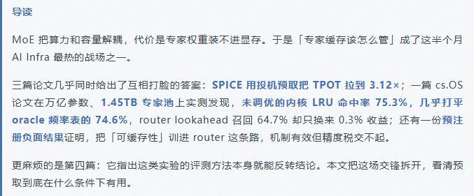 | https://mp.weixin.qq.com/s/OfmZTgkq3VTrlbBgxkA9eg

性能测试结果
模型 | 责任人 | 产品形态 | 场景 | 版本 | 组网 | 输入输出 | prefix cache | 总请求数 | batch size | TTFT(ms) | TTFT_P90(ms) | TPOT(ms) | TPOT_P90(ms) | E2E时间(s) | 输出吞吐(tps) | aisbench性能测试截图 | 实现prefix cache命中率 | 实现prefix cache命中率截图
deepseek v4 flash w4a8 |  | 950pr x86 | 性能 |  | pd混部 | 64k/1k | 90 | 20 | 1 | 3236 | 3292 | 35.4 | 38.7 | 39 | 26 | 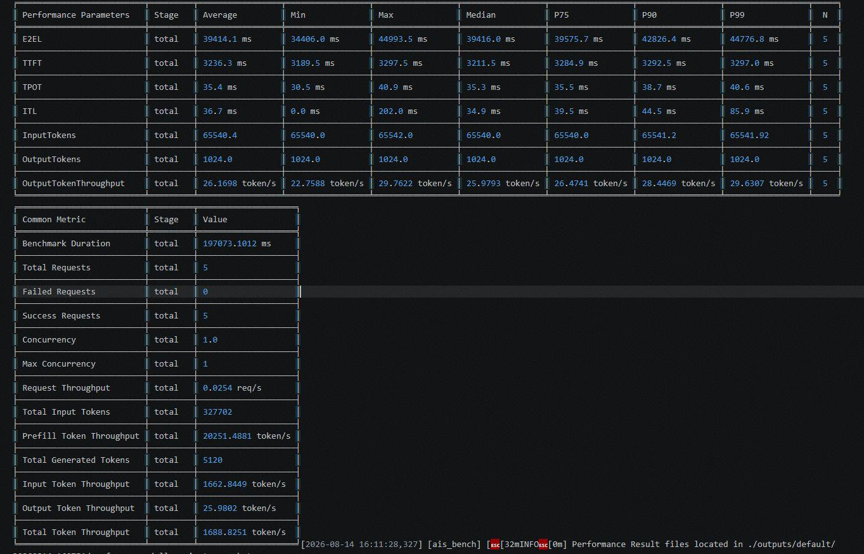 | 87 |  | 
deepseek v4 flash w4a8 | 周天鸣 | 950pr x86 | 性能 | prefetch 2常驻2卸载 | pd混部 | gsm8k数据集 xxx/1k |  | 20 | 1 | 1175.1 | 1177.7 | 1268.9 | 1268.9 | 162 | 0.78 | 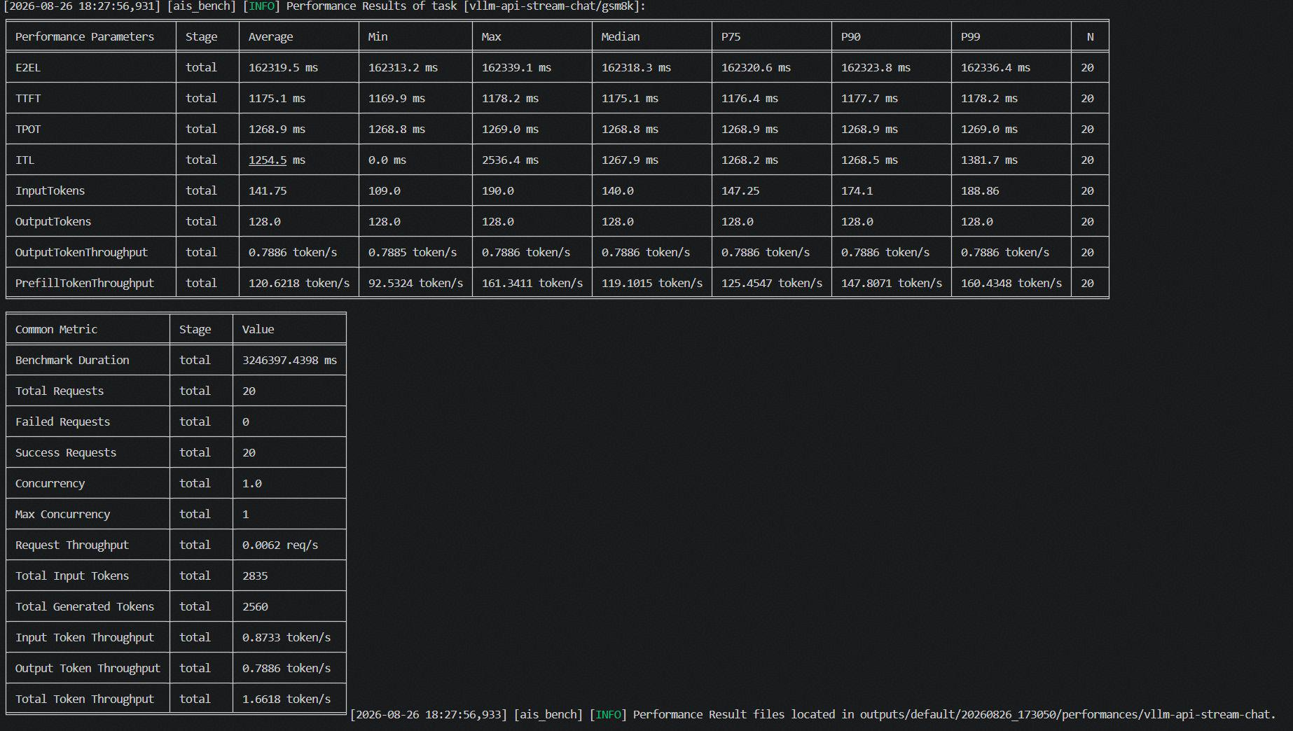
deepseek v4 flash w4a8 | 周天鸣 | 950pr x86 | 性能 | prefetch 2常驻2卸载 | pd混部 | aimed026数据集 xxx/128 |  | 20 | 1 | 1177.6 | 1179.3 | 1268.9 | 1269.1 | 162 | 0.79 | 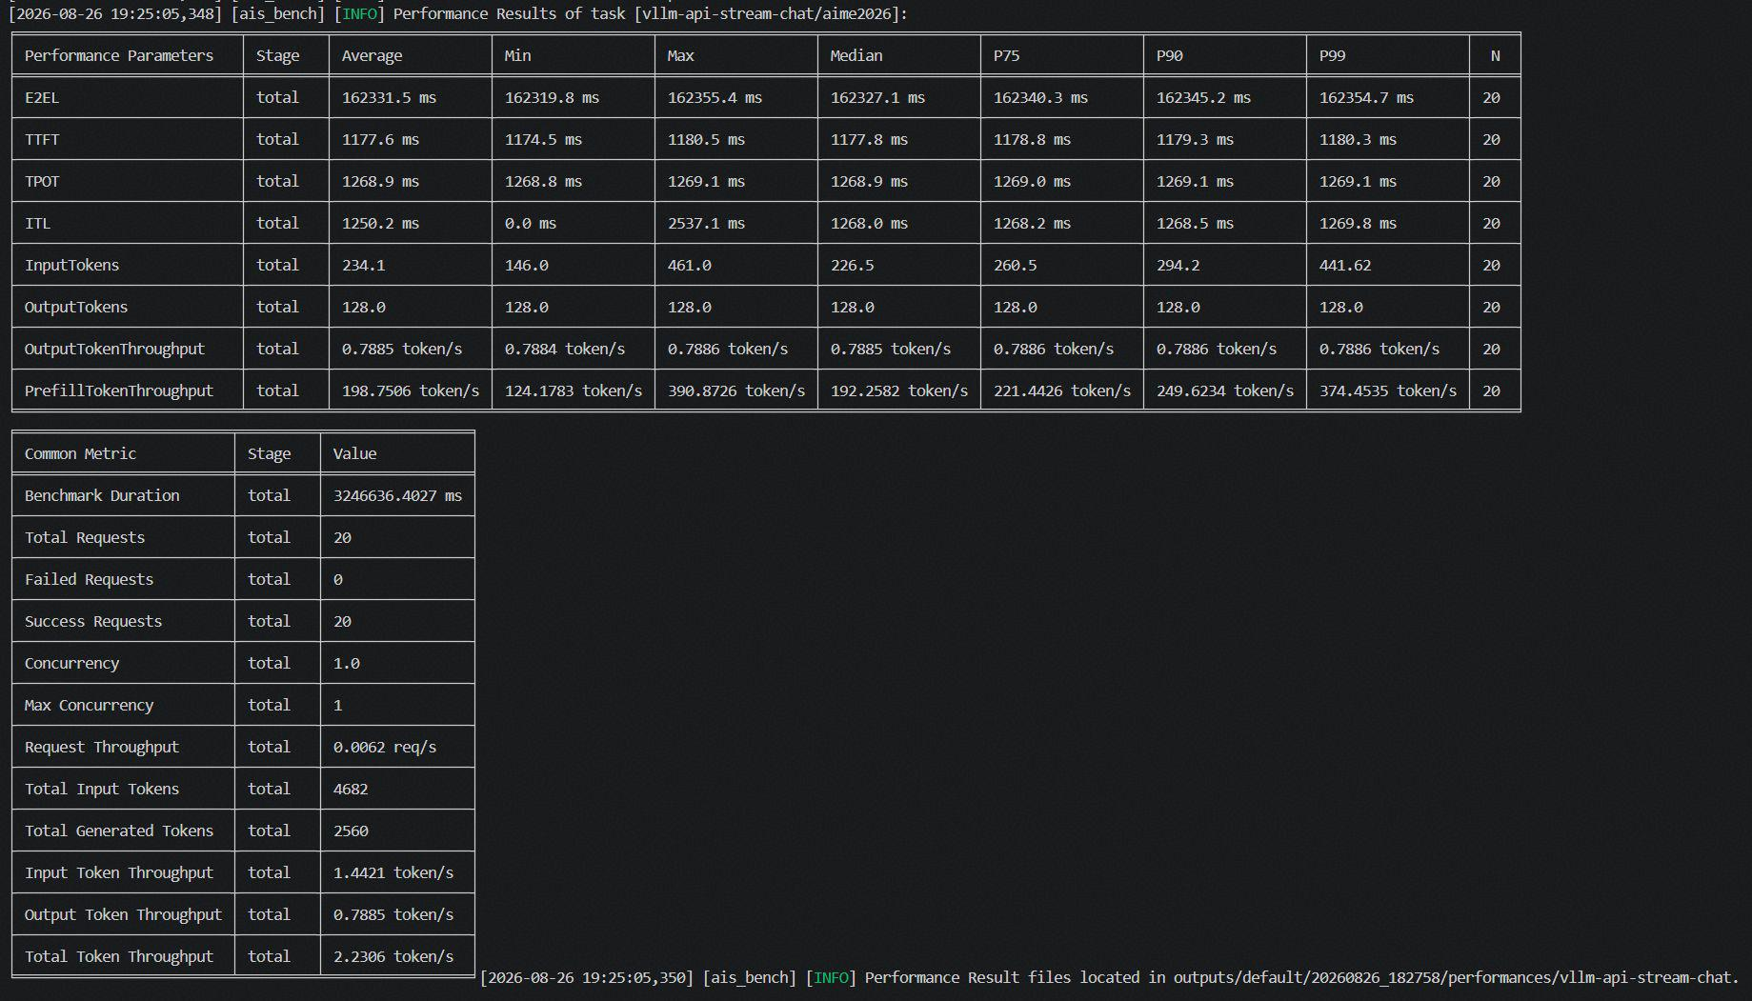
deepseek v4 flash w4a8 | 周天鸣 | 950pr x86 | 性能 | prefetch 2常驻2卸载 | pd混部 | humaneval数据集 xxx/128 |  | 20 | 1 | 1178.6 | 1181.6 | 1269 | 1269 | 162 | 0.79 | 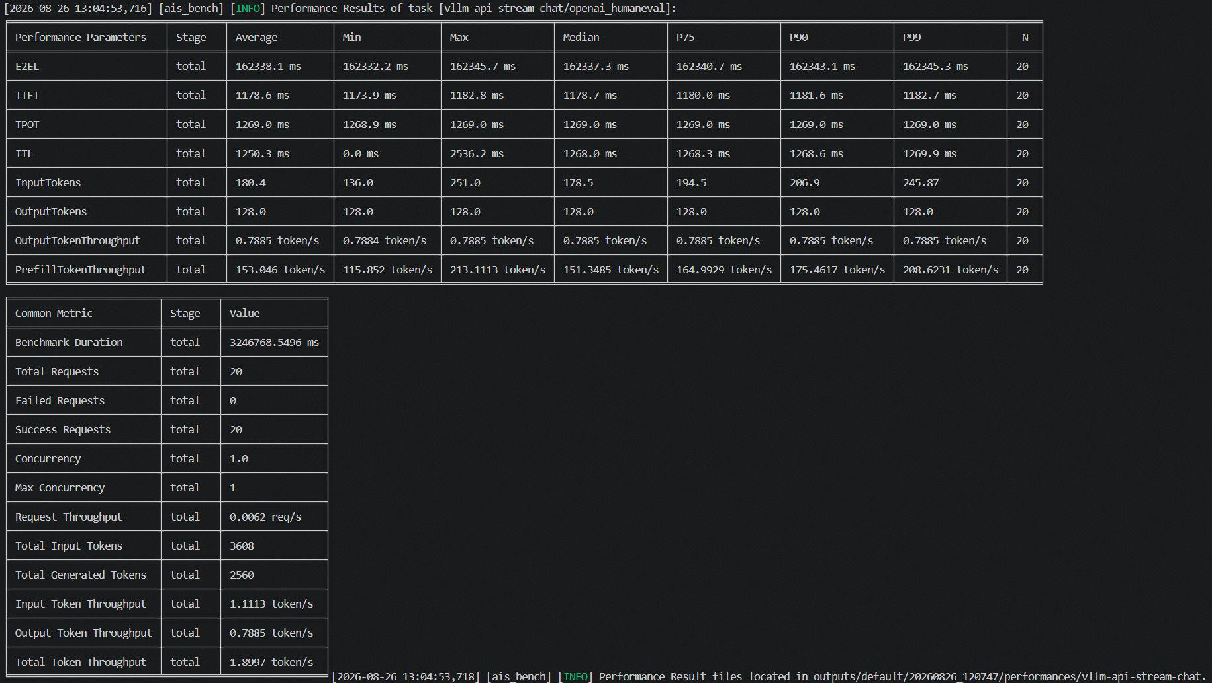
deepseek v4 flash w4a8 | 周天鸣 | 950pr x86 | 性能 | prefetch 2常驻2卸载 | pd混部 | mmlu数据集 xxx/128 |  | 20 | 1 | 1180.7 | 1184.5 | 1269 | 1269 | 162 | 0.79 | 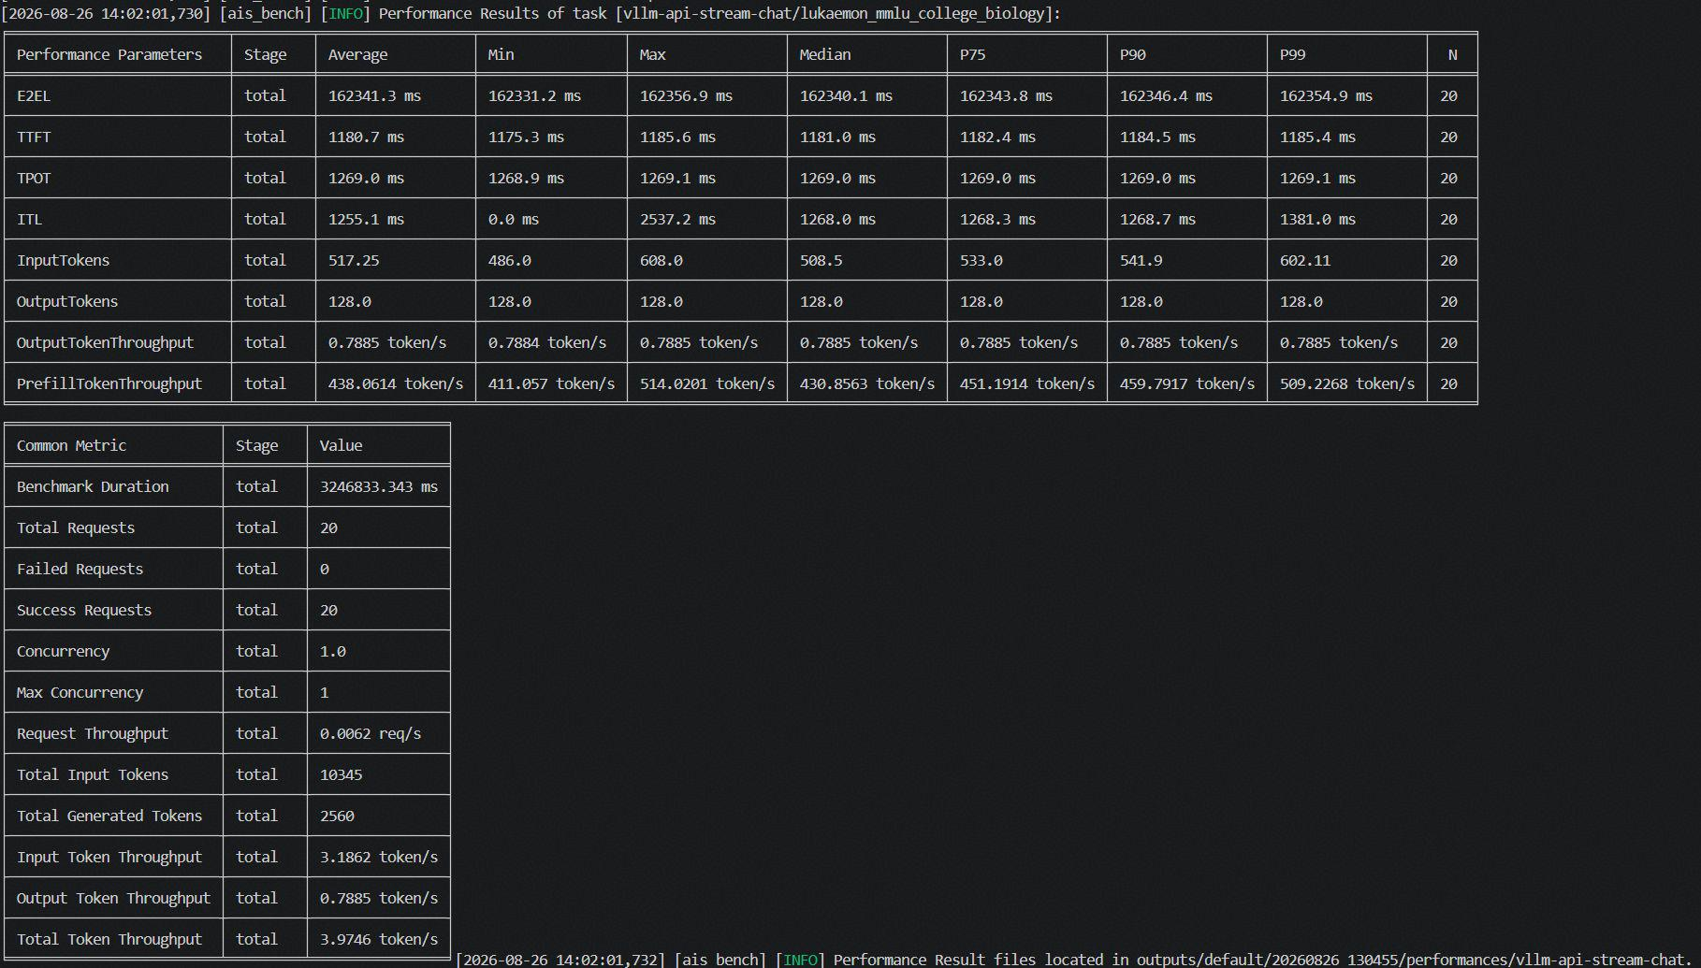
deepseek v4 flash w4a8 | 周天鸣 | 950pr x86 | 性能 | prefetch 2常驻2卸载 | pd混部 | longbenchv2数据集 xxx/128 |  | 20 | 1 | 9749.7 | 19006.3 | 1269.1 | 1269.8 | 89 | │ 0.71 | 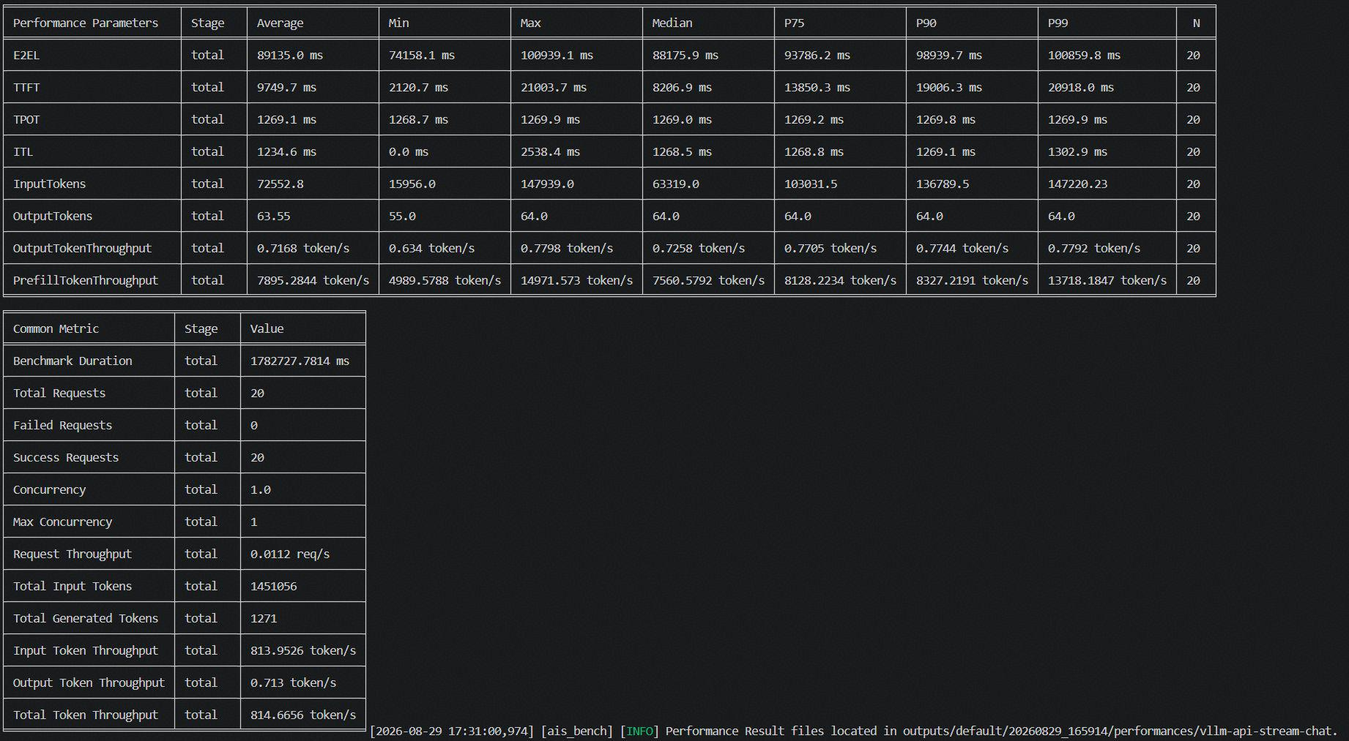
deepseek v4 flash w4a8 | 夏志祥 | 950pr x86 | 性能 | 仅offload "num_device_layers": 2, | pd混部 | gsm8k数据集 xxx/1k |  | 20 | 1 | 3028.5 | 3076.5 | 62.9 | 64.4 | 35.3654 | 14.5155 | 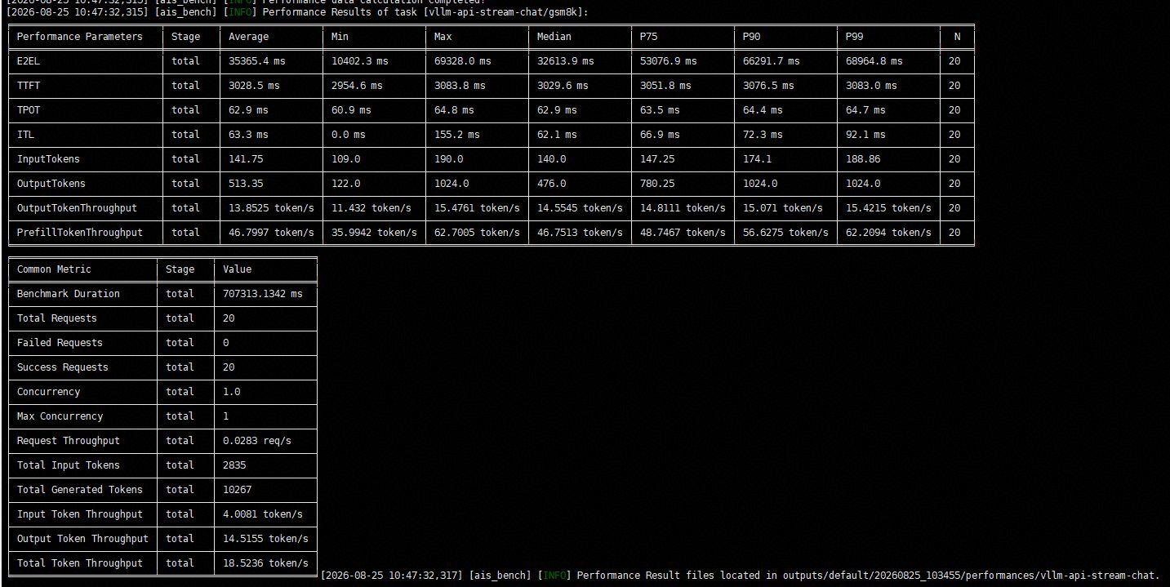
deepseek v4 flash w4a8 | 夏志祥 | 950pr x86 | 性能 | 仅offload "num_device_layers": 2, | pd混部 | aimed026数据集 xxx/1k |  | 20 | 1 | 3003.1 | 3038.2 | 62.9 | 63.9 | 67.3558 | 15.2028 | 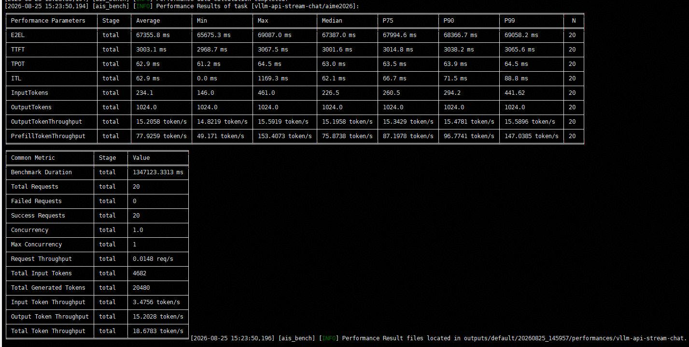
deepseek v4 flash w4a8 | 夏志祥 | 950pr x86 | 性能 | 仅offload "num_device_layers": 2, | pd混部 | humaneval数据集 xxx/1k |  | 20 | 1 | 3048.3 | 3088.6 | 61.9 | 63.2 | 36.2753 | 14.8254 | 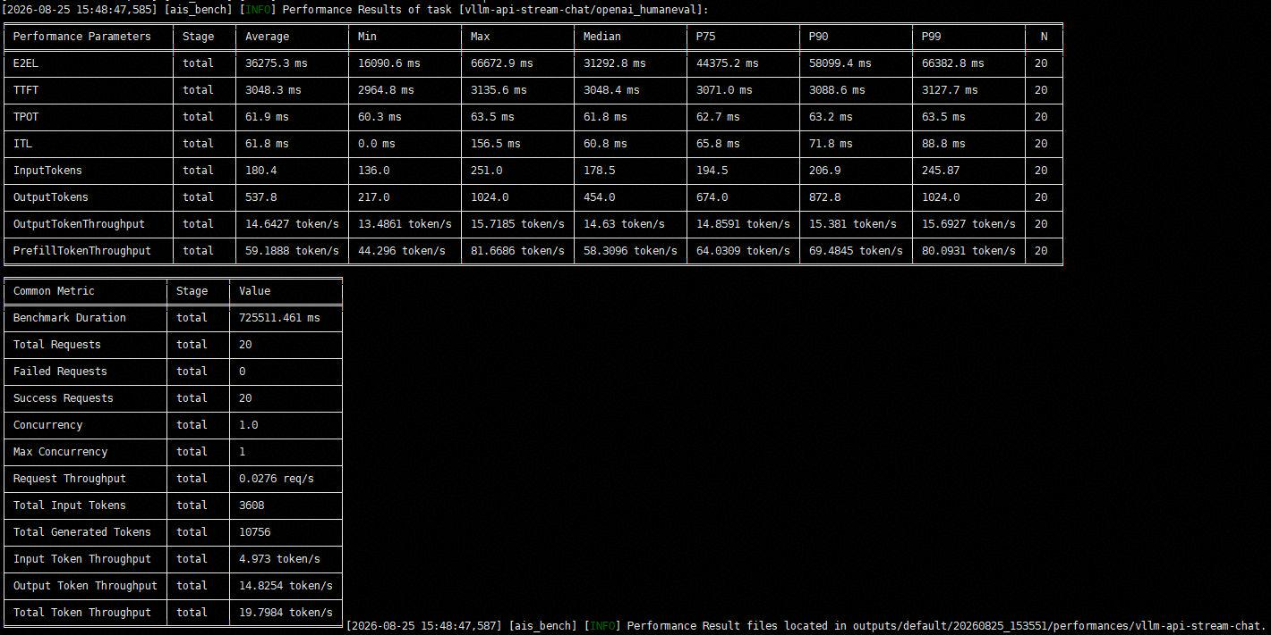
deepseek v4 flash w4a8 | 夏志祥 | 950pr x86 | 性能 | 仅offload "num_device_layers": 2, | pd混部 | mmlu数据集 xxx/1k |  | 20 | 1 | 3512.5 | 3573.4 | 69.8 | 71.7 | 66.87 | 13.5553 | 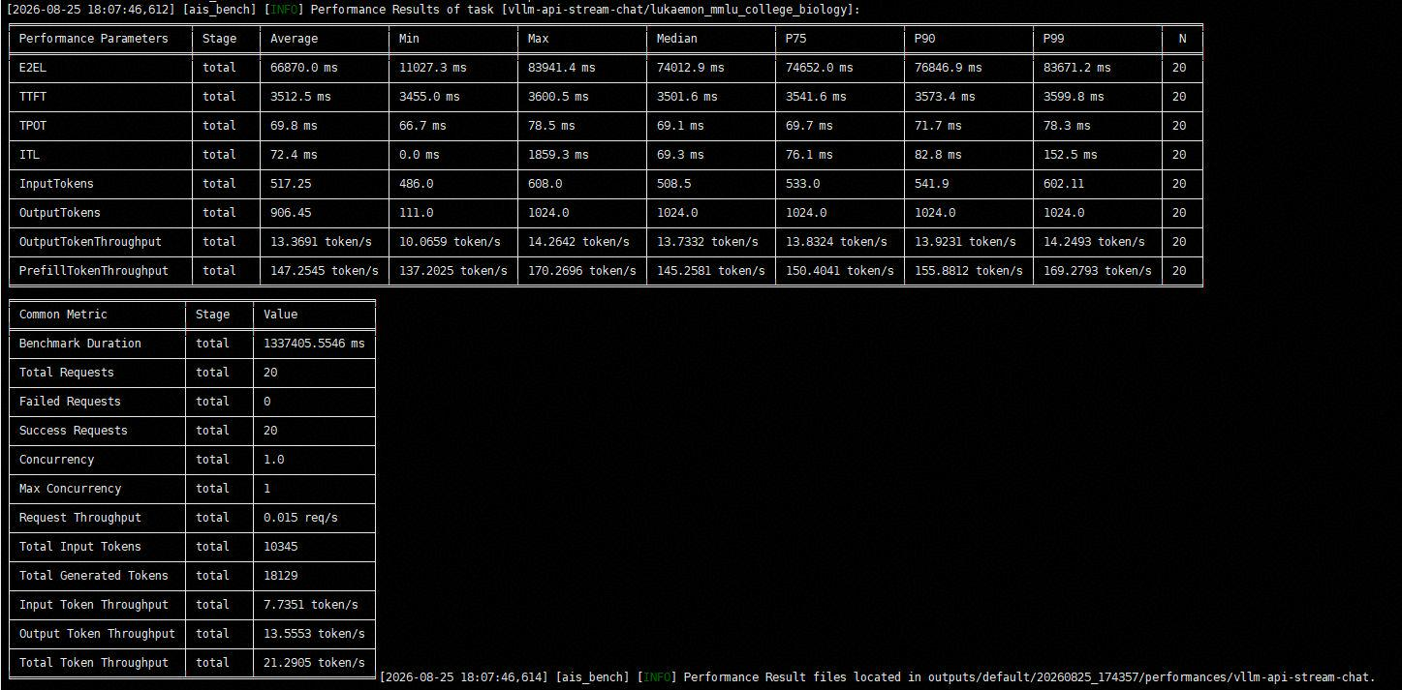
deepseek v4 flash w4a8 | 夏志祥 | 950pr x86 | 性能 | 仅offload "num_device_layers": 2, | pd混部 | longbenchv2数据集 xxx/1k |  | 20 | 1 | 10558.4 | 21625.5 | 69.1 | 72.1 | 59.5818 | 11.864 | 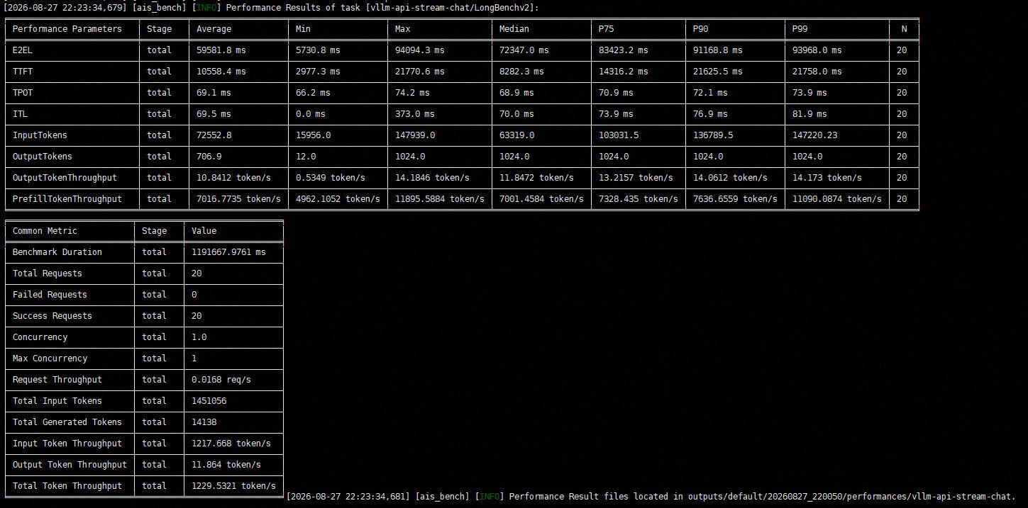

deepseek v4 flash w4a8 | 夏志祥 | 950pr x86 | 性能 | 仅offload "num_device_layers": 1, | pd混部 | gsm8k数据集 xxx/1k |  | 20 | 1 | 3038.4 | 3094.8 | 66.5 | 71.9 | 37.8402 | 13.5662 | 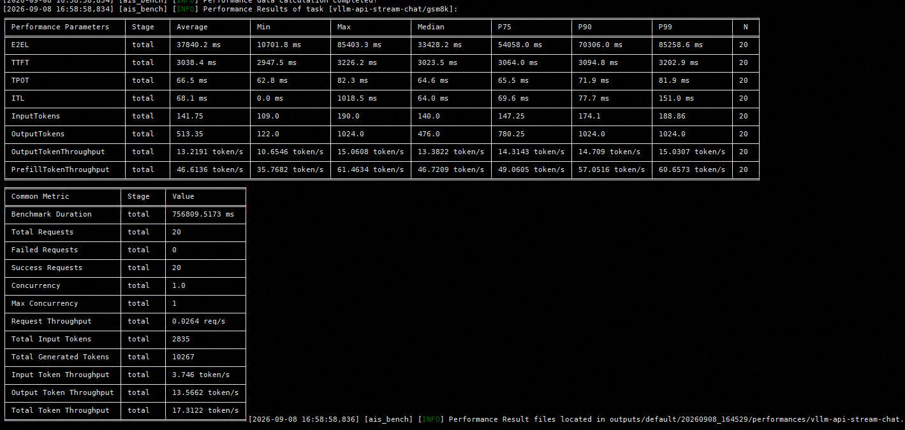
deepseek v4 flash w4a8 | 夏志祥 | 950pr x86 | 性能 | 仅offload "num_device_layers": 1, | pd混部 | aimed026数据集 xxx/1k |  | 20 | 1 | 2948.4 | 2984.5 | 62.9 | 64.2 | 67.3419 | 15.2059 | 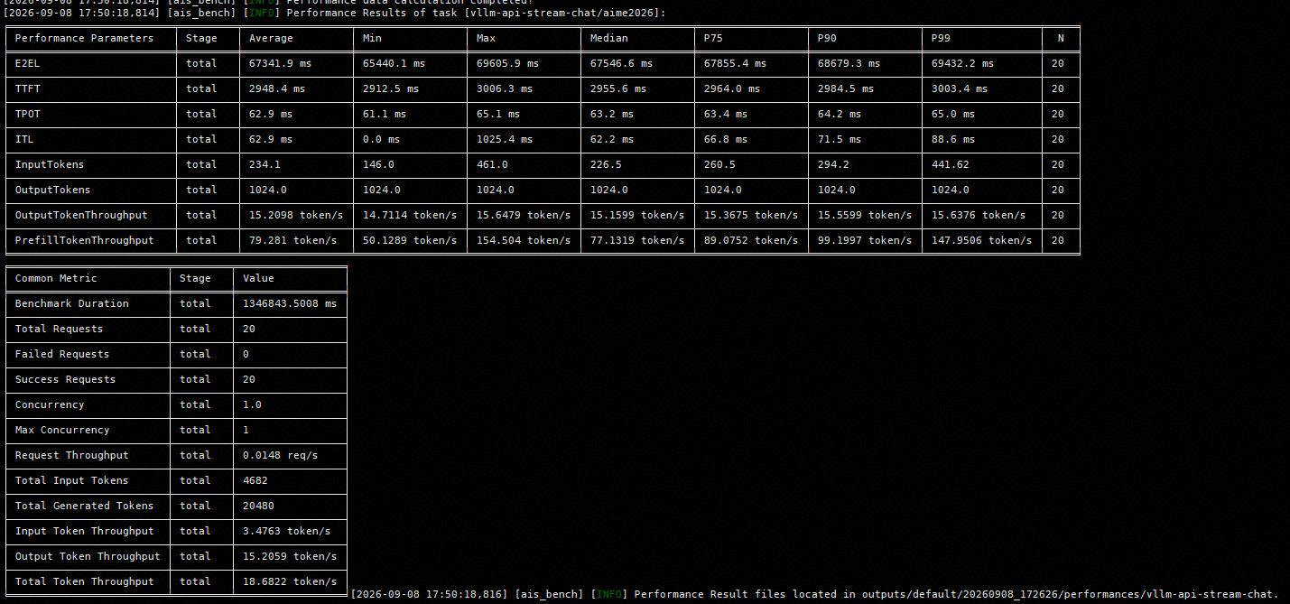
deepseek v4 flash w4a8 | 夏志祥 | 950pr x86 | 性能 | 仅offload "num_device_layers": 1, | pd混部 | humaneval数据集 xxx/1k |  | 20 | 1 | 2988.4 | 3025.2 | 62.1 | 63.4 | 36.3804 | 14.7826 | 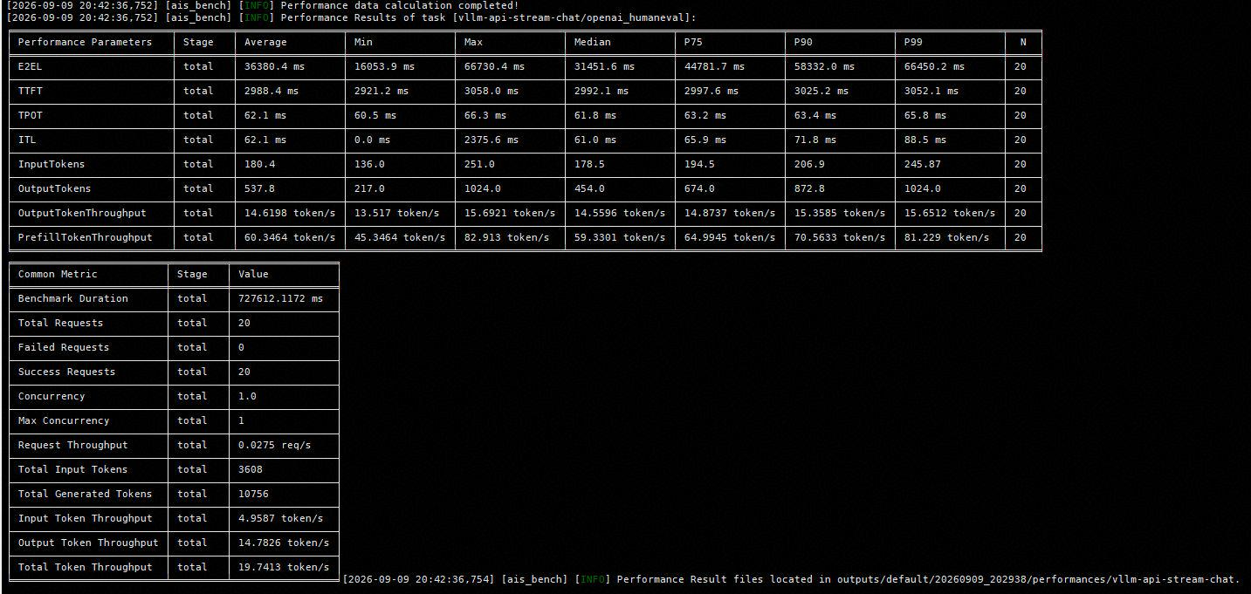
deepseek v4 flash w4a8 | 夏志祥 | 950pr x86 | 性能 | 仅offload "num_device_layers": 1, | pd混部 | mmlu数据集 xxx/1k |  | 20 | 1 | 2959.7 | 3019.2 | 64.1 | 65.4 | 61.1951 | 14.8124 | 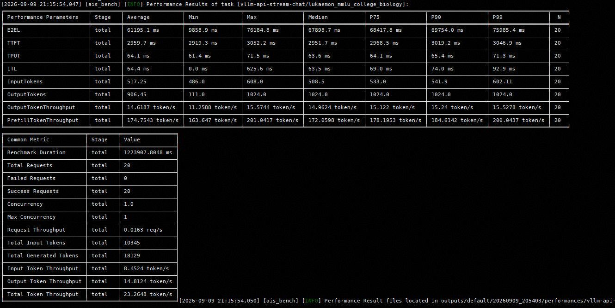
deepseek v4 flash w4a8 | 夏志祥 | 950pr x86 | 性能 | 仅offload "num_device_layers": 1, | pd混部 | longbenchv2数据集 xxx/1k |  | 20 | 1 | 14056.4 | 31351.1 | 70.6 | 75.4 | 74.0805 | 11.3968 | 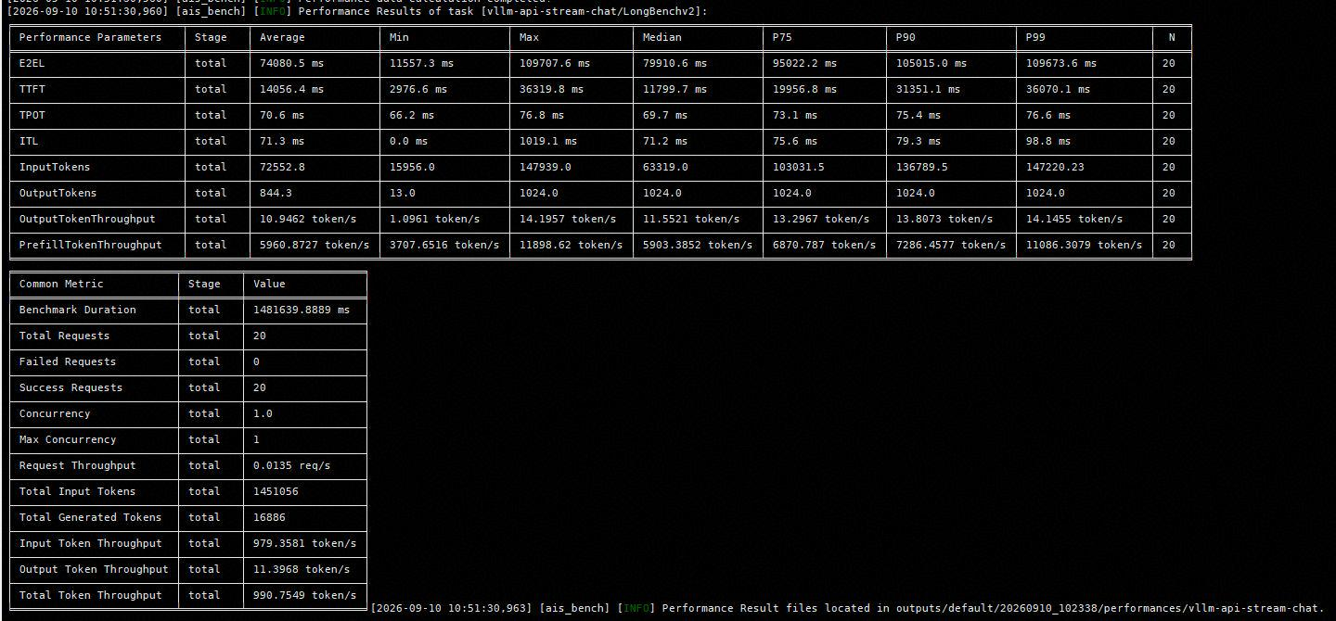

glm-5.2 w4a8c8 | 夏志祥 | 950dt arm | 性能 | 仅offload "num_device_layers": 1, | pd混部 | gsm8k数据集 xxx/1k |  | 20 | 1 | 8760.3 | 8920.8 | 233.9 | 239.2 | 180.8368 | 4.068 | 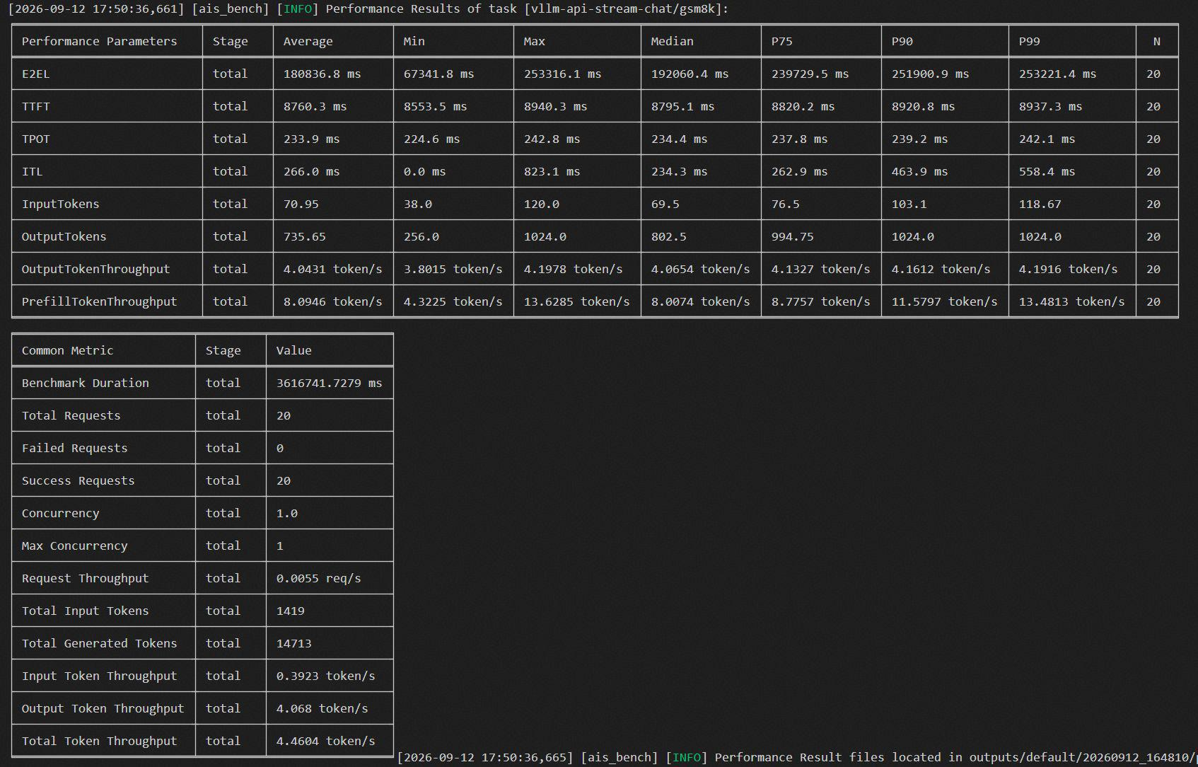
glm-5.2 w4a8c8 | 夏志祥 | 950dt arm | 性能 | 仅offload "num_device_layers": 1, | pd混部 | aimed026数据集 xxx/1k |  | 20 | 1 | 8860.2 | 8713.3 | 244.8 | 249.1 | 259.2662 | 3.9496 | 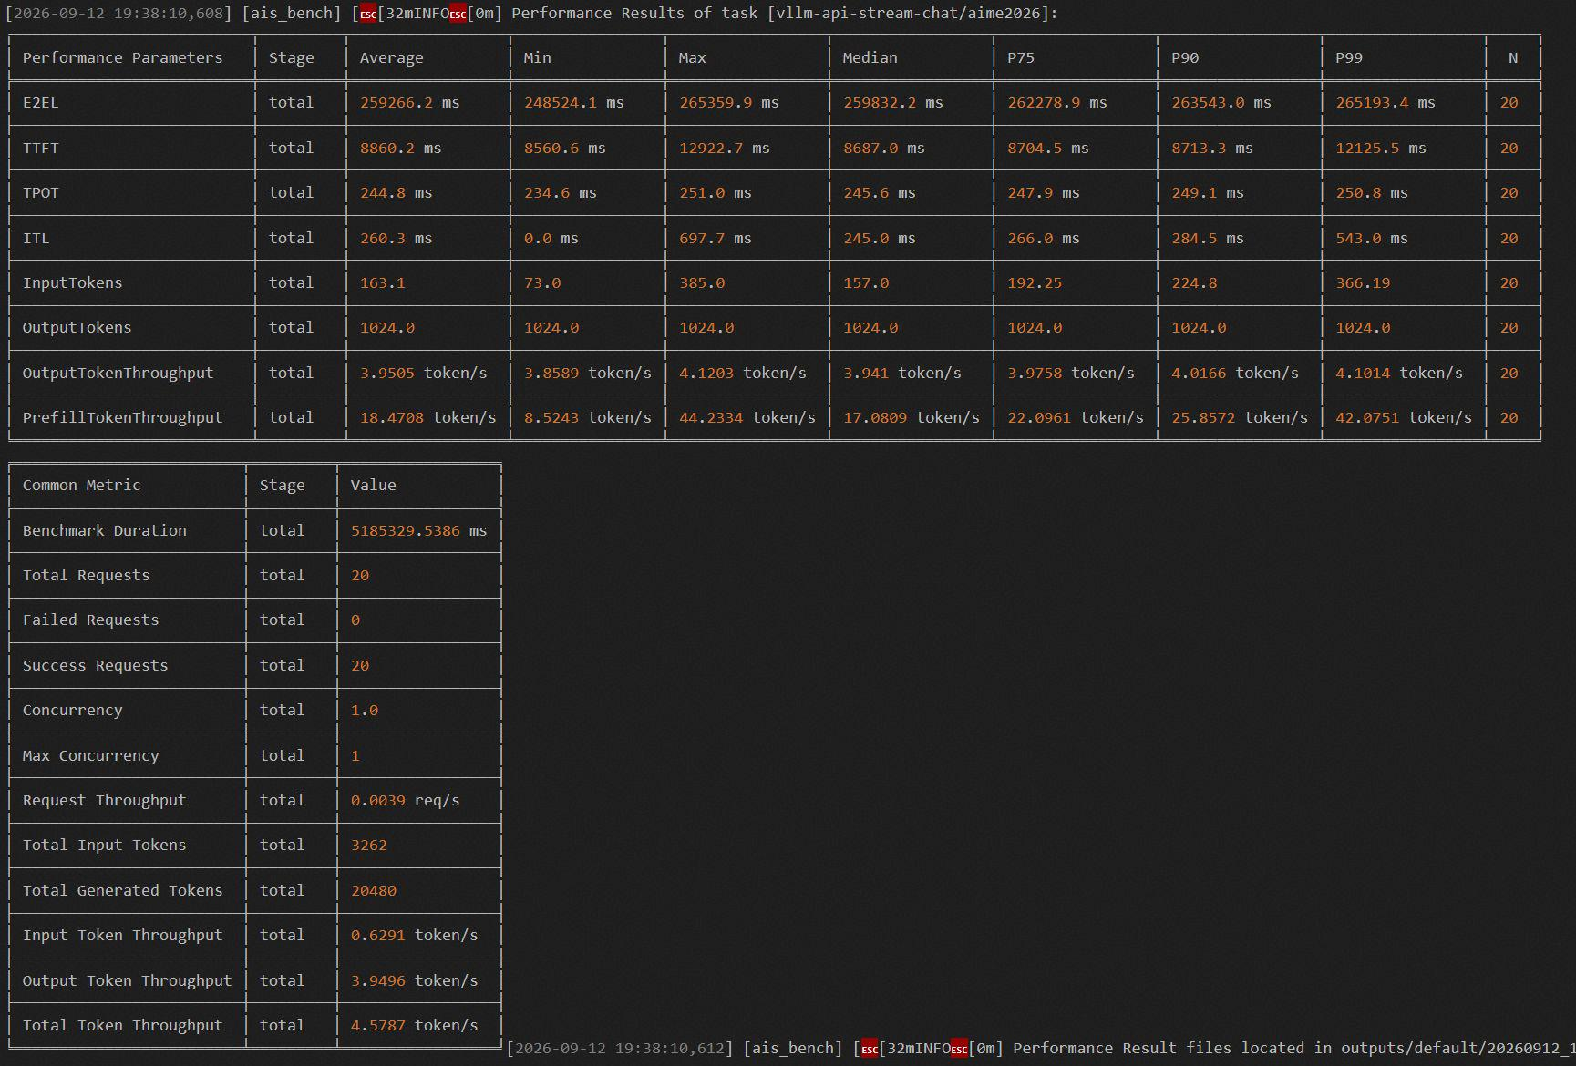
glm-5.2 w4a8c8 | 夏志祥 | 950dt arm | 性能 | 仅offload "num_device_layers": 1, | pd混部 | humaneval数据集 xxx/1k |  | 20 | 1 | 8408.8 | 8910 | 235.6 | 241.4 | 182.0516 | 4.0524 | 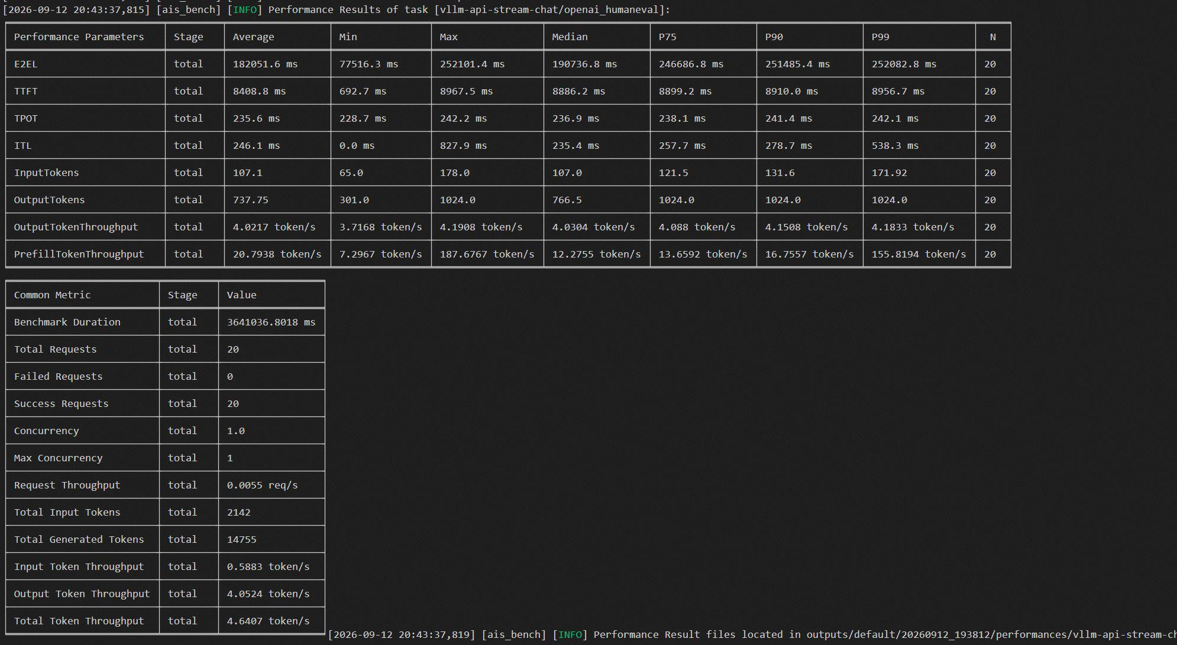
glm-5.2 w4a8c8 | 夏志祥 | 950dt arm | 性能 | 仅offload "num_device_layers": 1, | pd混部 | mmlu数据集 xxx/1k |  | 20 | 1 | 8889.3 | 8910.8 | 229.1 | 234.9 | 86.1871 | 3.9327 | 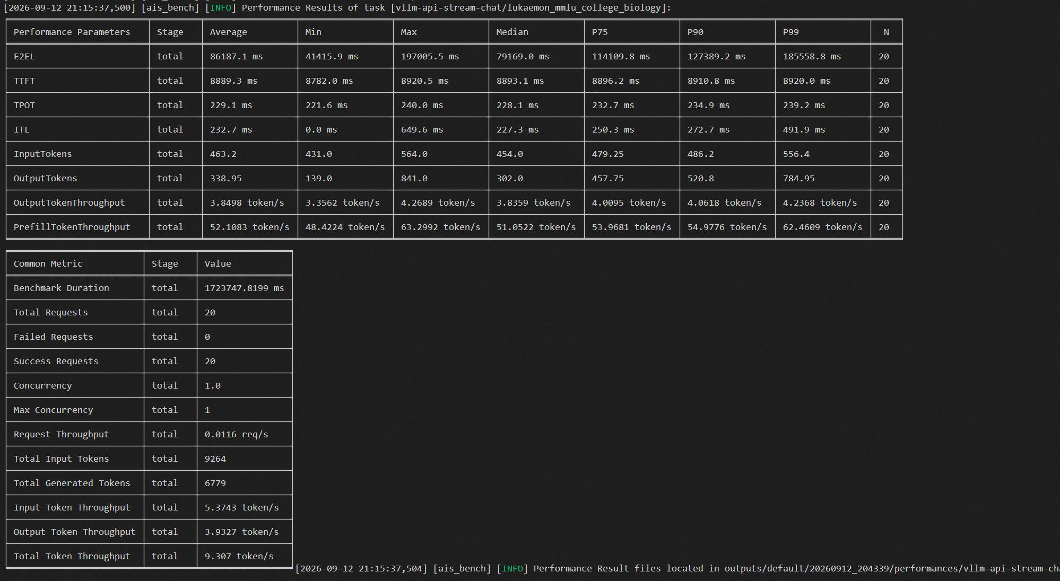
glm-5.2 w4a8c8 | 夏志祥 | 950dt arm | 性能 | 仅offload "num_device_layers": 1, | pd混部 | longbenchv2数据集 xxx/1k |  | 10 | 1 | 158894 | 290566 | 242.7 | 249.2 | 377.7686 | 2.3856 | 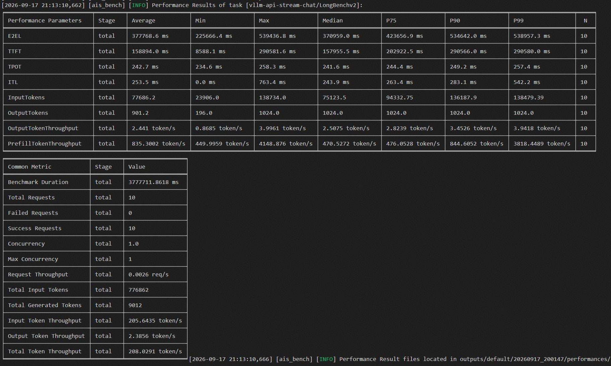

deepseek v4 flash w4a8 | 周天鸣 | 950pr x86 | 性能 | 特性全开 | pd混部 | gsm8k数据集 xxx/1k |  | 20 | 1 | 2853 | 2872.7 | 32.6 | 33.3 ms | 19.6345 | 26.144 | 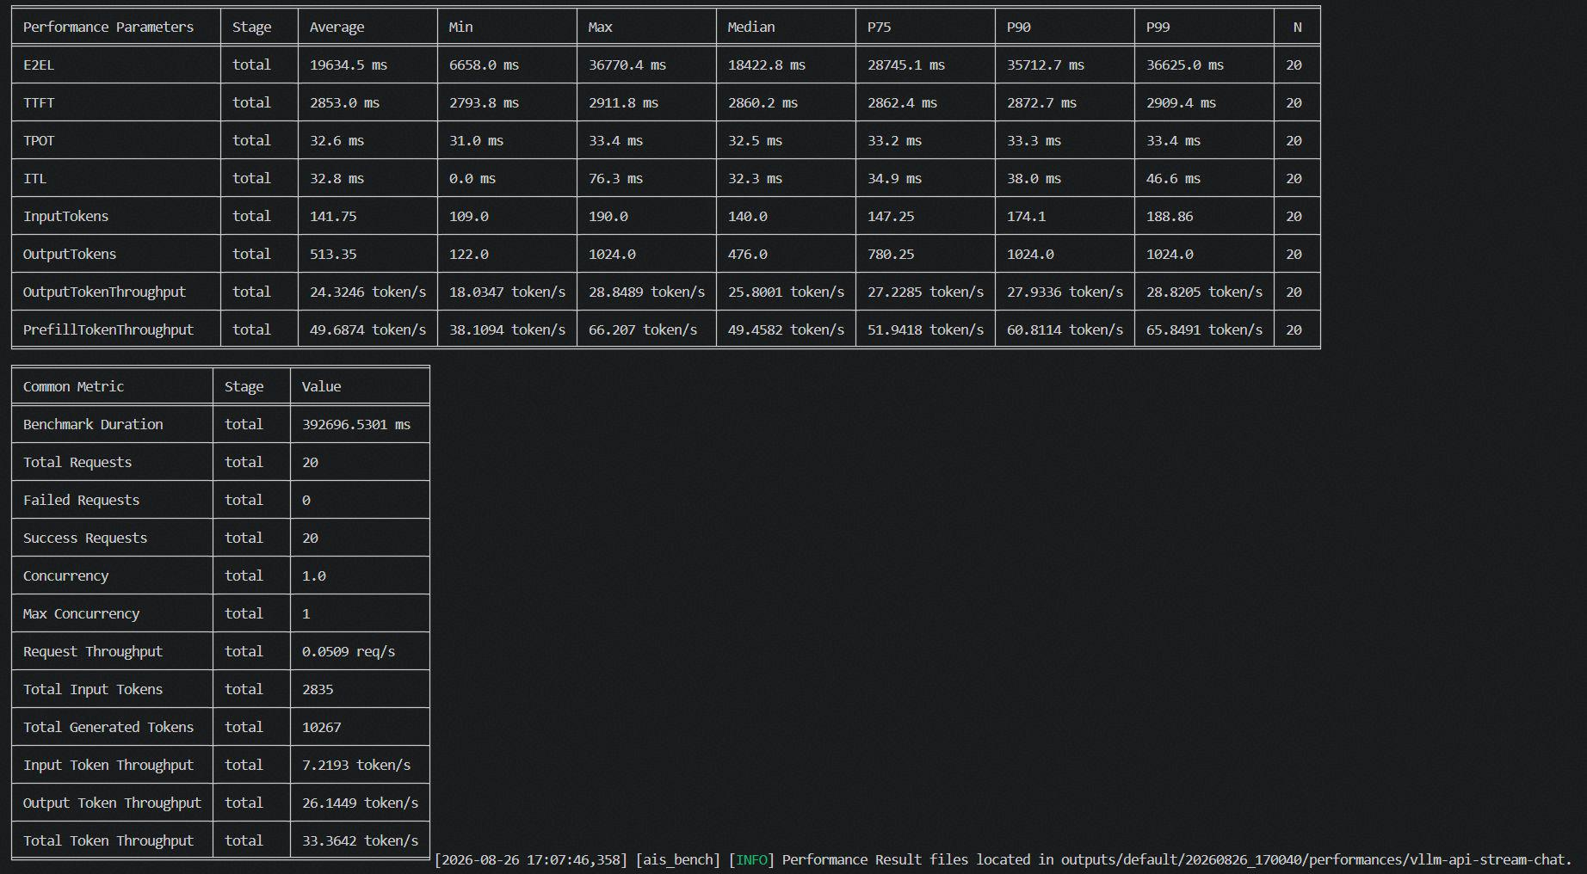
deepseek v4 flash w4a8 | 周天鸣 | 950pr x86 | 性能 | 特性全开 | pd混部 | aimed026数据集 xxx/1k |  | 20 | 1 | 2835.7 | 2844.9 | 33.6 | 34.7 | 37.25 | 27.49 | 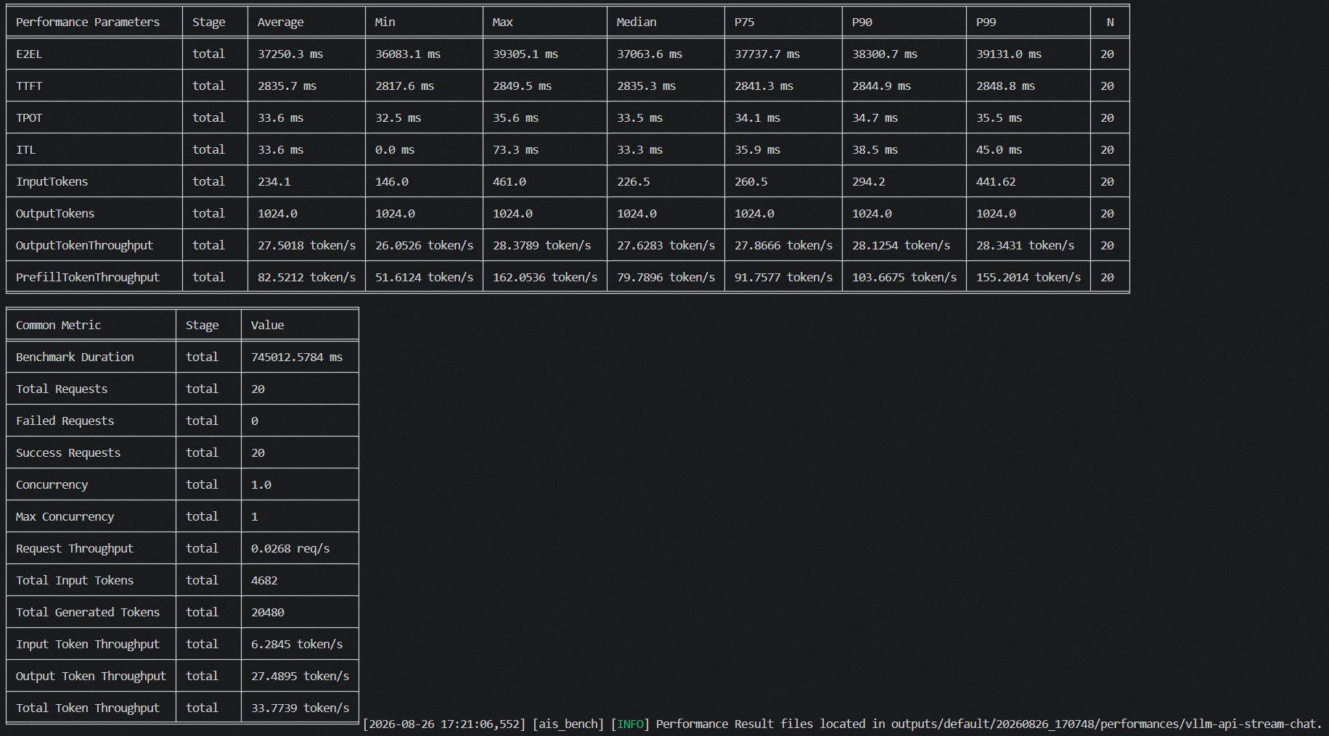
deepseek v4 flash w4a8 | 周天鸣 | 950pr x86 | 性能 | 特性全开 | pd混部 | humaneval数据集 xxx/1k |  | 20 | 1 | 2888.1 | 2907 | 35.5 | 36.3 | 21.89 | 24.58 | 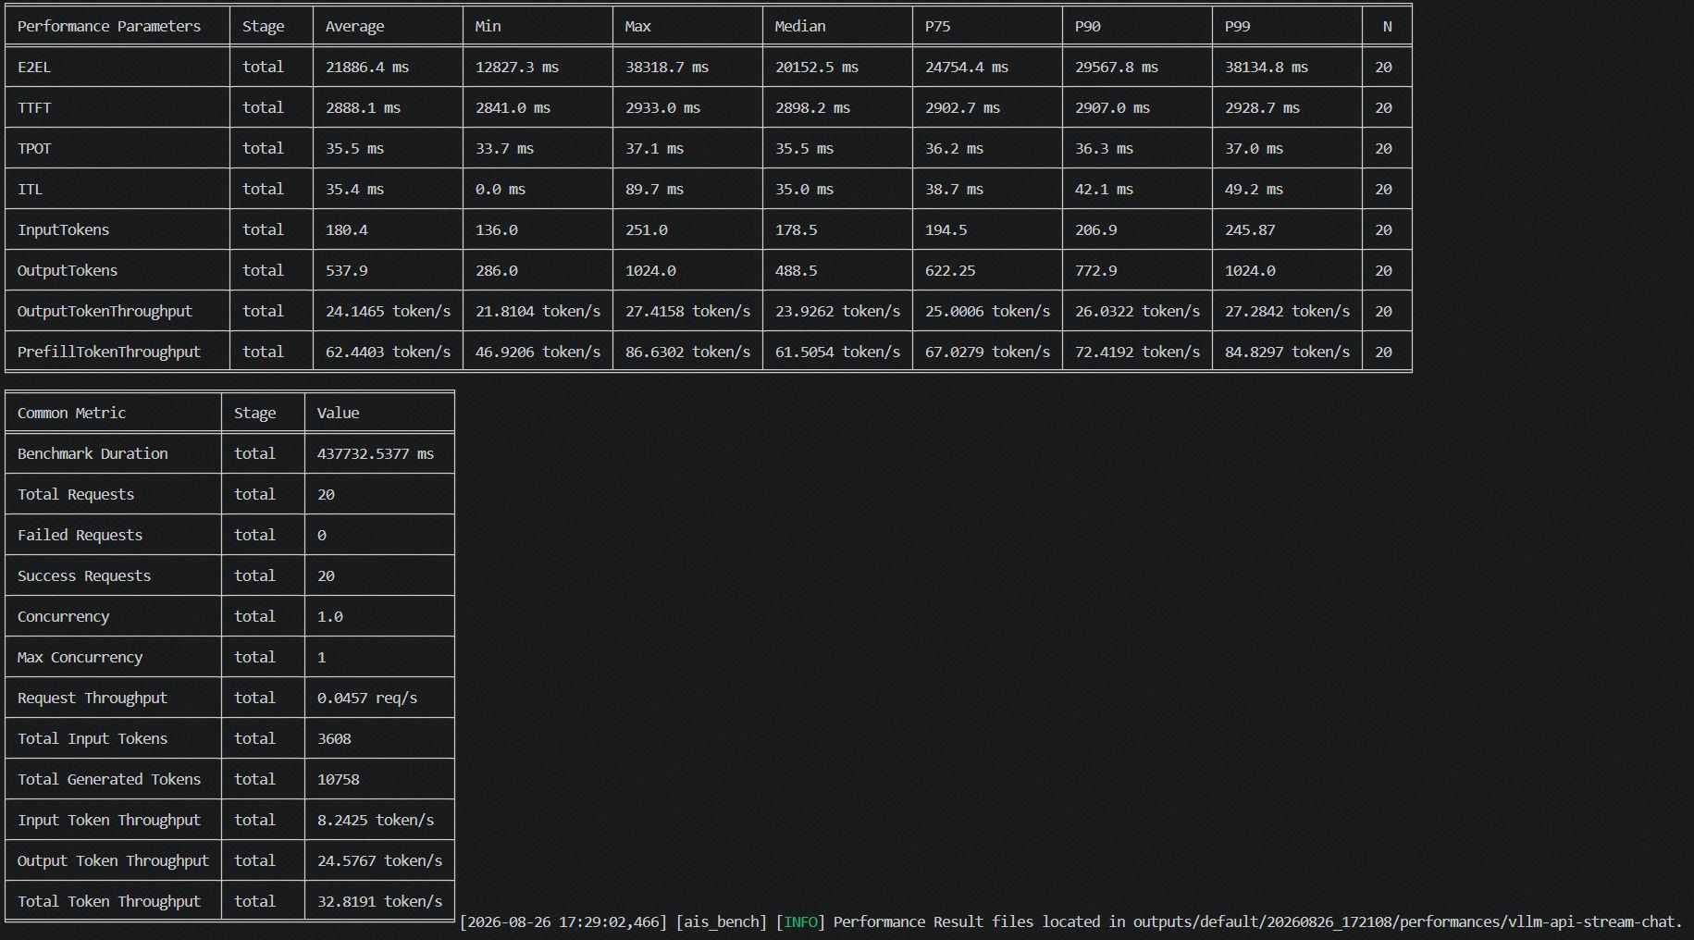
deepseek v4 flash w4a8 | 周天鸣 | 950pr x86 | 性能 | 特性全开 | pd混部 | mmlu数据集 xxx/1k |  | 20 | 1 | 2851 | 2895.3 | 35.1 | 36.1 | 36.1 | 26.14 | 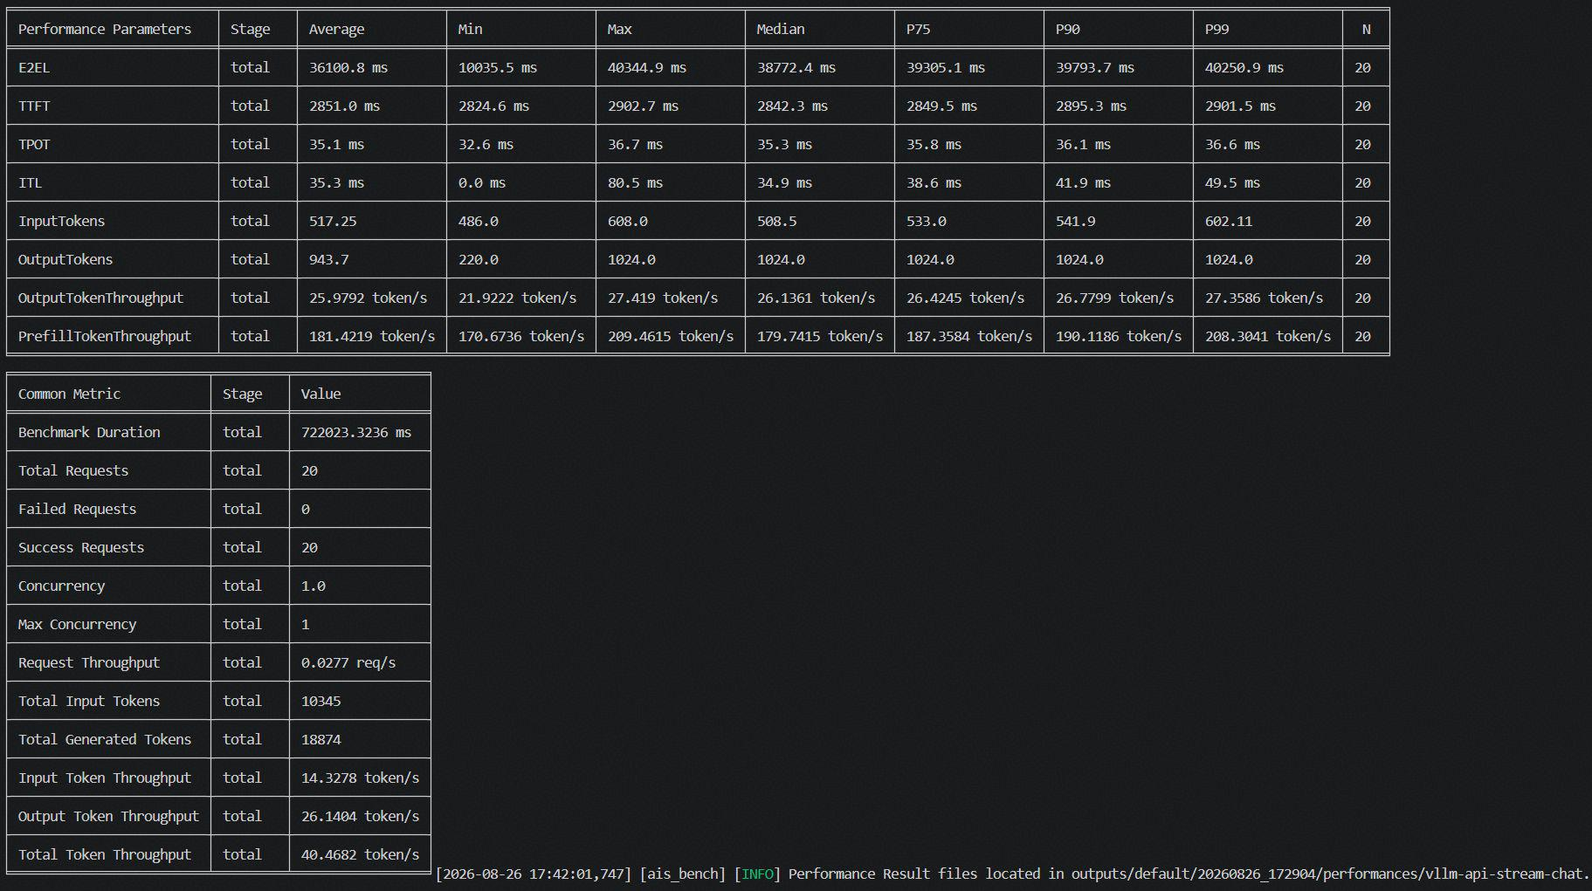
deepseek v4 flash w4a8 | 周天鸣 | 950pr x86 | 性能 | 特性全开 | pd混部 | longbenchv2数据集 xxx/1k |  | 20 | 1 | 10734.1 | 21750.3 | 40.5 | 46 | 43.529 | 19.21 | 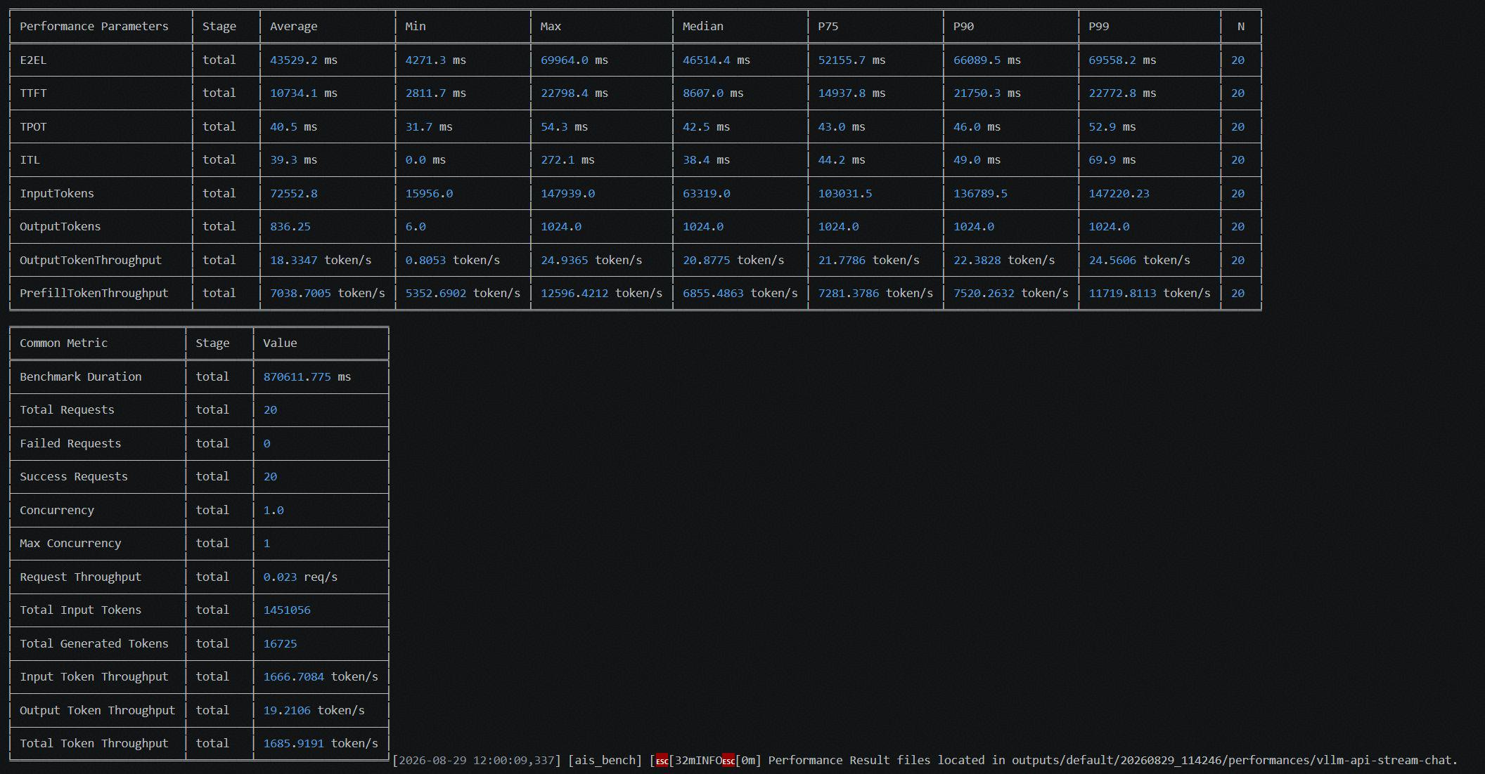
deepseek v4 flash w4a8 | 周天鸣 | 950pr x86 | 性能 | 特性全开 第二次测试 | pd混部 | gsm8k数据集 xxx/1k |  | 20 | 1 | 3082.4 | 3124.4 | 38 | 39.2 | 21.1017 | 22.35 | 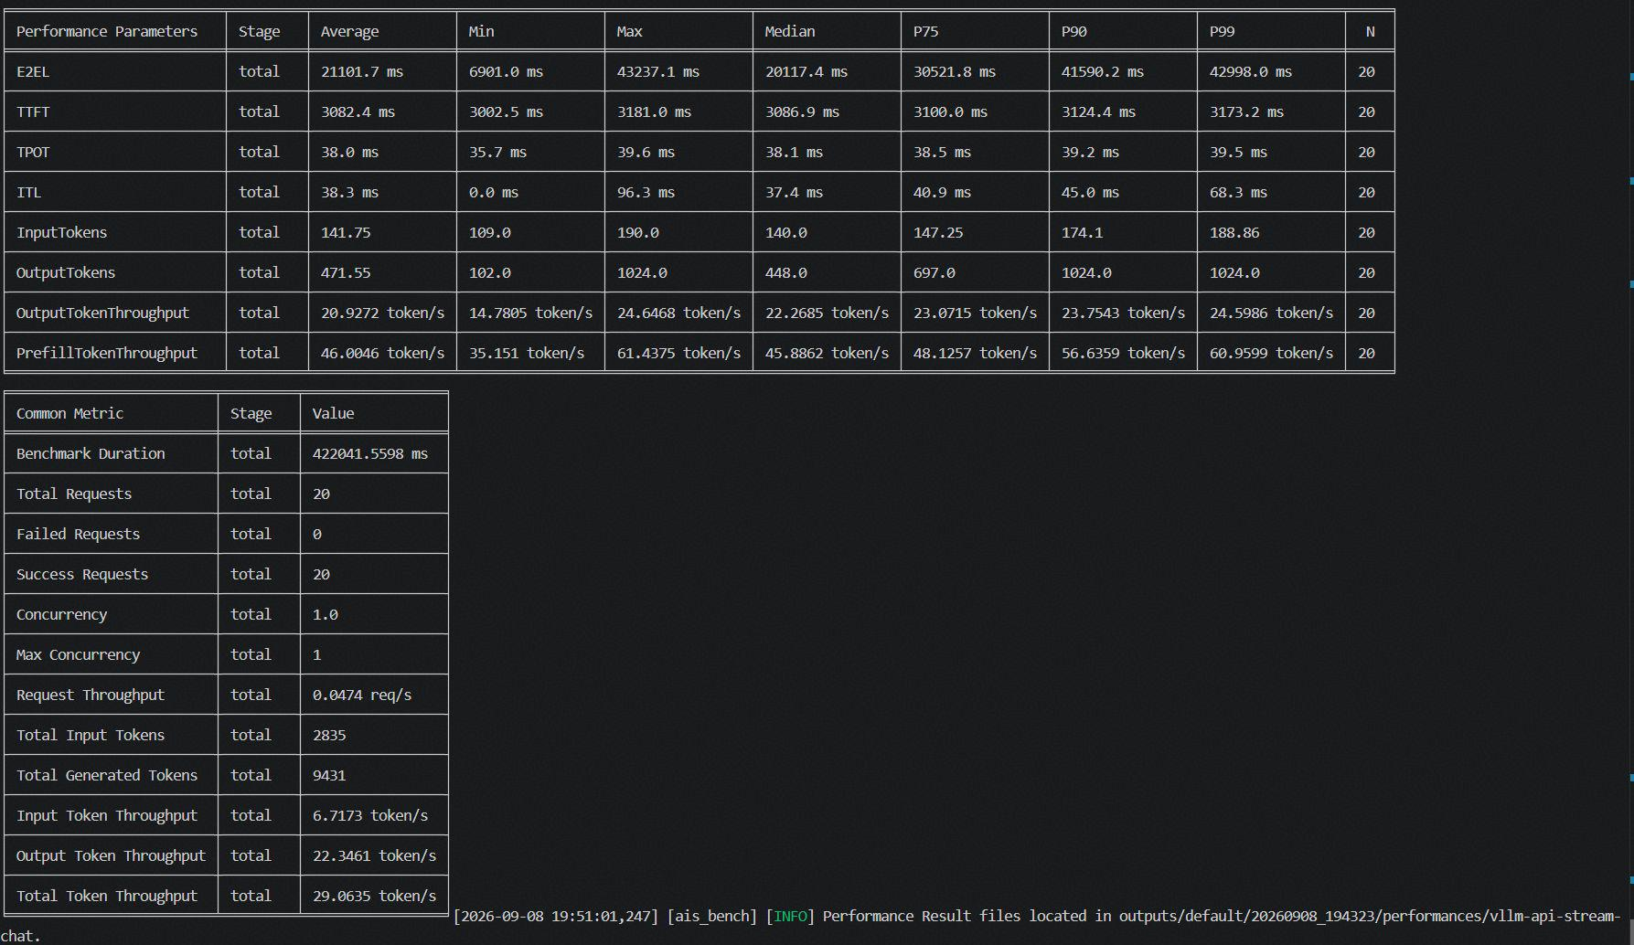
deepseek v4 flash w4a8 | 周天鸣 | 950pr x86 | 性能 | 特性全开 第二次测试 | pd混部 | aimed026数据集 xxx/1k |  | 20 | 1 | 3026.2 | 3069.2 | 42.1 | 46.5 | 46.0935 | 22.22 | 
deepseek v4 flash w4a8 | 周天鸣 | 950pr x86 | 性能 | 特性全开 第二次测试 | pd混部 | humaneval数据集 xxx/1k |  | 20 | 1 | 3112.2 | 3153 | 44.8 | 50 | 26.7879 | 19.165 | 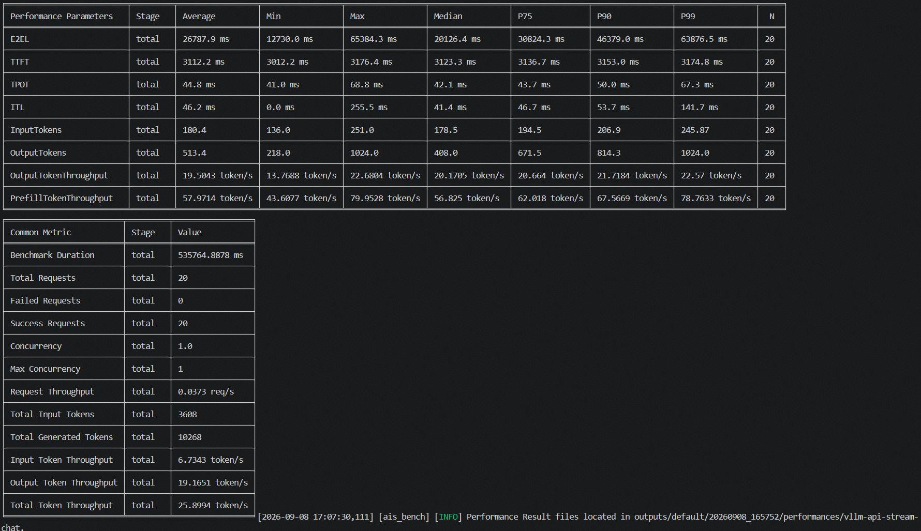
deepseek v4 flash w4a8 | 周天鸣 | 950pr x86 | 性能 | 特性全开 第二次测试 | pd混部 | mmlu数据集 xxx/1k |  | 20 | 1 | 3044.4 | 3106.4 | 41.5 | 42.4 | 43.8999 | 22.39 | 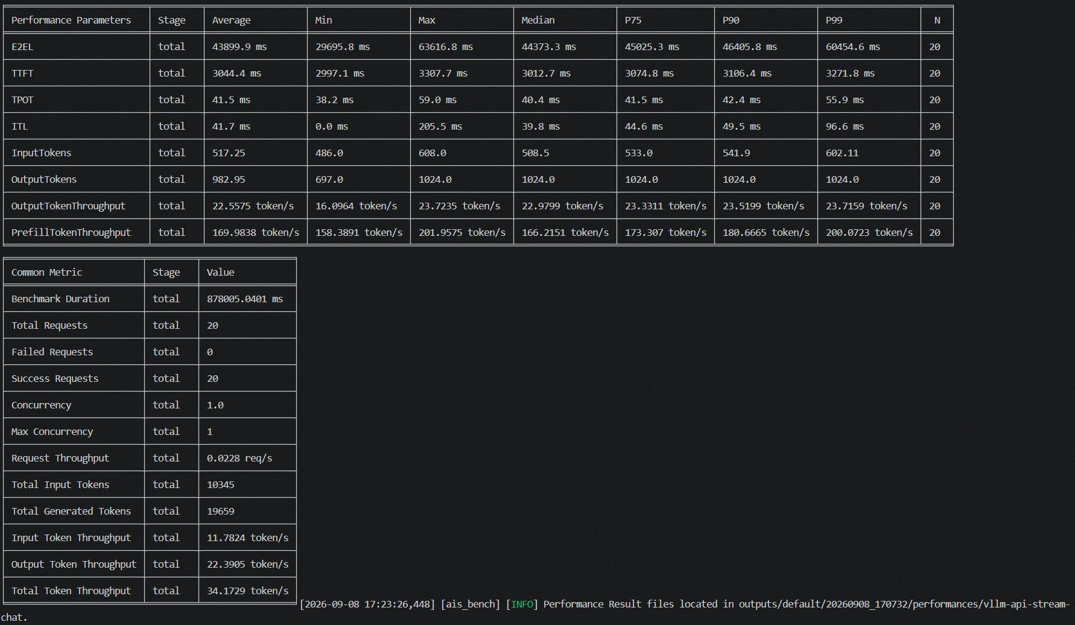
deepseek v4 flash w4a8 | 周天鸣 | 950pr x86 | 性能 | 特性全开 第二次测试 | pd混部 | longbenchv2数据集 xxx/1k |  | 20 | 1 | 11879 | 24029 | 40.3 | 45 | 47.0832 | 18.77 | 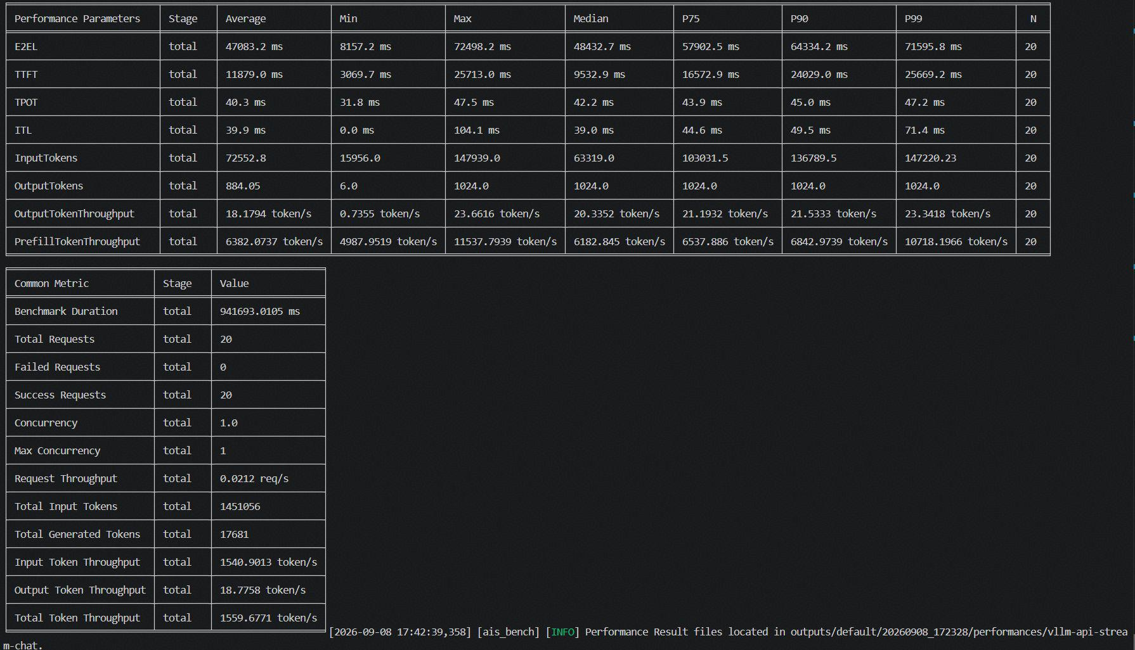
glm-5.2 w4a8c8 | 周天鸣 | 950dt arm | 性能 | 特性全开 | pd混部 | gsm8k数据集 xxx/1k |  | 20 | 1 | 8950 | 9087 | 210.3 | 217.1 | 152.94 | 4.4678 | 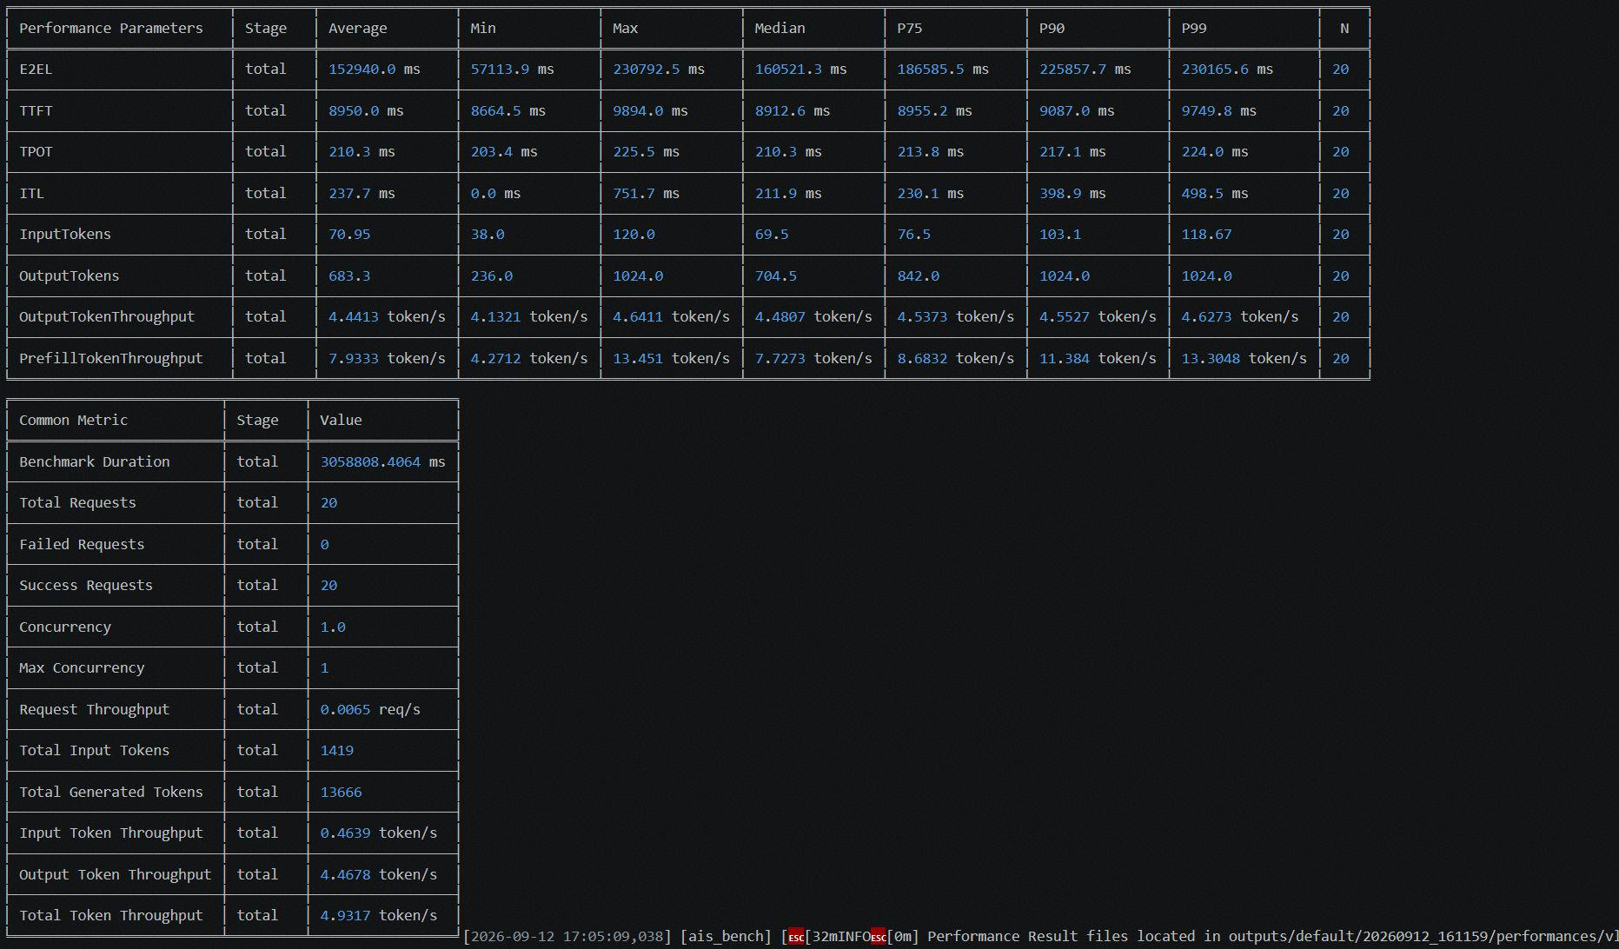
glm-5.2 w4a8c8 | 周天鸣 | 950dt arm | 性能 | 特性全开 | pd混部 | aimed026数据集 xxx/1k |  | 20 | 1 | 9028.6 | 8843.4 | 220.5 | 226.8 | 234.6467 | 4.364 | 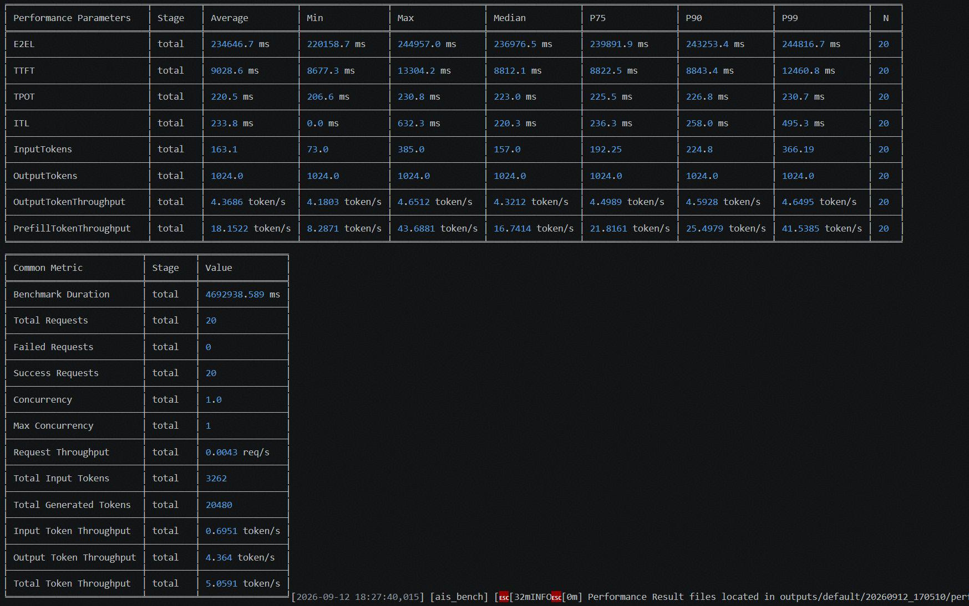
glm-5.2 w4a8c8 | 周天鸣 | 950dt arm | 性能 | 特性全开 | pd混部 | humaneval数据集 xxx/1k |  | 20 | 1 | 8515.2 | 9035.5 | 212.9 | 219.5 | 175.8024 | 4.4957 | 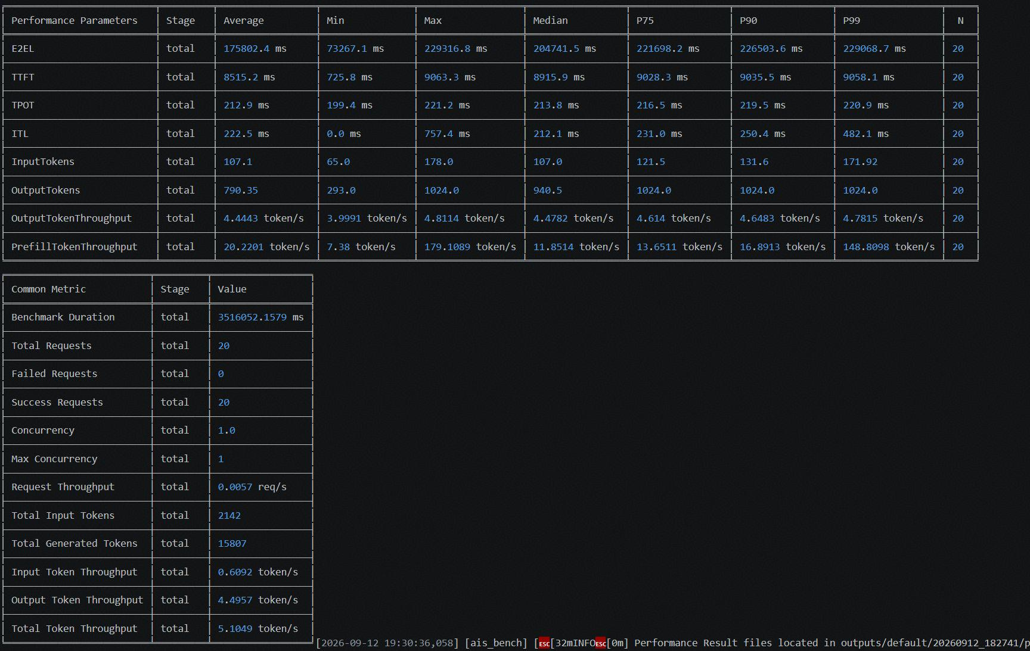
glm-5.2 w4a8c8 | 周天鸣 | 950dt arm | 性能 | 特性全开 | pd混部 | mmlu数据集 xxx/1k |  | 20 | 1 | 9032.5 | 9118.5 | 206.6 | 209.6 | 91.4295 | 4.3782 | 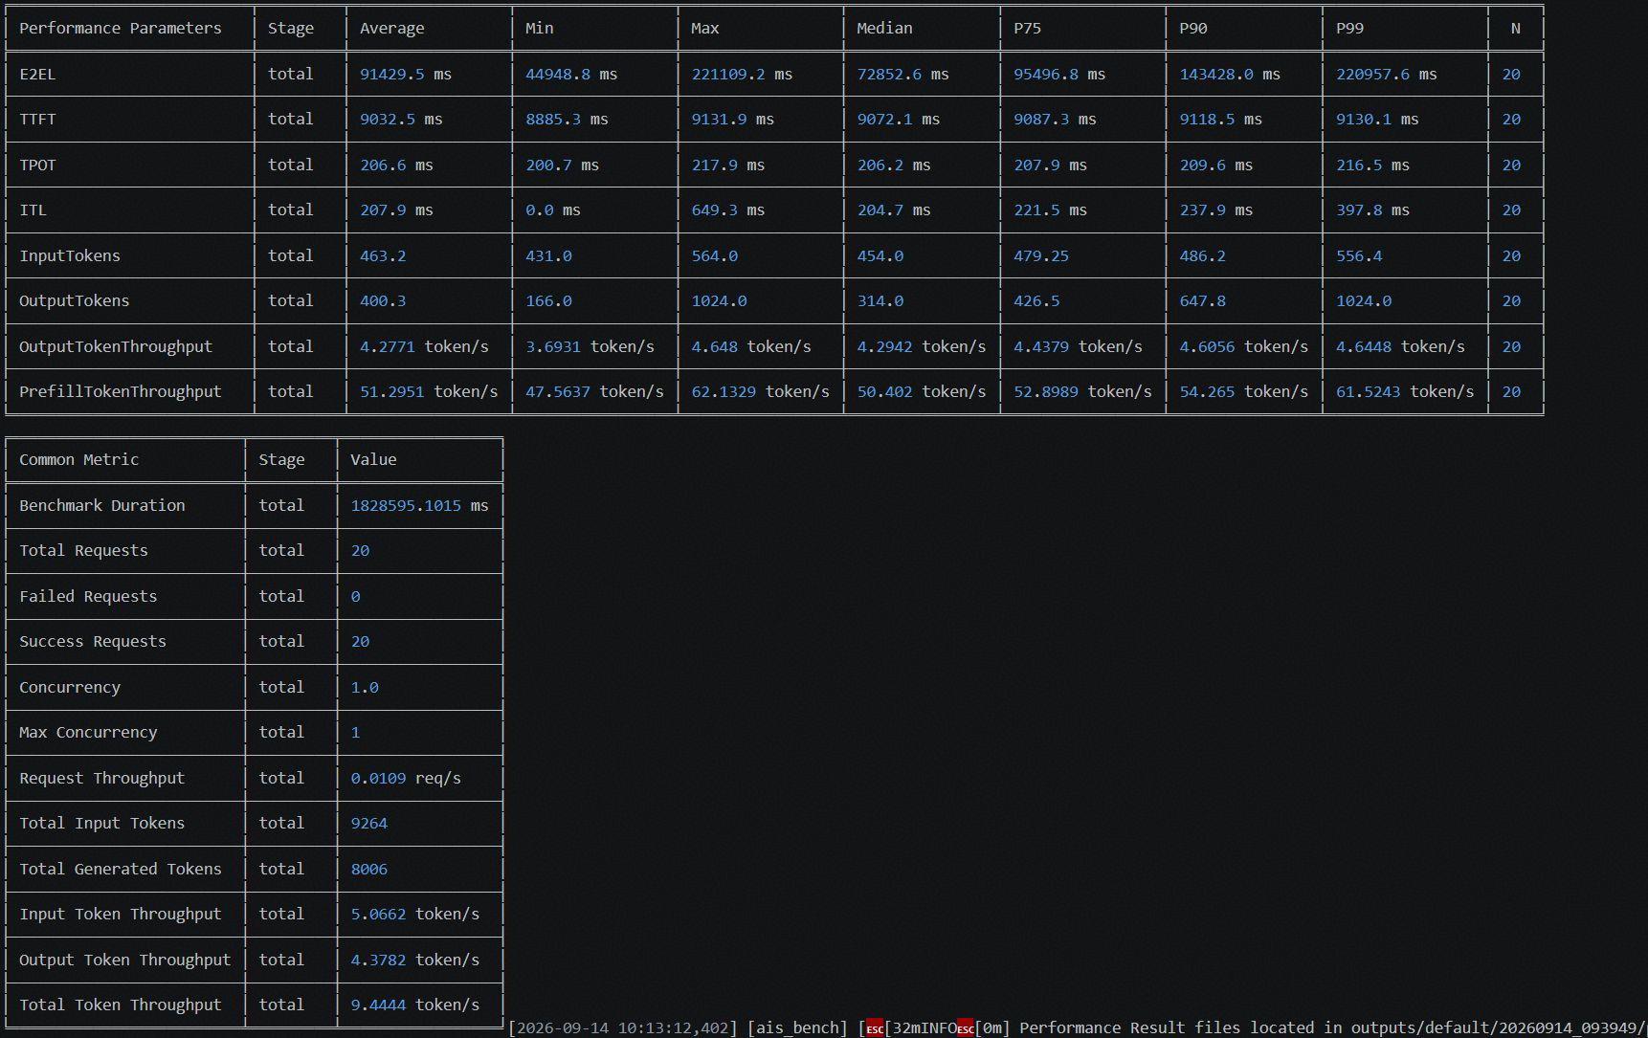
glm-5.2 w4a8c8 | 周天鸣 | 950dt arm | 性能 | 特性全开 | pd混部 | longbenchv2数据集 xxx/1k |  | 15 | 1 | 101463.4 | 195094.5 | 210.6 | 217.2 | 278.9 | 3.01 | 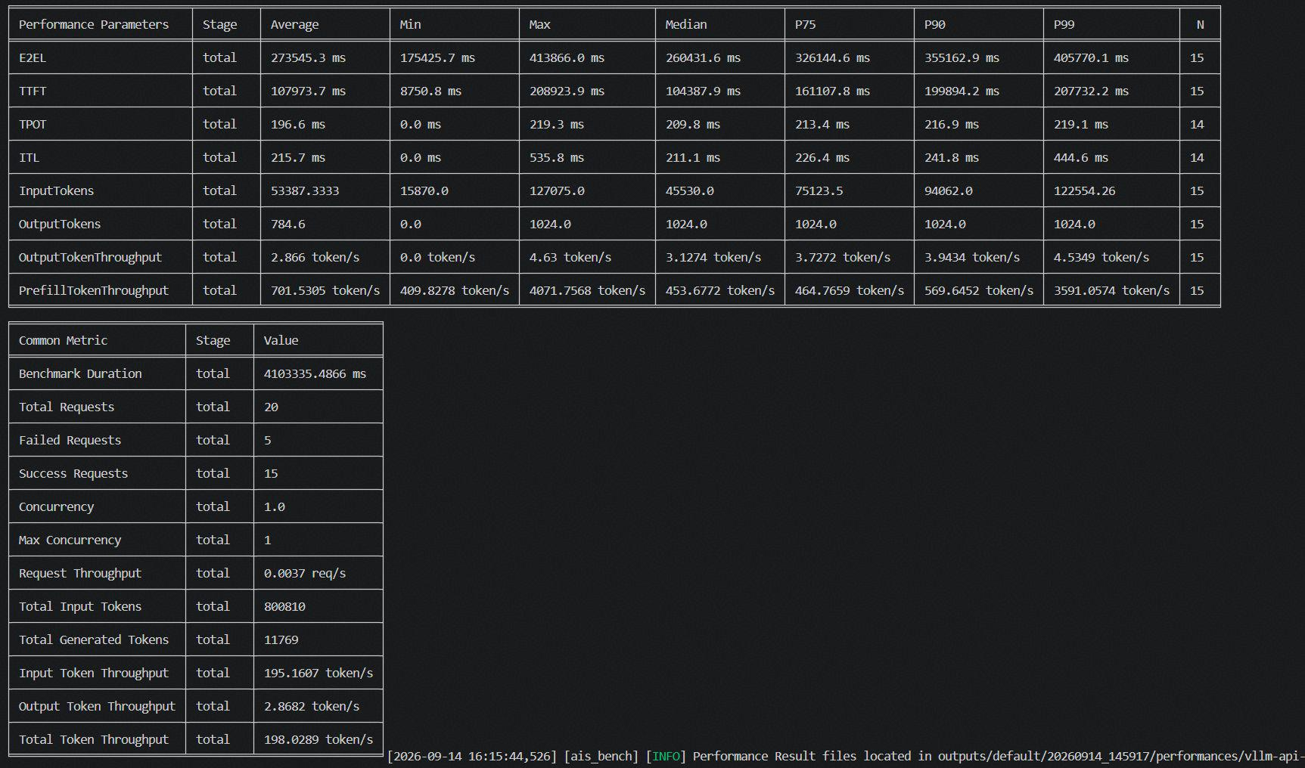
glm-5.2 w4a8c8 | 周天鸣 | 950dt arm | 性能 | prefetch 1常驻5卸载 | pd混部 | gsm8k数据集 xxx/128 |  | 10 | 1 | 5662.7 | 5664.3 | 5941.5 | 5941.6 | 760.2388 | 0.1684 | 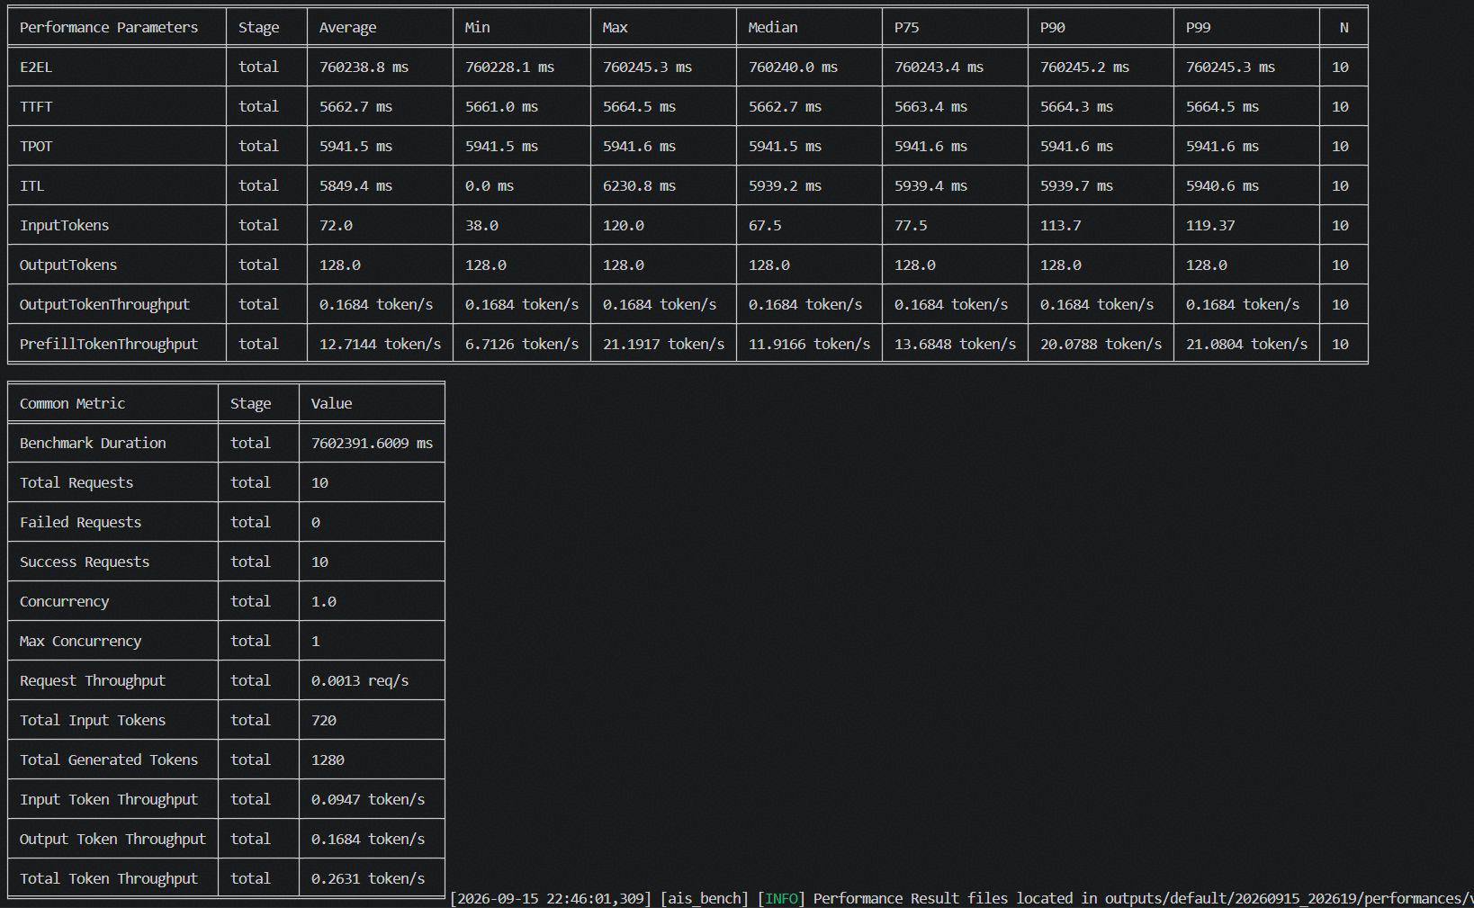
glm-5.2 w4a8c8 | 周天鸣 | 950dt arm | 性能 | prefetch 1常驻5卸载 | pd混部 | aimed026数据集 xxx/128 |  | 10 | 1 | 5662.1 | 5664.5 | 5941.5 | 5941.6 | 760.2377 | 0.1684 | 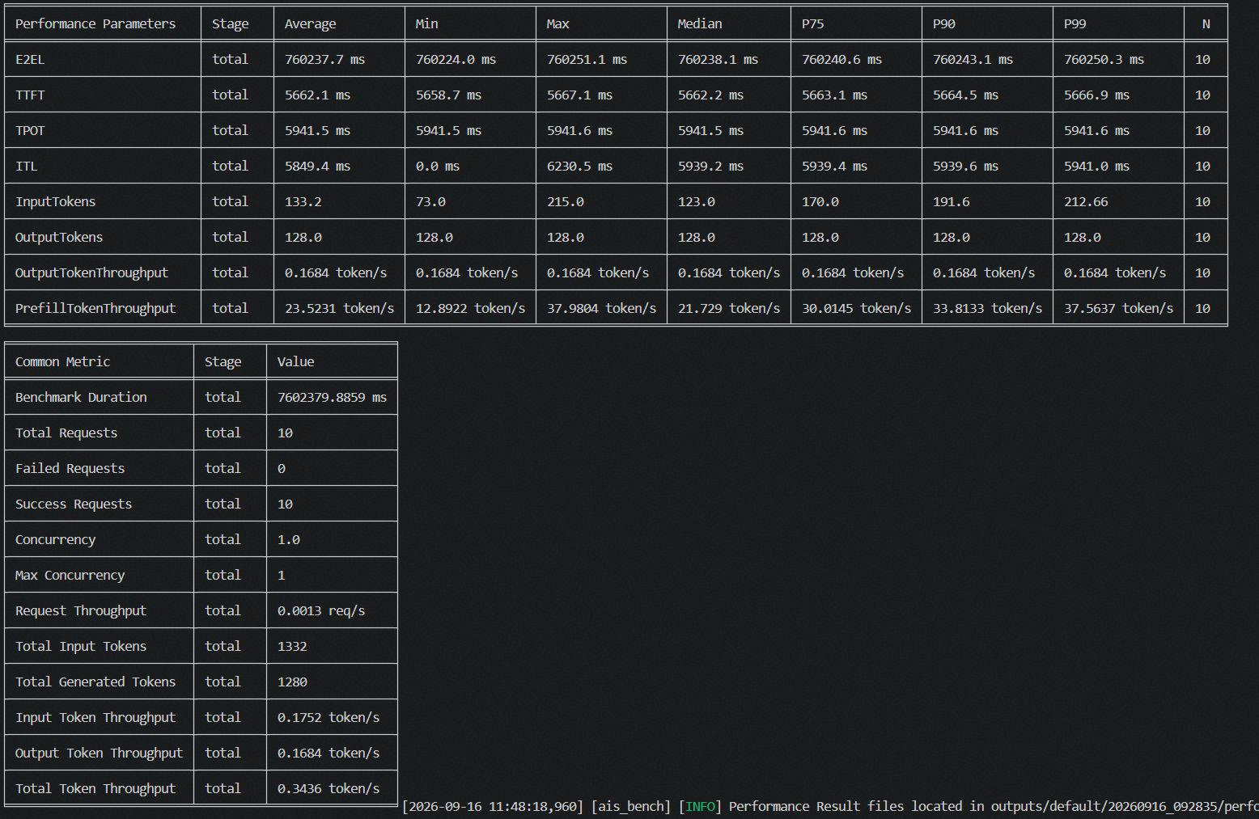
glm-5.2 w4a8c8 | 周天鸣 | 950dt arm | 性能 | prefetch 1常驻5卸载 | pd混部 | humaneval数据集 xxx/128 |  | 10 | 1 | 5663.2 | 5664.7 | 5941.7 | 5941.7 | 760.2549 | 0.1684 | 
glm-5.2 w4a8c8 | 周天鸣 | 950dt arm | 性能 | prefetch 1常驻5卸载 | pd混部 | mmlu数据集 xxx/128 |  | 10 | 1 | 5932.3 | 5935.2 | 5941.8 | 5941.8 | 760.5391 | 0.1683 | 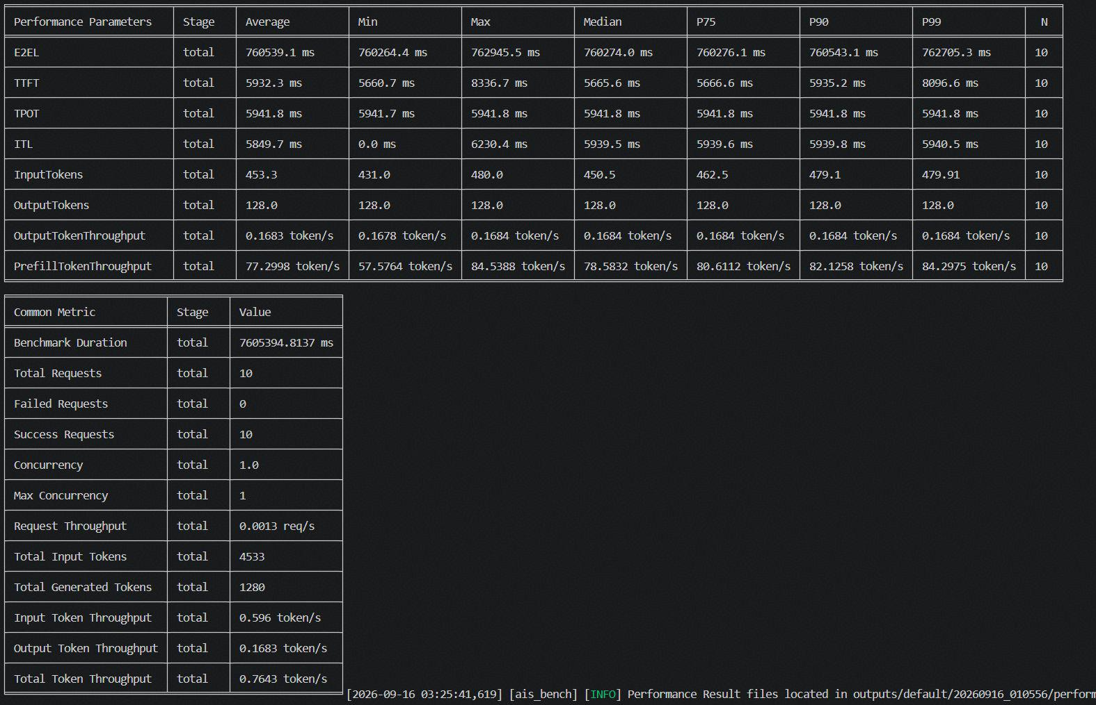
glm-5.2 w4a8c8 | 周天鸣 | 950dt arm | 性能 | prefetch 1常驻5卸载 | pd混部 | longbenchv2数据集 xxx/128 |  | 10 | 1 | 110850 | 202840.2 | 5941.8 | 5942 | 865.463 | 0.1479 | 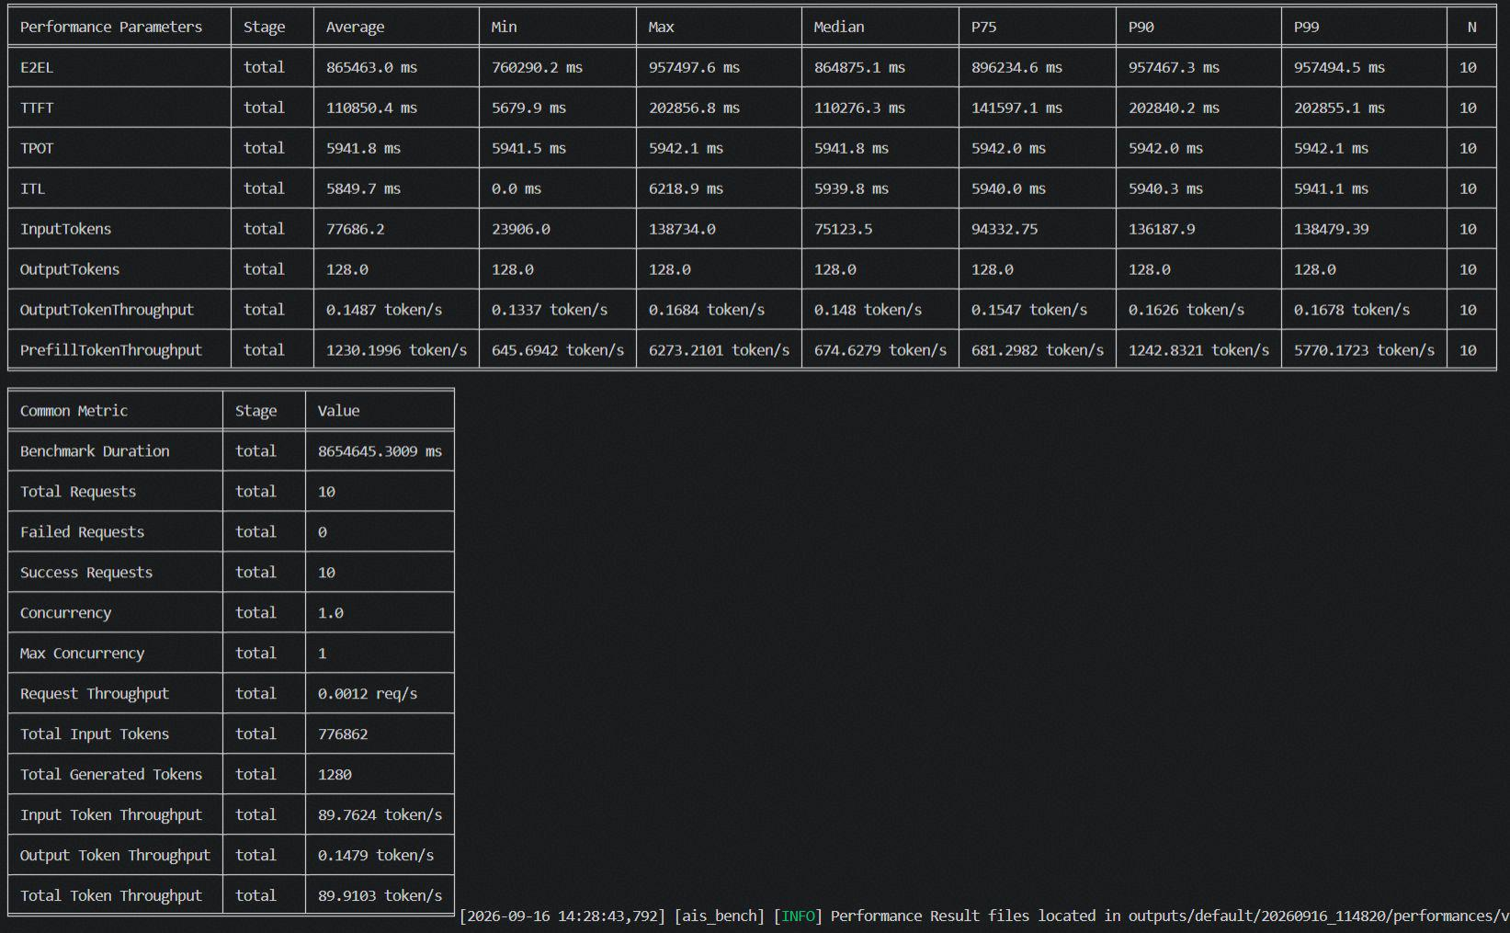

任务安排
@ | A5机器，最好都用x86吧，变量一致
数据集选择 |  |  |  | GSM8K：https://github.com/AISBench/benchmark/blob/master/ais_bench/benchmark/configs/datasets/gsm8k/README.md aime2026：https://github.com/AISBench/benchmark/blob/master/ais_bench/benchmark/configs/datasets/aime2026/README.md humanEval：https://github.com/AISBench/benchmark/blob/master/ais_bench/benchmark/configs/datasets/humaneval/README.md MMLU：https://github.com/AISBench/benchmark/blob/master/ais_bench/benchmark/configs/datasets/mmlu/README.md longbench v2：https://github.com/AISBench/benchmark/tree/master/ais_bench/benchmark/configs/datasets/longbenchv2/README.md
mtp是否开启 | 先统一不开
模型 | 单卡：deepseek v4 | 141网段：A5:/mnt/weight/A5-weights/DeepSeek-V4-Flash 90网段：/mnt/data/models/DeepSeek-V4-Flash
 | 多卡：kimi k3 | 141网段：/mnt/share/kimik3_0726/Kimi-K3
代码仓 | https://github.com/LookAround0301/vllm-ascend/commits/moe_offload_v0260rc_k3_0812
性能测试 | 测试20条 |  |  |  |  |  | 1、ktransform问题：-天鸣 缺少共享盘--找旭时要机子；
启动配置 | 不开mtp |  |  |  |  |  | 2、多卡实验；--缺少机子；
下载数据集 | https://ais-bench-benchmark.readthedocs.io/zh-cn/latest/get_started/datasets.html |  |  |  |  |  | 3、第二个问题--尤新凯，已经测完
使用镜像 | https://cmc-szv.clouddragon.huawei.com/cmcversion/index/componentVersionView?deltaId=15104712287519360&isSelect=Software |  |  |  |  |  | 4、第三个问题-夏志祥--确定一下
 |  |  |  |  |  |  | 5、第四个-尤新凯
大类 | 小类 | 评测内容 |  | 责任人 | 时间
有效性大表 | 仅offload：buffer=84 | 单卡 | 1、四类数据集，按照数据集测性能，不用生成prefix 2、长文本的输入长度8k/16k/32k/64k/128k，输出长度1k的性能 | 夏志祥 | 2026-08-25
 |  | 多卡 | 1、四类数据集，按照数据集测性能，不用生成prefix 2、长文本的输入长度8k/16k/32k/64k/128k，输出长度1k的性能 | 夏志祥 | 2026-08-25
 | 按层prefetch | 单卡 | 1、四类数据集，按照数据集测性能，不用生成prefix 2、长文本的输入长度8k/16k/32k/64k/128k，输出长度1k的性能 | 周天鸣 | 2026-08-25
 |  | 多卡 | 1、四类数据集，按照数据集测性能，不用生成prefix 2、长文本的输入长度8k/16k/32k/64k/128k，输出长度1k的性能 | 周天鸣 | 2026-08-25
 | GPU卸载实验 | 单卡 | 1、四类数据集，按照数据集测性能，不用生成prefix | ？？
 | 我们的方案 | 单卡 | 1、四类数据集，按照数据集测性能，不用生成prefix 2、长文本的输入长度8k/16k/32k/64k/128k，输出长度1k的性能 | 周天鸣 | 2026-08-26
 |  | 多卡 | 1、四类数据集，64k/1k的性能 2、长文本的输入长度8k/16k/32k/64k/128k，输出长度1k的性能 | 周天鸣 | 2026-08-26
不同数据集的专家命中实验 | 不同数据集的专家排序表 | 单卡 | 要跑全量的测试数据集的性能测试，获取专家的排序，专家：概率 | 尤新凯 | 2026-08-28
 | 不同数据集的专家命中率 | 单卡 | 跑数据，测试数据集；90机子，84 | 尤新凯 | 2026-08-28
同一数据集的实验-gsm8k | prefill和decode专家覆盖率 | 单卡 | 测试不同的输入长度的专家激活图：8k/16k/32k/64k/128k，横轴是层，纵轴是激活专家数 | 夏志祥 | 2026-08-26
针对于不做offload情况下 | prefill测试 | 单卡 | 和输入长度有关系 | 高永基 | 2026-08-25 |  | 双卡，不开mtp：ttft：3017ms -gsm8k
 | decode测试 | 单卡 | 正常性能测试 | 高永基 | 2026-08-25 |  | 双卡，不开mtp：tpot：20ms
开启特性的测试，命中率和tpot测试 | 不同buffersize的命中率 | 单卡 | 12/24/36/48/60/72/84/96/108/120个专家 | 高永基 | 2026-08-26 | expert=12 | layer rates：[0.14653802541545566, 0.14153313782992183, 0.14275835777127077, 0.3882678396871964, 0.44086275659823143, 0.4837335288367659, 0.4458146627565854, 0.44627781036168374, 0.48594428152493024, 0.469822873900306, 0.45587898338220056, 0.49810928641251195, 0.5373200391006838, 0.5291788856305066, 0.5266355816226908, 0.5236181818181836, 0.5437739980449662, 0.507301661779089, 0.5166299120234719, 0.38838983382208647, 0.5329413489736213, 0.43900488758553047, 0.4107192570869788, 0.3905898338220852, 0.4763212121212091, 0.42364907135874175, 0.49943949169110646, 0.4517092864125004, 0.4236850439882497, 0.4608697947214008, 0.46907996089931125, 0.3825718475073242, 0.49004770283478594, 0.5125466275659908, 0.45297419354837715, 0.41740762463341924, 0.511538807429136, 0.4844844574780085, 0.5463962854350094, 0.4604084066471173, 0.5954815249267011, 0.5003671554252456, 0.468907917888572] ✅ layer命中率 [0.14, 0.60], 均值 0.45 | expert=24 | layer rates：[0.3997593352882875, 0.38854584555222915, 0.4018828934505814, 0.6290398826979563, 0.6737953079179014, 0.7010048875855349, 0.6703464320625893, 0.6629767350928726, 0.6981298142717673, 0.6778299120234832, 0.6553861192571185, 0.7124275659824415, 0.7483913978495448, 0.7276987292278418, 0.7459114369502484, 0.7305878787879511, 0.7494185728250897, 0.7155663734116046, 0.7137990224829639, 0.61252414467256, 0.7161519061584185, 0.6407372434017911, 0.6320709677419633, 0.6064449657869346, 0.6736666666667135, 0.6291423264907671, 0.7071329423265679, 0.6337826001955439, 0.6516651026393357, 0.6711741935484499, 0.6718070381232135, 0.5975685239491921, 0.6959657869013423, 0.7076621700880354, 0.6772866080156978, 0.6157913978494919, 0.7185061583578362, 0.6939960899316117, 0.7318766373412279, 0.6773782991202759, 0.8007147605084002, 0.7180260019550794, 0.6998154447703291] ✅ layer命中率 [0.39, 0.80], 均值 0.66 | expert=36 | layer rates：[0.4729040078200771, 0.47072609970669294, 0.4878422287389463, 0.7060893450635668, 0.751104203323596, 0.769507331378363, 0.7480963831867421, 0.7268033235581914, 0.7862465298143556, 0.7446537634409114, 0.7467024437928207, 0.789710459433139, 0.8272347996091531, 0.8183657869014421, 0.841224828934713, 0.8153624633432732, 0.8305233626590077, 0.8069051808408182, 0.8165274682308367, 0.7015085043988717, 0.8114713587489204, 0.7311790811339959, 0.7204592375367235, 0.6910547409580291, 0.7657943304009114, 0.7233802541545468, 0.7830527859238957, 0.717949364613961, 0.7425249266863133, 0.7665259042034471, 0.7621556207234614, 0.6804871945259383, 0.7759581622679551, 0.7822871945260127, 0.7512441837733045, 0.7051270772238887, 0.7870113391985574, 0.7560914956012398, 0.8040346041057026, 0.7332052785924109, 0.838530009775315, 0.7626598240469628, 0.7296987292277967] ✅ layer命中率 [0.47, 0.84], 均值 0.74 | expert=48 | layer rates：[0.5118623655913427, 0.5045755620723182, 0.5045370478982935, 0.7542868035190914, 0.7845591397849934, 0.8165980449658666, 0.7955366568915649, 0.785009775171131, 0.8120240469209287, 0.7911397849463307, 0.7904572825025302, 0.8355855327469732, 0.8550261974586462, 0.8538025415446759, 0.8714005865104867, 0.857164809384357, 0.8745724340177862, 0.8545880742914918, 0.8604156402738786, 0.754617204301145, 0.8513614858261829, 0.7925241446726468, 0.7675055718476173, 0.7335773216032174, 0.7975765395895801, 0.7600609970675712, 0.8246316715544284, 0.7801530791790021, 0.7928666666667957, 0.8209827956990884, 0.8040463343109896, 0.741703616813382, 0.8204803519063085, 0.8248107526883278, 0.8091939393940738, 0.7753775171066506, 0.8350551319649598, 0.8136825024439119, 0.8563550342132732, 0.8067075268818282, 0.8981665689151381, 0.830757771261102, 0.8212850439883704] ✅ layer命中率 [0.50, 0.90], 均值 0.79 | expert=60 | layer rates：[0.6005706744867768, 0.5846054740957543, 0.6060981427174903, 0.8107908113392607, 0.8517763440861085, 0.8638111436951431, 0.8427374389052689, 0.8214825024439003, 0.8854545454546838, 0.844519648093976, 0.8425847507332472, 0.8845788856306509, 0.9001521016619899, 0.9020295210168277, 0.9187880742915219, 0.9152498533726369, 0.9175260997069294, 0.9026537634410652, 0.9021472140764278, 0.8037990224830295, 0.8958527859239448, 0.8409446725319537, 0.8178265884654644, 0.7953264907137251, 0.857657673509499, 0.8195249266863918, 0.8865966764420476, 0.8189935483872494, 0.8486909090910918, 0.8640177908115216, 0.8553536656893277, 0.794578494623797, 0.8693501466277577, 0.8785366568916777, 0.8609718475075181, 0.8180754643207724, 0.8800952101663596, 0.8663640273706403, 0.8975178885632265, 0.8449863147606261, 0.9250326490715041, 0.8704899315739296, 0.8517921798632605] ✅ layer命中率 [0.58, 0.93], 均值 0.84 | expert=72 | layer rates：[0.598926686216991, 0.6048248289345066, 0.603289736070358, 0.8263214076247247, 0.8645624633432318, 0.87280449657884, 0.8662187683285744, 0.8546377321604535, 0.883748973607201, 0.8675112414468794, 0.8648209188662166, 0.9056889540568849, 0.9253671554254276, 0.9254469208213152, 0.940984359726485, 0.9285548387098838, 0.9342367546433871, 0.920387292277811, 0.9213642228740904, 0.8423505376345288, 0.9168242424244324, 0.8792975562074363, 0.8682649071360675, 0.8380048875856971, 0.8893865102641446, 0.8555953079180826, 0.9071354838711738, 0.8638160312807196, 0.8772639296189652, 0.8963302052787817, 0.8831775171067315, 0.838801368524123, 0.9001495601175104, 0.8993782991204301, 0.8905235581624671, 0.854546041055869, 0.9086838709679244, 0.8936467253178754, 0.9229913978496529, 0.8775722385143176, 0.9433632453569444, 0.894306549364772, 0.8864432062562452] ✅ layer命中率 [0.60, 0.94], 均值 0.87 | expert=84 | layer rates：[0.6681567937438807, 0.6684879765395852, 0.6715759530791927, 0.8671004887586586, 0.8965337243403061, 0.9103343108505956, 0.8961110459434437, 0.8884217008799191, 0.9213769305964292, 0.8980347996091462, 0.8985032258065788, 0.9285264907137429, 0.9452885630500133, 0.9428840664713279, 0.9552531769307345, 0.9454359726296873, 0.9472199413491184, 0.9386320625612592, 0.9432361681330964, 0.8783081133921129, 0.9345219941350578, 0.9074320625612807, 0.8988844574781921, 0.8759788856306806, 0.9186297165202483, 0.8895714565006851, 0.9265149560119116, 0.8818125122191359, 0.9020232649073168, 0.9134733137831665, 0.9072383186707527, 0.8727360703814195, 0.9179700879767225, 0.9185556207235462, 0.9112177908115223, 0.8778570869991787, 0.9272027370480613, 0.910086608015802, 0.9346764418378931, 0.9008435972630877, 0.9534684261975768, 0.9215343108505722, 0.914859433040207] ✅ layer命中率 [0.67, 0.96], 均值 0.90 | expert=96 | layer rates：[0.7038217008797772, 0.7021978494623845, 0.7190936461388059, 0.8824772238515428, 0.9288044965788359, 0.9331493646140399, 0.9271247311829374, 0.9199884652983109, 0.9326731182797374, 0.9223241446726872, 0.920570087976687, 0.9488328445749254, 0.9590363636365079, 0.9540295210167734, 0.9688811339199609, 0.9570430107528352, 0.9625958944282815, 0.9523335288369111, 0.9564914956013219, 0.9064703812318391, 0.9540875855328895, 0.9326971652005707, 0.9234480938418279, 0.8979296187685202, 0.937374584555421, 0.9172527859239451, 0.9501812316717181, 0.917993352883857, 0.9322125122191307, 0.9428862170089523, 0.9349055718476725, 0.9078023460412477, 0.9407145650050531, 0.9469391984361277, 0.9400283479962447, 0.9209347018574516, 0.9474179863149015, 0.945368132942473, 0.9565047898339618, 0.9336754643207668, 0.9687333333334316, 0.9505526881721608, 0.9492924731183894] ✅ layer命中率 [0.70, 0.97], 均值 0.92 | expert=108 | layer rates：[0.7444541544477188, 0.7435376344086141, 0.7506807429130103, 0.9133595307919131, 0.9351648093842978, 0.9447915933530259, 0.9366072336267186, 0.9306043010754278, 0.9522758553275951, 0.9320148582601677, 0.936178103616941, 0.9592265884654332, 0.9679607038124339, 0.9674846529815482, 0.973899120234705, 0.9664500488759811, 0.9677859237537866, 0.9637495601174286, 0.9670541544478245, 0.9257212121213484, 0.9634475073314991, 0.9484789833823588, 0.946177712610123, 0.9222797653960828, 0.9555538611927242, 0.9392525904205048, 0.9605738025416849, 0.9346658846531425, 0.9516275659825489, 0.9542361681330812, 0.9492627565983947, 0.9307937438906929, 0.9529720430108986, 0.956129423265046, 0.9566091886609387, 0.9336797653960428, 0.9615595307919118, 0.9516774193549761, 0.9668615835778257, 0.9468553274683534, 0.9738072336266766, 0.9571700879766514, 0.960411143695122] ✅ layer命中率 [0.74, 0.97], 均值 0.94 | expert=120 | layer rates：[0.8426154447702923, 0.843534506353863, 0.8464086021505467, 0.945567546432192, 0.9587931573803788, 0.9613433040079471, 0.9546686217010045, 0.953583968719599, 0.9642512218965064, 0.9525874877811735, 0.9556377321604461, 0.9693313782992415, 0.9738132942327524, 0.9736189638319788, 0.980142130987373, 0.9747102639297275, 0.9781259042034113, 0.9727687194526997, 0.9743550342132036, 0.9511892473119476, 0.9732215053764423, 0.9639372434018841, 0.9622465298144027, 0.9409720430109194, 0.9671415444771568, 0.9542952101663288, 0.9725736070382291, 0.9531781036169593, 0.9636365591399132, 0.9676424242425372, 0.9620261974585884, 0.9493399804498119, 0.9652426197459677, 0.9696011730206392, 0.9663307917889742, 0.9526058651027709, 0.9723055718476133, 0.9658033235582781, 0.9747345063539596, 0.9622846529815358, 0.9812109481916625, 0.9676791788857351, 0.9704033235582539] ✅ layer命中率 [0.84, 0.98], 均值 0.96
 | LRC开关 | 单卡 | 开启/关闭 | 高永基 | 2026-08-26 | 关闭LRC：从第四层开始画图： tpot：65ms | hot_expert rates：[0.5672594040058581, 0.5198876404494384, 0.6005129457743038, 0.6172603810454319, 0.5099648265754754, 0.5497479237909112, 0.5777821201758636, 0.6051988275525124, 0.5716130923302365, 0.5625471421592557, 0.5553649242794276, 0.5834088910600878, 0.5306839276990708, 0.5741866145578866, 0.6111255495847576, 0.5445471421592551, 0.5358759159745928, 0.5941797752808978, 0.5477743038593055, 0.48184758182706344, 0.5043409868099636, 0.5763566194430875, 0.4907024914509023, 0.5833317049340485, 0.5566585246702491, 0.5243908158280393, 0.47976941866145656, 0.486628236443575, 0.5186829506595014, 0.5388734733756727, 0.5827318026380068, 0.5256365412799223, 0.5151089399120644, 0.5305764533463587, 0.605920859794821, 0.6837303370786498, 0.5945725451880772, 0.650918417195894, 0.6360595994137741, 0.5174645823155778] hot_expert命中率 0.56 | 开启LRC TPOT:45ms | hot_expert rates：[0.8123180873180893, 0.8665176715176741, 0.8670997920997946, 0.8459875259875286, 0.848669438669441, 0.8965072765072797, 0.8507172557172585, 0.8383264033264057, 0.854251559251563, 0.8832432432432464, 0.8873804573804596, 0.9166735966735998, 0.912193347193349, 0.886611226611229, 0.882650727650731, 0.8811746361746393, 0.8138461538461556, 0.8687110187110216, 0.8553222453222482, 0.8539604989605023, 0.8606133056133087, 0.8993347193347223, 0.8687525987526012, 0.8999584199584232, 0.8675675675675717, 0.869844074844078, 0.8730561330561355, 0.861195426195429, 0.8257796257796292, 0.887224532224535, 0.8887525987526008, 0.8741476091476128, 0.8057380457380482, 0.873264033264036, 0.8490956340956373, 0.8775779625779652, 0.8110395010395033, 0.8896361746361771, 0.8397713097713114, 0.8098752598752617] hot_expert命中率 0.86 | 消融实验： （不开近似替换） 仅关闭LRC tpot=46.8 | hot_expert rates：[0.777142407057338, 0.6015185885318206, 0.6998235664776306, 0.8008475110270893, 0.6057908002520471, 0.6698519218651535, 0.7089792060491494, 0.8257529930686759, 0.6814240705734076, 0.6936357908002523, 0.7663074984246989, 0.7895022054190255, 0.7883868935097632, 0.7230214240705729, 0.7605198487712647, 0.7959703843730276, 0.7172432262129819, 0.7294045368620018, 0.7117233774417127, 0.7212822936357869, 0.6973660995589144, 0.7905135475740346, 0.7192596093257704, 0.7566194076874588, 0.7362287334593536, 0.7188972904851887, 0.6797668557025834, 0.7124732199117828, 0.724896030245745, 0.7342879647132928, 0.7622054190296134, 0.7232199117832379, 0.7356836798991812, 0.6952520478890997, 0.6765784499054819, 0.7530088216761168, 0.7211499684940128, 0.7592911153119067, 0.727551984877124, 0.7190677165354308] hot_expert命中率 0.728 |  |  |  | ✅ layer命中率 [0.58, 0.93], 均值 0.84
 | 离线热点专家 | 单卡 | 开启/关闭 | 高永基 | 2026-08-25 | 关闭 | 同开启LRC | 开启: tpot:42.7 | hot_expert rates：[0.8108419958419986, 0.8796361746361777, 0.8887525987526016, 0.8564760914760943, 0.8508419958419983, 0.9079521829521857, 0.8673804573804603, 0.8446777546777574, 0.8831288981289015, 0.9163409563409601, 0.9222765072765107, 0.9449792099792125, 0.9418814968814996, 0.9274636174636199, 0.9178794178794211, 0.9007068607068635, 0.8101767151767181, 0.8968607068607103, 0.8952702702702738, 0.8651247401247434, 0.8841683991684022, 0.9381185031185058, 0.8661122661122692, 0.9379833679833716, 0.8863305613305641, 0.8957692307692336, 0.9046777546777575, 0.8962681912681941, 0.8503118503118526, 0.9207692307692344, 0.9149168399168426, 0.9014241164241188, 0.8078898128898154, 0.9028378378378402, 0.8490644490644517, 0.8996465696465722, 0.8334615384615417, 0.9074220374220403, 0.8586174636174664, 0.8345530145530158] hot_expert命中率 0.885 | "消融实验： （不开近似替换） 仅关闭离线热点专家" tpot=36.5 | hot_expert rates：[0.9058209895997394, 0.868559722659935, 0.8942987708792842, 0.9295367160415912, 0.881474944847139, 0.9184714780964297, 0.9056035297825298, 0.9368862275449013, 0.9071919319256134, 0.9261834226284181, 0.9343807122596821, 0.9498833911125042, 0.9413047589032383, 0.9358840214308133, 0.9217018594390086, 0.9361235423888977, 0.886233848093279, 0.909962192816626, 0.9048267170762352, 0.9168210459987309, 0.894609325771887, 0.9384341524889633, 0.9045683679899087, 0.9330371770636335, 0.911660365469432, 0.9208317580340178, 0.9137334593572691, 0.9185223692501495, 0.9018714555765512, 0.9216099558916115, 0.9253276622558196, 0.928339634530553, 0.914092627599234, 0.9173062381852468, 0.8934625078764881, 0.931301197227465, 0.9281127914303642, 0.927378701953363, 0.8985003150598528, 0.8984877126653985] hot_expert命中率 0.916
 | 动态buffer | 单卡 | 开启/关闭 | 高永基 | 2026-08-26 | 关闭 | 同开启离线热点专家 | 开启 tpot:42.6 | [0.8950831600831635, 0.8644490644490679, 0.8758835758835785, 0.9329937629937654, 0.8261226611226633, 0.8935239085239115, 0.847952182952186, 0.9298960498960521, 0.867858627858631, 0.9062266112266155, 0.9117879417879451, 0.9374636174636203, 0.9349272349272373, 0.9185654885654914, 0.9059251559251587, 0.8876507276507308, 0.9145322245322274, 0.8835446985447014, 0.8848752598752632, 0.8487110187110218, 0.8700207900207928, 0.9290748440748474, 0.8503846153846174, 0.9264656964656999, 0.8773596673596701, 0.8827442827442856, 0.8925467775467801, 0.8868503118503148, 0.8361330561330583, 0.9072765072765109, 0.9056860706860738, 0.8887422037422061, 0.9074324324324357, 0.8888565488565516, 0.831943866943869, 0.8850831600831627, 0.9250103950103975, 0.8931704781704811, 0.8386278586278608, 0.9281185031185055] hot_expert命中率 0.89 | "消融实验： （不开近似替换） 仅关闭动态buffer" TPOT:36.4 | hot_expert rates：[0.8406521739130364, 0.882766225582852, 0.9126023944549371, 0.8933396345305508, 0.8927221172022598, 0.9410964083175711, 0.92310964083175, 0.9000409577819692, 0.9237334593572695, 0.9516572148708176, 0.9538815374921154, 0.9675456836798931, 0.9582608695652106, 0.9588311279142957, 0.9451543793320639, 0.9591178323881465, 0.8387397605544964, 0.9397416509136655, 0.9296628859483219, 0.9292533081285358, 0.9174007561436576, 0.9604379332073024, 0.9175330812854345, 0.9573850031505923, 0.9231253938248195, 0.9371518588531748, 0.9340957781978483, 0.9321329552614923, 0.916127914303709, 0.946553245116566, 0.9428323881537408, 0.9486609955891557, 0.8508097038437215, 0.943878386893502, 0.9043730308758569, 0.950639571518581, 0.8740012602394371, 0.943667296786382, 0.9202205419029538, 0.8535842519684965] hot_expert命中率 0.923
 | 下一层预取 | 单卡 | 预取1/2/3个专家 | 高永基 | 2026-08-25 | 关闭 tpot:42.6 | [0.8950831600831635, 0.8644490644490679, 0.8758835758835785, 0.9329937629937654, 0.8261226611226633, 0.8935239085239115, 0.847952182952186, 0.9298960498960521, 0.867858627858631, 0.9062266112266155, 0.9117879417879451, 0.9374636174636203, 0.9349272349272373, 0.9185654885654914, 0.9059251559251587, 0.8876507276507308, 0.9145322245322274, 0.8835446985447014, 0.8848752598752632, 0.8487110187110218, 0.8700207900207928, 0.9290748440748474, 0.8503846153846174, 0.9264656964656999, 0.8773596673596701, 0.8827442827442856, 0.8925467775467801, 0.8868503118503148, 0.8361330561330583, 0.9072765072765109, 0.9056860706860738, 0.8887422037422061, 0.9074324324324357, 0.8888565488565516, 0.831943866943869, 0.8850831600831627, 0.9250103950103975, 0.8931704781704811, 0.8386278586278608, 0.9281185031185055] hot_expert命中率 0.89 | 开启 预取1个 TPOT:36 （消融的基线） | hot_expert rates：[0.9086631578947394, 0.8955052631578986, 0.9009789473684243, 0.9523894736842123, 0.8782842105263186, 0.9282315789473713, 0.9015578947368438, 0.9504947368421082, 0.9115157894736873, 0.9398210526315808, 0.9436736842105284, 0.9582736842105286, 0.9516842105263187, 0.9466210526315807, 0.9419473684210552, 0.9351368421052662, 0.9263684210526345, 0.9339894736842133, 0.9211157894736867, 0.9076105263157933, 0.8993894736842141, 0.9457157894736871, 0.8860842105263181, 0.9490736842105285, 0.9204736842105289, 0.9239052631578968, 0.9259473684210551, 0.9272000000000025, 0.8975157894736866, 0.9398210526315822, 0.9482105263157908, 0.929684210526318, 0.9247157894736877, 0.9190631578947397, 0.8601789473684229, 0.933484210526318, 0.9480315789473708, 0.9367052631578969, 0.8946947368421082, 0.9293789473684243] hot_expert命中率 0.924 | 开启，预取2个 tpot:35.9 | hot_expert rates：[0.9218683049779367, 0.8838153749212263, 0.9142218021423976, 0.9504284814114595, 0.8922652804032678, 0.9425866414618685, 0.9247227473219822, 0.9609420289854994, 0.9239256458727068, 0.9542911153119016, 0.9528449905481957, 0.9671739130434721, 0.9574732199117755, 0.9610459987397527, 0.943560176433513, 0.9618683049779387, 0.9264020163831038, 0.9437807183364756, 0.9328544423440354, 0.9332955261499594, 0.9198865784498953, 0.9591745431631928, 0.9182482671707527, 0.9571298046628798, 0.9305261499684858, 0.9409766855702506, 0.9371928166351509, 0.9439603024574591, 0.9254694391934373, 0.9510554505355956, 0.9466698172652722, 0.954250157529924, 0.9308790170132226, 0.9465942028985422, 0.9052867044738399, 0.9546880907372328, 0.9518462507876423, 0.945973534971636, 0.9268494013862556, 0.9289855072463689] hot_expert命中率 0.938 |  | 开启，预取3个 tpot:36.5 | hot_expert rates：[0.9223377441713834, 0.8889697542532984, 0.9164965343415155, 0.9518998109640746, 0.8955072463768028, 0.9446880907372308, 0.927659105229985, 0.9619344675488266, 0.9259136735979744, 0.9564429741650836, 0.9543100189035831, 0.9679080025204727, 0.9580592312539306, 0.9622054190296079, 0.9448802772526687, 0.963349086326395, 0.9279615626969031, 0.946824196597345, 0.9364902331442877, 0.9369187145557568, 0.9253434152488866, 0.9599212350346485, 0.9215059861373566, 0.9586011342154949, 0.9345494643982273, 0.9438626339004331, 0.9391367359798264, 0.9496817895400047, 0.9302930056710679, 0.9539540012602336, 0.9498739760554422, 0.9576559546313732, 0.9315059861373561, 0.9483238815374837, 0.9071644612476264, 0.9576969124133514, 0.9529458097038365, 0.9483396345305526, 0.9305639571518507, 0.9290078740157401] hot_expert命中率 0.941
 | 近似替换（下一层预取为1的情况下） | 单卡 | 开启/关闭 | 高永基 | 2026-08-26 | 关闭 | 同开启 预取1个 | 开启 tpot:37.7 慢的原因，要做cpu计算，花费了时间，需要进一步优化替换算法 但是bs2，mtp2，tpot=22，性能提升很大 | hot_expert rates：[1.0, 0.9999336714787358, 0.9996020288724151, 1.0, 1.0, 1.0, 0.9992703862660943, 0.9999336714787358, 0.9998673429574717, 1.0, 1.0, 1.0, 1.0, 1.0, 1.0, 0.9997346859149433, 0.9965548185719851, 0.9998673429574717, 0.9993367147873583, 1.0, 0.9993408736349452, 0.9994695787831511, 0.9999336973478938, 0.9999336973478938, 0.9986076443057722, 0.9991380655226207, 0.9998010920436816, 1.0, 0.999403276131045, 1.0, 0.9998673946957878, 1.0, 0.9992043681747268, 0.9999336973478938, 1.0, 1.0, 1.0, 1.0, 0.9999336973478938, 0.9999336973478938] hot_expert命中率 1.000
 | 上述开关都开启的情况下，开启mtp进行最优性能测试； | 单卡 | 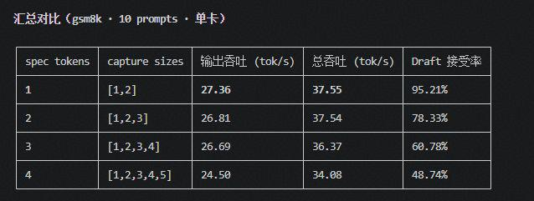 |  |  | 关闭mtp | hot_expert rates：[1.0, 0.9999336714787358, 0.9996020288724151, 1.0, 1.0, 1.0, 0.9992703862660943, 0.9999336714787358, 0.9998673429574717, 1.0, 1.0, 1.0, 1.0, 1.0, 1.0, 0.9997346859149433, 0.9965548185719851, 0.9998673429574717, 0.9993367147873583, 1.0, 0.9993408736349452, 0.9994695787831511, 0.9999336973478938, 0.9999336973478938, 0.9986076443057722, 0.9991380655226207, 0.9998010920436816, 1.0, 0.999403276131045, 1.0, 0.9998673946957878, 1.0, 0.9992043681747268, 0.9999336973478938, 1.0, 1.0, 1.0, 1.0, 0.9999336973478938, 0.9999336973478938] hot_expert命中率 1.000 | mtp1 tpot：23.1 采信率： - 平均值 = 95.21% - 范围：86.5% ~ 100.0%（最低 #14 86.5%，最高 #3/#13 100.0%） | [0.9978417266187055, 0.9976303956834537, 0.9967580935251806, 0.997819244604317, 0.9983678057553961, 0.9975404676258995, 0.9978192446043171, 0.9970143884892098, 0.9980665467625902, 0.9988669064748199, 0.9991052158273382, 0.9992131294964028, 0.9991501798561152, 0.9988893884892089, 0.9990152877697841, 0.9982374100719428, 0.9886735611510822, 0.9980980215827346, 0.9976438848920869, 0.9977562949640297, 0.9984667266187053, 0.9987050359712232, 0.9982464028776982, 0.9986196043165471, 0.9974415467625909, 0.9984442446043169, 0.9970728417266196, 0.9980845323741014, 0.9965827338129503, 0.9989928057553956, 0.9980170863309358, 0.9988938848920865, 0.994869604316548, 0.998493705035971, 0.9973471223021593, 0.9989208633093527, 0.9962544964028788, 0.9988579136690652, 0.9986870503597124, 0.9995953237410073] hot_expert命中率 0.998 | mtp2 tpot:21.5 采信率： - spec=2：共 15 条，平均值 = 78.33% | hot_expert rates：[0.9944527829893692, 0.9972420262664173, 0.9935709818636658, 0.9958411507192005, 0.9979862414008761, 0.9959974984365236, 0.9959287054409013, 0.9961413383364612, 0.9973045653533463, 0.9988680425265791, 0.9996122576610382, 0.9990243902439028, 0.999080675422139, 0.9993120700437774, 0.9984740462789247, 0.9972732958098817, 0.9745716072545371, 0.9960975609756108, 0.9963164477798626, 0.9942839274546604, 0.9960475297060671, 0.998455284552846, 0.9965103189493445, 0.9981488430268919, 0.9937585991244541, 0.996385240775485, 0.994671669793622, 0.996985616010007, 0.9926454033771124, 0.9981988742964357, 0.9970231394621646, 0.9979111944965608, 0.9878111319574763, 0.9987742338961857, 0.9948655409631028, 0.9986241400875548, 0.9906504065040669, 0.9984990619136962, 0.999355847404628, 0.9999562226391494] hot_expert命中率 0.996 | mtp3 tpot:22.3 采信率： spec=3：共 16 条，平均值 = 60.78% | [0.9939720558882257, 0.9959880239520973, 0.9923020625415853, 0.9944178310046595, 0.9968795741849644, 0.9947970725216246, 0.9939986693280117, 0.9947771124417848, 0.9961876247504997, 0.9983566200931472, 0.9992548236859616, 0.9993612774451099, 0.9987292082501668, 0.9987757817697941, 0.9977578176979383, 0.9960612109115115, 0.9712508316700005, 0.9938855622089171, 0.9934464404524305, 0.9907584830339345, 0.9920625415835019, 0.9982102461743183, 0.9946972721224233, 0.9973053892215575, 0.9910645375914855, 0.9953226879574201, 0.9915568862275476, 0.9939654025282784, 0.9894810379241552, 0.9962874251497014, 0.9950033266799747, 0.9971257485029946, 0.9834797072521678, 0.9975981370592154, 0.9906320691949462, 0.9967864271457092, 0.9877777777777815, 0.997957418496341, 0.99851630073187, 0.9998336660013308] hot_expert命中率 0.994 | mtp4 tpot:24.7 采信率： spec4 接受率拿到了（48.74%） | hot_expert rates：[0.9922496263079255, 0.9950597907324386, 0.9907100149476857, 0.9925934230194355, 0.9960687593423038, 0.99325859491779, 0.992884902840063, 0.9917040358744431, 0.9962705530642764, 0.9979222720478331, 0.9994544095665175, 0.9991704035874442, 0.9987742899850528, 0.9987369207772798, 0.9968684603886407, 0.9959342301943211, 0.9718535127055365, 0.9942600896861008, 0.9929521674140535, 0.9893796711509754, 0.9909641255605426, 0.9981539611360244, 0.9941255605381181, 0.9969955156950682, 0.9898953662182387, 0.9951494768310927, 0.9910239162929778, 0.9930269058295991, 0.9873094170403635, 0.9958819133034391, 0.9945291479820644, 0.9957473841554574, 0.9798056801195891, 0.9975336322869964, 0.9890807174887932, 0.9960612855007488, 0.9854185351270612, 0.9975186846038872, 0.99711725168036, 0.9999178491411502] hot_expert命中率 0.994
 |  |  |  |  |  |  |  |  | 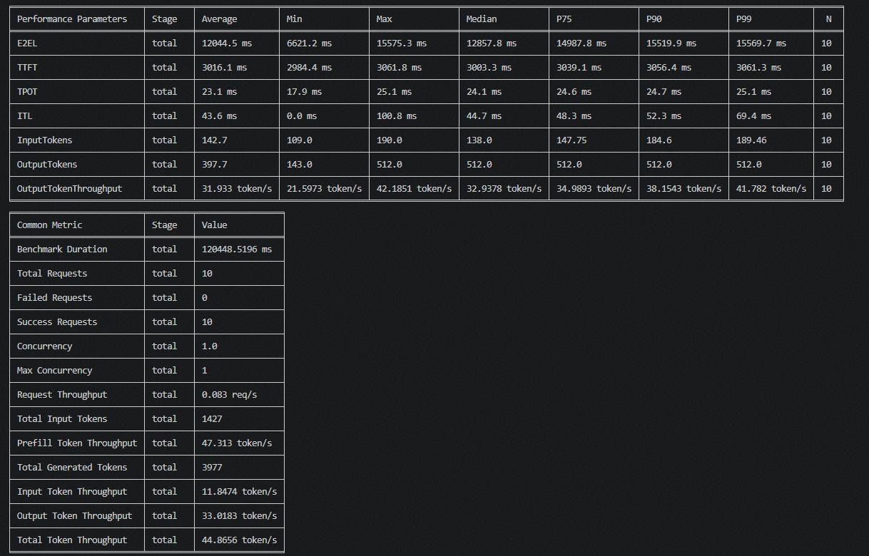 |  | 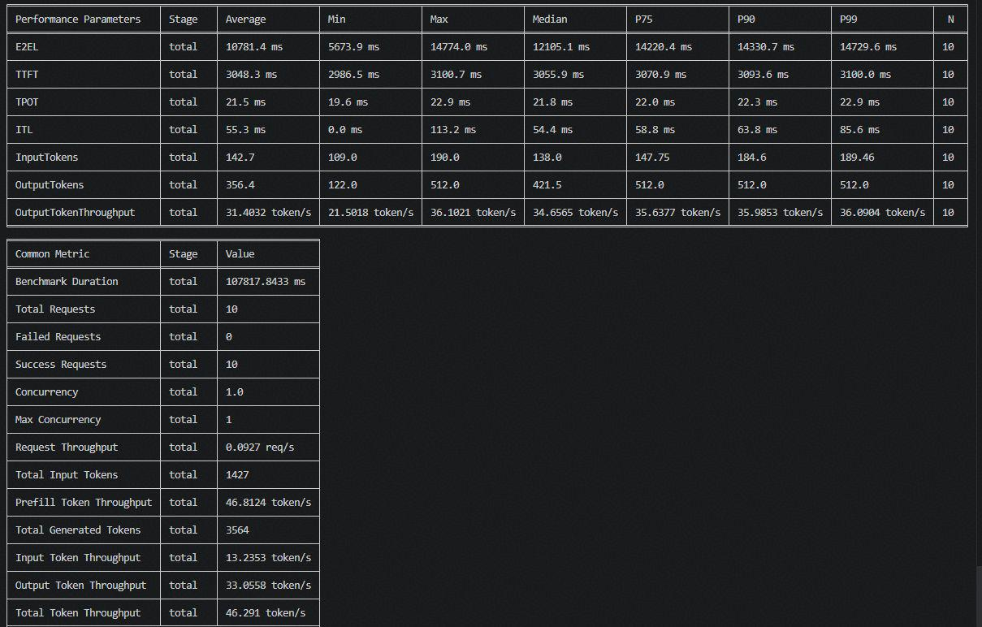 |  | 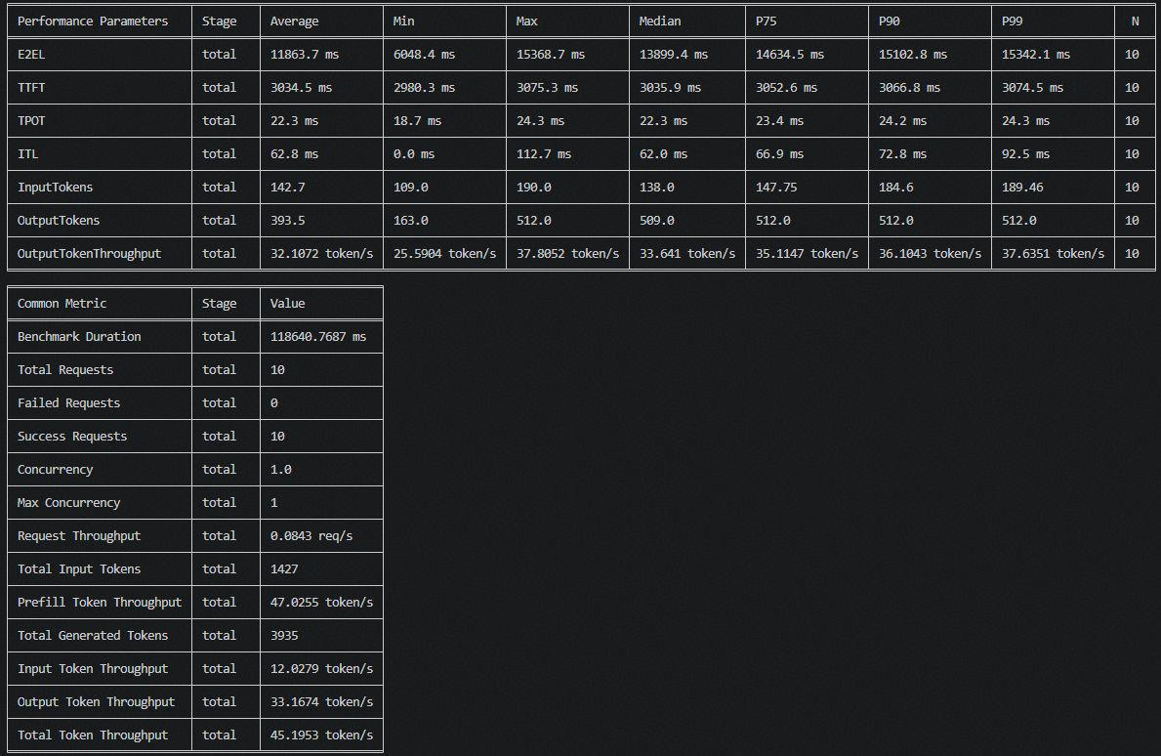 |  | 