Statement
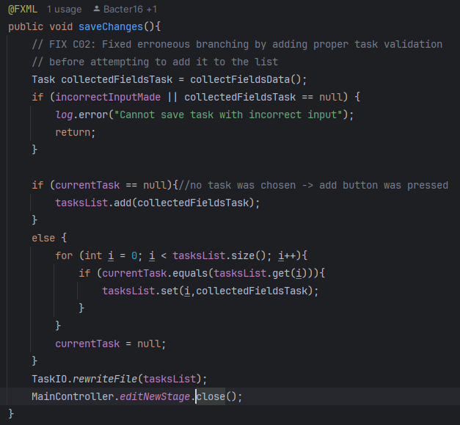
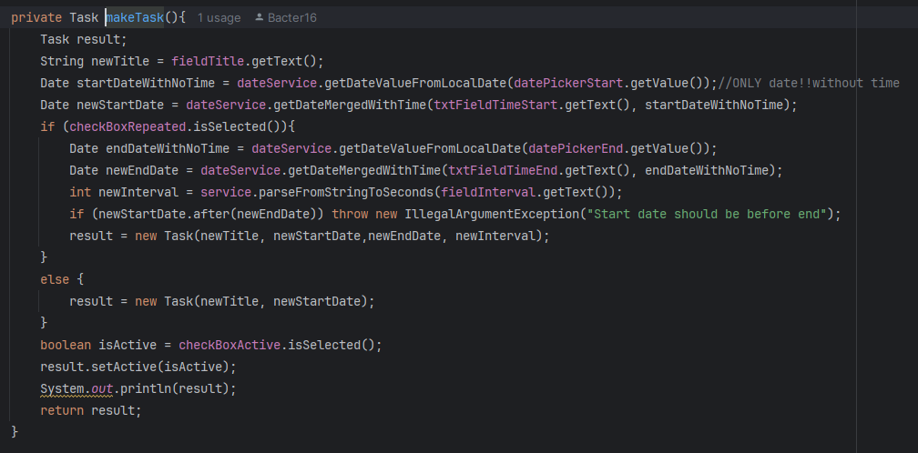
 | VVSS, Info Romana, 2024-2025 | Lab02. Black-box Testing. ECP, BVA
 |  | Echipa
 |  |  | Numele si prenumele | Grupa
 |  | Student 1: | Bacter Cristian | 231
 |  | Student 2: | Baciu Florin | 231
 |  | Student 3: | Bozga Bianca | 231

Tehnicile ECP si BVA sunt exemplificate pentru problema de mai jos. Studentii vor aplica aceeasi modalitate de lucru pentru proiectul primit in Lab01.
[Unit BBT]
Proiectaţi şi implementaţi o aplicaţie Java pentru rezolvarea problemei propuse. Se va evidenţia o arhitectură stratificată.
Informaţiile vor fi preluate din fişiere text.

1. Evidenţa filmelor din colecţia personală
Un cinefil doreşte să îşi dezvolte un program pentru gestionarea filmelor din colecţia personală. Programul va permite următoarele operaţii:
F01. adăugarea unui film nou (titlu, regizor, an aparitie, actori, categorie, cuvinte cheie);

Observații
1. La proiectarea TCs se consideră o metodă care poate avea următoarea semnătură:
 | addMovie(String title, String director, int year, List<String> actors, String category, List<String> keywords): void
2. Metoda este definită la nivelul repository, service sau ui.
3. Se aleg doi parametri ai metodei testate şi se definesc condiţii asupra acestora. Condiţiile (constrângerile) rezultă din specificaţii.
4. Pentru aceşti parametri se aplică ECP şi BVA. La proiectarea testelor se consideră că parametrii de intrare neinvestigaţi aici au valori valide, adică folosim dummy objects.
Exemplu: Parametrii title şi year; Condiţii pentru aceşti parametri de intrare: title este un string cu lungimea validă de la 1 la 255 caractere; year este valid dacă ia valori între 1899 şi 2025.

