Sheet1
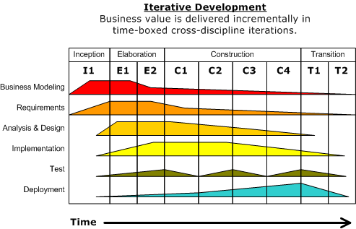
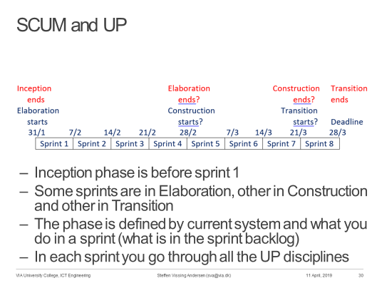
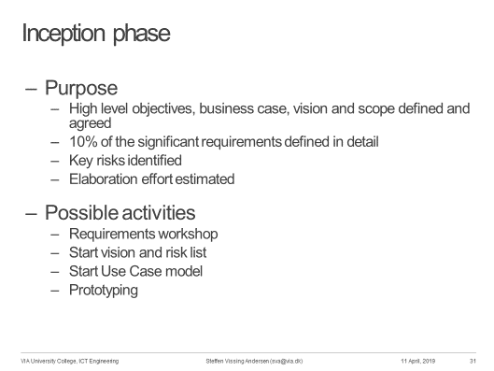
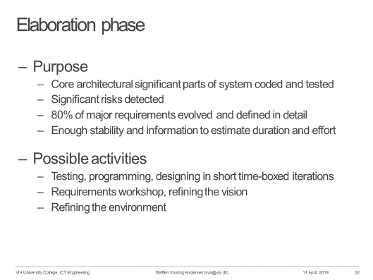
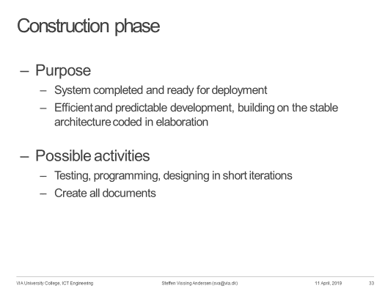
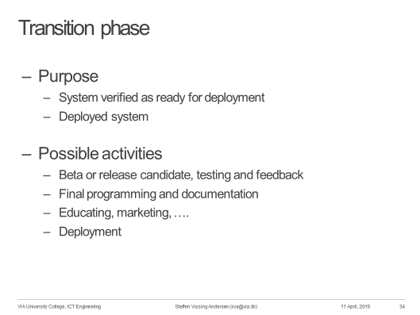
Date |  | Story points |  | Remaining |  | Done
 |  | Planed | Actual | Planned | Actual | Done today
 | 0 | 0 |  | 168 | 168
Burndown Chart
2019-03-28 | 1 | 8 | 0 | 160 | 168 | 0
2019-04-04 | 2 | 8 | 0 | 152 | 168 | 0
2019-04-11 | 3 | 8 | 0 | 144 | 168 | 0
2019-05-02 | 1 | 8 | 0 | 136 | 168 | 0
2019-05-09 | 2 | 8 | 0 | 128 | 168 | 0
2019-05-16 | 3 | 8 | 0 | 120 | 168 | 0
2019-05-20 |  | 8 | 4 | 112 | 164 | 4
2019-05-21 |  | 8 | 5 | 104 | 159 | 5
2019-05-22 |  | 8 | 6 | 96 | 153 | 6
2019-05-23 |  | 8 | 8 | 88 | 145 | 8
2019-05-24 |  | 8 | 8 | 80 | 137 | 8
2019-05-27 |  | 8 | 8 | 72 | 129 | 8
2019-05-28 |  | 8 | 8 | 64 | 121 | 8
2019-05-29 |  | 8 | 8 | 56 | 113 | 8
2019-05-30 |  | 8 | 8 | 48 | 105 | 8
2019-05-31 |  | 8 | 8 | 40 | 97 | 8
2019-06-01 |  | 8 | 8 | 32 | 89 | 8
2019-06-03 |  | 8 | 8 | 24 | 81 | 8
2019-06-04 |  | 8 | 8 | 16 | 73 | 8
2019-06-05 |  | 8 | 8 | 8 | 65 | 8
2019-06-06 |  | 8 | 8 | 0 | 57 | 8

