Trees & Arrangment

FLOWER CENTER L.L.C |  |  |  |  |  |  |  | فلور سنتر-الشارقة
Tel: +971 6 545 5558 / +971 55 965 3555 |  |  |  |  |  |  |  | Tel: +971 6 545 5558 / +971 55 965 3555
Email: artificial.trees3@gmail.com |  |  |  |  |  |  |  |  | بريد إلكتروني: artificial.trees3@gmail.com
Address: United Arab Emirates, Sharjah |  |  |  |  |  |  |  |  | العنوان: الإمارات العربية المتحدة , الشارقة
TRN: 100393229800003 |  |  |  |  |  |  |  |  | 100393229800003 :رقم التسجيل الضريب
Management Contact: maheraktaa2000@gmail.com |  |  |  |  |  |  |  |  | للتواصل مع الادارة: maheraktaa2000@gmail.com
To: | Name: Mr/s. | Quotation |  |  |  |  |  | Quot. Date: | 19/03/2026
 | Company: |  |  |  |  |  |  | Quot. No: | AH-24101701
 | TRN: |  |  |  |  |  |  | Salesperson:
 | Tel: |  |  |  |  |  |  | Contact:
S.No | Picture | Item.No | Description | Length | Width | Production Time | QTY | Unit Price | Total (AED)
No.1 | 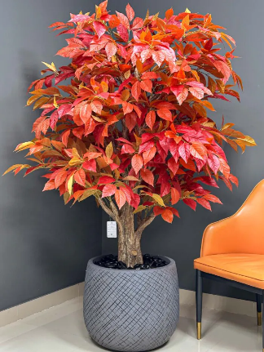 | 123456 | PALM TREE | 2.00 | 13.30 | 7 days | 2 | 13.25 | 26.50
No.2 | 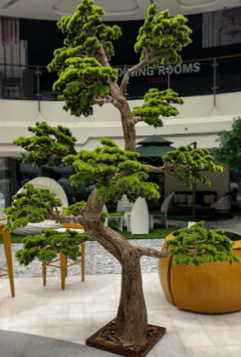 | 546423 | bonsai tree | 3.00 | 1.75 |  |  |  | 0.00
0 |  |  |  |  |  |  |  |  | 0.00
0 |  |  |  |  |  |  |  |  | 0.00
0 |  |  |  |  |  |  |  |  | 0.00
0 |  |  |  |  |  |  |  |  | 0.00
0 |  |  |  |  |  |  |  |  | 0.00
0 |  |  |  |  |  |  |  |  | 0.00
0 |  |  |  |  |  |  |  |  | 0.00
0 |  |  |  |  |  |  |  |  | 0.00
0 |  |  |  |  |  |  |  |  | 0.00
0 |  |  |  |  |  |  |  |  | 0.00
0 |  |  |  |  |  |  |  |  | 0.00
0 |  |  |  |  |  |  |  |  | 0.00
0 |  |  |  |  |  |  |  |  | 0.00
0 |  |  |  |  |  |  |  |  | 0.00
0 |  |  |  |  |  |  |  |  | 0.00
0 |  |  |  |  |  |  |  |  | 0.00
0 |  |  |  |  |  |  |  |  | 0.00
0 |  |  |  |  |  |  |  |  | 0.00
 |  |  |  |  |  | TOTAL Qty: | 0 pcs | Subtotal | AED 26.50
 |  |  |  |  |  | Delivery |  |  | AED 0.00
 |  |  |  |  |  | Installation Work |  |  | AED 0.00
 |  |  |  |  |  | Additional Details |  |  | AED 0.00
 |  |  |  |  |  |  |  | Total Taxable | AED 26.50
 |  |  |  |  |  |  |  | VAT ( 5% ) | AED 1.33
»Amount in Words: Twenty-Seven and 825 Fils |  |  |  |  |  |  |  | Net Total | AED 27.83

Terms & Conditions

1. 50% of the order value must be paid in advance. This amount is non-refundable, and order processing begins only after the amount is received in our bank account.
2. Payment of the first installment constitutes full acceptance of these terms and conditions.
3. The remaining 50% must be paid once the order is ready, and before delivery to the client, courier, or delivery representative.
4. A penalty of 1% of the total order value per day will be charged for each day the client delays receiving the order.
5. If the accumulated penalty equals the advance payment, the client forfeits their right to the order, and the company reserves the right to cancel it without refund.
6. All sales are final. No returns or exchanges are accepted.
7. The company is not responsible for any damage that occurs to the product after it leaves our premises.
Thank you for your business!
* Bank Account Name: FLOWER CENTER LLC. Account NO: 15339805 Bank Name:Abu Dhabi Islamic Bank - ( ADIB ) IBAN AE130500000000015339805 Swift Code: ABDIAEAD Currency:AED

