neurotensin
neurotensin
>sp|P20789|NTR1_RAT Neurotensin receptor type 1 OS=Rattus norvegicus OX=10116 GN=Ntsr1 PE=1 SV=1 MHLNSSVPQGTPGEPDAQPFSGPQSEMEATFLALSLSNGSGNTSESDTAGPNSDLDVNTD IYSKVLVTAIYLALFVVGTVGNSVTAFTLARKKSLQSLQSTVHYHLGSLALSDLLILLLA MPVELYNFIWVHHPWAFGDAGCRGYYFLRDACTYATALNVASLSVERYLAICHPFKAKTL MSRSRTKKFISAIWLASALLAIPMLFTMGLQNRSGDGTHPGGLVCTPIVDTATVKVVIQV NTFMSFLFPMLVISILNTVIANKLTVMVHQAAEQGRVCTVGTHNGLEHSTFNMTIEPGRV QALRHGVLVLRAVVIAFVVCWLPYHVRRLMFCYISDEQWTTFLFDFYHYFYMLTNALFYV SSAINPILYNLVSANFRQVFLSTLACLCPGWRHRRKKRPTFSRKPNSMSSNHAFSTSATR ETLY
https://www.sciencedirect.com/science/article/pii/S002228360900535X?via%3Dihub

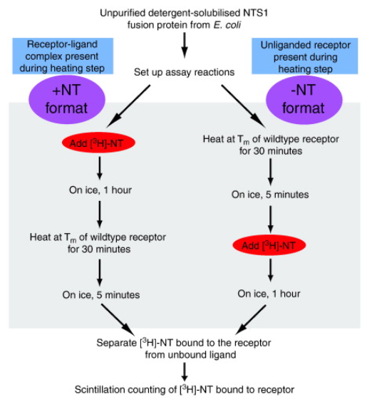
Neurotensin residue | Stability % of apo form | Stability % of agonist bound
wt | 50 | 50
L72A% | 68 | 23
A73L | 58 | 67
A86L | 82 | 118
A90L | 59 | 74
L95A* | 54 | 47
H103A | 85 | 76
S108A | 70 | 31
S112A* | 58 | 46
D113A% | 159 | 24
I116A | 74 | 39
V165A | 53 | 75
T179A | 62 | 30
M181A% | 70 | 39
R183A | 52 | 64
F189A% | 63 | 40
S191A | 49 | 40
L205A | 69 | 29
T207A% | 65 | 31
I260A | 58 | 78
V268A | 66 | 44
G306A# | 48 | 80
L308A | 51 | 70
F342A | 52 | 88
D345A% | 84 | 32
A356L | 86 | 41
F358A | 74 | 109
S362A | 64 | 66
N370A# | 72 | 74
A385L | 81 | 56
C386A | 80 | 43
R392A | 69 | 54
H393A | 75 | 46
K397A | 77 | 37
P399A | 68 | 41

β1AR
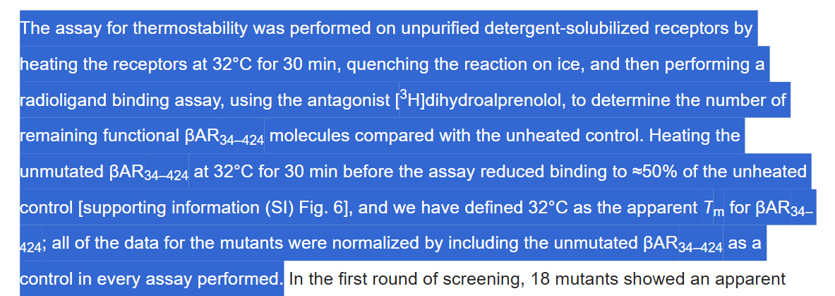

β1-adrenergic receptor | >sp|P07700|ADRB1_MELGA Beta-1 adrenergic receptor OS=Meleagris gallopavo OX=9103 GN=ADRB1 PE=1 SV=1 MGDGWLPPDCGPHNRSGGGGATAAPTGSRQVSAELLSQQWEAGMSLLMALVVLLIVAGNV LVIAAIGRTQRLQTLTNLFITSLACADLVMGLLVVPFGATLVVRGTWLWGSFLCECWTSL DVLCVTASIETLCVIAIDRYLAITSPFRYQSLMTRARAKVIICTVWAISALVSFLPIMMH WWRDEDPQALKCYQDPGCCDFVTNRAYAIASSIISFYIPLLIMIFVYLRVYREAKEQIRK IDRCEGRFYGSQEQPQPPPLPQHQPILGNGRASKRKTSRVMAMREHKALKTLGIIMGVFT LCWLPFFLVNIVNVFNRDLVPDWLFVFFNWLGYANSAFNPIIYCRSPDFRKAFKRLLCFP RKADRRLHAGGQPAPLPGGFISTLGSPEHSPGGTWSDCNGGTRGGSESSLEERHSKTSRS ESKMEREKNILATTRFYCTFLGNGDKAVFCTVLRIVKLFEDATCTCPHTHKLKMKWRFKQ HQA
doi.org/10.1073/pnas.071125310
Stability quotient indicates the percent stability of the mutants after heating the sample for 30 min at 32°C. All values are normalized to βAR34–424 (50%, shown as a discontinuous line) to remove any experimental variability between assays.
Alanine scanning
Mutation | Stability Quotient (%)
I055 | 78
G067 | 72
R068 | 60
V089 | 25
M090 | 110
G098 | 100
I129 | 120
S151 | 60
V160 | 58
Q194 | 65
G197 | 50
L221 | 65
Mutation | Stability Quotient (%)
Y227 | 100
R229 | 75
V230 | 95
A234 | 60
A282 | 95
D322 | 70
F327 | 60
A334 | 70
F338 | 75

