Life History
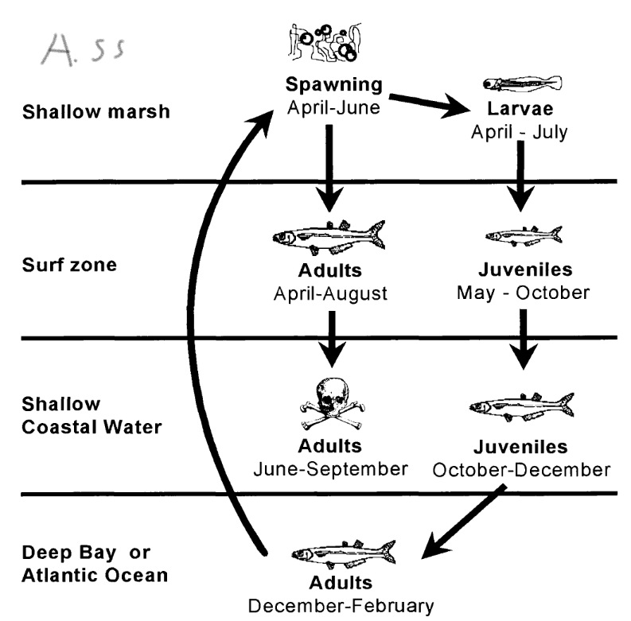
Common | Scientific | Spawning Period | Hatch Size | Yoy max Length (mm) | Max Length (mm) TL | Pg # |  | Life History
Atlantic silverside | Menidia menidia | March to August |  | 80 | 150/180 | 120 | 39 | During a new or full moon and at the highest tide, they gather in schools to lay their eggs along the sandy bottom.
Atlantic needlefish | Strongylura marina | May to June |  | 190-400 | 1110 | 100 |  | Females have only one ovary. Her round eggs sink to the bottom, where they attach by adhesive fibers to underwater grass blades and other surfaces.
blue crab | Callinectes sapidus | May to October |  | 128 | 227 wd |  |  | Reproduction in blue crabs includes an extensive, pheromone-mediated courtship, followed by copulation, storage of sperm,and internal fertilization of eggs
spot | Leiostomus xanthurus | September to March | 1.65 | 170-210 | 360 | 176 | 373 | Tiny larvae enter the Bay and move to freshwater shallows and tidal creeks, where they stay and grow throughout the summer. leave the Bay by December. Spot mature at two to three years old and can live for five years, but they rarely live longer than three years.
inland silverside | Menidia beryllina | April to September |  | 4.-20 | 150 | 118
striped bass | Morone saxatilis | April to June |  | 150-270 | 2000 | 145 | 320 | semi-anadromous fish; most do not travel all the way from the ocean to their spawning grounds in freshwater rivers. After spawning, adults swim downstream to the Bay, and some continue on to the ocean. Most spend their first two years of life in the river in which they were born. Striped bass live 10 to 30 years.
bluefish | Pomatomus saltatrix | March to May, June to August |  | 300 | 1300 | 157 | 326 | Chesapeake bluefish mostlikely bor in mid atlantic bight in summer
bay anchovy | Anchoa mitchilli | May to Septermber |  |  | 100/110 | 66 | 188 | peak spawn in July. Females can spawn up to 50 times each season, producing more than 1,000 eggs in each batch. Eggs typically hatch within 24 hours. Growth occurs quickly, and fish reach maturity just a few months after hatching. Bay anchovies can live up to three years in age, but most individuals are less than one year old.
menhaden | Brevoortia tyrannus | March to November |  | 350 | 500 | 58 | 169 | Spawning occurs over the mid-Atlantic continental shelf in spring and autumn. Eggs hatch at sea. Larvae spend about two months there before drifting into the Bay and other estuaries. Larvae eventually move into brackish waters, where they grow rapidly throughout the summer. Menhaden can live 10 to 12 years.
gizzard shad | Dorosoma cepedianum | March to August | 3.2 |  | 570 | 282 |  | Gizzard shad spawning generally commences in March in tidal freshwater areas of the lower Chesapeake Bay and by late April in the upper tidal areas. Both females and males usually reach maturity by age 2 – 3, with females producing 50,000 – 379,000 eggs. Mature gizzard shad broadcast their eggs and sperm simultaneously near the surface. The eggs sink to the bottom where they adhere to submerged objects.
white perch | Morone americana | March to June |  | 100-250 | 580 | 144 |  | The white perch is considered to be semi-anadromous because it does not travel all the way from the ocean to its spawning grounds in freshwater rivers. Spawning runs begin when water temperatures increase in late March. Adults move upstream to fresh or slightly brackish streams and rivers. After spawning, adults migrate back downstream. Eggs hatch in approximately 1 to 6 days. Juveniles remain in the shallows of their natal rivers through summer and autumn. As they grow, juveniles migrate downstream to brackish waters. White perch can live as long as 17 years.

