Summary
 | 数据集 | c101.txt

实验编号 | 顾客人数 | UAV eligible | UAV range | 目标最优解值 | 无人机服务时间 | 卡车服务时间 | 求解用时(单位：秒) | UAV Assignment | Truck Route | TSP求解算法（SA）
1 | 10 | 8 | 20 | 49.56 | 48.89 | 49.56 | 23 | [7, 10, 3] | [8, 9, 6, 4, 2, 1, 5] | T0 | 100
2 | 11 | 9 | 20 | 50.63 | 39.3 | 50.63 | 24 | [1, 2] | [10, 11, 9, 8, 6, 4, 3, 5, 7] | MAX_ITER | 1000
3 | 15 | 10 | 20 | 90.3 | 88.54 | 90.3 | 30 | [1, 2, 5, 7, 8] | [3, 4, 6, 9, 12, 14, 15, 13, 11, 10] | MAX_M | 20
4 | 20 | 10 | 20 | 107.7 | 91.71 | 107.7 | 131 | [1, 2, 7, 10, 11] | [5, 3, 4, 6, 8, 9, 12, 14, 16, 15, 19, 18, 17, 13, 20] | lambda | 0.97
5 | 30 | 20 | 20 | 124.27 | 123.24 | 124.27 | 226 | [1, 2, 7, 21, 22, 23, 26, 10] | [5, 3, 4, 6, 9, 8, 11, 12, 14, 16, 15, 19, 18, 17, 13, 28, 30, 29, 27, 25, 24, 20]

求解时间随着顾客数量变化
 |  |  |  |  |  |  |  | 目标值随顾客人数的变化

一些观察结论： 1. 启发式算法的求解结果会随着TSP问题模拟退火算法的随机性而小范围波动。 2.求解时间随着待服务的顾客数指数增长 3.在本问题中由于耐力约束只考虑一定范围内的顾客可以被提供服务，可以探讨适当增加服务半径的结果对比。 4. 由于Murray论文中，PDSTSP问题ta对比了三种求解TSP问题的场景：IP调GRB，经典saving启发式和最近邻启发式。结论也比较明显，精确解精度高，启发式速度快，可解大规模问题。一个思路是用我们的模拟退火以及遗传算法和他们的解比较。 5.多无人机的场景，Murray论文中设置了单卡车和1,2,3个无人机的问题场景，后面我们的方法也可以加入多无人机的对比 6. Murray论文的数据都是随机生成的，他在一个矩形区域内随机生成顾客，分别设置了20% 40% 60%和80%顾客可以直接被无人机服务，depot点在中间，四边中点以及原点（一个角），每个实验重复计算10次，合计：4*6*10=240（组），我们可以按他们描述的方法进行数据生成，对比结果。

10 Customers
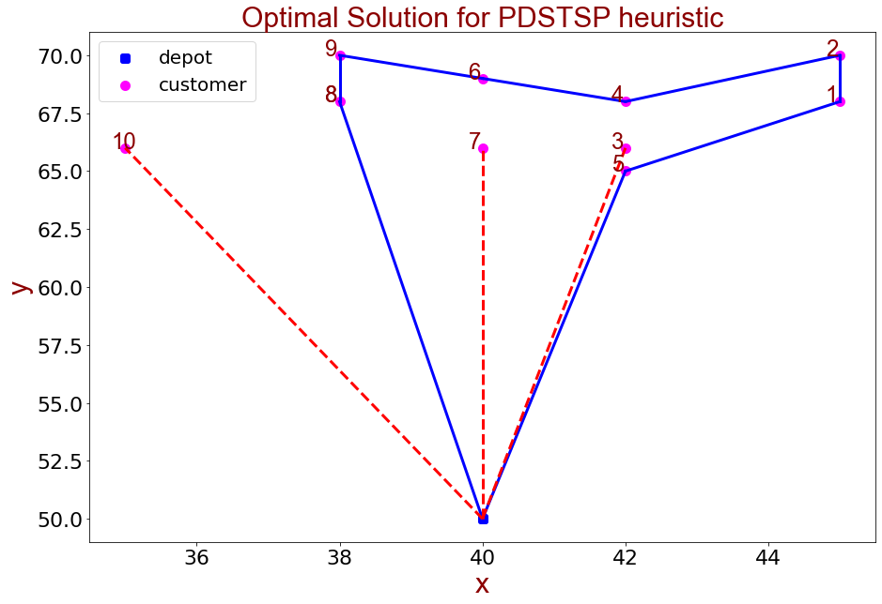
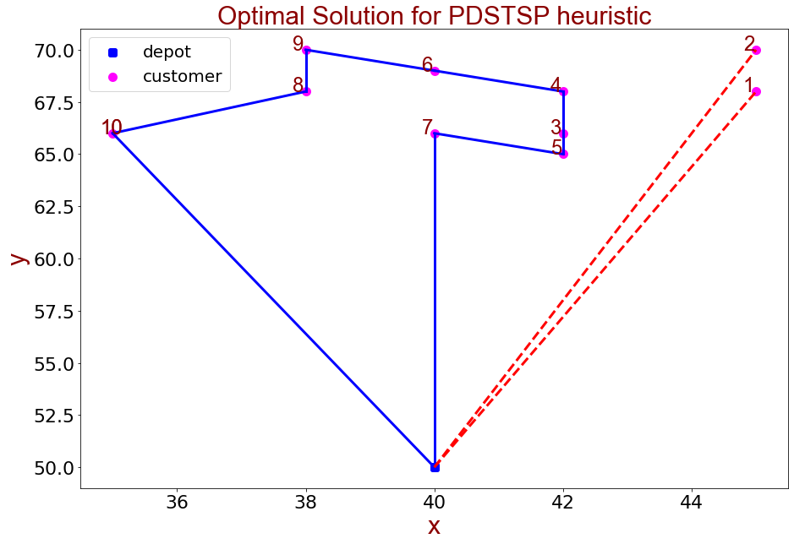
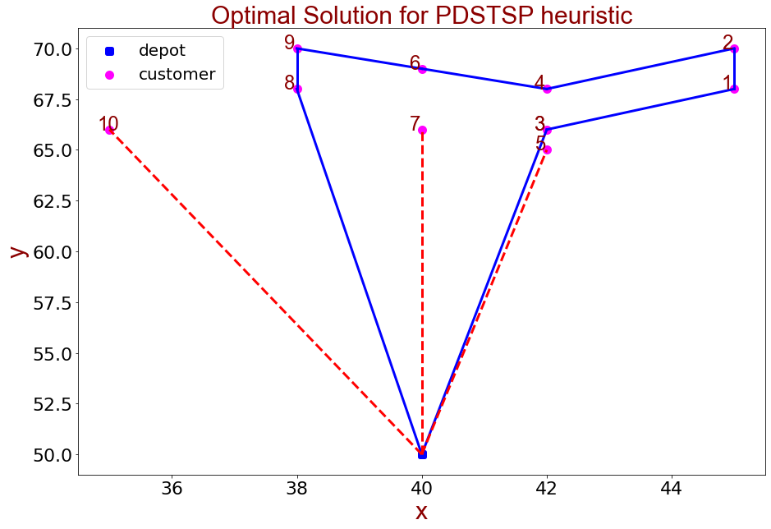
 |  |  |  |  |  |  |  |  |  |  |  | 0 | 18.68 | 20.62 | 16.12 | 18.11 | 15.13 | 19 | 16 | 18.11 | 20.1 | 16.76 | 0
 |  |  |  |  |  |  |  |  |  |  |  | 18.68 | 0 | 2 | 3.61 | 3 | 4.24 | 5.1 | 5.39 | 7 | 7.28 | 10.2 | 18.68
 |  |  |  |  |  |  |  |  |  |  |  | 20.62 | 2 | 0 | 5 | 3.61 | 5.83 | 5.1 | 6.4 | 7.28 | 7 | 10.77 | 20.62
 |  |  |  |  |  |  |  |  |  |  |  | 16.12 | 3.61 | 5 | 0 | 2 | 1 | 3.61 | 2 | 4.47 | 5.66 | 7 | 16.12
 |  |  |  |  |  |  |  |  |  |  |  | 18.11 | 3 | 3.61 | 2 | 0 | 3 | 2.24 | 2.83 | 4 | 4.47 | 7.28 | 18.11
 |  |  |  |  |  |  |  |  |  |  |  | 15.13 | 4.24 | 5.83 | 1 | 3 | 0 | 4.47 | 2.24 | 5 | 6.4 | 7.07 | 15.13
 |  |  |  |  |  |  |  |  |  |  |  | 19 | 5.1 | 5.1 | 3.61 | 2.24 | 4.47 | 0 | 3 | 2.24 | 2.24 | 5.83 | 19
 |  |  |  |  |  |  |  |  |  |  |  | 16 | 5.39 | 6.4 | 2 | 2.83 | 2.24 | 3 | 0 | 2.83 | 4.47 | 5 | 16
 |  |  |  |  |  |  |  |  |  |  |  | 18.11 | 7 | 7.28 | 4.47 | 4 | 5 | 2.24 | 2.83 | 0 | 2 | 3.61 | 18.11
 |  |  |  |  |  |  |  |  |  |  |  | 20.1 | 7.28 | 7 | 5.66 | 4.47 | 6.4 | 2.24 | 4.47 | 2 | 0 | 5 | 20.1
 |  |  |  |  |  |  |  |  |  |  |  | 16.76 | 10.2 | 10.77 | 7 | 7.28 | 7.07 | 5.83 | 5 | 3.61 | 5 | 0 | 16.76
 |  |  |  |  |  |  |  |  |  |  |  | 0 | 18.68 | 20.62 | 16.12 | 18.11 | 15.13 | 19 | 16 | 18.11 | 20.1 | 16.76 | 0

 | 数据集 | c101.txt

实验编号 | 顾客人数 | UAV eligible | UAV range | 最优解值 | 无人机服务时间 | 卡车服务时间 | 求解用时（不含数据读写）单位：秒 | UAV Assignment | Truck Route | TSP求解算法（SA）
1 | 10 | 8 | 20 | 49.56 | 48.89 | 49.56 | 23 | [7, 10, 3] | [8, 9, 6, 4, 2, 1, 5] | T0 | 100
2 | 10 | 8 | 20 | 48.08 | 39.3 | 48.08 | 17 | [1, 2] | [10, 8, 9, 6, 4, 3, 5, 7] | MAX_ITER | 1000
3 | 10 | 8 | 20 | 48.08 | 39.3 | 48.08 | 17 | [1, 2] | [10, 8, 9, 6, 4, 3, 5, 7] | MAX_M | 20
4 | 10 | 8 | 20 | 48.08 | 39.3 | 48.08 | 17 | [1, 2] | [10, 8, 9, 6, 4, 3, 5, 7] | lambda | 0.97
5 | 10 | 8 | 20 | 49.92 | 47.9 | 49.92 | 18 | [5, 7, 10] | [3, 1, 2, 4, 6, 9, 8]
6 | 10 | 8 | 20 | 48.08 | 39.3 | 48.08 | 18 | [1, 2] | [10, 8, 9, 6, 4, 3, 5, 7]
7 | 10 | 8 | 20 | 48.08 | 39.3 | 48.08 | 17 | [1, 2] | [10, 8, 9, 6, 4, 3, 5, 7]
8 | 10 | 8 | 20 | 48.08 | 39.3 | 48.08 | 17 | [1, 2] | [10, 8, 9, 6, 4, 3, 5, 7]
9 | 10 | 8 | 20 | 48.08 | 39.3 | 48.08 | 17 | [1, 2] | [10, 8, 9, 6, 4, 3, 5, 7]
10 | 10 | 8 | 20 | 48.08 | 39.3 | 48.08 | 17 | [1, 2] | [10, 8, 9, 6, 4, 3, 5, 7]

11 customers
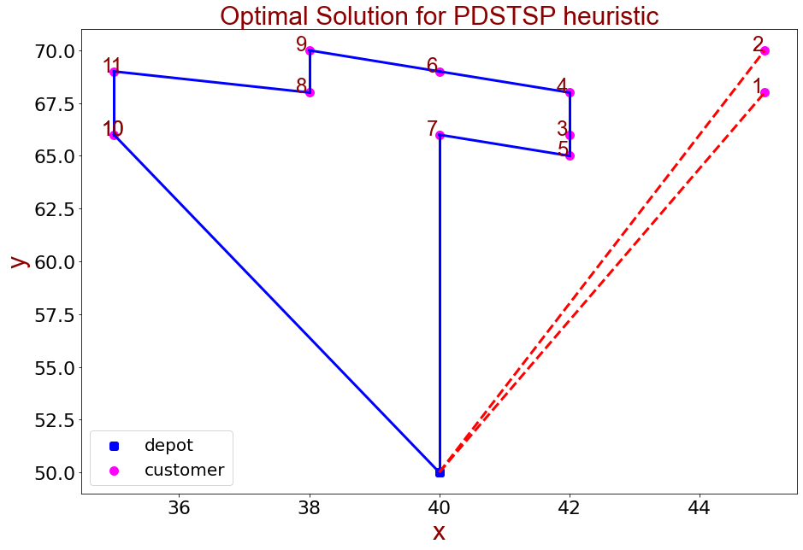

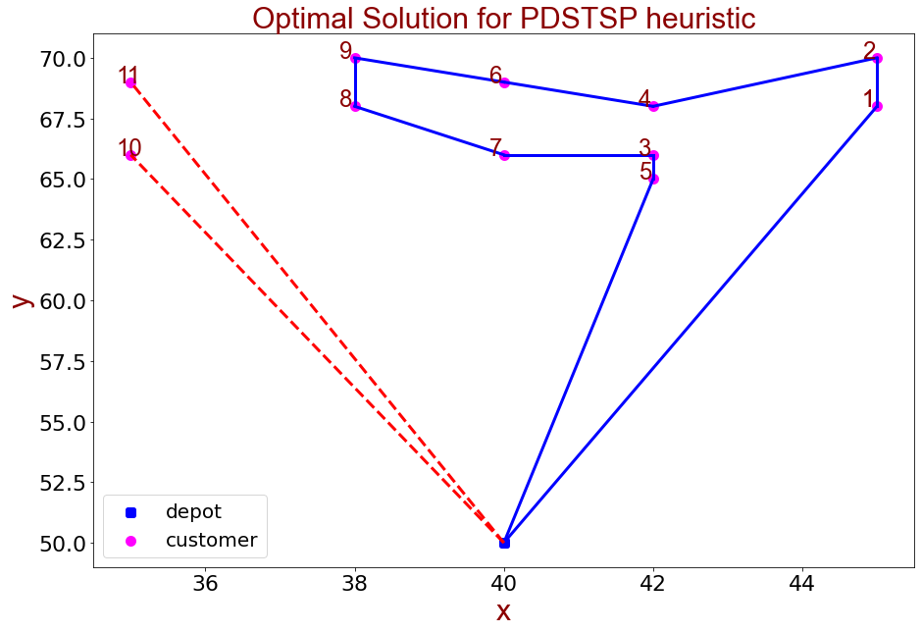
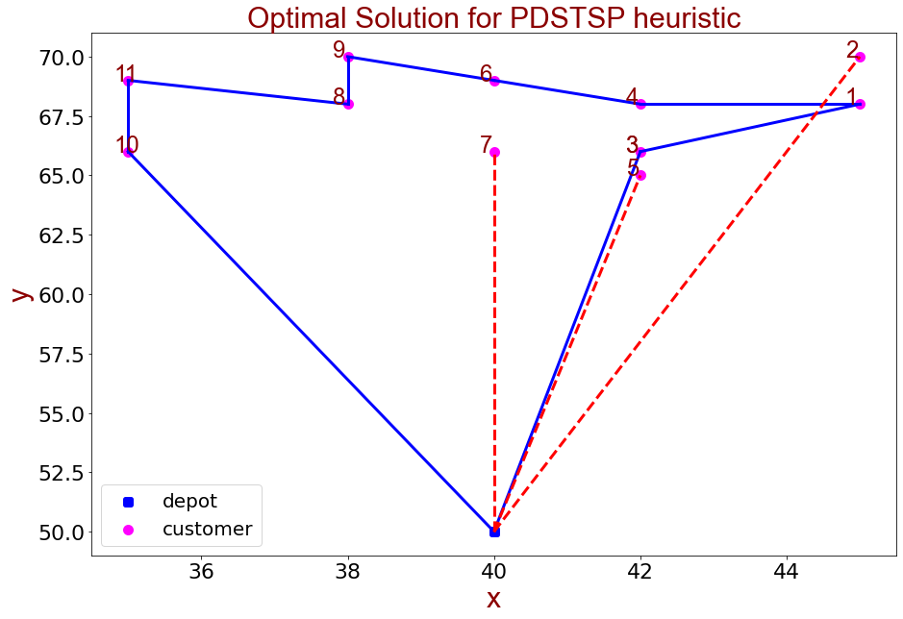
 | 0 | 1 | 2 | 3 | 4 | 5 | 6 | 7 | 8 | 9 | 10 | 11 | 12
0 | 0 | 18.68 | 20.62 | 16.12 | 18.11 | 15.13 | 19 | 16 | 18.11 | 20.1 | 16.76 | 19.65 | 0
1 | 18.68 | 0 | 2 | 3.61 | 3 | 4.24 | 5.1 | 5.39 | 7 | 7.28 | 10.2 | 10.05 | 18.68
2 | 20.62 | 2 | 0 | 5 | 3.61 | 5.83 | 5.1 | 6.4 | 7.28 | 7 | 10.77 | 10.05 | 20.62
3 | 16.12 | 3.61 | 5 | 0 | 2 | 1 | 3.61 | 2 | 4.47 | 5.66 | 7 | 7.62 | 16.12
4 | 18.11 | 3 | 3.61 | 2 | 0 | 3 | 2.24 | 2.83 | 4 | 4.47 | 7.28 | 7.07 | 18.11
5 | 15.13 | 4.24 | 5.83 | 1 | 3 | 0 | 4.47 | 2.24 | 5 | 6.4 | 7.07 | 8.06 | 15.13
6 | 19 | 5.1 | 5.1 | 3.61 | 2.24 | 4.47 | 0 | 3 | 2.24 | 2.24 | 5.83 | 5 | 19
7 | 16 | 5.39 | 6.4 | 2 | 2.83 | 2.24 | 3 | 0 | 2.83 | 4.47 | 5 | 5.83 | 16
8 | 18.11 | 7 | 7.28 | 4.47 | 4 | 5 | 2.24 | 2.83 | 0 | 2 | 3.61 | 3.16 | 18.11
9 | 20.1 | 7.28 | 7 | 5.66 | 4.47 | 6.4 | 2.24 | 4.47 | 2 | 0 | 5 | 3.16 | 20.1
10 | 16.76 | 10.2 | 10.77 | 7 | 7.28 | 7.07 | 5.83 | 5 | 3.61 | 5 | 0 | 3 | 16.76
11 | 19.65 | 10.05 | 10.05 | 7.62 | 7.07 | 8.06 | 5 | 5.83 | 3.16 | 3.16 | 3 | 0 | 19.65
12 | 0 | 18.68 | 20.62 | 16.12 | 18.11 | 15.13 | 19 | 16 | 18.11 | 20.1 | 16.76 | 19.65 | 0

 |  |  |  |  |  |  |  |  |  |  |  |  |  |  | 数据集 | c101.txt

 |  |  |  |  |  |  |  |  |  |  |  |  |  | 实验编号 | 顾客人数 | UAV eligible | UAV range | 最优解值 | 无人机服务时间 | 卡车服务时间 | 求解用时单位：秒 | UAV Assignment | Truck Route | TSP求解算法（SA）
 |  |  |  |  |  |  |  |  |  |  |  |  |  | 1 | 11 | 9 | 20 | 51.72 | 36.41 | 51.72 | 39 | [10, 11] | [1, 2, 4, 6, 9, 8, 7, 3, 5] | T0 | 100
 |  |  |  |  |  |  |  |  |  |  |  |  |  | 2 | 11 | 9 | 20 | 52.13 | 51.75 | 52.13 | 26 | [5, 7, 2] | [3, 1, 4, 6, 9, 8, 11, 10] | MAX_ITER | 1000
 |  |  |  |  |  |  |  |  |  |  |  |  |  | 3 | 11 | 9 | 20 | 52.13 | 51.75 | 52.13 | 26 | [5, 7, 2] | [10, 11, 9, 8, 6, 4, 1, 3] | MAX_M | 20
 |  |  |  |  |  |  |  |  |  |  |  |  |  | 4 | 11 | 9 | 20 | 50.63 | 39.3 | 50.63 | 24 | [1, 2] | [10, 11, 9, 8, 6, 4, 3, 5, 7] | lambda | 0.97
 |  |  |  |  |  |  |  |  |  |  |  |  |  | 5 | 11 | 9 | 20 | 52.13 | 51.75 | 52.13 | 26 | [5, 7, 2] | [10, 11, 9, 8, 6, 4, 1, 3]
 |  |  |  |  |  |  |  |  |  |  |  |  |  | 6 | 11 | 9 | 20 | 52.13 | 51.75 | 52.13 | 26 | [5, 7, 2] | [10, 11, 9, 8, 6, 4, 1, 3]
 |  |  |  |  |  |  |  |  |  |  |  |  |  | 7 | 11 | 9 | 20 | 50.63 | 39.3 | 50.63 | 24 | [1, 2] | [10, 11, 9, 8, 6, 4, 3, 5, 7]
 |  |  |  |  |  |  |  |  |  |  |  |  |  | 8 | 11 | 9 | 20 | 52.13 | 51.75 | 52.13 | 26 | [5, 7, 2] | [10, 11, 9, 8, 6, 4, 1, 3]
 |  |  |  |  |  |  |  |  |  |  |  |  |  | 9 | 11 | 9 | 20 | 52.13 | 51.75 | 52.13 | 33 | [5, 7, 2] | [3, 1, 4, 6, 9, 8, 11, 10]
 |  |  |  |  |  |  |  |  |  |  |  |  |  | 10 | 11 | 9 | 20 | 52.13 | 51.75 | 52.13 | 26 | [5, 7, 2] | [10, 11, 9, 8, 6, 4, 1, 3]

15 customers
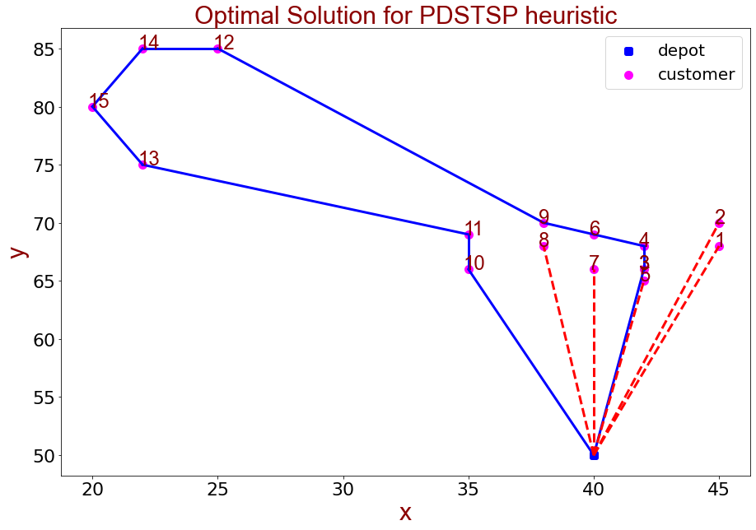
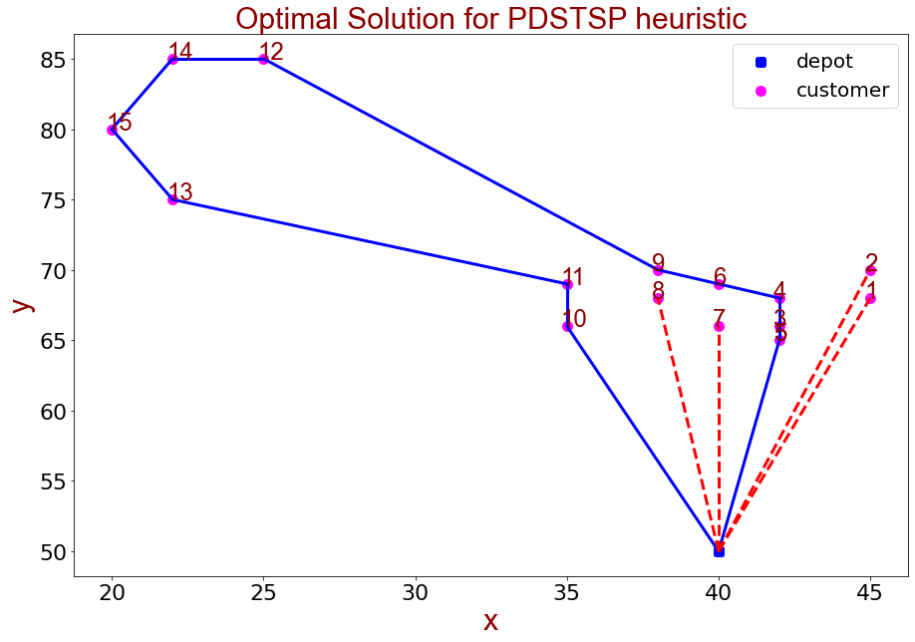
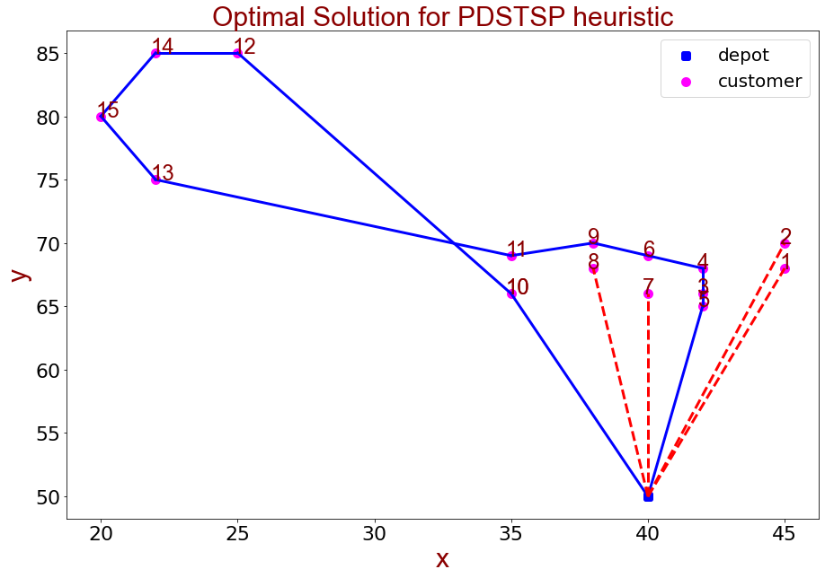
 |  |  |  |  |  |  |  |  |  |  |  | 0 | 18.68 | 20.62 | 16.12 | 18.11 | 15.13 | 19 | 16 | 18.11 | 20.1 | 16.76 | 19.65 | 38.08 | 30.81 | 39.36 | 36.06 | 0
 |  |  |  |  |  |  |  |  |  |  |  | 18.68 | 0 | 2 | 3.61 | 3 | 4.24 | 5.1 | 5.39 | 7 | 7.28 | 10.2 | 10.05 | 26.25 | 24.04 | 28.6 | 27.73 | 18.68
 |  |  |  |  |  |  |  |  |  |  |  | 20.62 | 2 | 0 | 5 | 3.61 | 5.83 | 5.1 | 6.4 | 7.28 | 7 | 10.77 | 10.05 | 25 | 23.54 | 27.46 | 26.93 | 20.62
 |  |  |  |  |  |  |  |  |  |  |  | 16.12 | 3.61 | 5 | 0 | 2 | 1 | 3.61 | 2 | 4.47 | 5.66 | 7 | 7.62 | 25.5 | 21.93 | 27.59 | 26.08 | 16.12
 |  |  |  |  |  |  |  |  |  |  |  | 18.11 | 3 | 3.61 | 2 | 0 | 3 | 2.24 | 2.83 | 4 | 4.47 | 7.28 | 7.07 | 24.04 | 21.19 | 26.25 | 25.06 | 18.11
 |  |  |  |  |  |  |  |  |  |  |  | 15.13 | 4.24 | 5.83 | 1 | 3 | 0 | 4.47 | 2.24 | 5 | 6.4 | 7.07 | 8.06 | 26.25 | 22.36 | 28.28 | 26.63 | 15.13
 |  |  |  |  |  |  |  |  |  |  |  | 19 | 5.1 | 5.1 | 3.61 | 2.24 | 4.47 | 0 | 3 | 2.24 | 2.24 | 5.83 | 5 | 21.93 | 18.97 | 24.08 | 22.83 | 19
 |  |  |  |  |  |  |  |  |  |  |  | 16 | 5.39 | 6.4 | 2 | 2.83 | 2.24 | 3 | 0 | 2.83 | 4.47 | 5 | 5.83 | 24.21 | 20.12 | 26.17 | 24.41 | 16
 |  |  |  |  |  |  |  |  |  |  |  | 18.11 | 7 | 7.28 | 4.47 | 4 | 5 | 2.24 | 2.83 | 0 | 2 | 3.61 | 3.16 | 21.4 | 17.46 | 23.35 | 21.63 | 18.11
 |  |  |  |  |  |  |  |  |  |  |  | 20.1 | 7.28 | 7 | 5.66 | 4.47 | 6.4 | 2.24 | 4.47 | 2 | 0 | 5 | 3.16 | 19.85 | 16.76 | 21.93 | 20.59 | 20.1
 |  |  |  |  |  |  |  |  |  |  |  | 16.76 | 10.2 | 10.77 | 7 | 7.28 | 7.07 | 5.83 | 5 | 3.61 | 5 | 0 | 3 | 21.47 | 15.81 | 23.02 | 20.52 | 16.76
 |  |  |  |  |  |  |  |  |  |  |  | 19.65 | 10.05 | 10.05 | 7.62 | 7.07 | 8.06 | 5 | 5.83 | 3.16 | 3.16 | 3 | 0 | 18.87 | 14.32 | 20.62 | 18.6 | 19.65
 |  |  |  |  |  |  |  |  |  |  |  | 38.08 | 26.25 | 25 | 25.5 | 24.04 | 26.25 | 21.93 | 24.21 | 21.4 | 19.85 | 21.47 | 18.87 | 0 | 10.44 | 3 | 7.07 | 38.08
 |  |  |  |  |  |  |  |  |  |  |  | 30.81 | 24.04 | 23.54 | 21.93 | 21.19 | 22.36 | 18.97 | 20.12 | 17.46 | 16.76 | 15.81 | 14.32 | 10.44 | 0 | 10 | 5.39 | 30.81
 |  |  |  |  |  |  |  |  |  |  |  | 39.36 | 28.6 | 27.46 | 27.59 | 26.25 | 28.28 | 24.08 | 26.17 | 23.35 | 21.93 | 23.02 | 20.62 | 3 | 10 | 0 | 5.39 | 39.36
 |  |  |  |  |  |  |  |  |  |  |  | 36.06 | 27.73 | 26.93 | 26.08 | 25.06 | 26.63 | 22.83 | 24.41 | 21.63 | 20.59 | 20.52 | 18.6 | 7.07 | 5.39 | 5.39 | 0 | 36.06
 |  |  |  |  |  |  |  |  |  |  |  | 0 | 18.68 | 20.62 | 16.12 | 18.11 | 15.13 | 19 | 16 | 18.11 | 20.1 | 16.76 | 19.65 | 38.08 | 30.81 | 39.36 | 36.06 | 0

 | 数据集 | c101.txt

实验编号 | 顾客人数 | UAV eligible | UAV range | 最优解值 | 无人机服务时间 | 卡车服务时间 | 求解用时单位：秒 | UAV Assignment | Truck Route | TSP求解算法（SA）
1 | 15 | 10 | 20 | 90.3 | 88.54 | 90.3 | 30 | [1, 2, 5, 7, 8] | [3, 4, 6, 9, 12, 14, 15, 13, 11, 10] | T0 | 100
2 | 15 | 10 | 20 | 90.3 | 88.54 | 90.3 | 30 | [1, 2, 5, 7, 8] | [10, 11, 13, 15, 14, 12, 9, 6, 4, 3] | MAX_ITER | 1000
3 | 15 | 10 | 20 | 90.31 | 73.41 | 90.31 | 74 | [1, 2, 7, 8] | [5, 3, 4, 6, 9, 12, 14, 15, 13, 11, 10] | MAX_M | 20
4 | 15 | 10 | 20 | 90.3 | 88.54 | 90.3 | 30 | [1, 2, 5, 7, 8] | [3, 4, 6, 9, 12, 14, 15, 13, 11, 10] | lambda | 0.97
5 | 15 | 10 | 20 | 90.3 | 88.54 | 90.3 | 30 | [1, 2, 5, 7, 8] | [3, 4, 6, 9, 12, 14, 15, 13, 11, 10]
6 | 15 | 10 | 20 | 90.3 | 88.54 | 90.3 | 30 | [1, 2, 5, 7, 8] | [3, 4, 6, 9, 12, 14, 15, 13, 11, 10]
7 | 15 | 10 | 20 | 90.3 | 88.54 | 90.3 | 30 | [1, 2, 5, 7, 8] | [3, 4, 6, 9, 12, 14, 15, 13, 11, 10]
8 | 15 | 10 | 20 | 90.3 | 88.54 | 90.3 | 47 | [1, 2, 5, 7, 8] | [3, 4, 6, 9, 12, 14, 15, 13, 11, 10]
9 | 15 | 10 | 20 | 92.09 | 73.41 | 92.09 | 46 | [1, 2, 7, 8] | [10, 12, 14, 15, 13, 11, 9, 6, 4, 3, 5]
10 | 15 | 10 | 20 | 92.09 | 73.41 | 92.09 | 46 | [1, 2, 7, 8] | [10, 12, 14, 15, 13, 11, 9, 6, 4, 3, 5]

20customer
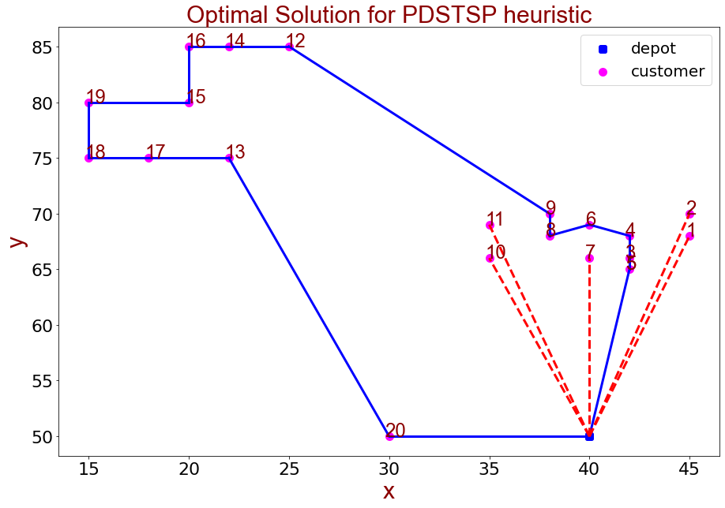

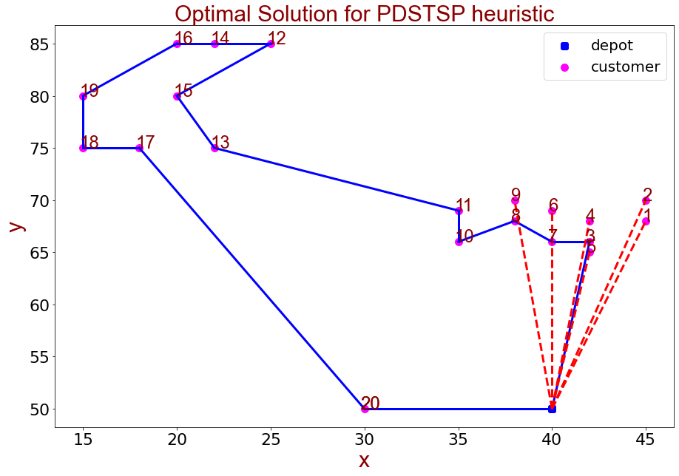
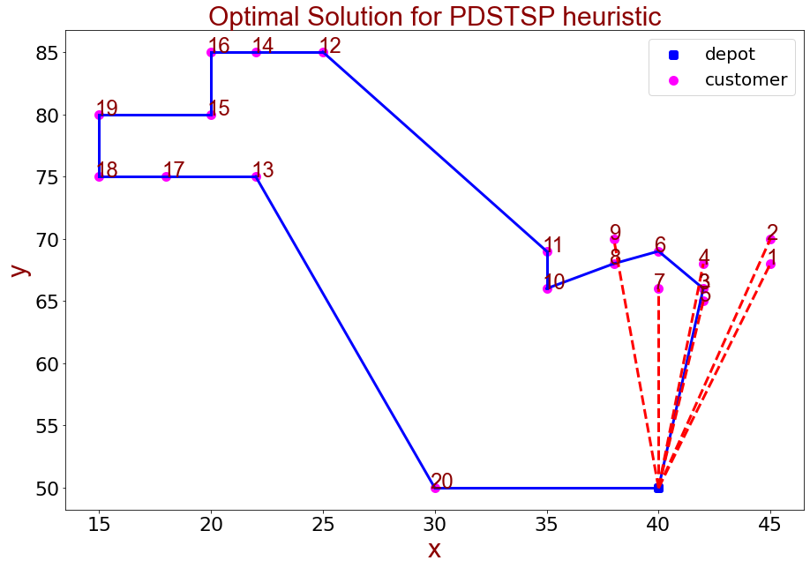
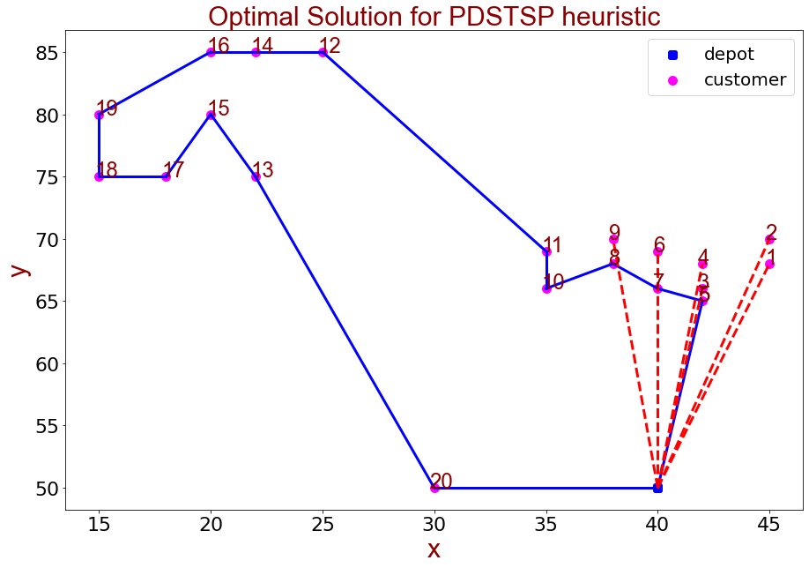

 |  |  |  |  |  |  |  |  |  |  |  |  | 0 | 1 | 2 | 3 | 4 | 5 | 6 | 7 | 8 | 9 | 10 | 11 | 12 | 13 | 14 | 15 | 16 | 17 | 18 | 19 | 20 | 21
 |  |  |  |  |  |  |  |  |  |  |  | 0 | 0 | 18.68 | 20.62 | 16.12 | 18.11 | 15.13 | 19 | 16 | 18.11 | 20.1 | 16.76 | 19.65 | 38.08 | 30.81 | 39.36 | 36.06 | 40.31 | 33.3 | 35.36 | 39.05 | 10 | 0
 |  |  |  |  |  |  |  |  |  |  |  | 1 | 18.68 | 0 | 2 | 3.61 | 3 | 4.24 | 5.1 | 5.39 | 7 | 7.28 | 10.2 | 10.05 | 26.25 | 24.04 | 28.6 | 27.73 | 30.23 | 27.89 | 30.81 | 32.31 | 23.43 | 18.68
 |  |  |  |  |  |  |  |  |  |  |  | 2 | 20.62 | 2 | 0 | 5 | 3.61 | 5.83 | 5.1 | 6.4 | 7.28 | 7 | 10.77 | 10.05 | 25 | 23.54 | 27.46 | 26.93 | 29.15 | 27.46 | 30.41 | 31.62 | 25 | 20.62
 |  |  |  |  |  |  |  |  |  |  |  | 3 | 16.12 | 3.61 | 5 | 0 | 2 | 1 | 3.61 | 2 | 4.47 | 5.66 | 7 | 7.62 | 25.5 | 21.93 | 27.59 | 26.08 | 29.07 | 25.63 | 28.46 | 30.41 | 20 | 16.12
 |  |  |  |  |  |  |  |  |  |  |  | 4 | 18.11 | 3 | 3.61 | 2 | 0 | 3 | 2.24 | 2.83 | 4 | 4.47 | 7.28 | 7.07 | 24.04 | 21.19 | 26.25 | 25.06 | 27.8 | 25 | 27.89 | 29.55 | 21.63 | 18.11
 |  |  |  |  |  |  |  |  |  |  |  | 5 | 15.13 | 4.24 | 5.83 | 1 | 3 | 0 | 4.47 | 2.24 | 5 | 6.4 | 7.07 | 8.06 | 26.25 | 22.36 | 28.28 | 26.63 | 29.73 | 26 | 28.79 | 30.89 | 19.21 | 15.13
 |  |  |  |  |  |  |  |  |  |  |  | 6 | 19 | 5.1 | 5.1 | 3.61 | 2.24 | 4.47 | 0 | 3 | 2.24 | 2.24 | 5.83 | 5 | 21.93 | 18.97 | 24.08 | 22.83 | 25.61 | 22.8 | 25.71 | 27.31 | 21.47 | 19
 |  |  |  |  |  |  |  |  |  |  |  | 7 | 16 | 5.39 | 6.4 | 2 | 2.83 | 2.24 | 3 | 0 | 2.83 | 4.47 | 5 | 5.83 | 24.21 | 20.12 | 26.17 | 24.41 | 27.59 | 23.77 | 26.57 | 28.65 | 18.87 | 16
 |  |  |  |  |  |  |  |  |  |  |  | 8 | 18.11 | 7 | 7.28 | 4.47 | 4 | 5 | 2.24 | 2.83 | 0 | 2 | 3.61 | 3.16 | 21.4 | 17.46 | 23.35 | 21.63 | 24.76 | 21.19 | 24.04 | 25.94 | 19.7 | 18.11
 |  |  |  |  |  |  |  |  |  |  |  | 9 | 20.1 | 7.28 | 7 | 5.66 | 4.47 | 6.4 | 2.24 | 4.47 | 2 | 0 | 5 | 3.16 | 19.85 | 16.76 | 21.93 | 20.59 | 23.43 | 20.62 | 23.54 | 25.08 | 21.54 | 20.1
 |  |  |  |  |  |  |  |  |  |  |  | 10 | 16.76 | 10.2 | 10.77 | 7 | 7.28 | 7.07 | 5.83 | 5 | 3.61 | 5 | 0 | 3 | 21.47 | 15.81 | 23.02 | 20.52 | 24.21 | 19.24 | 21.93 | 24.41 | 16.76 | 16.76
 |  |  |  |  |  |  |  |  |  |  |  | 11 | 19.65 | 10.05 | 10.05 | 7.62 | 7.07 | 8.06 | 5 | 5.83 | 3.16 | 3.16 | 3 | 0 | 18.87 | 14.32 | 20.62 | 18.6 | 21.93 | 18.03 | 20.88 | 22.83 | 19.65 | 19.65
 |  |  |  |  |  |  |  |  |  |  |  | 12 | 38.08 | 26.25 | 25 | 25.5 | 24.04 | 26.25 | 21.93 | 24.21 | 21.4 | 19.85 | 21.47 | 18.87 | 0 | 10.44 | 3 | 7.07 | 5 | 12.21 | 14.14 | 11.18 | 35.36 | 38.08
 |  |  |  |  |  |  |  |  |  |  |  | 13 | 30.81 | 24.04 | 23.54 | 21.93 | 21.19 | 22.36 | 18.97 | 20.12 | 17.46 | 16.76 | 15.81 | 14.32 | 10.44 | 0 | 10 | 5.39 | 10.2 | 4 | 7 | 8.6 | 26.25 | 30.81
 |  |  |  |  |  |  |  |  |  |  |  | 14 | 39.36 | 28.6 | 27.46 | 27.59 | 26.25 | 28.28 | 24.08 | 26.17 | 23.35 | 21.93 | 23.02 | 20.62 | 3 | 10 | 0 | 5.39 | 2 | 10.77 | 12.21 | 8.6 | 35.9 | 39.36
 |  |  |  |  |  |  |  |  |  |  |  | 15 | 36.06 | 27.73 | 26.93 | 26.08 | 25.06 | 26.63 | 22.83 | 24.41 | 21.63 | 20.59 | 20.52 | 18.6 | 7.07 | 5.39 | 5.39 | 0 | 5 | 5.39 | 7.07 | 5 | 31.62 | 36.06
 |  |  |  |  |  |  |  |  |  |  |  | 16 | 40.31 | 30.23 | 29.15 | 29.07 | 27.8 | 29.73 | 25.61 | 27.59 | 24.76 | 23.43 | 24.21 | 21.93 | 5 | 10.2 | 2 | 5 | 0 | 10.2 | 11.18 | 7.07 | 36.4 | 40.31
 | 数据集 | c101.txt |  |  |  |  |  |  |  |  |  | 17 | 33.3 | 27.89 | 27.46 | 25.63 | 25 | 26 | 22.8 | 23.77 | 21.19 | 20.62 | 19.24 | 18.03 | 12.21 | 4 | 10.77 | 5.39 | 10.2 | 0 | 3 | 5.83 | 27.73 | 33.3
 |  |  |  |  |  |  |  |  |  |  |  | 18 | 35.36 | 30.81 | 30.41 | 28.46 | 27.89 | 28.79 | 25.71 | 26.57 | 24.04 | 23.54 | 21.93 | 20.88 | 14.14 | 7 | 12.21 | 7.07 | 11.18 | 3 | 0 | 5 | 29.15 | 35.36
实验编号 | 顾客人数 | UAV eligible | UAV range | 最优解值 | 无人机服务时间 | 卡车服务时间 | 求解用时单位：秒 | UAV Assignment | Truck Route | TSP求解算法（SA） |  | 19 | 39.05 | 32.31 | 31.62 | 30.41 | 29.55 | 30.89 | 27.31 | 28.65 | 25.94 | 25.08 | 24.41 | 22.83 | 11.18 | 8.6 | 8.6 | 5 | 7.07 | 5.83 | 5 | 0 | 33.54 | 39.05
1 | 20 | 10 | 20 | 112.13 | 111.64 | 112.13 | 75 | [1, 2, 4, 5, 9, 6] | [20, 17, 18, 19, 16, 14, 12, 15, 13, 11, 10, 8, 7, 3] | T0 | 100 | 20 | 10 | 23.43 | 25 | 20 | 21.63 | 19.21 | 21.47 | 18.87 | 19.7 | 21.54 | 16.76 | 19.65 | 35.36 | 26.25 | 35.9 | 31.62 | 36.4 | 27.73 | 29.15 | 33.54 | 0 | 10
2 | 20 | 10 | 20 | 110.69 | 108.64 | 110.69 | 45 | [1, 2, 4, 5, 7, 9] | [3, 6, 8, 10, 11, 12, 14, 16, 15, 19, 18, 17, 13, 20] | MAX_ITER | 1000 | 21 | 0 | 18.68 | 20.62 | 16.12 | 18.11 | 15.13 | 19 | 16 | 18.11 | 20.1 | 16.76 | 19.65 | 38.08 | 30.81 | 39.36 | 36.06 | 40.31 | 33.3 | 35.36 | 39.05 | 10 | 0
3 | 20 | 10 | 20 | 110.69 | 108.64 | 110.69 | 75 | [1, 2, 4, 5, 7, 9] | [3, 6, 8, 10, 11, 12, 14, 16, 15, 19, 18, 17, 13, 20] | MAX_M | 20
4 | 20 | 10 | 20 | 110.69 | 108.64 | 110.69 | 45 | [1, 2, 4, 5, 7, 9] | [3, 6, 8, 10, 11, 12, 14, 16, 15, 19, 18, 17, 13, 20] | lambda | 0.97
5 | 20 | 10 | 20 | 110.69 | 108.64 | 110.69 | 45 | [1, 2, 4, 5, 7, 9] | [20, 13, 17, 18, 19, 15, 16, 14, 12, 11, 10, 8, 6, 3]
6 | 20 | 10 | 20 | 112.76 | 112.63 | 112.76 | 135 | [1, 2, 4, 9, 6, 3] | [5, 7, 8, 10, 11, 12, 14, 16, 19, 18, 17, 15, 13, 20]
7 | 20 | 10 | 20 | 110.69 | 108.64 | 110.69 | 46 | [1, 2, 4, 5, 7, 9] | [3, 6, 8, 10, 11, 12, 14, 16, 15, 19, 18, 17, 13, 20]
8 | 20 | 10 | 20 | 112.13 | 111.64 | 112.13 | 75 | [1, 2, 4, 5, 9, 6] | [20, 17, 18, 19, 16, 14, 12, 15, 13, 11, 10, 8, 7, 3]
9 | 20 | 10 | 20 | 107.7 | 91.71 | 107.7 | 131 | [1, 2, 7, 10, 11] | [5, 3, 4, 6, 8, 9, 12, 14, 16, 15, 19, 18, 17, 13, 20]
10 | 20 | 10 | 20 | 110.69 | 108.64 | 110.69 | 75 | [1, 2, 4, 5, 7, 9] | [3, 6, 8, 10, 11, 12, 14, 16, 15, 19, 18, 17, 13, 20]

30 customer
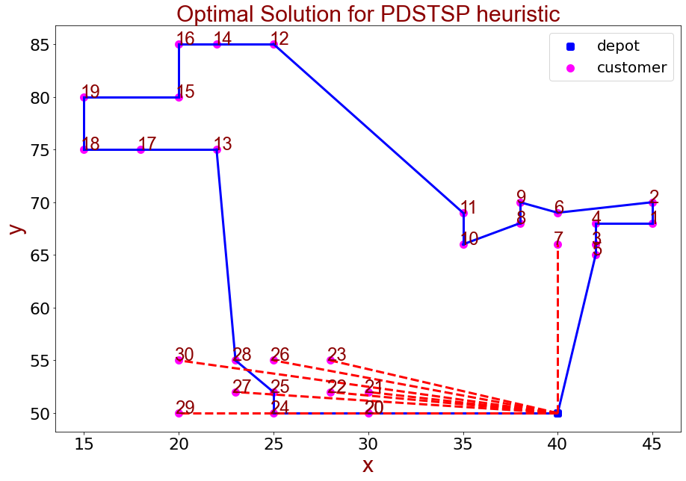
 |  |  |  |  |  |  |  |  |  |  |  | 0 | 18.68 | 20.62 | 16.12 | 18.11 | 15.13 | 19 | 16 | 18.11 | 20.1 | 16.76 | 19.65 | 38.08 | 30.81 | 39.36 | 36.06 | 40.31 | 33.3 | 35.36 | 39.05 | 10 | 10.2 | 12.17 | 13 | 15 | 15.13 | 15.81 | 17.12 | 17.72 | 20 | 20.62 | 0
 |  |  |  |  |  |  |  |  |  |  |  | 18.68 | 0 | 2 | 3.61 | 3 | 4.24 | 5.1 | 5.39 | 7 | 7.28 | 10.2 | 10.05 | 26.25 | 24.04 | 28.6 | 27.73 | 30.23 | 27.89 | 30.81 | 32.31 | 23.43 | 21.93 | 23.35 | 21.4 | 26.91 | 25.61 | 23.85 | 27.2 | 25.55 | 30.81 | 28.18 | 18.68
 |  |  |  |  |  |  |  |  |  |  |  | 20.62 | 2 | 0 | 5 | 3.61 | 5.83 | 5.1 | 6.4 | 7.28 | 7 | 10.77 | 10.05 | 25 | 23.54 | 27.46 | 26.93 | 29.15 | 27.46 | 30.41 | 31.62 | 25 | 23.43 | 24.76 | 22.67 | 28.28 | 26.91 | 25 | 28.43 | 26.63 | 32.02 | 29.15 | 20.62
 |  |  |  |  |  |  |  |  |  |  |  | 16.12 | 3.61 | 5 | 0 | 2 | 1 | 3.61 | 2 | 4.47 | 5.66 | 7 | 7.62 | 25.5 | 21.93 | 27.59 | 26.08 | 29.07 | 25.63 | 28.46 | 30.41 | 20 | 18.44 | 19.8 | 17.8 | 23.35 | 22.02 | 20.25 | 23.6 | 21.95 | 27.2 | 24.6 | 16.12
 |  |  |  |  |  |  |  |  |  |  |  | 18.11 | 3 | 3.61 | 2 | 0 | 3 | 2.24 | 2.83 | 4 | 4.47 | 7.28 | 7.07 | 24.04 | 21.19 | 26.25 | 25.06 | 27.8 | 25 | 27.89 | 29.55 | 21.63 | 20 | 21.26 | 19.1 | 24.76 | 23.35 | 21.4 | 24.84 | 23.02 | 28.43 | 25.55 | 18.11
 |  |  |  |  |  |  |  |  |  |  |  | 15.13 | 4.24 | 5.83 | 1 | 3 | 0 | 4.47 | 2.24 | 5 | 6.4 | 7.07 | 8.06 | 26.25 | 22.36 | 28.28 | 26.63 | 29.73 | 26 | 28.79 | 30.89 | 19.21 | 17.69 | 19.1 | 17.2 | 22.67 | 21.4 | 19.72 | 23.02 | 21.47 | 26.63 | 24.17 | 15.13
 |  |  |  |  |  |  |  |  |  |  |  | 19 | 5.1 | 5.1 | 3.61 | 2.24 | 4.47 | 0 | 3 | 2.24 | 2.24 | 5.83 | 5 | 21.93 | 18.97 | 24.08 | 22.83 | 25.61 | 22.8 | 25.71 | 27.31 | 21.47 | 19.72 | 20.81 | 18.44 | 24.21 | 22.67 | 20.52 | 24.04 | 22.02 | 27.59 | 24.41 | 19
 |  |  |  |  |  |  |  |  |  |  |  | 16 | 5.39 | 6.4 | 2 | 2.83 | 2.24 | 3 | 0 | 2.83 | 4.47 | 5 | 5.83 | 24.21 | 20.12 | 26.17 | 24.41 | 27.59 | 23.77 | 26.57 | 28.65 | 18.87 | 17.2 | 18.44 | 16.28 | 21.93 | 20.52 | 18.6 | 22.02 | 20.25 | 25.61 | 22.83 | 16
 |  |  |  |  |  |  |  |  |  |  |  | 18.11 | 7 | 7.28 | 4.47 | 4 | 5 | 2.24 | 2.83 | 0 | 2 | 3.61 | 3.16 | 21.4 | 17.46 | 23.35 | 21.63 | 24.76 | 21.19 | 24.04 | 25.94 | 19.7 | 17.89 | 18.87 | 16.4 | 22.2 | 20.62 | 18.38 | 21.93 | 19.85 | 25.46 | 22.2 | 18.11
 |  |  |  |  |  |  |  |  |  |  |  | 20.1 | 7.28 | 7 | 5.66 | 4.47 | 6.4 | 2.24 | 4.47 | 2 | 0 | 5 | 3.16 | 19.85 | 16.76 | 21.93 | 20.59 | 23.43 | 20.62 | 23.54 | 25.08 | 21.54 | 19.7 | 20.59 | 18.03 | 23.85 | 22.2 | 19.85 | 23.43 | 21.21 | 26.91 | 23.43 | 20.1
 |  |  |  |  |  |  |  |  |  |  |  | 16.76 | 10.2 | 10.77 | 7 | 7.28 | 7.07 | 5.83 | 5 | 3.61 | 5 | 0 | 3 | 21.47 | 15.81 | 23.02 | 20.52 | 24.21 | 19.24 | 21.93 | 24.41 | 16.76 | 14.87 | 15.65 | 13.04 | 18.87 | 17.2 | 14.87 | 18.44 | 16.28 | 21.93 | 18.6 | 16.76
 |  |  |  |  |  |  |  |  |  |  |  | 19.65 | 10.05 | 10.05 | 7.62 | 7.07 | 8.06 | 5 | 5.83 | 3.16 | 3.16 | 3 | 0 | 18.87 | 14.32 | 20.62 | 18.6 | 21.93 | 18.03 | 20.88 | 22.83 | 19.65 | 17.72 | 18.38 | 15.65 | 21.47 | 19.72 | 17.2 | 20.81 | 18.44 | 24.21 | 20.52 | 19.65
 |  |  |  |  |  |  |  |  |  |  |  | 38.08 | 26.25 | 25 | 25.5 | 24.04 | 26.25 | 21.93 | 24.21 | 21.4 | 19.85 | 21.47 | 18.87 | 0 | 10.44 | 3 | 7.07 | 5 | 12.21 | 14.14 | 11.18 | 35.36 | 33.38 | 33.14 | 30.15 | 35 | 33 | 30 | 33.06 | 30.07 | 35.36 | 30.41 | 38.08
 |  |  |  |  |  |  |  |  |  |  |  | 30.81 | 24.04 | 23.54 | 21.93 | 21.19 | 22.36 | 18.97 | 20.12 | 17.46 | 16.76 | 15.81 | 14.32 | 10.44 | 0 | 10 | 5.39 | 10.2 | 4 | 7 | 8.6 | 26.25 | 24.35 | 23.77 | 20.88 | 25.18 | 23.19 | 20.22 | 23.02 | 20.02 | 25.08 | 20.1 | 30.81
 |  |  |  |  |  |  |  |  |  |  |  | 39.36 | 28.6 | 27.46 | 27.59 | 26.25 | 28.28 | 24.08 | 26.17 | 23.35 | 21.93 | 23.02 | 20.62 | 3 | 10 | 0 | 5.39 | 2 | 10.77 | 12.21 | 8.6 | 35.9 | 33.96 | 33.54 | 30.59 | 35.13 | 33.14 | 30.15 | 33.02 | 30.02 | 35.06 | 30.07 | 39.36
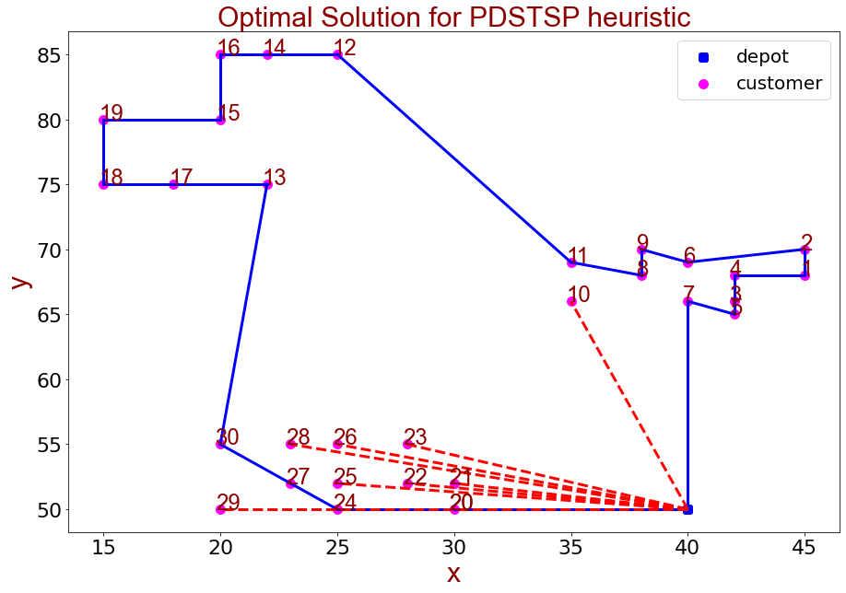
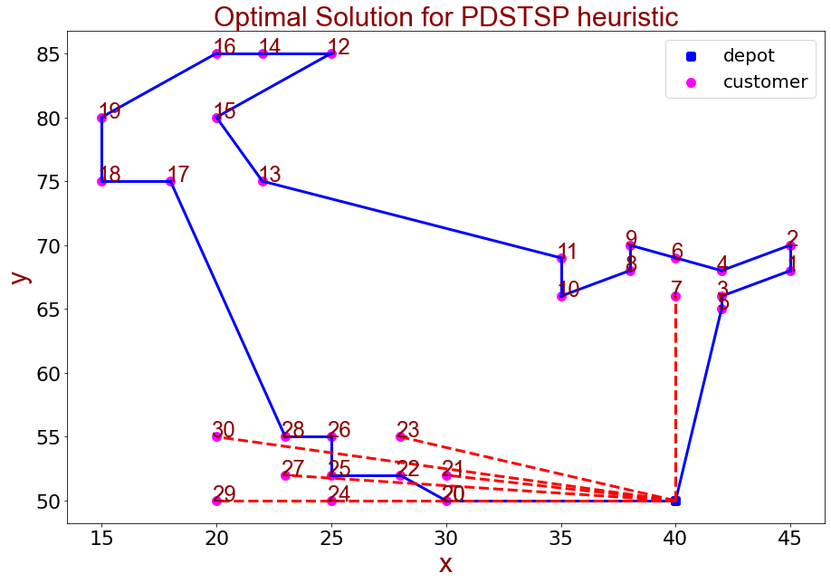
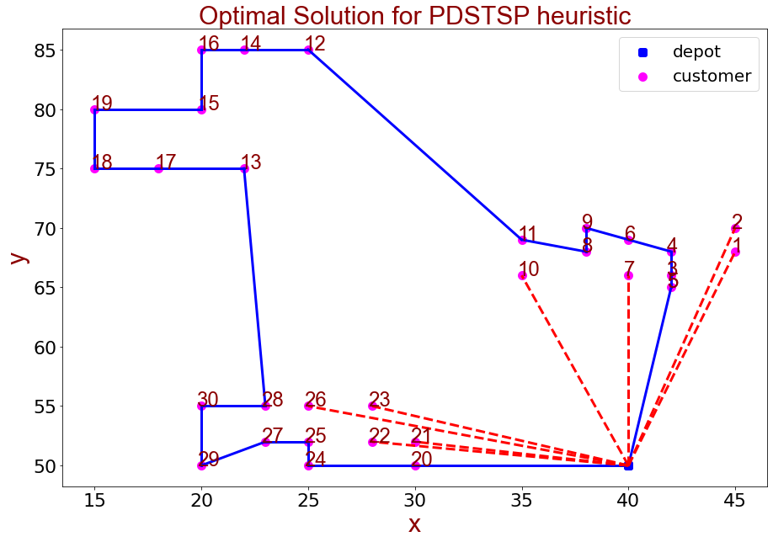
 |  |  |  |  |  |  |  |  |  |  |  | 36.06 | 27.73 | 26.93 | 26.08 | 25.06 | 26.63 | 22.83 | 24.41 | 21.63 | 20.59 | 20.52 | 18.6 | 7.07 | 5.39 | 5.39 | 0 | 5 | 5.39 | 7.07 | 5 | 31.62 | 29.73 | 29.12 | 26.25 | 30.41 | 28.44 | 25.5 | 28.16 | 25.18 | 30 | 25 | 36.06
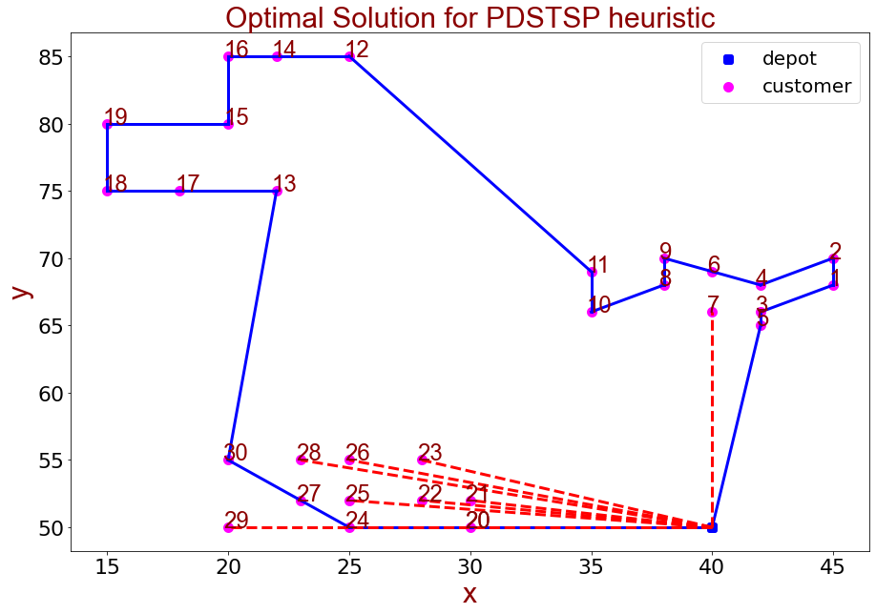
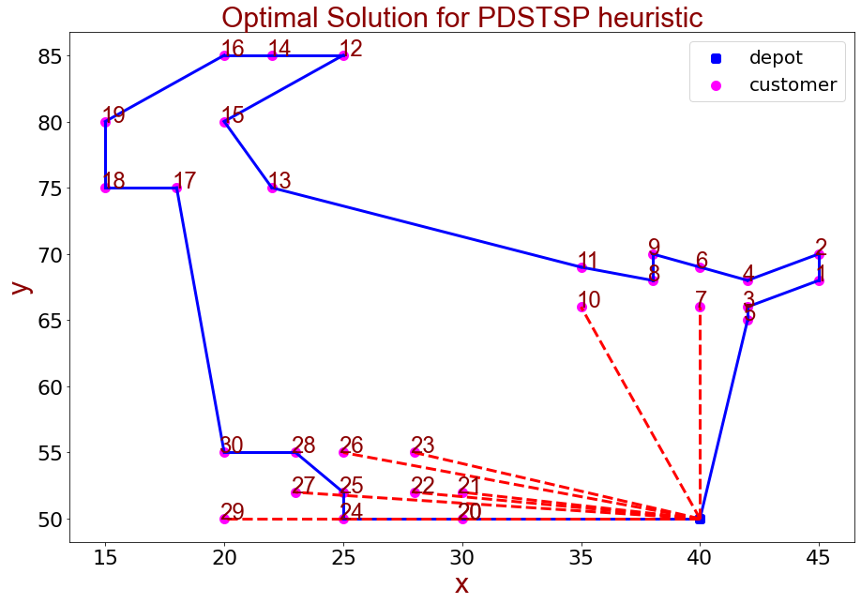
 |  |  |  |  |  |  |  |  |  |  |  | 40.31 | 30.23 | 29.15 | 29.07 | 27.8 | 29.73 | 25.61 | 27.59 | 24.76 | 23.43 | 24.21 | 21.93 | 5 | 10.2 | 2 | 5 | 0 | 10.2 | 11.18 | 7.07 | 36.4 | 34.48 | 33.96 | 31.05 | 35.36 | 33.38 | 30.41 | 33.14 | 30.15 | 35 | 30 | 40.31
 |  |  |  |  |  |  |  |  |  |  |  | 33.3 | 27.89 | 27.46 | 25.63 | 25 | 26 | 22.8 | 23.77 | 21.19 | 20.62 | 19.24 | 18.03 | 12.21 | 4 | 10.77 | 5.39 | 10.2 | 0 | 3 | 5.83 | 27.73 | 25.94 | 25.08 | 22.36 | 25.96 | 24.04 | 21.19 | 23.54 | 20.62 | 25.08 | 20.1 | 33.3
 |  |  |  |  |  |  |  |  |  |  |  | 35.36 | 30.81 | 30.41 | 28.46 | 27.89 | 28.79 | 25.71 | 26.57 | 24.04 | 23.54 | 21.93 | 20.88 | 14.14 | 7 | 12.21 | 7.07 | 11.18 | 3 | 0 | 5 | 29.15 | 27.46 | 26.42 | 23.85 | 26.93 | 25.08 | 22.36 | 24.35 | 21.54 | 25.5 | 20.62 | 35.36
 |  |  |  |  |  |  |  |  |  |  |  | 39.05 | 32.31 | 31.62 | 30.41 | 29.55 | 30.89 | 27.31 | 28.65 | 25.94 | 25.08 | 24.41 | 22.83 | 11.18 | 8.6 | 8.6 | 5 | 7.07 | 5.83 | 5 | 0 | 33.54 | 31.76 | 30.87 | 28.18 | 31.62 | 29.73 | 26.93 | 29.12 | 26.25 | 30.41 | 25.5 | 39.05
 |  |  |  |  |  |  |  |  |  |  |  | 10 | 23.43 | 25 | 20 | 21.63 | 19.21 | 21.47 | 18.87 | 19.7 | 21.54 | 16.76 | 19.65 | 35.36 | 26.25 | 35.9 | 31.62 | 36.4 | 27.73 | 29.15 | 33.54 | 0 | 2 | 2.83 | 5.39 | 5 | 5.39 | 7.07 | 7.28 | 8.6 | 10 | 11.18 | 10
 |  |  |  |  |  |  |  |  |  |  |  | 10.2 | 21.93 | 23.43 | 18.44 | 20 | 17.69 | 19.72 | 17.2 | 17.89 | 19.7 | 14.87 | 17.72 | 33.38 | 24.35 | 33.96 | 29.73 | 34.48 | 25.94 | 27.46 | 31.76 | 2 | 0 | 2 | 3.61 | 5.39 | 5 | 5.83 | 7 | 7.62 | 10.2 | 10.44 | 10.2
 |  |  |  |  |  |  |  |  |  |  |  | 12.17 | 23.35 | 24.76 | 19.8 | 21.26 | 19.1 | 20.81 | 18.44 | 18.87 | 20.59 | 15.65 | 18.38 | 33.14 | 23.77 | 33.54 | 29.12 | 33.96 | 25.08 | 26.42 | 30.87 | 2.83 | 2 | 0 | 3 | 3.61 | 3 | 4.24 | 5 | 5.83 | 8.25 | 8.54 | 12.17
 |  |  |  |  |  |  |  |  |  |  |  | 13 | 21.4 | 22.67 | 17.8 | 19.1 | 17.2 | 18.44 | 16.28 | 16.4 | 18.03 | 13.04 | 15.65 | 30.15 | 20.88 | 30.59 | 26.25 | 31.05 | 22.36 | 23.85 | 28.18 | 5.39 | 3.61 | 3 | 0 | 5.83 | 4.24 | 3 | 5.83 | 5 | 9.43 | 8 | 13
 |  |  |  |  |  |  |  |  |  |  |  | 15 | 26.91 | 28.28 | 23.35 | 24.76 | 22.67 | 24.21 | 21.93 | 22.2 | 23.85 | 18.87 | 21.47 | 35 | 25.18 | 35.13 | 30.41 | 35.36 | 25.96 | 26.93 | 31.62 | 5 | 5.39 | 3.61 | 5.83 | 0 | 2 | 5 | 2.83 | 5.39 | 5 | 7.07 | 15
 |  |  |  |  |  |  |  |  |  |  |  | 15.13 | 25.61 | 26.91 | 22.02 | 23.35 | 21.4 | 22.67 | 20.52 | 20.62 | 22.2 | 17.2 | 19.72 | 33 | 23.19 | 33.14 | 28.44 | 33.38 | 24.04 | 25.08 | 29.73 | 5.39 | 5 | 3 | 4.24 | 2 | 0 | 3 | 2 | 3.61 | 5.39 | 5.83 | 15.13
 |  |  |  |  |  |  |  |  |  |  |  | 15.81 | 23.85 | 25 | 20.25 | 21.4 | 19.72 | 20.52 | 18.6 | 18.38 | 19.85 | 14.87 | 17.2 | 30 | 20.22 | 30.15 | 25.5 | 30.41 | 21.19 | 22.36 | 26.93 | 7.07 | 5.83 | 4.24 | 3 | 5 | 3 | 0 | 3.61 | 2 | 7.07 | 5 | 15.81
 |  |  |  |  |  |  |  |  |  |  |  | 17.12 | 27.2 | 28.43 | 23.6 | 24.84 | 23.02 | 24.04 | 22.02 | 21.93 | 23.43 | 18.44 | 20.81 | 33.06 | 23.02 | 33.02 | 28.16 | 33.14 | 23.54 | 24.35 | 29.12 | 7.28 | 7 | 5 | 5.83 | 2.83 | 2 | 3.61 | 0 | 3 | 3.61 | 4.24 | 17.12
 |  |  |  |  |  |  |  |  |  |  |  | 17.72 | 25.55 | 26.63 | 21.95 | 23.02 | 21.47 | 22.02 | 20.25 | 19.85 | 21.21 | 16.28 | 18.44 | 30.07 | 20.02 | 30.02 | 25.18 | 30.15 | 20.62 | 21.54 | 26.25 | 8.6 | 7.62 | 5.83 | 5 | 5.39 | 3.61 | 2 | 3 | 0 | 5.83 | 3 | 17.72
 |  |  |  |  |  |  |  |  |  |  |  | 20 | 30.81 | 32.02 | 27.2 | 28.43 | 26.63 | 27.59 | 25.61 | 25.46 | 26.91 | 21.93 | 24.21 | 35.36 | 25.08 | 35.06 | 30 | 35 | 25.08 | 25.5 | 30.41 | 10 | 10.2 | 8.25 | 9.43 | 5 | 5.39 | 7.07 | 3.61 | 5.83 | 0 | 5 | 20
 |  |  |  |  |  |  |  |  |  |  |  | 20.62 | 28.18 | 29.15 | 24.6 | 25.55 | 24.17 | 24.41 | 22.83 | 22.2 | 23.43 | 18.6 | 20.52 | 30.41 | 20.1 | 30.07 | 25 | 30 | 20.1 | 20.62 | 25.5 | 11.18 | 10.44 | 8.54 | 8 | 7.07 | 5.83 | 5 | 4.24 | 3 | 5 | 0 | 20.62
 |  |  |  |  |  |  |  |  |  |  |  | 0 | 18.68 | 20.62 | 16.12 | 18.11 | 15.13 | 19 | 16 | 18.11 | 20.1 | 16.76 | 19.65 | 38.08 | 30.81 | 39.36 | 36.06 | 40.31 | 33.3 | 35.36 | 39.05 | 10 | 10.2 | 12.17 | 13 | 15 | 15.13 | 15.81 | 17.12 | 17.72 | 20 | 20.62 | 0

 | 数据集 | c101.txt

# | 顾客人数 | UAV eligible | UAV range | 最优解值 | 无人机服务时间 | 卡车服务时间 | 求解用时(单位：秒) | UAV Assignment | Truck Route | TSP求解算法（SA）
1 | 30 | 20 | 20 | 126.46 | 120.03 | 126.46 | 291 | [21, 22, 25, 26, 28, 29, 23, 7] | [20, 24, 27, 30, 13, 17, 18, 19, 15, 16, 14, 12, 11, 10, 8, 9, 6, 4, 2, 1, 3, 5] | T0 | 100
2 | 30 | 20 | 20 | 126.77 | 120.79 | 126.77 | 292 | [21, 22, 23, 25, 26, 28, 29, 10] | [20, 24, 27, 30, 13, 17, 18, 19, 15, 16, 14, 12, 11, 8, 9, 6, 2, 1, 4, 3, 5, 7] | MAX_ITER | 1000
3 | 30 | 20 | 20 | 126.71 | 111.93 | 126.71 | 426 | [7, 21, 23, 24, 27, 29, 30] | [20, 22, 25, 26, 28, 17, 18, 19, 16, 14, 12, 15, 13, 11, 10, 8, 9, 6, 4, 2, 1, 3, 5] | MAX_M | 20
4 | 30 | 20 | 20 | 124.27 | 123.24 | 124.27 | 226 | [1, 2, 7, 21, 22, 23, 26, 10] | [5, 3, 4, 6, 9, 8, 11, 12, 14, 16, 15, 19, 18, 17, 13, 28, 30, 29, 27, 25, 24, 20] | lambda | 0.97
5 | 30 | 20 | 20 | 125.53 | 121.06 | 125.53 | 291 | [21, 22, 23, 26, 27, 29, 10, 7] | [20, 24, 25, 28, 30, 17, 18, 19, 16, 14, 12, 15, 13, 11, 8, 9, 6, 4, 2, 1, 3, 5]
6 | 30 | 20 | 20 | 124.27 | 123.24 | 124.27 | 227 | [1, 2, 7, 21, 22, 23, 26, 10] | [5, 3, 4, 6, 9, 8, 11, 12, 14, 16, 15, 19, 18, 17, 13, 28, 30, 29, 27, 25, 24, 20]
7 | 30 | 20 | 20 | 125.57 | 124.91 | 125.57 | 226 | [7, 21, 22, 23, 26, 29, 30, 27] | [20, 24, 25, 28, 13, 17, 18, 19, 15, 16, 14, 12, 11, 10, 8, 9, 6, 2, 1, 4, 3, 5]
8 | 30 | 20 | 20 | 124.27 | 123.24 | 124.27 | 225 | [1, 2, 7, 21, 22, 23, 26, 10] | [5, 3, 4, 6, 9, 8, 11, 12, 14, 16, 15, 19, 18, 17, 13, 28, 30, 29, 27, 25, 24, 20]
9 | 30 | 20 | 20 | 124.27 | 123.24 | 124.27 | 226 | [1, 2, 7, 21, 22, 23, 26, 10] | [5, 3, 4, 6, 9, 8, 11, 12, 14, 16, 15, 19, 18, 17, 13, 28, 30, 29, 27, 25, 24, 20]
10 | 30 | 20 | 20 | 124.27 | 123.24 | 124.27 | 225 | [1, 2, 7, 21, 22, 23, 26, 10] | [5, 3, 4, 6, 9, 8, 11, 12, 14, 16, 15, 19, 18, 17, 13, 28, 30, 29, 27, 25, 24, 20]

