Python Code
Load Titanic train data
Transform columns
Get DataFrame info | 0
Multivariate histogram
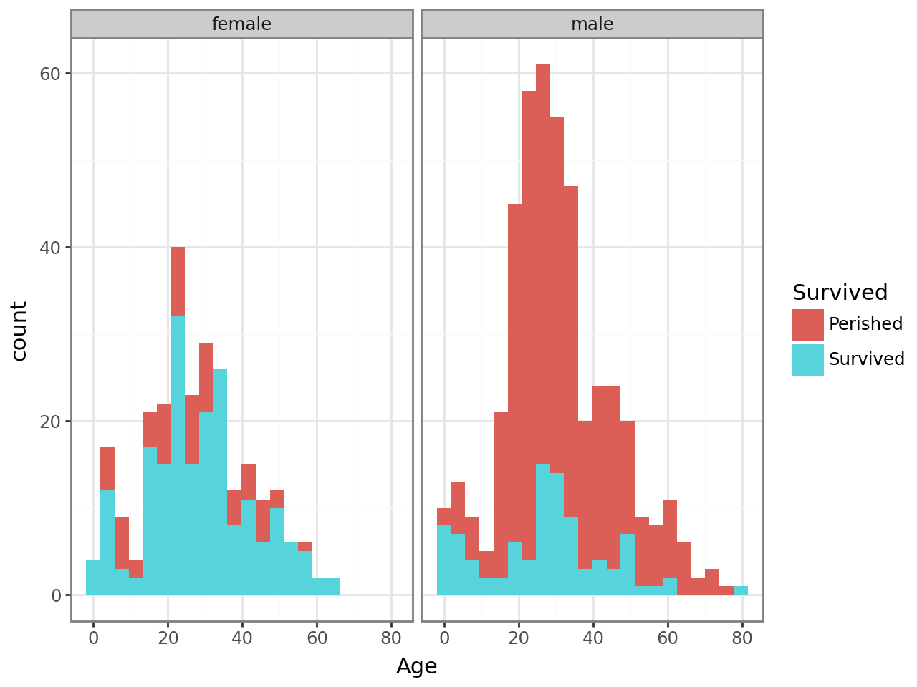
Adding a Facet
Make that two facets!
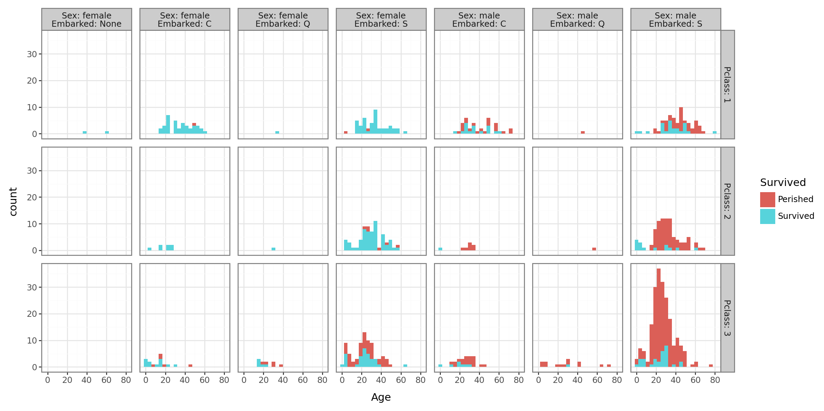
No! Make that three facets!

