Properties
Type | Property Photo | Street Address | Suburb | State | Postcode | Site Zoning | Property Type | Bed | Bath | Car | Extra Cost for Parks | Land Size (m²) | Floor Size (m²) | Year Built | Agency | Agent | Contact Phone | Email | Contacted (T/F) | Land Use | Development Zone | Parcel Details | Owner Type | Website Link | Sale Price | Sale Date | Settlement Date | Sale Type | Owner 1 Name | Owner 2 Name | Owner 3 Name | Vendor 1 Name | Vendor 2 Name | Vendor 3 Name | First Listed Price | First Listed Date | Last Listed Price | Last Listed Date | Listing Type | First Rental Price | First Rental Date | Last Rental Price | Last Rental Date | Outgoings Ex GST | Total Lease Price (Base + Outgoings) | Days on Market | Active Listing | Comments Y=Recommended, E=Evaluating, R=Rejected | Date Added | Date Presented | Allowable Use in Zone (T/F) | $/m² | Available (T/F) | Suitable (T/F) | PUT IN REPORT (T/F) | Client Feedback
Sold |  | 4/79 ERCEG ROAD | YANGEBUP | WA | 6164 | LIGHT AND SERVICE INDUSTRY - Light And Service Industry + 1 more | Commercial: Industrial Building | - | - | - |  | 253 | 197 | 2013 | - | - |  |  |  | Common - (Non-Residential) | LGHT.I - Light Industrial | 4/S062903 | - | https://rpp.corelogic.com.au/property/4-79-erceg-road-yangebup-wa-6164/16235966 | $621,500 | 10 Jan 2025 | - | - | RYDAM PROPERTY PTY LTD | - | - | LYQUINN INVESTMENTS PTY L | - | - | N/A | N/A | N/A | N/A | N/A | N/A | N/A | N/A | N/A | N/A | N/A | N/A | N/A
Sold | 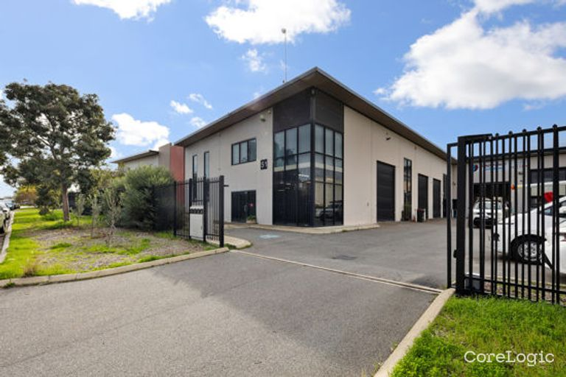 | 1/51 ERCEG ROAD | YANGEBUP | WA | 6164 | LIGHT AND SERVICE INDUSTRY - Light And Service Industry + 1 more | Commercial: Office Building | - | - | - |  | 266 | 265 | 2009 | Diamond Realty | Mick Minutillo | 0411 305 885 |  |  | Common - (Non-Residential) | LGHT.I - Light Industrial | 1/S057832 | - | https://rpp.corelogic.com.au/property/1-51-erceg-road-yangebup-wa-6164/14842356 | $737,000 | 19 Oct 2024 | - | - | DAVID JOHN RICHARDS | - | - | MOFO FOOD PTY LTD | - | - | N/A | N/A | N/A | N/A | N/A | N/A | N/A | N/A | N/A | N/A | N/A | N/A | N/A

