Properties
Type | Property Photo | Street Address | Suburb | State | Postcode | Site Zoning | Property Type | Bed | Bath | Car | Extra Cost for Parks | Land Size (m²) | Floor Size (m²) | Year Built | Agency | Agent | Contact Phone | Email | Contacted (T/F) | Land Use | Development Zone | Parcel Details | Owner Type | Website Link | Sale Price | Sale Date | Settlement Date | Sale Type | Owner 1 Name | Owner 2 Name | Owner 3 Name | Vendor 1 Name | Vendor 2 Name | Vendor 3 Name | First Listed Price | First Listed Date | Last Listed Price | Last Listed Date | Listing Type | First Rental Price | First Rental Date | Last Rental Price | Last Rental Date | Outgoings Ex GST | Total Lease Price (Base + Outgoings) | Days on Market | Active Listing | Comments Y=Recommended, E=Evaluating, R=Rejected | Date Added | Date Presented | Allowable Use in Zone (T/F) | $/m² | Available (T/F) | Suitable (T/F) | PUT IN REPORT (T/F) | Client Feedback
Sold | 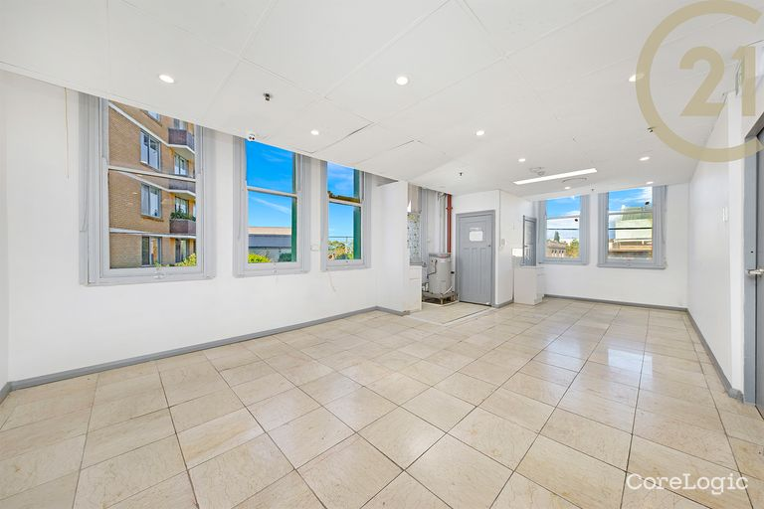 | 206-208 KING STREET | NEWTOWN | NSW | 2042 | E1 - Local Centre - Sydney Local Environmental Plan 2012 State Environmental Planning Policy Amendment (Land Use Zones) 2023 | Commercial: Office Building | - | - | - |  | 278 | 600 | - | - | - |  |  |  | - | Local Centre | LOTS 5-6 DP65247 | - | https://rpp.corelogic.com.au/property/206-208-king-street-newtown-nsw-2042/15794216 | $40,000 | 01 Oct 2024 | 03 Feb 2025 | - | FENG | HU | ZHANG | KWONG | FENG | HU | N/A | N/A | N/A | N/A | N/A | N/A | N/A | N/A | N/A | N/A | N/A | N/A | N/A

