Properties
Type | Property Photo | Street Address | Suburb | State | Postcode | Site Zoning | Property Type | Bed | Bath | Car | Extra Cost for Parks | Land Size (m²) | Floor Size (m²) | Year Built | Agency | Agent | Contact Phone | Email | Contacted (T/F) | Land Use | Development Zone | Parcel Details | Owner Type | Website Link | Sale Price | Sale Date | Settlement Date | Sale Type | Owner 1 Name | Owner 2 Name | Owner 3 Name | Vendor 1 Name | Vendor 2 Name | Vendor 3 Name | First Listed Price | First Listed Date | Last Listed Price | Last Listed Date | Listing Type | First Rental Price | First Rental Date | Last Rental Price | Last Rental Date | Outgoings Ex GST | Total Lease Price (Base + Outgoings) | Days on Market | Active Listing | Comments Y=Recommended, E=Evaluating, R=Rejected | Date Added | Date Presented | Allowable Use in Zone (T/F) | $/m² | Available (T/F) | Suitable (T/F) | PUT IN REPORT (T/F) | Client Feedback | Busi's Comment
For Sale | 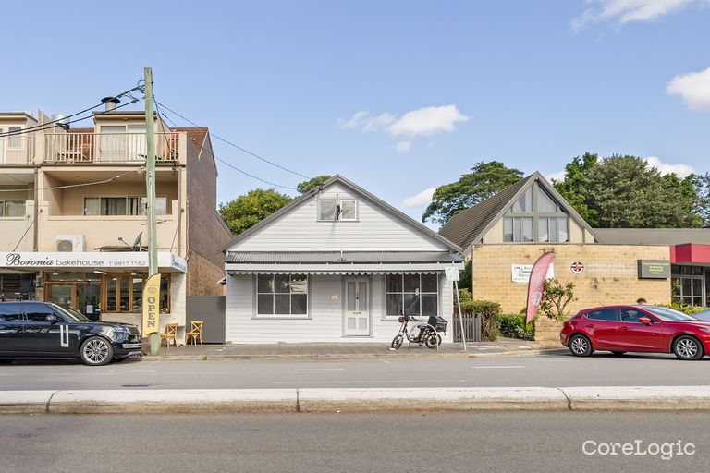 | 95 PITTWATER ROAD | HUNTERS HILL | NSW | 2110 | SP2 - Infrastructure - Hunters Hill Local Environmental Plan 2012 Map Amendment No 1 | Commercial | 8 | 1 | - |  | 302 | 105 | - | Bresic Whitney Hunters Hill | Nicholas McEvoy | 0402 472 062 |  |  | - | Business | 1/DP814063 | - | https://rpp.corelogic.com.au/property/95-pittwater-road-hunters-hill-nsw-2110/3008130 | N/A | N/A | N/A | N/A | N/A | N/A | N/A | N/A | N/A | N/A | Guide $2,650,000 | 07 Mar 2025 | - | 17 Mar 2025 | Auction | N/A | N/A | N/A | N/A | N/A | N/A | 25 | True

