Properties
Type | Property Photo | Street Address | Suburb | State | Postcode | Site Zoning | Property Type | Bed | Bath | Car | Extra Cost for Parks | Land Size (m²) | Floor Size (m²) | Year Built | Agency | Agent | Contact Phone | Email | Contacted (T/F) | Land Use | Development Zone | Parcel Details | Owner Type | Website Link | Sale Price | Sale Date | Settlement Date | Sale Type | Owner 1 Name | Owner 2 Name | Owner 3 Name | Vendor 1 Name | Vendor 2 Name | Vendor 3 Name | First Listed Price | First Listed Date | Last Listed Price | Last Listed Date | Listing Type | First Rental Price | First Rental Date | Last Rental Price | Last Rental Date | Outgoings Ex GST | Total Lease Price (Base + Outgoings) | Days on Market | Active Listing | Comments Y=Recommended, E=Evaluating, R=Rejected | Date Added | Date Presented | Allowable Use in Zone (T/F) | $/m² | Available (T/F) | Suitable (T/F) | PUT IN REPORT (T/F) | Client Feedback | Busi's Comment
Sold | 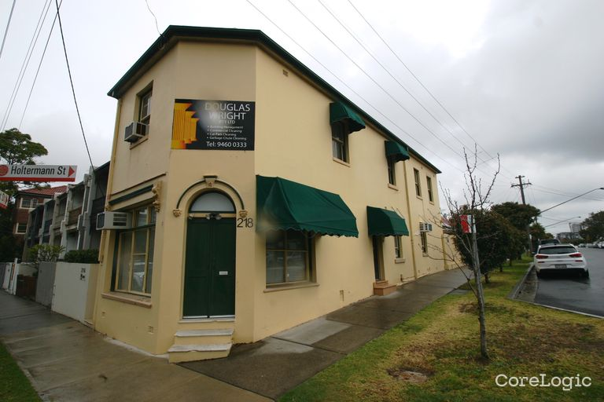 | 218 WEST STREET | CROWS NEST | NSW | 2065 | E1 - Local Centre - North Sydney Local Environmental Plan 2013 Map Amendment No 1 | Commercial: Office Building | - | - | 3 |  | 137 | 149 | - | - | - |  |  |  | - | Residential | 1/DP511204 | - | https://rpp.corelogic.com.au/property/218-west-street-crows-nest-nsw-2065/2026620 | $10,000 | 21 Nov 2024 | 21 Nov 2024 | - | SHEAHAN | - | - | MACRI | - | - | N/A | N/A | N/A | N/A | N/A | N/A | N/A | N/A | N/A | N/A | N/A | N/A | N/A |  |  |  |  | 1500 |  |  | F |  | Comment 1 Comment 1 Comment 1 Comment 1 Comment 1 Comment 1 Comment 1 Comment 1 Comment 1 Comment 1 Comment 1 Comment 1 Comment 1 Comment 1 Comment 1 Comment 1
For Lease | 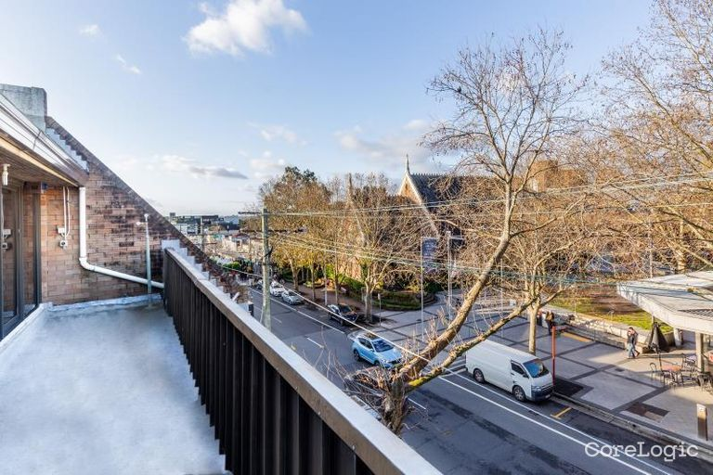 | 60-62 WILLOUGHBY ROAD | CROWS NEST | NSW | 2065 | MU1 - Mixed Use - North Sydney Local Environmental Plan 2013 Map Amendment No 1 | Commercial: Office Building | - | - | 5 |  | 307 | 565 | - | RWC Sydney North | Max Stephens |  |  |  | - | Mixed Residential/Commercial | 3/4/DP2872 | - | https://rpp.corelogic.com.au/property/60-62-willoughby-road-crows-nest-nsw-2065/2026686 | N/A | N/A | N/A | N/A | N/A | N/A | N/A | N/A | N/A | N/A | N/A | N/A | N/A | N/A | N/A | Not Disclosed | 12 Dec 2024 | $15000/week | 21 Mar 2025 |  |  | 113 | True |  |  |  |  | 850 |  |  | T |  | comment 5 was here
For Lease | 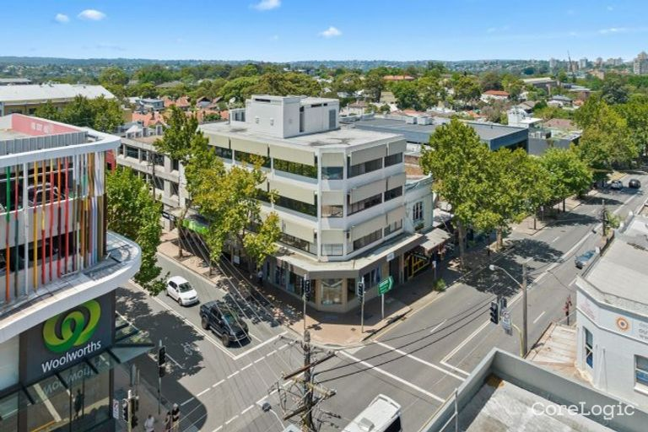 | 12 FALCON STREET | CROWS NEST | NSW | 2065 | MU1 - Mixed Use - North Sydney Local Environmental Plan 2013 Map Amendment No 1 | Commercial: Office Building | - | - | 4 |  | 163 | 285 | - | Sheads | Linus Lifson | 0435 990 083 |  |  | - | Residential | LOTS 1-2 DP222176 | - | https://rpp.corelogic.com.au/property/12-falcon-street-crows-nest-nsw-2065/2025193 | N/A | N/A | N/A | N/A | N/A | N/A | N/A | N/A | N/A | N/A | N/A | N/A | N/A | N/A | N/A | Not Disclosed | 21 Jan 2025 | $1,000 | 17 Mar 2025 |  |  | 73 | True |  |  |  |  | 80 |  |  | T |  | testing comment 6
For Lease | 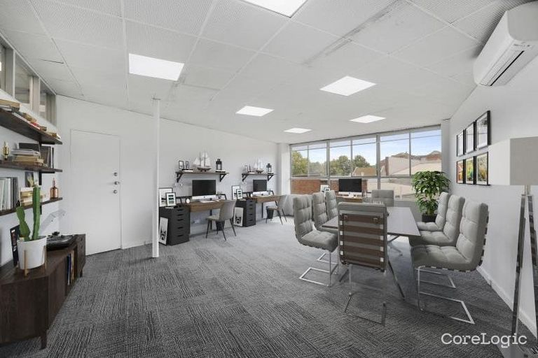 | 4 CLARKE STREET | CROWS NEST | NSW | 2065 | MU1 - Mixed Use - North Sydney Local Environmental Plan 2013 Map Amendment No 1 | Commercial: Office Building | - | - | 10 |  | 669 | 61 | - | X Commercial North Sydney | Henry Corlett |  |  |  | - | Business | LOTS 1-2 DP901161 | - | https://rpp.corelogic.com.au/property/4-clarke-street-crows-nest-nsw-2065/2024650 | N/A | N/A | N/A | N/A | N/A | N/A | N/A | N/A | N/A | N/A | N/A | N/A | N/A | N/A | N/A | $10,000 | 11 Mar 2025 | $10,000/Weekly | 11 Mar 2025 |  |  | 24 | True |  |  |  |  | 900 |  |  | T |  | this is a longer comment for commeny 2354ginisdnfio23nifn 777 commeng 7
For Lease | 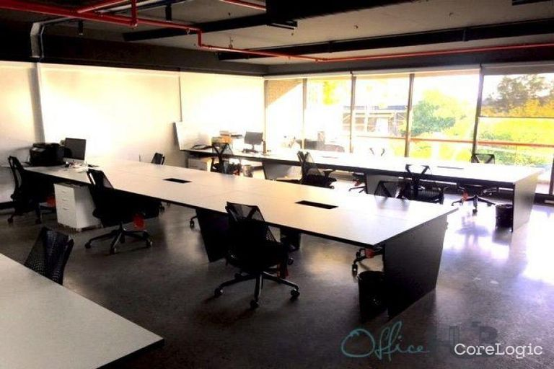 | 3/20 CLARKE STREET | CROWS NEST | NSW | 2065 | MU1 - Mixed Use - North Sydney Local Environmental Plan 2013 Map Amendment No 1 | Commercial: Office Building | - | - | 6 |  | 1465 | 460 | - | Office Hub Pty Limited | - |  |  |  | - | Business | 3/SP52547 | - | https://rpp.corelogic.com.au/property/3-20-clarke-street-crows-nest-nsw-2065/2024731 | N/A | N/A | N/A | N/A | N/A | N/A | N/A | N/A | N/A | N/A | N/A | N/A | N/A | N/A | N/A | $350 | 10 Mar 2025 | $350/Annually | 10 Mar 2025 |  |  | 25 | True |  |  |  |  | 10 |  |  | T |  | comment 8
For Lease | 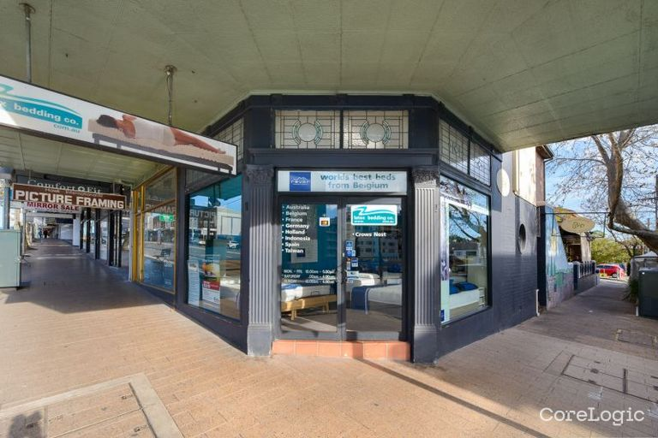 | 376 PACIFIC HIGHWAY | CROWS NEST | NSW | 2065 | MU1 - Mixed Use - North Sydney Local Environmental Plan 2013 Map Amendment No 1 | Commercial: Retail Building | - | - | 0 |  | 148 | 80 | - | Sheads | Bill Geroulis | 0413 100 200 |  |  | - | Business | 1/DP222601 | - | https://rpp.corelogic.com.au/property/376-pacific-highway-crows-nest-nsw-2065/2026129 | N/A | N/A | N/A | N/A | N/A | N/A | N/A | N/A | N/A | N/A | N/A | N/A | N/A | N/A | N/A | Not Disclosed | 19 Nov 2024 | Not Disclosed | 12 Feb 2025 |  |  | 136 | True |  |  |  |  | 25 |  |  | T |  | comment 9
For Lease |  | 108 ALEXANDER STREET | CROWS NEST | NSW | 2065 | MU1 - Mixed Use - North Sydney Local Environmental Plan 2013 Map Amendment No 1 | Commercial: Office Building | - | - | 4 |  | 234 | 350 | - | Lowry Property Group | Nick Lowry | 0408891376 |  |  | - | Non Urban | 1/DP712812 | - | https://rpp.corelogic.com.au/property/108-alexander-street-crows-nest-nsw-2065/2024184 | N/A | N/A | N/A | N/A | N/A | N/A | N/A | N/A | N/A | N/A | N/A | N/A | N/A | N/A | N/A | Not Disclosed | 28 Jan 2025 | Not Disclosed | 28 Jan 2025 |  |  | 66 | True |  |  |  |  | 305 |  |  | T |  | comment 10
For Sale |  | 95 PITTWATER ROAD | HUNTERS HILL | NSW | 2110 | SP2 - Infrastructure - Hunters Hill Local Environmental Plan 2012 Map Amendment No 1 | Commercial | 8 | 1 | 2 |  | 302 | 105 | - | Bresic Whitney Hunters Hill | Nicholas McEvoy | 0402 472 062 |  |  | - | Business | 1/DP814063 | - | https://rpp.corelogic.com.au/property/95-pittwater-road-hunters-hill-nsw-2110/3008130 | N/A | N/A | N/A | N/A | N/A | N/A | N/A | N/A | N/A | N/A | Guide $2,650,000 | 07 Mar 2025 | $9,345,983 | 17 Mar 2025 | Auction | N/A | N/A | N/A | N/A | N/A | N/A | 28 | True |  |  |  |  | 2000 |  |  | T |  | Hello comment 2
For Sale |  | 20 BURLINGTON STREET | CROWS NEST | NSW | 2065 | MU1 - Mixed Use - North Sydney Local Environmental Plan 2013 Map Amendment No 1 | Commercial | - | - | - |  | 413 | 130 | - | Dentown - Sydney | Joshua Alonzo |  |  |  | - | Business | 18/5/DP1265 | - | https://rpp.corelogic.com.au/property/20-burlington-street-crows-nest-nsw-2065/2024025 | N/A | N/A | N/A | N/A | N/A | N/A | N/A | N/A | N/A | N/A | Contact Agent | 19 Jan 2025 | $1,238,459 | 15 Mar 2025 | Private Treaty | N/A | N/A | N/A | N/A | N/A | N/A | 75 | True |  |  |  |  | 1000 |  |  | T |  | this is nice property comment 3
For Sale | 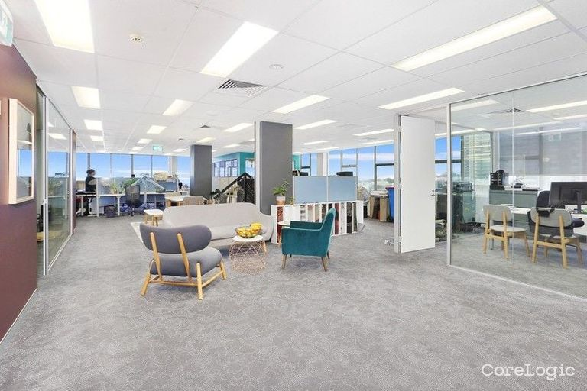 | 504/10-12 CLARKE STREET | CROWS NEST | NSW | 2065 | MU1 - Mixed Use - North Sydney Local Environmental Plan 2013 Map Amendment No 1 | Commercial: Office Building | - | - | 1 |  | 970 | 250 | - | No Agent Property | No Agent Property - NSW | 1300594794 |  |  | - | Residential | 26/SP62905 | - | https://rpp.corelogic.com.au/property/504-10-12-clarke-street-crows-nest-nsw-2065/2024726 | N/A | N/A | N/A | N/A | N/A | N/A | N/A | N/A | N/A | N/A | Offers above $2,700,000 | 10 Jan 2025 | Offers above $2,600,000 | 13 Jan 2025 | Private Treaty | N/A | N/A | N/A | N/A | N/A | N/A | 79 | False |  |  |  |  | 250 |  |  | T |  | 123 this is comment 4
Already Leased | 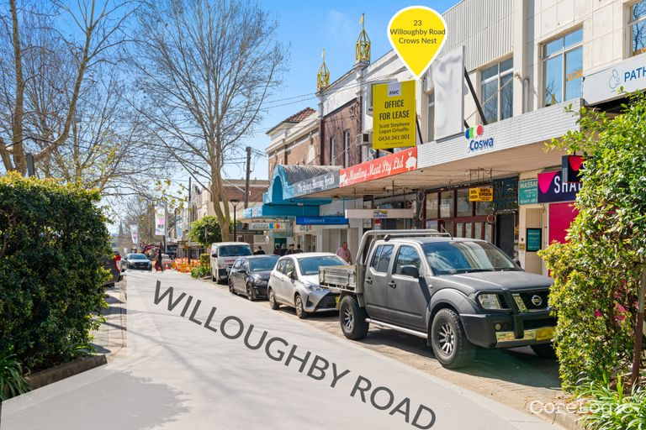 | GROUND FLOOR/23 WILLOUGHBY ROAD | CROWS NEST | NSW | 2065 |  | Commercial: Office Building | - | - | - |  | 278 | 145 | - | RWC Sydney North | Max Stephens | 0429500156 |  |  | - | Business | 3/DP24071 | - | https://rpp.corelogic.com.au/property/ground-floor-23-willoughby-road-crows-nest-nsw-2065/2026657 | N/A | N/A | N/A | N/A | N/A | N/A | N/A | N/A | N/A | N/A | N/A | N/A | N/A | N/A | N/A | Not Disclosed | 23 Aug 2024 | Not Disclosed | 24 Mar 2025 |  |  | 102 | False |  |  |  |  | 556 |  |  | T |  | comment 11
Already Leased | 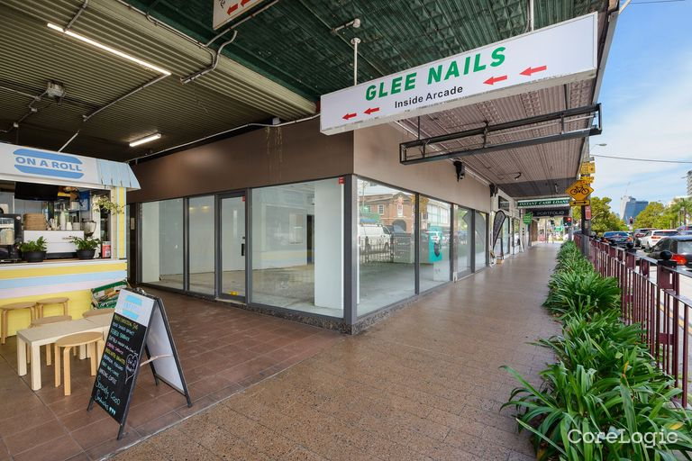 | 437 PACIFIC HIGHWAY | CROWS NEST | NSW | 2065 | MU1 - Mixed Use - North Sydney Local Environmental Plan 2013 Map Amendment No 1 | Commercial: Retail Building | - | - | 1 |  | 462 | 139 | - | Sheads | Ivor (Shu) Zhou |  |  |  | - | Business | LOTS 1-3 DP1079490 | - | https://rpp.corelogic.com.au/property/437-pacific-highway-crows-nest-nsw-2065/2026231 | N/A | N/A | N/A | N/A | N/A | N/A | N/A | N/A | N/A | N/A | N/A | N/A | N/A | N/A | N/A | Not Disclosed | 19 Nov 2024 | Not Disclosed | 17 Jan 2025 |  |  | 135 | False |  |  |  |  | 365 |  |  | T |  | comment 12
Already Leased |  | 20 BURLINGTON STREET | CROWS NEST | NSW | 2065 | MU1 - Mixed Use - North Sydney Local Environmental Plan 2013 Map Amendment No 1 | Commercial | - | - | 2 |  | 413 | 130 | - | Lowry Property Group | Nick Lowry | 0408891376 |  |  | - | Business | 18/5/DP1265 | - | https://rpp.corelogic.com.au/property/20-burlington-street-crows-nest-nsw-2065/2024025 | N/A | N/A | N/A | N/A | N/A | N/A | N/A | N/A | N/A | N/A | N/A | N/A | N/A | N/A | N/A | Not Disclosed | 02 Sep 2024 | Not Disclosed | 07 Jan 2025 |  |  | 115 | False |  |  |  |  | 5645 |  |  | T |  | comment 13
Already Leased | 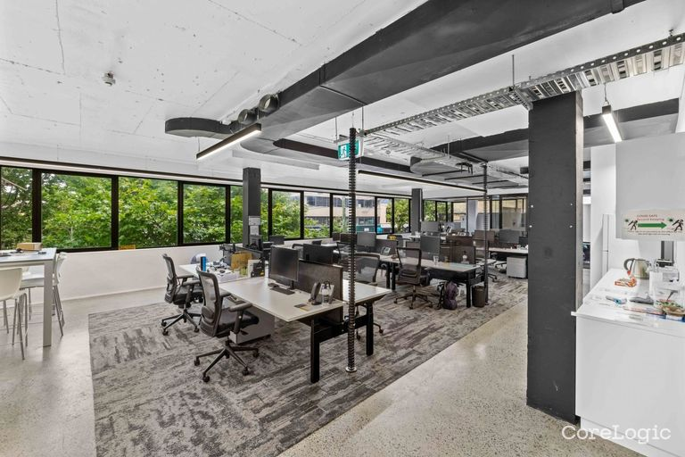 | 1/24-26 FALCON STREET | CROWS NEST | NSW | 2065 | MU1 - Mixed Use - North Sydney Local Environmental Plan 2013 Map Amendment No 1 | Commercial: Office Building | - | - | 4 |  | 757 | 43 | - | No Agent Property | No Agent Property - NSW | 1300594794 |  |  | - | Business | 1/SP32267 | - | https://rpp.corelogic.com.au/property/1-24-26-falcon-street-crows-nest-nsw-2065/2025204 | N/A | N/A | N/A | N/A | N/A | N/A | N/A | N/A | N/A | N/A | N/A | N/A | N/A | N/A | N/A | $499 | 29 Jul 2024 | $425/Annually | 06 Jan 2025 |  |  | 237 | False |  |  |  |  | 324 |  |  | T |  | comment 14

