内存
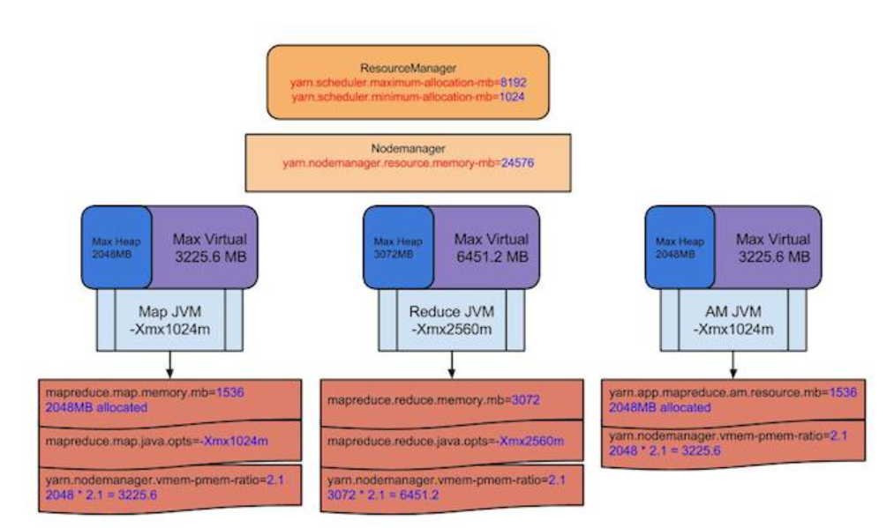
ResourceManager
yarn.scheduler.minimum-allocation-mb=1024M | 最小分配单位
yarn.scheduler.maximum-allocation-mb=8192 | 最大分配单位

NodeManager
yarn.nodemanager.resource.memory-mb=24576

MapTask
mapreduce.map.memory.mb=1536 | 请求1536M
实际分配2048M，因为以1G为单位分配
超出2G，NM会将改Task杀掉

mapreduce.map.java.opts=-Xmx1024m | java程序

当container的内存超出要求的，log将会打印一下信息
Current usage: 2.1gb of 2.0gb physical memory used; 1.6gb of 3.15gb virtual memory used. Killing container.

JVM进程跑在container中，mapreduce.{map|reduce}.java.opts能够通过Xmx设置JVM最大的heap的使用，
一般设置为0.75倍的memory.mb，因为需要为java code，非JVM内存使用等预留些空间

Sheet5
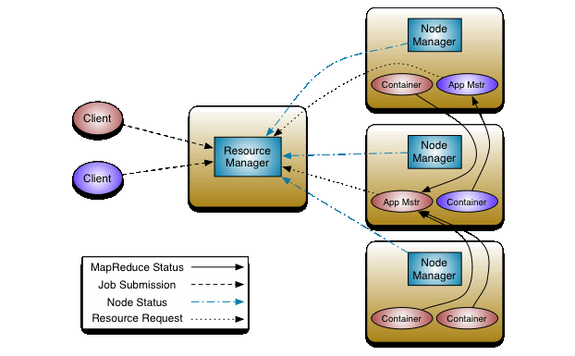

mr-uml
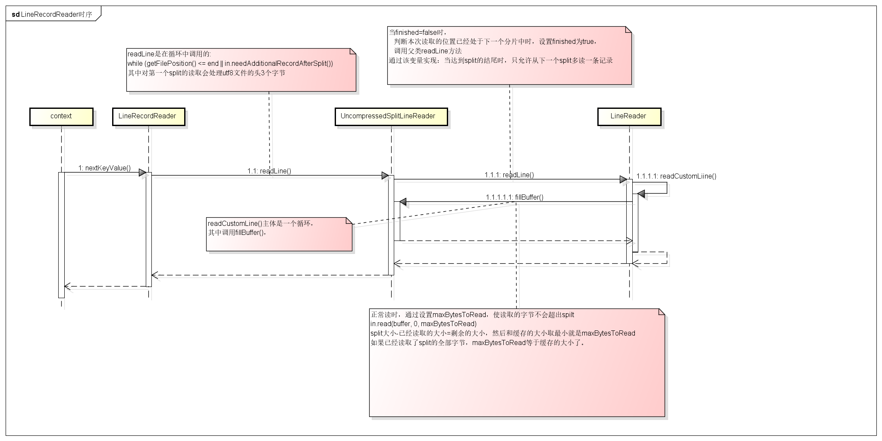

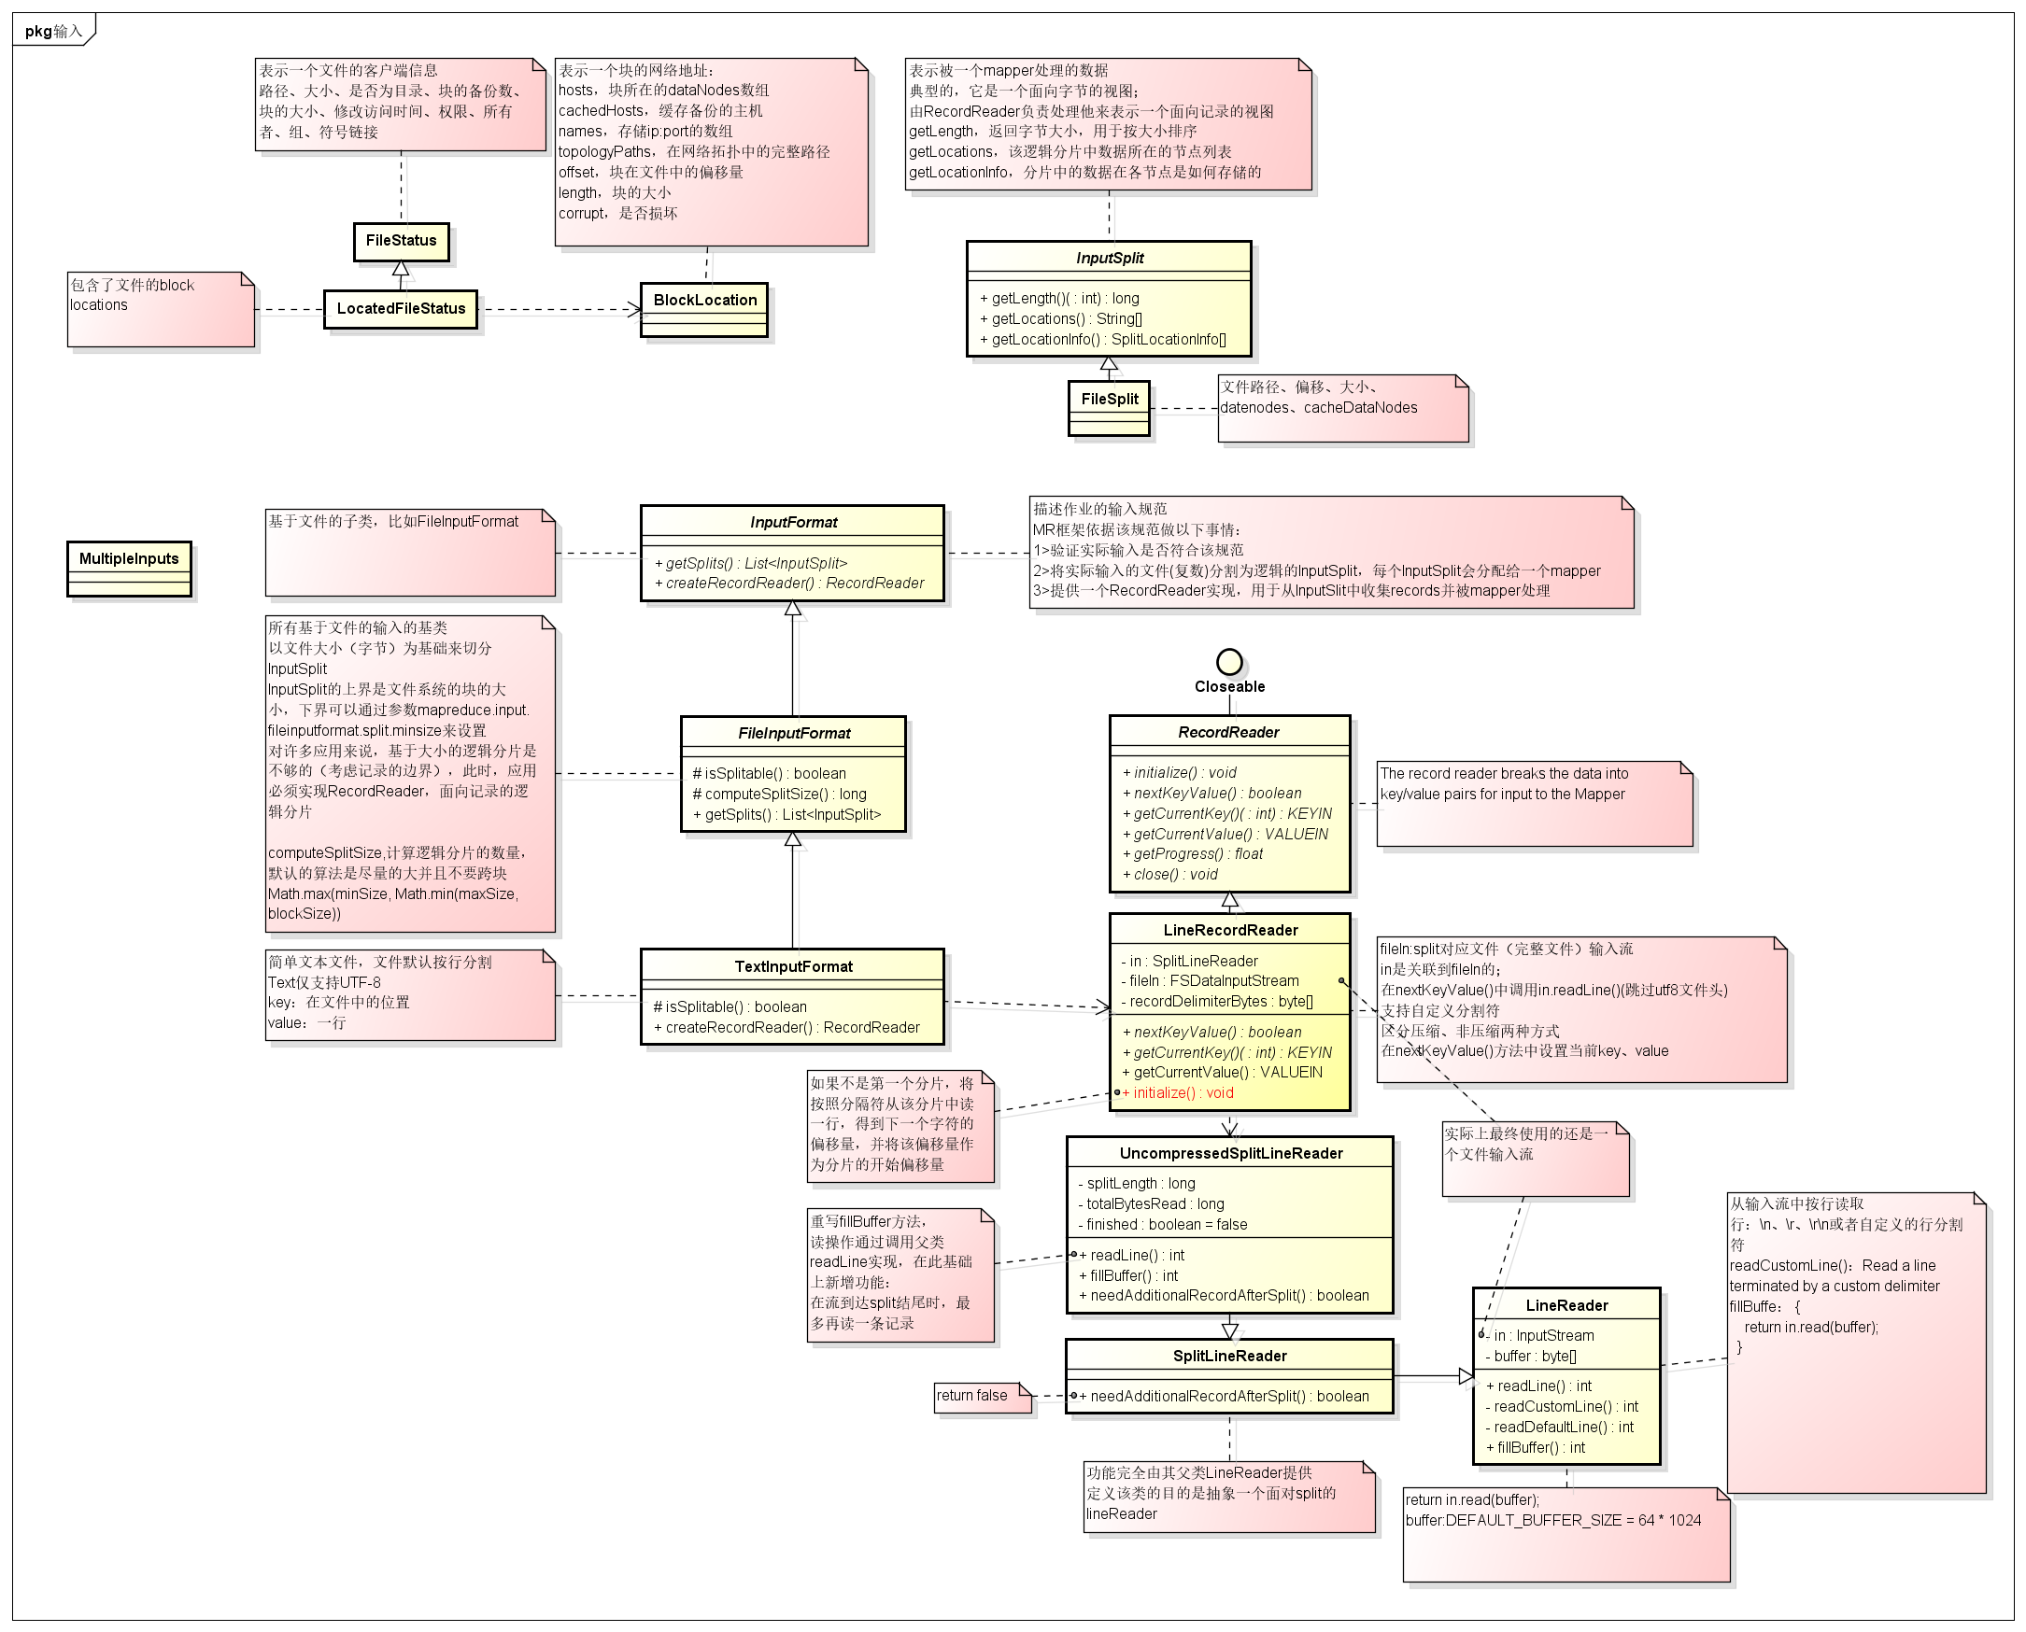

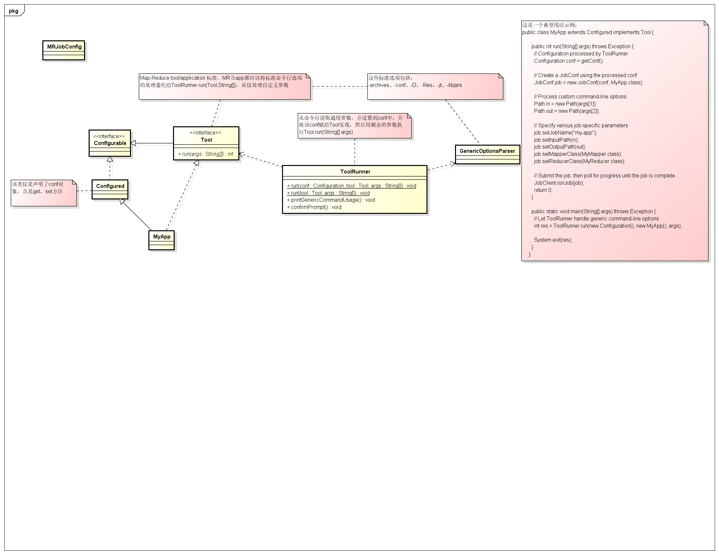

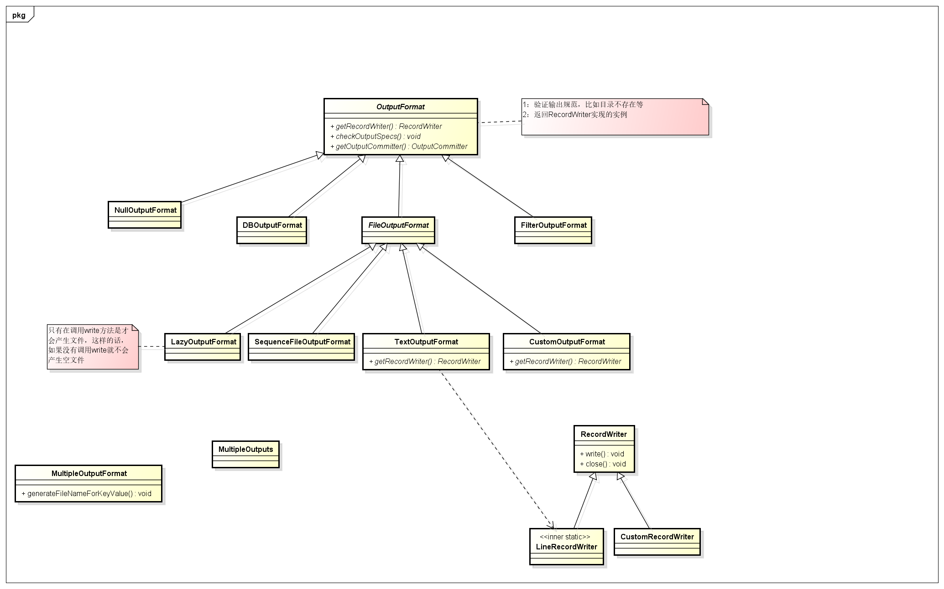

hdfs-uml
