S6. major element screen
Table S6. Major element analyses of Basin and Range magmas used to calculate mantle equilibration P and T

 |  |  |  |  |  |  |  |  |  |  |  |  |  | Bold colored and outlined symbols are those used in the thermobarometery; faded symbols include all samples that did not pass the screen
 | Vent | Sample | Reference | SiO2 | TiO2 | Al2O3 | FeO* | MnO | MgO | CaO | Na2O | K2O | P2O5
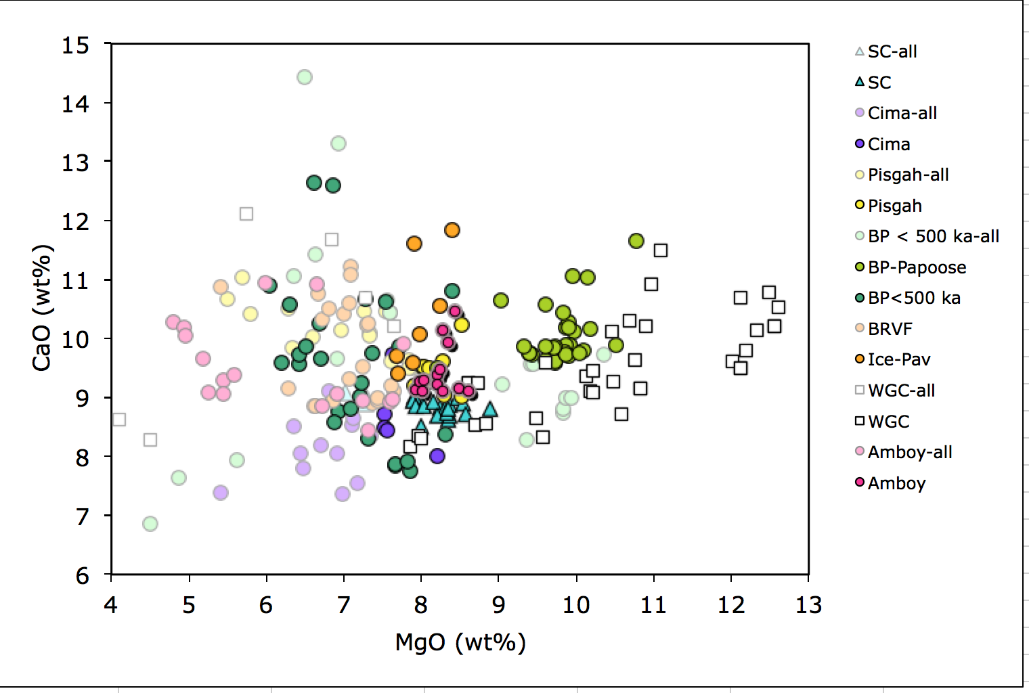
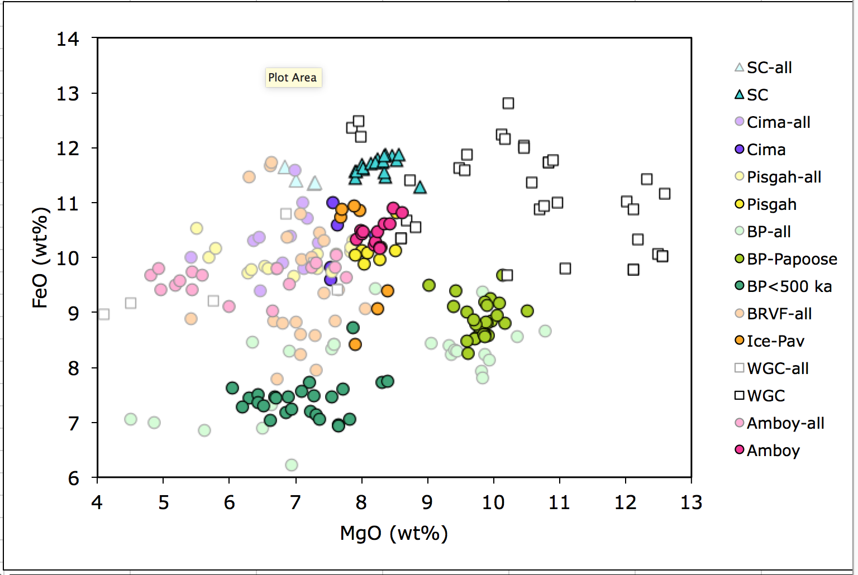
Snow Canyon Volcanic Field
 | Diamond V | SC 07 04 | this study | 50.74 | 1.60 | 15.88 | 11.66 | 0.17 | 6.84 | 9.05 | 3.23 | 0.59 | 0.25
 | Diamond V | DVC02 | Faust-99 | 50.59 | 1.57 | 15.95 | 11.41 | 0.17 | 7.01 | 9.08 | 3.36 | 0.62 | 0.24
 | DV | 92NDC1 | Nusbaum-95 | 50.48 | 1.65 | 16.07 | 11.34 | 0.17 | 7.27 | 8.90 | 3.21 | 0.61 | 0.30
 | DV | 92NDC2 | Nusbaum-95 | 50.34 | 1.63 | 16.02 | 11.37 | 0.17 | 7.30 | 8.99 | 3.21 | 0.66 | 0.30
 | SCL | 92N1 | Nusbaum-95 | 49.85 | 1.56 | 15.73 | 11.61 | 0.18 | 8.02 | 8.88 | 3.37 | 0.53 | 0.29
 | Snow C. | SC02 | Faust-05 | 50.16 | 1.51 | 15.56 | 11.57 | 0.17 | 7.90 | 9.01 | 3.25 | 0.63 | 0.24
 | Snow C. | SC03 | Faust-05 | 50.30 | 1.51 | 15.58 | 11.45 | 0.17 | 7.90 | 8.96 | 3.27 | 0.62 | 0.24
 | Snow C. | SC01 | Faust-05 | 50.28 | 1.52 | 15.60 | 11.56 | 0.17 | 7.92 | 8.86 | 3.25 | 0.60 | 0.24
 | Snow Cyn | SC 07 03 | this study | 50.52 | 1.52 | 15.66 | 11.68 | 0.18 | 8.00 | 8.51 | 3.02 | 0.67 | 0.24
 | SCL | 92N3 | Nusbaum | 49.52 | 1.59 | 15.66 | 11.79 | 0.18 | 8.24 | 8.83 | 3.35 | 0.57 | 0.28
 | Snow C. | SC06 | Faust-05 | 50.14 | 1.51 | 15.59 | 11.62 | 0.17 | 8.03 | 8.85 | 3.21 | 0.64 | 0.24
 | SCL | 92N4 | Nusbaum-95 | 49.76 | 1.56 | 15.50 | 11.73 | 0.18 | 8.31 | 8.83 | 3.30 | 0.56 | 0.28
 | SCL | 92N2 | Nusbaum-95 | 49.83 | 1.53 | 15.45 | 11.46 | 0.18 | 8.37 | 8.87 | 3.10 | 0.89 | 0.32
 | Snow C. | SC05 | Faust-05 | 50.05 | 1.51 | 15.41 | 11.70 | 0.18 | 8.15 | 8.92 | 3.21 | 0.64 | 0.23
 | Diamond V | DVC01 | Faust-05 | 50.36 | 1.50 | 15.36 | 11.73 | 0.17 | 8.21 | 8.70 | 3.12 | 0.62 | 0.23
 | SCL | 92ND6 | Nusbaum-95 | 49.59 | 1.60 | 15.77 | 11.56 | 0.17 | 8.34 | 8.64 | 3.45 | 0.58 | 0.29
 | SCL | 92ND7 | Nusbaum-95 | 48.84 | 1.61 | 16.00 | 11.85 | 0.17 | 8.46 | 8.98 | 3.24 | 0.54 | 0.30
 | SCL | NSG9238 | Nusbaum-95 | 49.88 | 1.50 | 15.42 | 11.88 | 0.18 | 8.36 | 8.70 | 3.24 | 0.57 | 0.26
 | Diamond V | SC 07 05 | this study | 50.15 | 1.51 | 15.35 | 11.75 | 0.17 | 8.32 | 8.74 | 3.19 | 0.56 | 0.24
 | Snow C. | SC08 | Faust-05 | 49.74 | 1.51 | 15.45 | 11.86 | 0.18 | 8.35 | 8.80 | 3.22 | 0.65 | 0.24
 | Snow C. | SC07 | Faust-05 | 49.75 | 1.49 | 15.23 | 11.77 | 0.18 | 8.53 | 8.91 | 3.28 | 0.62 | 0.24
 | Snow C. | SC04 | Faust-05 | 49.74 | 1.48 | 15.33 | 11.87 | 0.18 | 8.57 | 8.73 | 3.27 | 0.61 | 0.23
 | Diamond V | UT09DV04 | this study | 48.46 | 1.89 | 15.54 | 11.28 | 0.18 | 8.90 | 8.80 | 3.44 | 1.12 | 0.39
Cima Volcanic Field (< 1 Ma)
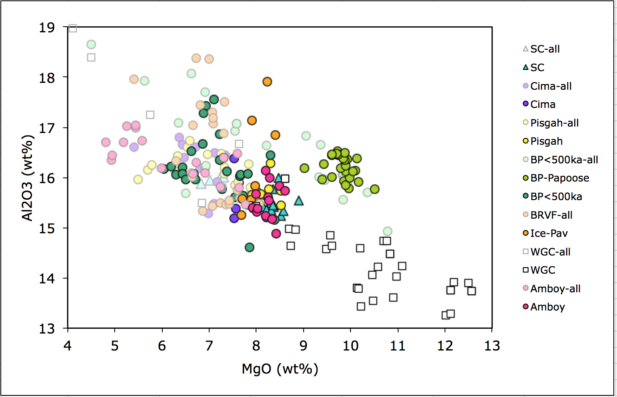
 | 8-2 | CD-6 | Farmer-95 | 51.63 | 2.51 | 16.61 | 10.01 | 0.11 | 5.41 | 7.39 | 3.94 | 2.04 | 0.34
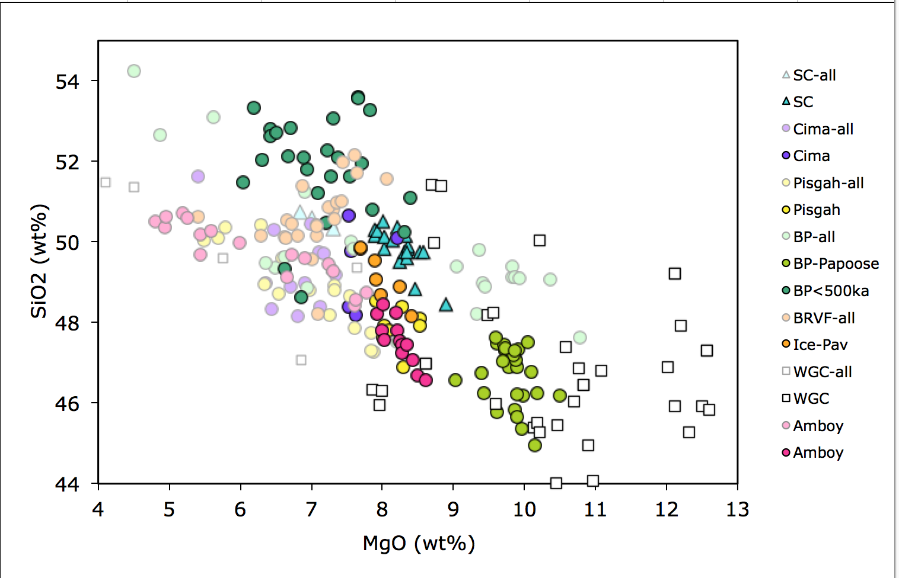
 | Vent 3 | MO10-27A | this study | 48.99 | 2.60 | 16.80 | 10.30 | 0.18 | 6.36 | 8.51 | 3.63 | 1.96 | 0.67
 | Vent 16 | MO10-16 | this study | 48.34 | 2.73 | 16.66 | 10.38 | 0.18 | 6.44 | 8.05 | 4.37 | 2.10 | 0.75
 | ? | CD-3 | Farmer-95 | 50.31 | 2.83 | 16.40 | 9.40 | 0.13 | 6.47 | 7.79 | 4.22 | 2.04 | 0.41
 | 34-1 | Ci-20 | Farmer-95 | 48.90 | 2.68 | 16.60 | 9.80 | 0.17 | 6.71 | 8.20 | 4.19 | 2.01 | 0.73
 | nd | Ci-43 | Farmer-95 | 48.16 | 2.60 | 16.19 | 9.89 | 0.69 | 6.80 | 9.10 | 3.96 | 1.93 | 0.69
 | 2-1 | CD-13 | Farmer-95 | 48.97 | 2.72 | 16.19 | 10.39 | 0.13 | 6.92 | 8.06 | 4.20 | 2.01 | 0.42
 | ? | CD-7 | Farmer-95 | 50.45 | 2.90 | 15.28 | 11.59 | 0.13 | 6.98 | 7.36 | 3.49 | 1.72 | 0.10
 | 10-1 | CD-5 | Farmer-95 | 49.76 | 2.74 | 15.49 | 10.99 | 0.12 | 7.10 | 8.53 | 3.42 | 1.73 | 0.13
 | V34 | Ci-6-1 | Farmer-95 | 48.38 | 2.85 | 16.49 | 9.80 | 0.17 | 7.13 | 8.65 | 4.04 | 1.82 | 0.68
 | 2-1 | CD-9 | Farmer-95 | 49.72 | 2.92 | 15.91 | 10.71 | 0.13 | 7.17 | 7.55 | 3.70 | 2.05 | 0.13
 | Vent 23 | MO10-50 | this study | 49.20 | 2.47 | 16.45 | 10.26 | 0.17 | 7.35 | 8.34 | 3.50 | 1.73 | 0.55
 | 6B-1 | CD-1 | Farmer-95 | 50.67 | 2.80 | 15.19 | 9.59 | 0.10 | 7.53 | 8.71 | 3.15 | 2.09 | 0.17
 | Vent 31 | MO10-23c | this study | 48.40 | 2.78 | 16.38 | 9.83 | 0.17 | 7.53 | 8.50 | 3.92 | 1.84 | 0.65
 | 10-1 | CD-4 | Farmer-95 | 49.77 | 2.70 | 15.39 | 10.99 | 0.10 | 7.56 | 8.43 | 3.25 | 1.68 | 0.13
 | 30-2 | Ci-15 | Farmer-95 | 48.18 | 2.39 | 15.89 | 10.59 | 0.16 | 7.63 | 9.73 | 3.64 | 1.32 | 0.48
 | ? | CD-2 | Farmer-95 | 50.11 | 2.77 | 15.20 | 10.40 | 0.11 | 8.21 | 8.00 | 3.21 | 1.84 | 0.14
Pisgah Cone, Mojave Desert
 | Pisgah | P-15 | Glazner-91 | 50.04 | 2.39 | 15.96 | 10.53 | 0.00 | 5.50 | 10.67 | 3.44 | 1.08 | 0.38
 | Pisgah | P-12 | Glazner-91 | 50.11 | 2.28 | 16.15 | 10.01 | 0.00 | 5.69 | 11.03 | 3.42 | 1.01 | 0.30
 | Pisgah | P-23 | Glazner-91 | 50.37 | 2.24 | 16.25 | 10.17 | 0.00 | 5.79 | 10.42 | 3.43 | 1.00 | 0.32
 | Pisgah | P-31 | Glazner-91 | 50.43 | 2.13 | 16.13 | 9.71 | 0.00 | 6.29 | 10.51 | 3.42 | 1.04 | 0.34
 | Pisgah | P-1 | Glazner-91 | 48.97 | 2.52 | 16.42 | 9.77 | 0.00 | 6.34 | 9.84 | 3.90 | 1.70 | 0.53
 | Pisgah | P-7 | Glazner-91 | 48.71 | 2.42 | 16.61 | 9.83 | 0.00 | 6.53 | 9.90 | 3.82 | 1.64 | 0.53
 | Pisgah | P-35 | Glazner-91 | 49.59 | 2.01 | 16.73 | 9.81 | 0.00 | 6.59 | 10.03 | 3.46 | 1.31 | 0.48
 | Pisgah | P-11 | Glazner-91 | 48.79 | 2.25 | 16.47 | 9.66 | 0.00 | 6.97 | 10.15 | 3.61 | 1.60 | 0.51
 | Pisgah | P-26 | Glazner-91 | 48.19 | 2.35 | 16.47 | 9.94 | 0.00 | 7.26 | 10.46 | 3.46 | 1.44 | 0.43
 | Pisgah | P-9 | Glazner-91 | 48.91 | 2.32 | 16.20 | 9.80 | 0.00 | 7.33 | 10.11 | 3.41 | 1.46 | 0.46
 | Pisgah | P-22 | Glazner-91 | 48.82 | 2.37 | 16.07 | 10.06 | 0.00 | 7.33 | 10.05 | 3.51 | 1.43 | 0.38
 | Pisgah | P-24 | Glazner-91 | 48.67 | 2.33 | 15.85 | 9.73 | 0.00 | 7.55 | 10.46 | 3.46 | 1.50 | 0.45
 | Pisgah | P-3 | Glazner-91 | 47.86 | 2.59 | 15.92 | 10.06 | 0.00 | 7.61 | 9.62 | 3.80 | 1.89 | 0.66
 | Pisgah | P-18 | Glazner-91 | 47.75 | 2.40 | 15.65 | 10.11 | 0.00 | 7.84 | 9.64 | 3.88 | 1.93 | 0.79
 | Pisgah | P-28 | Glazner-91 | 47.28 | 2.68 | 15.80 | 10.30 | 0.00 | 7.88 | 9.49 | 3.95 | 1.99 | 0.63
 | Pisgah | P-30 | Glazner-91 | 47.30 | 2.65 | 16.27 | 10.19 | 0.00 | 7.84 | 9.51 | 3.71 | 1.90 | 0.63
 | Pisgah | P-20 | Glazner-91 | 47.63 | 2.48 | 15.64 | 10.12 | 0.00 | 8.01 | 9.53 | 3.97 | 1.88 | 0.74
 | Pisgah | P-17 | Glazner-91 | 47.92 | 2.50 | 15.70 | 9.88 | 0.00 | 8.03 | 9.52 | 3.90 | 1.85 | 0.69
 | Pisgah | P-21 | Glazner-91 | 48.54 | 2.42 | 15.65 | 10.04 | 0.00 | 7.90 | 9.21 | 3.76 | 1.81 | 0.67
 | Pisgah | P-19 | Glazner-91 | 47.80 | 2.46 | 15.66 | 10.09 | 0.00 | 8.09 | 9.49 | 3.92 | 1.78 | 0.71
 | Pisgah | P-36 | Glazner-91 | 48.40 | 2.36 | 15.77 | 9.97 | 0.00 | 8.27 | 9.62 | 3.51 | 1.63 | 0.47
 | Pisgah | MO10-08A | this study | 46.90 | 2.54 | 16.28 | 10.18 | 0.18 | 8.30 | 9.03 | 3.99 | 1.97 | 0.63
 | Pisgah | P-5 | Glazner-91 | 48.09 | 2.21 | 15.45 | 10.13 | 0.00 | 8.52 | 10.24 | 3.46 | 1.46 | 0.45
 | Pisgah | MO10-07A | this study | 47.93 | 2.19 | 15.73 | 10.81 | 0.18 | 8.52 | 9.01 | 3.63 | 1.51 | 0.50
Big Pine Volcanic Field
 | Papoose | 29 | Blondes-08 | 45.35 | 2.18 | 15.78 | 9.26 | 0.15 | 9.96 | 11.05 | 3.92 | 1.16 | 1.18
 | Papoose | 30 | Blondes-08 | 44.95 | 2.22 | 16.39 | 9.67 | 0.15 | 10.14 | 11.04 | 2.10 | 2.22 | 1.12
 | Papoose | 34 | Blondes-08 | 45.77 | 2.13 | 16.01 | 9.00 | 0.15 | 9.61 | 10.58 | 3.46 | 2.18 | 1.10
 | Papoose | 35 | Blondes-08 | 45.83 | 2.13 | 15.92 | 9.18 | 0.15 | 9.86 | 10.18 | 3.45 | 2.20 | 1.09
 | Papoose | 36 | Blondes-08 | 45.67 | 2.12 | 15.85 | 9.13 | 0.15 | 9.90 | 10.27 | 3.80 | 2.06 | 1.06
 | Papoose | 37 | Blondes-08 | 46.19 | 2.03 | 15.77 | 9.03 | 0.15 | 10.50 | 9.89 | 3.50 | 1.96 | 0.96
 | Papoose | 38B | Blondes-08 | 46.25 | 2.12 | 16.27 | 9.40 | 0.15 | 9.43 | 9.72 | 3.69 | 1.95 | 1.01
 | Papoose | 39 | Blondes-08 | 46.20 | 2.00 | 16.00 | 8.84 | 0.15 | 9.97 | 10.11 | 3.71 | 2.10 | 0.91
 | Papoose | 40 | Blondes-08 | 46.25 | 2.00 | 15.92 | 8.81 | 0.15 | 10.18 | 10.16 | 3.73 | 1.90 | 0.91
 | Papoose | 41 | Blondes-08 | 46.20 | 2.00 | 16.13 | 8.80 | 0.15 | 9.90 | 10.20 | 3.78 | 1.98 | 0.86
 | Papoose | 42 | Blondes-08 | 46.88 | 2.00 | 16.19 | 8.72 | 0.15 | 9.79 | 9.75 | 3.82 | 1.86 | 0.84
 | Papoose | 43 | Blondes-08 | 46.56 | 2.00 | 16.19 | 9.49 | 0.15 | 9.02 | 10.66 | 3.63 | 1.49 | 0.83
 | Papoose | 44 | Blondes-08 | 46.90 | 1.95 | 16.23 | 8.83 | 0.15 | 9.89 | 9.71 | 3.72 | 1.84 | 0.77
 | Papoose | 7 | Blondes-08 | 47.48 | 1.97 | 16.45 | 8.26 | 0.15 | 9.61 | 9.64 | 3.81 | 1.88 | 0.75
 | Papoose | 8 | Blondes-08 | 47.32 | 1.97 | 16.45 | 8.55 | 0.15 | 9.73 | 9.60 | 3.96 | 1.52 | 0.75
 | Papoose | 9 | Blondes-08 | 47.47 | 1.97 | 16.53 | 8.53 | 0.15 | 9.72 | 9.62 | 3.70 | 1.57 | 0.75
 | Papoose | 10 | Blondes-08 | 47.34 | 1.96 | 16.37 | 8.58 | 0.15 | 9.92 | 9.89 | 3.25 | 1.81 | 0.74
 | Papoose | 11 | Blondes-08 | 47.06 | 1.95 | 16.35 | 8.61 | 0.15 | 9.87 | 9.89 | 3.57 | 1.81 | 0.74
 | Papoose | 12 | Blondes-08 | 47.20 | 1.94 | 16.39 | 8.60 | 0.15 | 9.85 | 9.76 | 3.68 | 1.71 | 0.72
 | Papoose | 13 | Blondes-08 | 47.38 | 1.94 | 16.47 | 8.78 | 0.15 | 9.73 | 9.86 | 3.50 | 1.47 | 0.70
 | Papoose | 14 | Blondes-08 | 47.30 | 1.94 | 16.49 | 8.56 | 0.15 | 9.87 | 9.74 | 3.67 | 1.57 | 0.70
 | Papoose | 15 | Blondes-08 | 46.76 | 1.92 | 16.14 | 9.17 | 0.15 | 10.09 | 9.81 | 3.61 | 1.67 | 0.67
 | Papoose | 17 | Blondes-08 | 47.52 | 1.90 | 16.12 | 8.94 | 0.15 | 10.05 | 9.76 | 3.89 | 1.01 | 0.66
 | Papoose | 18 | Blondes-08 | 47.05 | 1.94 | 16.48 | 8.87 | 0.15 | 9.70 | 9.84 | 3.78 | 1.52 | 0.66
 | Papoose | 19 | Blondes-08 | 47.62 | 1.93 | 16.47 | 8.48 | 0.15 | 9.60 | 9.87 | 4.00 | 1.23 | 0.66
 | Papoose | 105 | Blondes-08 | 46.75 | 2.08 | 15.97 | 9.11 | 0.15 | 9.39 | 9.76 | 3.79 | 2.05 | 0.95
 | Papoose Dike | 105 | Blondes-08 | 46.75 | 2.08 | 15.97 | 9.11 | 0.15 | 9.39 | 9.76 | 3.79 | 2.05 | 0.95
 | Sawmill 2 | 67 | Blondes-08 | 47.62 | 1.60 | 14.93 | 8.67 | 0.16 | 10.78 | 11.65 | 3.18 | 0.67 | 0.72
 | Oak Creek C | 110 | Blondes-08 | 47.51 | 2.01 | 16.63 | 9.44 | 0.15 | 8.21 | 9.51 | 3.59 | 1.79 | 1.16
 | Oak Creek A | 111 | Blondes-08 | 46.91 | 1.81 | 15.56 | 9.37 | 0.16 | 9.84 | 10.43 | 3.40 | 1.54 | 0.99
 | Oak Creek B | 109 | Blondes-08 | 48.22 | 1.65 | 16.01 | 8.40 | 0.15 | 9.33 | 9.87 | 3.50 | 2.07 | 0.81
Big Pine < 500 ka
 | Am RedStart | BP-0807-CT2 | Gazel-12 | 49.40 | 1.48 | 16.83 | 8.44 | 0.15 | 9.05 | 9.23 | 3.33 | 1.44 | 0.65
 | Fish Creek | 104 | Blondes-08 | 53.10 | 1.50 | 17.92 | 6.86 | 0.11 | 5.63 | 7.95 | 3.67 | 2.60 | 0.67
 | Goodale Bee | BP-0807-CT1 | Gazel-12 | 49.82 | 1.76 | 16.65 | 8.24 | 0.14 | 9.37 | 8.29 | 3.30 | 1.72 | 0.72
 | Goodale Bee old | 82 | Blondes-08 | 49.14 | 1.67 | 16.05 | 7.93 | 0.14 | 9.82 | 8.75 | 3.53 | 2.16 | 0.82
 | Goodale Bee old | 79 | Blondes-08 | 49.39 | 1.68 | 16.04 | 7.81 | 0.14 | 9.84 | 8.81 | 3.49 | 1.99 | 0.81
 | Goodale Bee old | 72 | Blondes-08 | 49.11 | 1.78 | 15.97 | 8.24 | 0.15 | 9.86 | 9.00 | 3.44 | 1.73 | 0.73
 | Goodale Bee old | 75 | Blondes-08 | 49.10 | 1.76 | 15.87 | 8.13 | 0.14 | 9.94 | 9.00 | 3.57 | 1.75 | 0.74
 | Goodale Bee old | 76 | Blondes-08 | 49.06 | 1.38 | 15.70 | 8.56 | 0.15 | 10.36 | 9.73 | 3.27 | 1.27 | 0.54
 | Jalopy | BP-08-19b-OL2b | Gazel-12 | 49.37 | 1.60 | 15.69 | 6.90 | 0.18 | 6.49 | 14.44 | 3.25 | 1.30 | 0.79
 | Jalopy | BP-08-19a-OL18 | Gazel-12 | 48.88 | 2.06 | 16.24 | 6.23 | 0.07 | 6.94 | 13.30 | 3.35 | 1.83 | 1.11
 | Jalopy | BP-08-19b-OL2a | Gazel-12 | 49.33 | 1.74 | 16.53 | 7.03 | 0.16 | 6.62 | 12.64 | 3.59 | 1.56 | 0.79
 | Jalopy | BP-08-19a-OL5 | Gazel-12 | 48.63 | 1.76 | 16.67 | 7.18 | 0.12 | 6.86 | 12.60 | 3.68 | 1.64 | 0.85
 | Jalopy | BP-08-19a-OL4 | Gazel-12 | 50.48 | 1.61 | 16.86 | 7.73 | 0.14 | 7.21 | 9.02 | 4.01 | 2.15 | 0.78
 | Jalopy | BP-08-19a-OL2 | Gazel-12 | 50.80 | 2.00 | 14.62 | 8.72 | 0.19 | 7.86 | 7.75 | 4.20 | 2.79 | 1.06
 | Jalopy | BP-08-19a-OL7 | Gazel-12 | 50.26 | 1.54 | 16.45 | 7.73 | 0.10 | 8.30 | 8.38 | 4.22 | 2.21 | 0.81
 | Jalopy Annex | BP-08-19 | Gazel-12 | 51.97 | 1.39 | 15.64 | 7.60 | 0.13 | 7.72 | 9.86 | 2.97 | 1.99 | 0.73
 | Jalopy Cone massive old | 93 | Blondes-08 | 51.49 | 1.43 | 16.18 | 7.62 | 0.13 | 6.04 | 10.91 | 3.64 | 1.92 | 0.65
 | Jalopy Cone massive old | 97 | Blondes-08 | 52.13 | 1.41 | 16.07 | 7.46 | 0.13 | 6.68 | 10.25 | 3.36 | 1.87 | 0.63
 | Jalopy Cone massive young | 101 | Blondes-08 | 52.04 | 1.40 | 16.05 | 7.44 | 0.14 | 6.30 | 10.59 | 3.54 | 1.88 | 0.62
 | Jalopy Cone, amphitheater old | 53 | Blondes-08 | 53.34 | 1.35 | 16.22 | 7.27 | 0.12 | 6.20 | 9.60 | 3.36 | 1.91 | 0.62
 | Jalopy Cone, amphitheater old | 58 | Blondes-08 | 52.80 | 1.41 | 16.20 | 7.51 | 0.13 | 6.43 | 9.56 | 3.34 | 2.04 | 0.60
 | Jalopy Cone, amphitheater old | 55 | Blondes-08 | 52.63 | 1.37 | 16.08 | 7.35 | 0.12 | 6.43 | 9.73 | 3.59 | 2.10 | 0.60
 | Jalopy Cone, amphitheater old | 60 | Blondes-08 | 52.84 | 1.39 | 15.96 | 7.44 | 0.13 | 6.71 | 9.66 | 3.22 | 2.04 | 0.62
 | Jalopy Cone, amphitheater old | 63 | Blondes-08 | 51.62 | 1.43 | 15.77 | 7.48 | 0.13 | 7.27 | 10.68 | 3.05 | 1.91 | 0.65
 | Jalopy Cone, amphitheater old | 65 | Blondes-08 | 51.64 | 1.40 | 15.61 | 7.45 | 0.13 | 7.55 | 10.63 | 2.70 | 2.19 | 0.69
 | Jalopy Cone, amphitheater young | 52 | Blondes-08 | 52.72 | 1.38 | 15.96 | 7.30 | 0.13 | 6.51 | 9.86 | 3.55 | 1.98 | 0.61
 | Jalopy Cone, cinder | 47 | Blondes-08 | 51.10 | 1.41 | 15.16 | 7.75 | 0.13 | 8.39 | 10.80 | 2.73 | 1.85 | 0.68
 | Quarry Cone cinder old | 85 | Blondes-08 | 53.61 | 1.34 | 16.02 | 6.95 | 0.12 | 7.66 | 7.85 | 3.63 | 2.27 | 0.54
 | Quarry Cone cinder old | 83 | Blondes-08 | 53.56 | 1.35 | 16.06 | 6.94 | 0.12 | 7.66 | 7.86 | 3.63 | 2.27 | 0.54
 | Quarry Cone cinder young | 88 | Blondes-08 | 53.28 | 1.35 | 16.07 | 7.06 | 0.12 | 7.83 | 7.91 | 3.61 | 2.22 | 0.55
 | Quarry Cone N Papoose old | 4 | Blondes-08 | 51.80 | 1.46 | 17.43 | 7.24 | 0.13 | 6.93 | 8.77 | 3.95 | 1.79 | 0.51
 | Quarry Cone N Papoose old | 5 | Blondes-08 | 51.22 | 1.50 | 17.55 | 7.56 | 0.14 | 7.10 | 8.80 | 3.91 | 1.69 | 0.52
 | Quarry Cone N Papoose young | 3 | Blondes-08 | 52.09 | 1.41 | 17.27 | 7.46 | 0.13 | 6.89 | 8.59 | 3.86 | 1.81 | 0.48
 | Quarry Cone vesic old | 89 | Blondes-08 | 52.28 | 1.38 | 16.34 | 7.20 | 0.17 | 7.23 | 9.25 | 3.59 | 1.97 | 0.59
 | Quarry Cone vesic old | 91 | Blondes-08 | 53.06 | 1.39 | 16.40 | 7.13 | 0.14 | 7.31 | 8.31 | 3.66 | 2.02 | 0.55
 | Quarry Cone vesic young | 92 | Blondes-08 | 52.09 | 1.35 | 16.12 | 7.06 | 0.15 | 7.37 | 9.74 | 3.54 | 2.01 | 0.56
 | Prairie Cone | BP-08-20 | Gazel-12 | 52.65 | 1.56 | 19.13 | 6.98 | 0.11 | 4.86 | 7.64 | 3.77 | 2.55 | 0.74
 | RedMnt Cone | BP-08-22D | Gazel-12 | 54.23 | 1.44 | 18.65 | 7.07 | 0.11 | 4.50 | 6.86 | 4.33 | 2.34 | 0.47
 | Scarlett | BP-08-08-OL1 | Gazel-12 | 49.49 | 1.59 | 17.09 | 8.47 | 0.11 | 6.35 | 11.05 | 4.25 | 1.15 | 0.46
 | Scarlett | BP-08-08-OL16 | Gazel-12 | 49.62 | 1.53 | 18.08 | 7.33 | 0.12 | 6.63 | 11.44 | 3.90 | 0.84 | 0.52
 | Scarlett (Originally mapped as Volcanic Bomb) | 114 | Blondes-08 | 49.85 | 1.49 | 17.07 | 8.42 | 0.15 | 7.59 | 10.44 | 3.53 | 0.99 | 0.47
 | Scarlett-lava | BP-0807 | Gazel-12 | 50.00 | 1.47 | 16.92 | 8.34 | 0.15 | 7.55 | 10.64 | 3.57 | 0.94 | 0.42
 | Scarlett-scoria | BP-0808 | Gazel-12 | 51.23 | 1.43 | 17.69 | 8.29 | 0.15 | 6.91 | 9.65 | 3.05 | 1.11 | 0.47
 | Volcanic Bomb Cone oldest | 114 | Blondes-08 | 49.85 | 1.49 | 17.07 | 8.42 | 0.15 | 7.59 | 10.44 | 3.53 | 0.99 | 0.47
 | Volcanic Bomb Cone oldest | 102 | Blondes-08 | 49.00 | 1.54 | 15.98 | 8.31 | 0.15 | 9.42 | 9.57 | 3.38 | 1.94 | 0.72
 | Volcanic Bomb Cone oldest | 113 | Blondes-08 | 48.89 | 1.55 | 15.95 | 8.29 | 0.15 | 9.45 | 9.56 | 3.53 | 1.92 | 0.71
Black Rock Volcanic Field
 | Pahvant | P-13 | Hoover-74 | 50.61 | 1.49 | 17.95 | 8.88 | 0.11 | 5.41 | 10.89 | 3.16 | 1.17 | 0.33
 | Pahvant | P-sid | Hoover-74 | 50.15 | 1.87 | 16.32 | 11.46 | 0.00 | 6.29 | 9.14 | 3.25 | 1.10 | 0.41
 | Pahvant | DF-10-Pav-1 | this study | 50.12 | 1.74 | 16.09 | 11.67 | 0.20 | 6.62 | 8.85 | 3.20 | 1.11 | 0.40
 | Pahvant | DF-10-Pav-2 | this study | 50.10 | 1.73 | 16.01 | 11.73 | 0.20 | 6.63 | 8.87 | 3.22 | 1.11 | 0.40
 | Pahvant | P-01 | Hoover-74 | 50.55 | 1.53 | 17.04 | 8.85 | 0.13 | 6.66 | 10.75 | 3.06 | 1.10 | 0.33
 | Pahvant | P-c1 | Hoover-74 | 50.45 | 1.46 | 18.39 | 7.79 | 0.13 | 6.72 | 10.32 | 3.39 | 1.05 | 0.29
 | Pahvant | P-06 | Hoover-74 | 50.15 | 1.49 | 17.45 | 8.80 | 0.13 | 6.81 | 10.52 | 3.20 | 1.08 | 0.37
 | Pahvant | P-31 | Hoover-74 | 49.58 | 1.44 | 18.37 | 8.83 | 0.00 | 7.01 | 10.42 | 3.10 | 1.00 | 0.25
 | Pahvant | P-Fc | Hoover-74 | 50.44 | 1.43 | 17.30 | 8.60 | 0.14 | 7.08 | 10.60 | 3.09 | 1.05 | 0.28
 | Pahvant | 08-br22 | Johnsen-10 | 50.15 | 1.45 | 17.08 | 8.24 | 0.16 | 7.08 | 11.22 | 3.24 | 1.02 | 0.36
 | Pahvant | P-29 | Hoover-74 | 48.22 | 1.83 | 17.18 | 9.96 | 0.15 | 7.09 | 11.08 | 3.09 | 0.94 | 0.45
 | Pahvant | 08-br29 | Johnsen-10 | 50.81 | 1.41 | 16.87 | 8.58 | 0.15 | 7.30 | 10.24 | 3.18 | 1.13 | 0.32
 | Pahvant | P-17 | Hoover-74 | 50.57 | 1.72 | 17.51 | 7.96 | 0.15 | 7.32 | 10.27 | 3.20 | 0.88 | 0.42
 | Pahvant | P-34 | Hoover-74 | 49.08 | 1.47 | 17.14 | 8.42 | 0.13 | 7.90 | 11.62 | 2.98 | 0.95 | 0.31
 | Pahvant | P-28 | Hoover-74 | 48.89 | 1.41 | 17.91 | 9.06 | 0.15 | 8.24 | 10.56 | 2.88 | 0.61 | 0.29
 | Pahvant | P-38 | Hoover-74 | 48.16 | 1.44 | 16.85 | 9.38 | 0.15 | 8.40 | 11.83 | 2.79 | 0.67 | 0.32
 | Ice Springs | I-04 | Hoover-74 | 48.69 | 1.99 | 15.83 | 10.86 | 0.17 | 7.98 | 10.06 | 2.87 | 0.98 | 0.57
 | Ice Springs | I-35 | Hoover-74 | 49.54 | 1.97 | 15.56 | 10.93 | 0.17 | 7.89 | 9.59 | 2.88 | 0.94 | 0.53
 | Ice Springs | 08-br8 | Johnsen-10 | 49.83 | 1.95 | 15.25 | 10.73 | 0.18 | 7.69 | 9.70 | 2.96 | 1.12 | 0.59
 | Ice Springs | I-t | Hoover-74 | 49.85 | 2.01 | 15.57 | 10.88 | 0.17 | 7.69 | 9.40 | 2.90 | 0.98 | 0.54
 | Ice Springs | I-10 | Hoover-74 | 50.38 | 2.05 | 15.43 | 10.79 | 0.17 | 7.08 | 9.33 | 2.96 | 1.23 | 0.59
 | Ice Springs | I-31 | Hoover-74 | 50.88 | 1.82 | 15.50 | 10.00 | 0.16 | 7.25 | 9.53 | 2.96 | 1.37 | 0.55
 | Ice Springs | Ice Spr 2 | this study | 50.98 | 1.80 | 15.46 | 10.44 | 0.18 | 7.36 | 8.91 | 3.01 | 1.32 | 0.54
 | Ice Springs | Ice Spr 1 | this study | 51.00 | 1.80 | 15.48 | 10.30 | 0.17 | 7.43 | 8.96 | 3.00 | 1.32 | 0.54
 | Ice Springs | I-38 | Hoover-74 | 51.38 | 2.00 | 15.33 | 10.37 | 0.17 | 6.87 | 8.94 | 2.99 | 1.33 | 0.63
 | Ice Springs | 08-br28 | Johnsen-10 | 51.58 | 1.53 | 15.49 | 9.08 | 0.16 | 8.06 | 9.27 | 2.99 | 1.42 | 0.42
 | Ice Springs | I-M | Hoover-74 | 51.72 | 1.60 | 15.60 | 9.41 | 0.16 | 7.65 | 9.11 | 2.96 | 1.37 | 0.42
 | Ice Springs | I-27 | Hoover-74 | 52.00 | 1.66 | 15.54 | 9.35 | 0.15 | 7.43 | 9.00 | 2.97 | 1.45 | 0.45
 | Ice Springs | I-Mc | Hoover-74 | 52.15 | 1.50 | 15.75 | 8.85 | 0.15 | 7.61 | 9.20 | 2.95 | 1.49 | 0.36
Uinkaret Plateau, Western Grand Canyon, AZ
 | Graham Ranch | AZ93 | Fitton-91 | 51.49 | 1.59 | 18.98 | 8.96 | 0.16 | 4.10 | 8.63 | 3.77 | 1.77 | 0.54
 | Hat Knoll | AZ09UK8 | this study | 51.37 | 1.81 | 18.40 | 9.17 | 0.15 | 4.50 | 8.29 | 3.89 | 1.89 | 0.54
 | Cork (dike) | 1-B86 | Wenrich-95 | 49.59 | 1.34 | 17.25 | 9.20 | 0.16 | 5.75 | 12.11 | 3.20 | 0.90 | 0.48
 | Black Knoll | 22-B91 | Wenrich-95 | 47.08 | 2.06 | 15.49 | 10.80 | 0.18 | 6.85 | 11.67 | 3.31 | 1.60 | 0.96
 | Tuckup Cany | 3-B86 | Wenrich-95 | 49.33 | 1.70 | 15.80 | 9.91 | 0.19 | 7.28 | 10.70 | 3.19 | 1.30 | 0.59
 | Toroweap C | LP01-179-04 | Crowe-2011 | 49.35 | 1.64 | 16.66 | 9.41 | 0.16 | 7.64 | 10.22 | 3.42 | 1.04 | 0.45
 | Little Springs | AZ97 | Fitton-91 | 46.32 | 2.67 | 15.45 | 12.37 | 0.16 | 7.86 | 8.17 | 4.40 | 2.03 | 0.57
 | Little Springs | RC08-LSCHEM | Crowe-2011 | 45.95 | 2.74 | 15.37 | 12.48 | 0.16 | 7.95 | 8.34 | 4.36 | 2.04 | 0.59
 | Little Spr lava | AZ09UK11 | this study | 46.29 | 2.74 | 15.44 | 12.20 | 0.16 | 8.00 | 8.31 | 4.30 | 2.00 | 0.57
 | Antelope Knoll | AZ09-UK31B | this study | 46.99 | 2.43 | 15.97 | 10.35 | 0.18 | 8.61 | 9.26 | 3.78 | 1.85 | 0.60
 | Antelope | AZ09UK31B | this study | 46.99 | 2.43 | 15.97 | 10.35 | 0.18 | 8.61 | 9.26 | 3.78 | 1.85 | 0.60
 | Whitmore | W00-190-02 | Crowe-2011 | 51.41 | 1.39 | 14.97 | 10.68 | 0.16 | 8.69 | 8.53 | 3.23 | 0.74 | 0.19
 | CR-206 | 16-B86 | Wenrich-95 | 49.97 | 1.62 | 14.65 | 11.40 | 0.18 | 8.73 | 9.26 | 3.06 | 0.82 | 0.31
 | Whitmore Cascade | RC06-187.7-1 | Crowe-2011 | 51.39 | 1.38 | 14.96 | 10.55 | 0.16 | 8.83 | 8.56 | 3.26 | 0.72 | 0.19
 | Larimore Lava | AZ09UK-35 | this study | 48.18 | 2.09 | 14.58 | 11.62 | 0.17 | 9.48 | 8.66 | 3.33 | 1.44 | 0.45
 | Larimore Lava | AZ09UK34 | this study | 48.23 | 2.07 | 14.86 | 11.60 | 0.17 | 9.57 | 8.32 | 3.30 | 1.44 | 0.45
 | GC2 | AZ09-UK01 | this study | 45.97 | 2.71 | 14.64 | 11.87 | 0.17 | 9.60 | 9.59 | 3.40 | 1.42 | 0.64
 | Antelope Knoll | AZ09-UK32 | this study | 45.39 | 2.89 | 13.80 | 12.23 | 0.17 | 10.13 | 9.35 | 3.38 | 1.99 | 0.67
 | AKC E flow | U73A | Fitton-91 | 45.50 | 2.73 | 13.78 | 12.15 | 0.17 | 10.17 | 9.11 | 3.65 | 2.01 | 0.72
 | Vulcan backseat | AZ09-UK04 CT | this study | 50.04 | 1.44 | 14.59 | 9.68 | 0.16 | 10.21 | 9.45 | 2.85 | 0.98 | 0.59
 | Antelope Knoll-highest EpsNd | 23-B91 | Wenrich-95 | 45.29 | 2.87 | 13.43 | 12.81 | 0.17 | 10.22 | 9.09 | 3.50 | 1.96 | 0.67
 | Vulcans Throne | AZ94 | Fitton-91 | 44.02 | 2.69 | 14.05 | 12.04 | 0.19 | 10.45 | 10.12 | 4.05 | 1.60 | 0.79
 | Antelope Knoll | AZ09-UK33 | this study | 45.45 | 2.84 | 13.54 | 11.99 | 0.17 | 10.47 | 9.27 | 3.73 | 1.90 | 0.64
 | N.Graham | AZ09UK13b | this study | 47.38 | 2.24 | 14.21 | 11.37 | 0.17 | 10.58 | 8.71 | 3.19 | 1.62 | 0.52
 | Sm Cone | AZ09UK19 b | this study | 46.03 | 2.38 | 14.74 | 10.88 | 0.17 | 10.69 | 10.30 | 2.92 | 1.27 | 0.62
 | Nd cone | AZ09UK-18 DF | this study | 46.86 | 2.24 | 14.74 | 10.94 | 0.17 | 10.76 | 9.65 | 2.77 | 1.26 | 0.62
 | GC2 | AZ09-GCB | this study | 46.45 | 2.41 | 14.48 | 11.73 | 0.18 | 10.83 | 9.15 | 2.71 | 1.38 | 0.68
 | GC-2 | GBCGC2 | this study | 46.45 | 2.41 | 14.48 | 11.73 | 0.18 | 10.83 | 9.15 | 2.71 | 1.38 | 0.68
 | Vulcans Anvil | RC06-178-1 | Crowe-2011 | 44.94 | 2.81 | 13.61 | 11.78 | 0.17 | 10.90 | 10.21 | 3.53 | 1.38 | 0.67
 | Picnic Cone | AZ09UK22 | this study | 44.06 | 2.66 | 14.03 | 11.00 | 0.19 | 10.96 | 10.92 | 3.63 | 1.60 | 0.94
 | Graham lava | AZ09UK-26 | this study | 46.82 | 1.63 | 14.23 | 9.80 | 0.18 | 11.08 | 11.49 | 2.81 | 1.20 | 0.76
 | Antelope Knoll | AZ09-UK30 | this study | 46.88 | 1.97 | 13.25 | 11.02 | 0.18 | 12.01 | 9.60 | 3.02 | 1.38 | 0.67
 | Upper Gray Ledge | LP01-189-01 | Crowe-2011 | 45.91 | 2.23 | 13.29 | 10.87 | 0.17 | 12.11 | 10.70 | 2.97 | 1.17 | 0.58
 | Cinder Pit | AZ09-UK09 | this study | 49.21 | 1.46 | 13.76 | 9.78 | 0.16 | 12.12 | 9.49 | 2.59 | 0.98 | 0.46
 | Cinder Pit | AZ09UK09 | this study | 49.21 | 1.46 | 13.76 | 9.78 | 0.16 | 12.12 | 9.49 | 2.59 | 0.98 | 0.46
 | Antelope V. cone | AZ92 | Fitton-91 | 47.92 | 1.37 | 13.92 | 10.32 | 0.17 | 12.19 | 9.81 | 2.99 | 0.82 | 0.49
 | Broad Cny | AZ09UK-23b | this study | 45.27 | 2.35 | 12.93 | 11.42 | 0.18 | 12.32 | 10.14 | 3.02 | 1.67 | 0.70
 | Vulcans Throne | AZ95 | Fitton-91 | 45.92 | 1.78 | 13.91 | 10.07 | 0.17 | 12.49 | 10.77 | 3.05 | 1.19 | 0.66
 | Vulcan Throne | AZ09-UK02 | this study | 47.31 | 1.73 | 13.74 | 10.02 | 0.17 | 12.56 | 10.20 | 2.39 | 1.20 | 0.67
 | Lower Gray Ledge | LP01-184.01 | Crowe-2011 | 45.84 | 2.33 | 12.87 | 11.15 | 0.17 | 12.60 | 10.53 | 2.81 | 1.14 | 0.55
 | Vulcan Throne | AZ09-UK03 | this study | 45.84 | 1.74 | 13.57 | 9.92 | 0.17 | 13.32 | 10.83 | 2.85 | 1.10 | 0.65
 | Graham lava | AZ09UK-27 | this study | 46.02 | 1.56 | 12.94 | 9.97 | 0.18 | 14.24 | 10.65 | 2.68 | 1.10 | 0.65
Mojave Desert, Amboy Crater CA
 | Amboy | A-15 (E-flow) | Glazner-91 | 50.51 | 2.37 | 16.70 | 9.68 | 0.00 | 4.80 | 10.27 | 3.72 | 1.49 | 0.44
 | Amboy | A-16 (P.Ridge) | Glazner-91 | 50.36 | 2.43 | 16.34 | 9.80 | 0.00 | 4.93 | 10.19 | 3.67 | 1.64 | 0.63
 | Amboy | A-14 (E flow) | Glazner-91 | 50.64 | 2.61 | 16.44 | 9.42 | 0.00 | 4.95 | 10.05 | 3.69 | 1.60 | 0.60
 | Amboy | A-31 (?) | Glazner-91 | 50.72 | 2.34 | 16.71 | 9.49 | 0.00 | 5.18 | 9.65 | 3.78 | 1.62 | 0.50
 | Amboy | MO10-02b (U6) | this study | 50.59 | 2.20 | 17.03 | 9.58 | 0.17 | 5.25 | 9.08 | 3.62 | 1.89 | 0.60
 | Amboy | A-11 (U6) | Glazner-91 | 50.18 | 2.38 | 16.99 | 9.42 | 0.00 | 5.44 | 9.28 | 3.96 | 1.74 | 0.60
 | Amboy | A-10 (U6) | Glazner-91 | 49.69 | 2.53 | 17.04 | 9.74 | 0.00 | 5.44 | 9.06 | 4.14 | 1.78 | 0.59
 | Amboy | A-9 (U6) | Glazner-91 | 50.28 | 2.46 | 16.73 | 9.69 | 0.00 | 5.58 | 9.38 | 4.13 | 1.75 | 0.00
 | Amboy | A-30 (?) | Glazner-91 | 49.99 | 2.16 | 16.18 | 9.12 | 0.00 | 5.99 | 10.95 | 3.51 | 1.53 | 0.57
 | Amboy | MO10-01 (U5) | this study | 49.13 | 2.00 | 16.07 | 9.03 | 0.18 | 6.66 | 10.93 | 3.45 | 1.96 | 0.59
 | Amboy | A-23 (U5) | Glazner-91 | 49.69 | 2.40 | 16.29 | 9.80 | 0.00 | 6.72 | 8.86 | 3.81 | 1.81 | 0.61
 | Amboy | A-12 (U5) | Glazner-91 | 49.60 | 2.41 | 16.09 | 9.52 | 0.00 | 6.91 | 9.05 | 4.00 | 1.83 | 0.57
 | Amboy | A-1 (U3) | Glazner-91 | 49.45 | 2.44 | 15.82 | 9.83 | 0.00 | 7.25 | 8.94 | 3.80 | 1.88 | 0.59
 | Amboy | MO10-03 | this study | 49.29 | 2.24 | 16.39 | 9.90 | 0.17 | 7.32 | 8.44 | 3.67 | 2.00 | 0.58
 | Amboy | A-2 (U3) | Glazner-91 | 48.43 | 2.46 | 16.48 | 9.83 | 0.00 | 7.60 | 8.93 | 3.77 | 1.91 | 0.57
 | Amboy | A-3 (U3) | Glazner-91 | 48.56 | 2.50 | 15.81 | 10.04 | 0.00 | 7.62 | 8.98 | 3.97 | 1.94 | 0.58
 | Amboy | A-32 (?) | Glazner-91 | 48.74 | 2.28 | 15.46 | 9.64 | 0.00 | 7.77 | 9.91 | 3.77 | 1.84 | 0.59
 | Amboy | A-21 (1+2) | Glazner-91 | 48.21 | 2.54 | 15.39 | 10.32 | 0.00 | 7.93 | 9.14 | 3.82 | 2.05 | 0.61
 | Amboy | A-19 (U4) | Glazner-91 | 47.82 | 2.53 | 15.67 | 10.49 | 0.00 | 7.99 | 9.27 | 3.75 | 1.91 | 0.58
 | Amboy | A-6 (U1+2) | Glazner-91 | 48.46 | 2.60 | 15.31 | 10.43 | 0.00 | 8.01 | 9.11 | 3.58 | 1.94 | 0.56
 | Amboy | A-8 (U1+2) | Glazner-91 | 47.56 | 2.63 | 15.38 | 10.46 | 0.00 | 8.02 | 9.29 | 3.95 | 2.03 | 0.68
 | Amboy | A-25 (S collapse) | Glazner-91 | 48.25 | 2.59 | 15.24 | 10.22 | 0.00 | 8.20 | 9.38 | 3.61 | 1.90 | 0.62
 | Amboy | MO10-04 | this study | 47.79 | 2.38 | 16.14 | 10.28 | 0.20 | 8.20 | 9.23 | 3.22 | 1.95 | 0.59
 | Amboy | A-22 (1+2) | Glazner-91 | 47.55 | 2.61 | 15.61 | 10.47 | 0.00 | 8.25 | 9.48 | 3.55 | 1.94 | 0.54
 | Amboy | A-17 (S cone levee) | Glazner-91 | 47.45 | 2.48 | 15.55 | 10.18 | 0.00 | 8.27 | 10.13 | 3.50 | 1.88 | 0.56
 | Amboy | MO10-05b (U4) | this study | 47.24 | 2.41 | 15.99 | 10.16 | 0.18 | 8.28 | 9.11 | 4.05 | 1.97 | 0.60
 | Amboy | A-27 (W Plat) | Glazner-91 | 47.44 | 2.73 | 15.18 | 10.60 | 0.00 | 8.34 | 9.93 | 3.39 | 1.85 | 0.53
 | Amboy | A-28 (W Plat) | Glazner-91 | 47.07 | 2.52 | 14.89 | 10.61 | 0.00 | 8.43 | 10.46 | 3.56 | 1.84 | 0.61
 | Amboy | MO10-06a | this study | 46.69 | 2.56 | 15.84 | 10.90 | 0.18 | 8.49 | 9.16 | 3.87 | 1.73 | 0.58
 | Amboy | MO10-06 DF | this study | 46.57 | 2.59 | 15.74 | 10.82 | 0.18 | 8.61 | 9.11 | 3.87 | 1.93 | 0.59

All analyses are normalized to 100% total, anhydrous, with all Fe as FeO*
Blue = samples that passed the screen and were used to calculate P-T (see Table S8)
Charts to the top right illustrate samples that passed the screen (bold colors) vs those that did not (faint colors)
Full references are given in the section SI-7.0
The major element data from this study are found in Table S5.

