Main-analysis
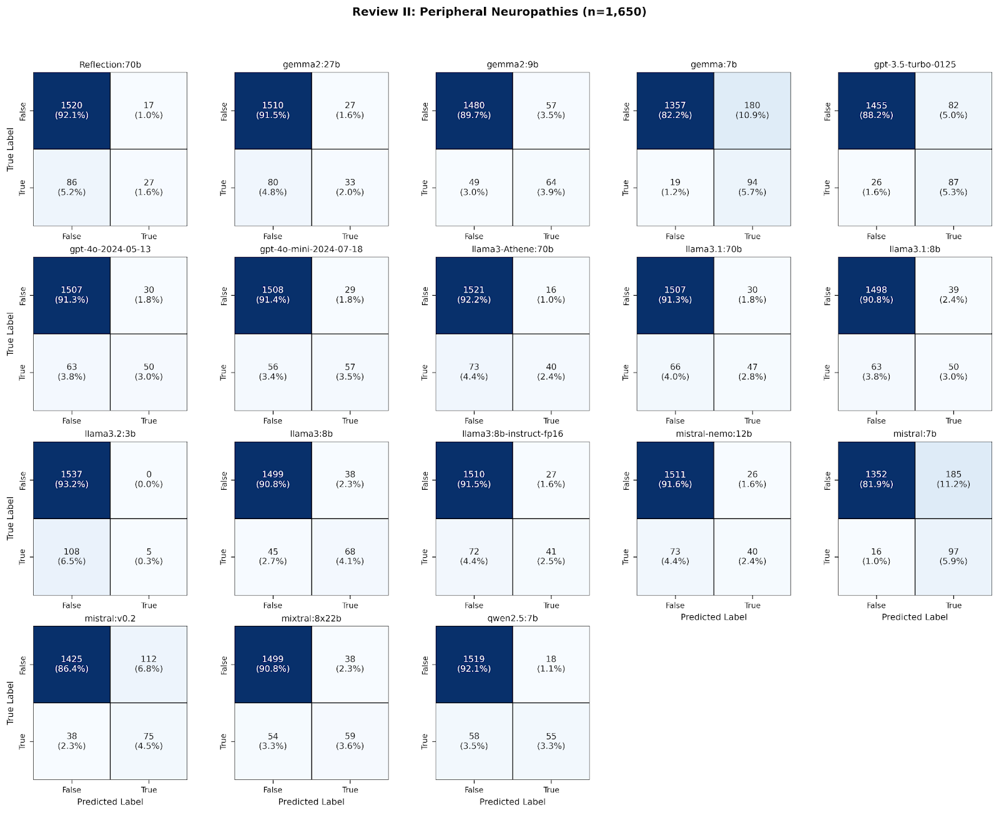
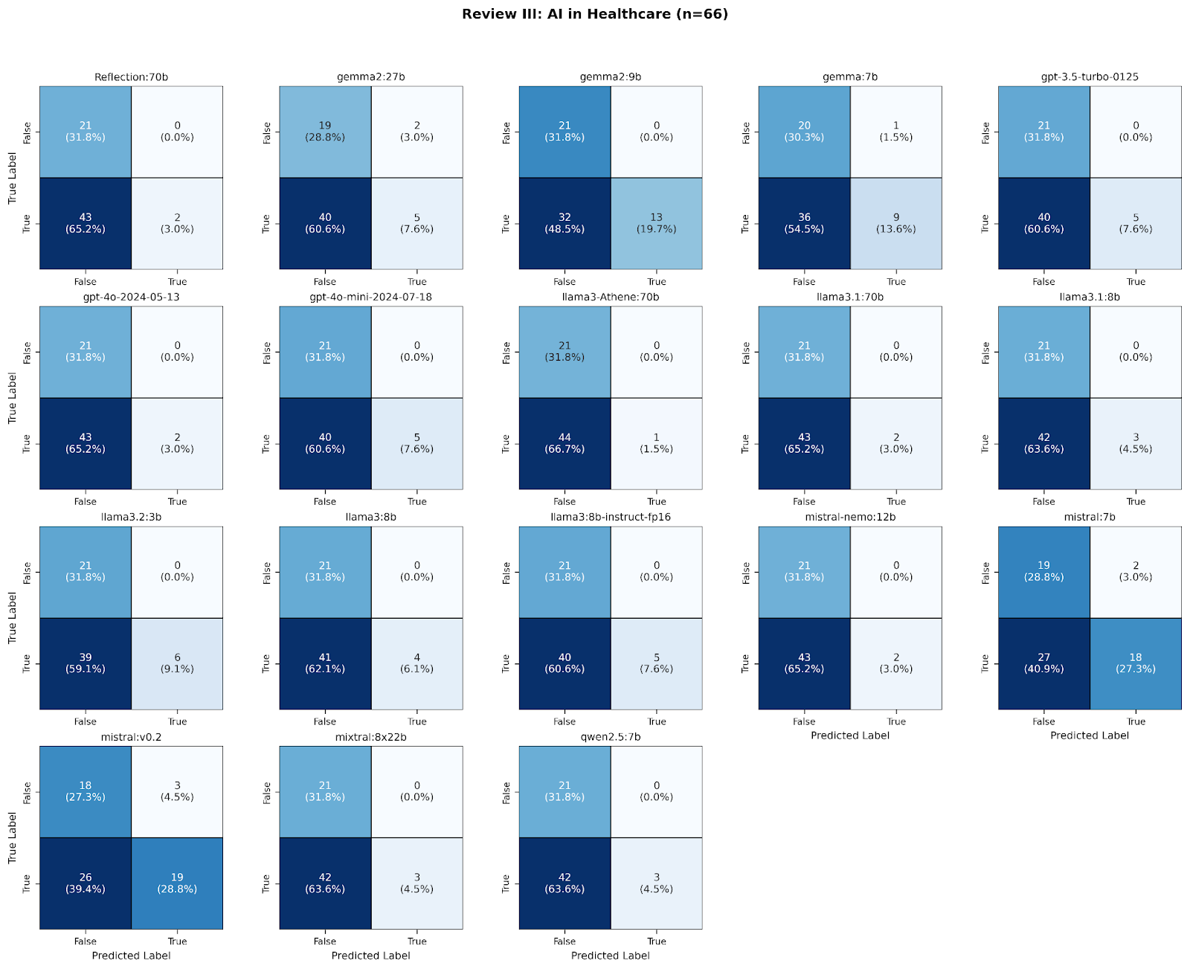
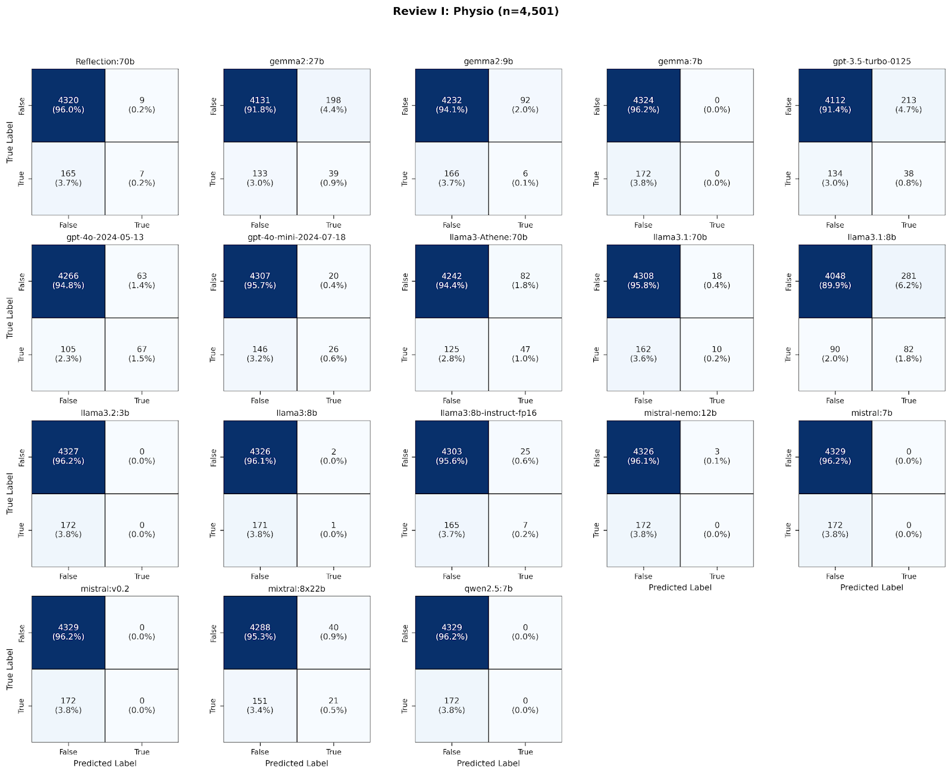
 | Review I | Review II | Review III
Identified arrticles | 4662 | 1741 | 66
after preprocessing | 4501 | 1650 | 66
True positives plus true negatives | 4327 | 1547 | 23
 | 4170 | 1543 | 24
 | 4329 | 1544 | 34
 | 4324 | 1451 | 29
 | 4150 | 1542 | 26
 | 4333 | 1557 | 23
 | 4333 | 1565 | 26
 | 4289 | 1561 | 22
 | 4318 | 1554 | 23
 | 4130 | 1548 | 24
 | 4327 | 1542 | 27
 | 4327 | 1567 | 25
 | 4310 | 1551 | 26
 | 4326 | 1551 | 23
 | 4329 | 1449 | 37
 | 4329 | 1500 | 37
 | 4309 | 1558 | 24
 | 4329 | 1574 | 24
Mean (classiefeid correctly) | 4293.833 | 1539.111 | 26.500
Percentage of mean (classified correctly | 92.103 | 88.404 | 40.152
Avarage remaining articles to be screend by a 2. reviewer | 368.167 | 201.889 | 39.500
Correctly classified Percentage of min | 88.589 | 83.228 | 33.333
Correctly classified Percentage of max | 92.857 | 90.408 | 56.061

RF - supp Analysis
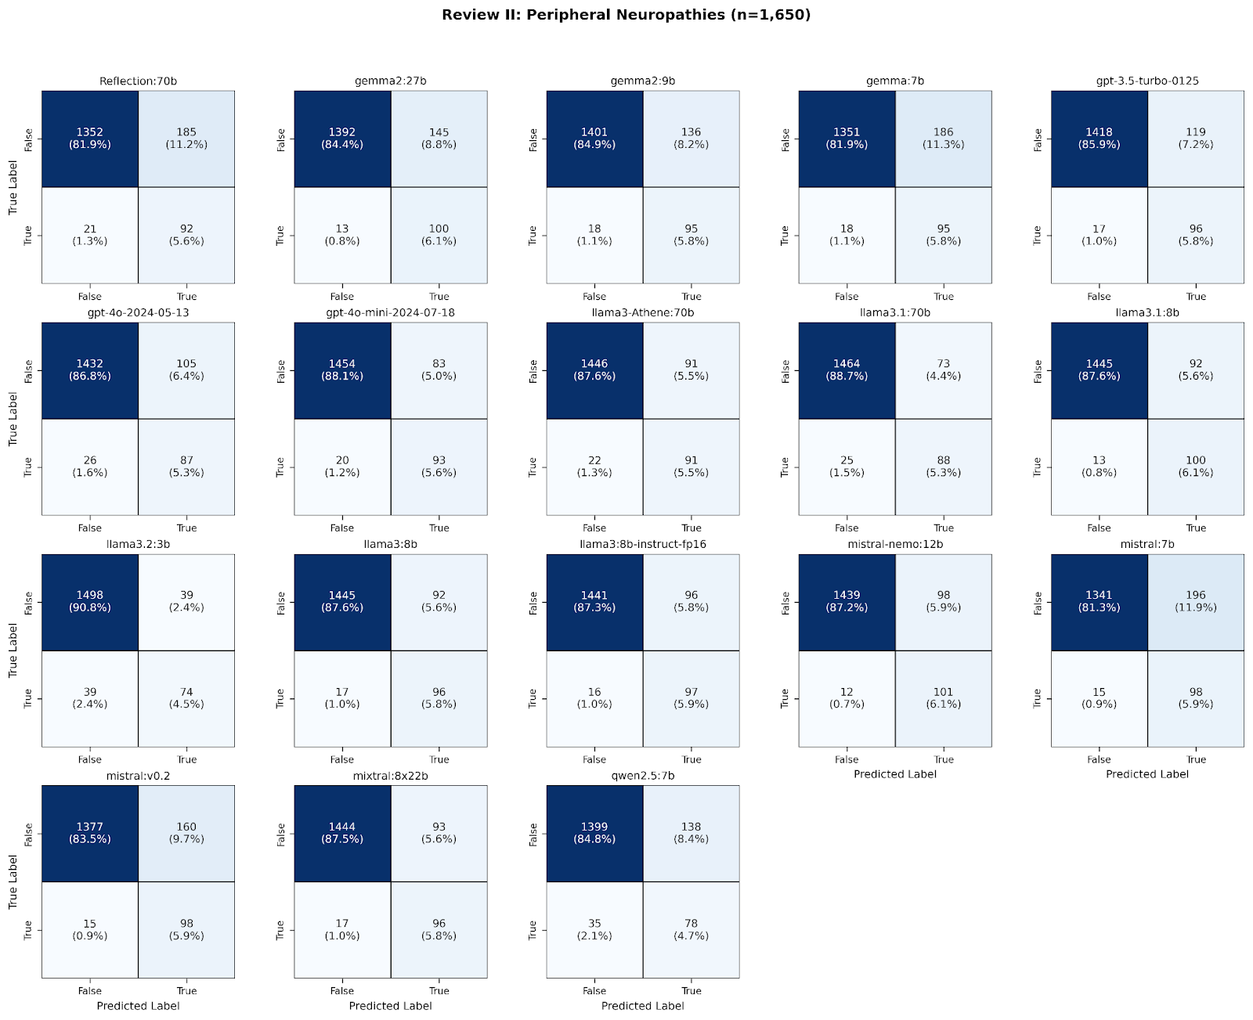
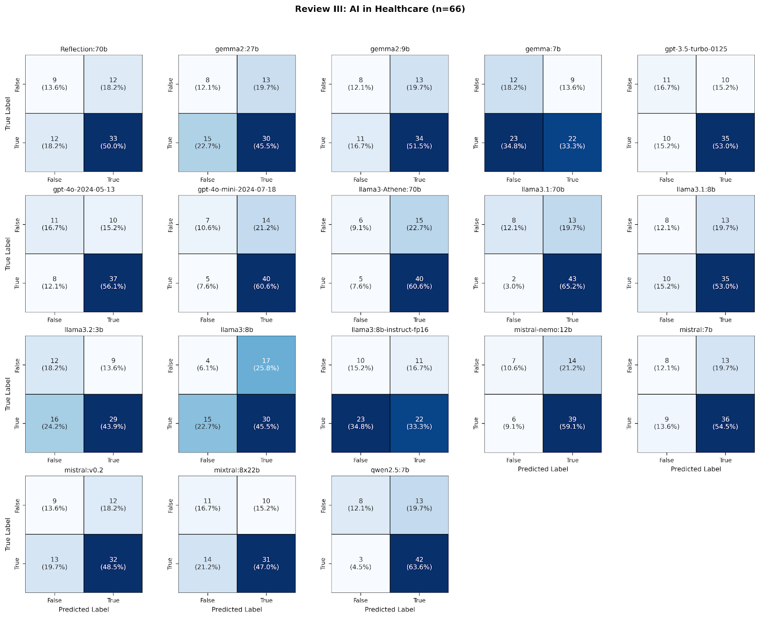
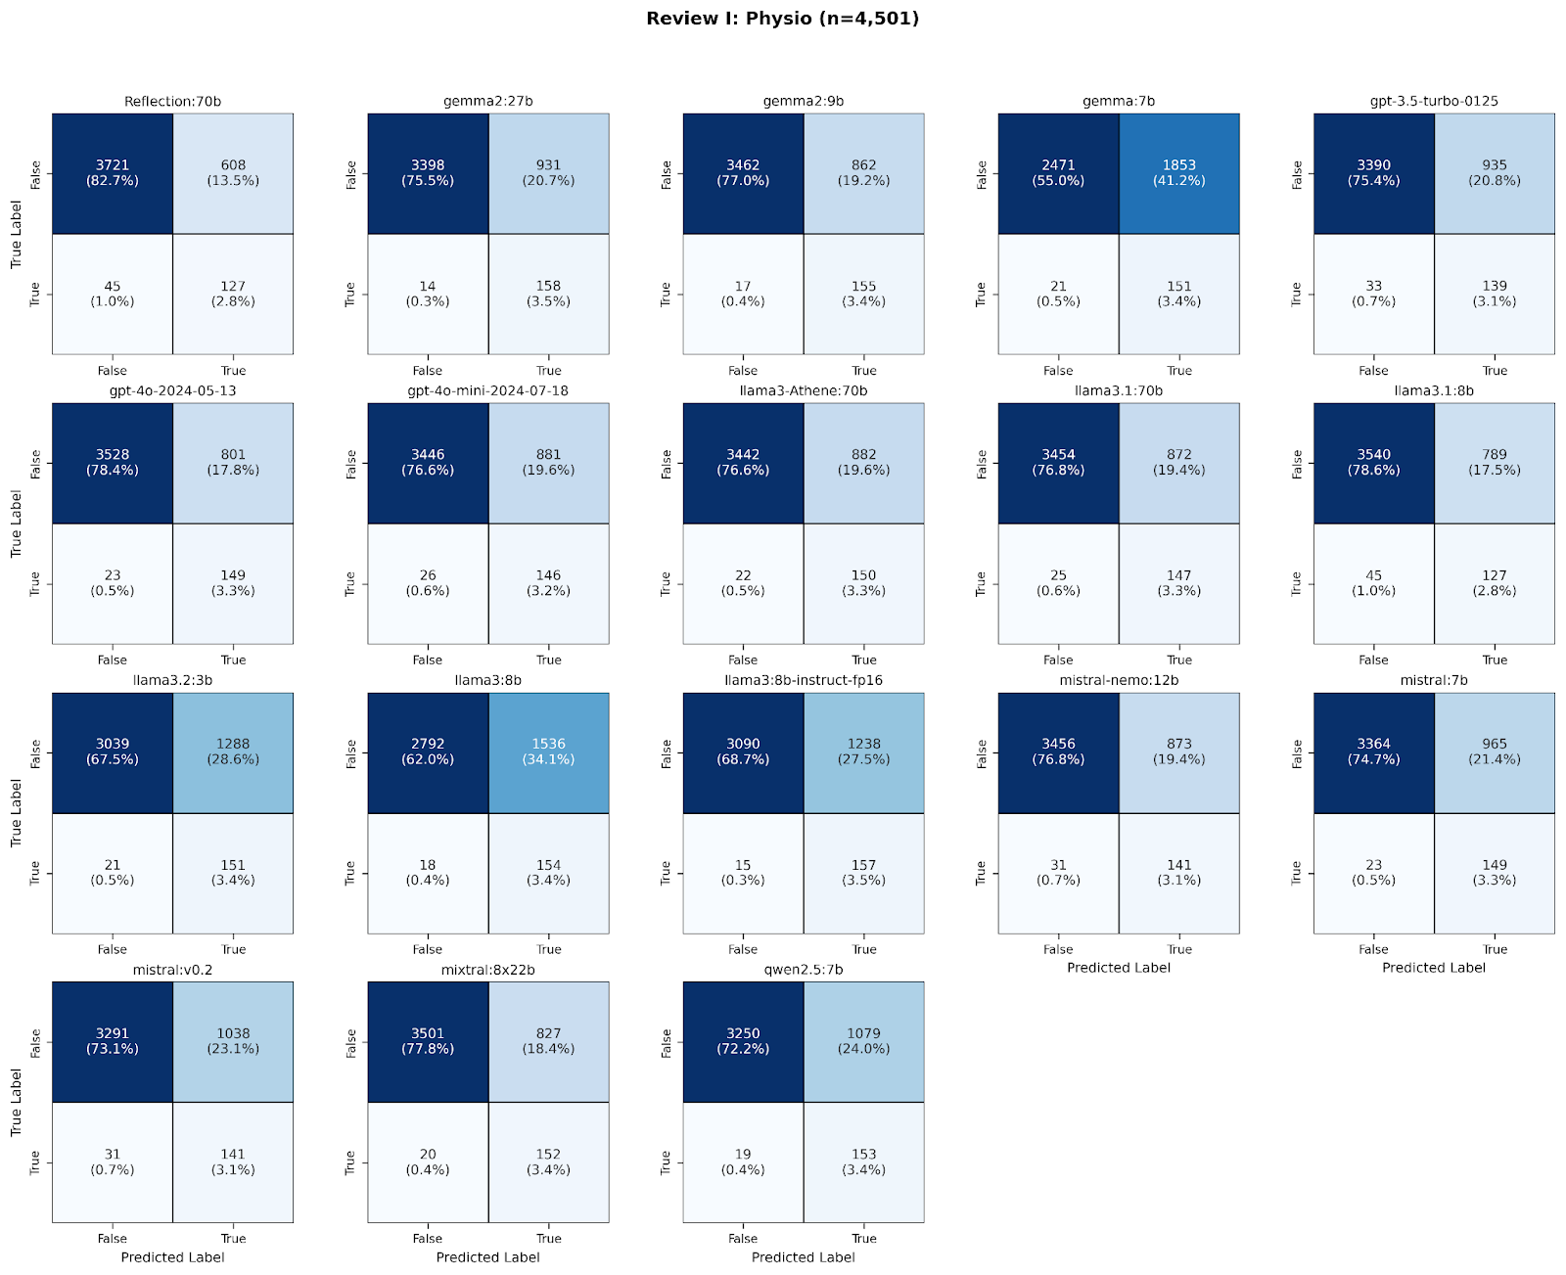
 | Review I | Review II | Review III
Identified arrticles | 4662 | 1741 | 66
after preprocessing | 4501 | 1650 | 66
True positives plus true negatives | 3848 | 1444 | 42
 | 3556 | 1492 | 38
 | 3617 | 1496 | 42
 | 2622 | 1446 | 34
 | 3529 | 1514 | 46
 | 3677 | 1519 | 48
 | 3592 | 1547 | 47
 | 3592 | 1537 | 46
 | 3601 | 1552 | 51
 | 3667 | 1545 | 43
 | 3190 | 1572 | 41
 | 2946 | 1541 | 34
 | 3247 | 1538 | 32
 | 3597 | 1540 | 46
 | 3513 | 1439 | 44
 | 3432 | 1475 | 41
 | 3653 | 1540 | 42
 | 3403 | 1477 | 50
Mean (classiefeid correctly) | 3460.111 | 1511.889 | 42.611
Percentage of mean (classified correctly | 74.219 | 86.840 | 64.562
Avarage remaining articles to be screend by a 2. reviewer | 1201.889 | 229.111 | 23.389
Correctly classified Percentage of min | 56.242 | 82.654 | 48.485
Correctly classified Percentage of max | 82.540 | 90.293 | 77.273

preproce main

 | Review I | Review II | Review III
Identified arrticles | 4662 | 1741 | 66
after preprocessing | 4501 | 1650 | 66
True positives plus true negatives | 4327 | 1547 | 23
 | 4170 | 1543 | 24
 | 4329 | 1544 | 34
 | 4324 | 1451 | 29
 | 4150 | 1542 | 26
 | 4333 | 1557 | 23
 | 4333 | 1565 | 26
 | 4289 | 1561 | 22
 | 4318 | 1554 | 23
 | 4130 | 1548 | 24
 | 4327 | 1542 | 27
 | 4327 | 1567 | 25
 | 4310 | 1551 | 26
 | 4326 | 1551 | 23
 | 4329 | 1449 | 37
 | 4329 | 1500 | 37
 | 4309 | 1558 | 24
 | 4329 | 1574 | 24
Mean (classiefeid correctly) | 4293.833 | 1539.111 | 26.500
Percentage of mean (classified correctly | 95.397 | 93.279 | 40.152
Avarage remaining articles to be screend by a 2. reviewer | 207.167 | 110.889 | 39.500
Correctly classified Percentage of min | 91.757 | 93.818 | 36.364
Correctly classified Percentage of max | 96.179 | 87.818 | 56.061

