Sheet1
SimCLR Baselines
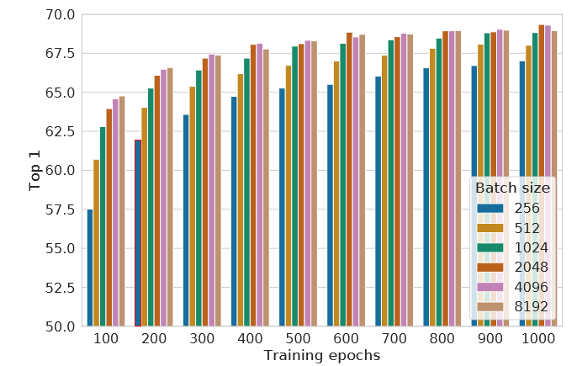
Model | Linear Top 1 | Linear Top 5 | Knn Top 1 | Knn Top 5 | Feature L1 Norm | Feature L2 Norm
CL - Baseline | 0.6126 ± 0.0006 | 0.8734 ± 0.0007 | 0.5584 ± 0.0016 | 0.8144 ± 0.0006 | 118.7633 ± 0.1608 | 8.7689 ± 0.0101
NNCL - Relu | 0.6156 ± 0.0012 | 0.8764 ± 0.0006 | 0.5579 ± 0.0014 | 0.8170 ± 0.0009 | 143.4334 ± 0.2607 | 10.5139 ± 0.0161
Simplex - Relu Norm | 0.3284 ± 0.0021 | 0.6577 ± 0.0016 | 0.5636 ± 0.0010 | 0.8169 ± 0.0010 | 1.0000 ± 0.0000 | 0.0801 ± 0.0001
Simplex - Shift Norm | 0.5628 ± 0.0013 | 0.8161 ± 0.0008 | 0.5628 ± 0.0013 | 0.8161 ± 0.0008 | 1.0000 ± 0.0000 | 0.0761 ± 0.0001
Simplex - Softmax | 0.5489 ± 0.0013 | 0.7921 ± 0.0012 | 0.5489 ± 0.0013 | 0.7921 ± 0.0012 | 1.0000 ± 0.0000 | 0.0457 ± 0.0000

NNCL Benchmarks

