Sheet1
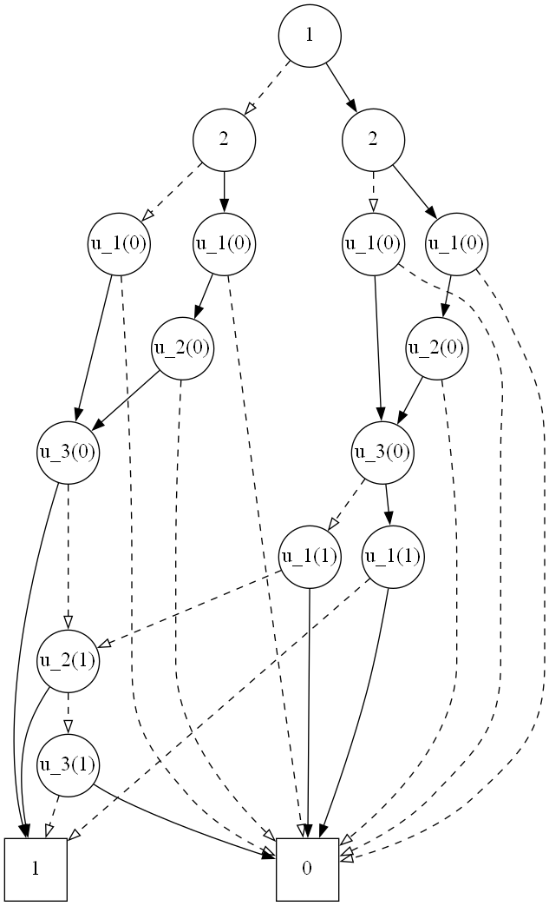

$\overline{x_{1}}∧\overline{x_{2}}∧\overline{x_{3}}∨\overline{x_{1}}∧x_{3}$

$$\overline{x_{1}}∧\overline{x_{2}}∧\overline{x_{3}}$$

$$\overline{x_{1}}$$

$$x_{2}∨\overline{x_{2}}∧\overline{x_{3}}$$

$$\overline{x_{3}}$$

