Clusters1Variable
id | OneVarGroups | 3 | id | OneVarGroups | Cluster | Average | StandardDev
1 | 107 | 3 | 1 | 107 | 3
2 | 109 | 3 | 2 | 109 | 3
3 | 106 | 3 | 3 | 106 | 3
4 | 111 | 3 | 4 | 111 | 3
5 | 112 | 3 | 5 | 112 | 3
6 | 108 | 3 | 6 | 108 | 3
7 | 144 | 3 | 7 | 144 | 3
8 | 107 | 3 | 8 | 107 | 3
9 | 108 | 3 | 9 | 108 | 3
10 | 120 | 3 | 10 | 120 | 3
11 | 130 | 3 | 11 | 130 | 3
12 | 56 | 3 | 12 | 56 | 3
13 | 58 | 3 | 13 | 58 | 3
14 | 50 | 3 | 14 | 50 | 3
15 | 52 | 3 | 15 | 52 | 3
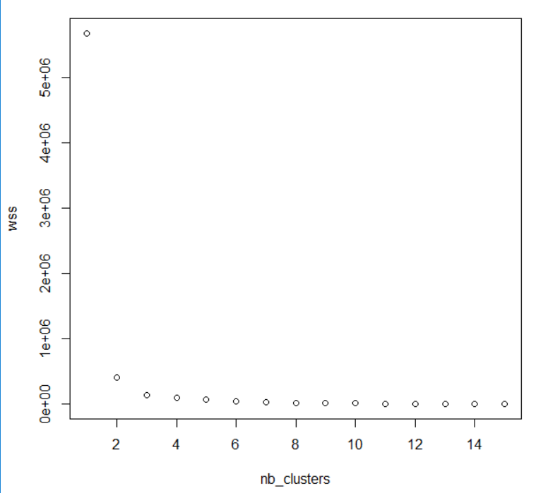
16 | 59 | 3 | 16 | 59 | 3
17 | 63 | 3 | 17 | 63 | 3
18 | 64 | 3 | 18 | 64 | 3
19 | 65 | 3 | 19 | 65 | 3
20 | 66 | 3 | 20 | 66 | 3
21 | 400 | 2 | 22 | 61 | 3
22 | 61 | 3 | 32 | 101 | 3
23 | 800 | 1 | 33 | 105 | 3
24 | 855 | 1 | 34 | 235 | 3
25 | 900 | 1 | 35 | 178 | 3
26 | 920 | 1 | 36 | 1 | 3
27 | 930 | 1 | 37 | 2 | 3
28 | 940 | 1 | 39 | 200 | 3 | 95.64 | 76.355063115
29 | 1000 | 1 | 21 | 400 | 2
30 | 980 | 1 | 38 | 345 | 2
31 | 890 | 1 | 40 | 546 | 2 | 430 | 84.814830988
32 | 101 | 3 | 23 | 800 | 1
33 | 105 | 3 | 24 | 855 | 1
34 | 235 | 3 | 25 | 900 | 1
35 | 178 | 3 | 26 | 920 | 1
36 | 1 | 3 | 27 | 930 | 1
37 | 2 | 3 | 28 | 940 | 1
38 | 345 | 2 | 29 | 1000 | 1
39 | 200 | 3 | 30 | 980 | 1
40 | 546 | 2 | 31 | 890 | 1
41 | 1000 | 1 | 41 | 1000 | 1
42 | 1020 | 1 | 42 | 1020 | 1 | 930.45 | 64.401247357

Pivot1Variable
Cluster | 3

Rótulos de fila | Suma de OneVarGroups
1 | 107
2 | 109
3 | 106
4 | 111
5 | 112
6 | 108
7 | 144
8 | 107
9 | 108
10 | 120
11 | 130
12 | 56
13 | 58
14 | 50
15 | 52
16 | 59
17 | 63
18 | 64
19 | 65
20 | 66
22 | 61
32 | 101
33 | 105
34 | 235
35 | 178
36 | 1
37 | 2
39 | 200
Total general | 2678

Pivot2Variables
cluster | 4

Rótulos de fila | Suma de y
187 | 600
222 | 710
224 | 700
225 | 601
Total general | 2611

Clusters2Variable
id | x | y | cluster
1 | 3 | 11 | 1
2 | 8 | 16 | 1
3 | 11 | 18 | 1
4 | 16 | 14 | 1
5 | 18 | 14 | 1
6 | 14 | 12 | 1
7 | 12 | 20 | 1
8 | 20 | 11 | 1
9 | 22 | 18 | 1
10 | 9 | 5 | 1
11 | 156 | 170 | 2
12 | 162 | 167 | 2
13 | 170 | 189 | 2
14 | 167 | 156 | 2
15 | 189 | 162 | 2
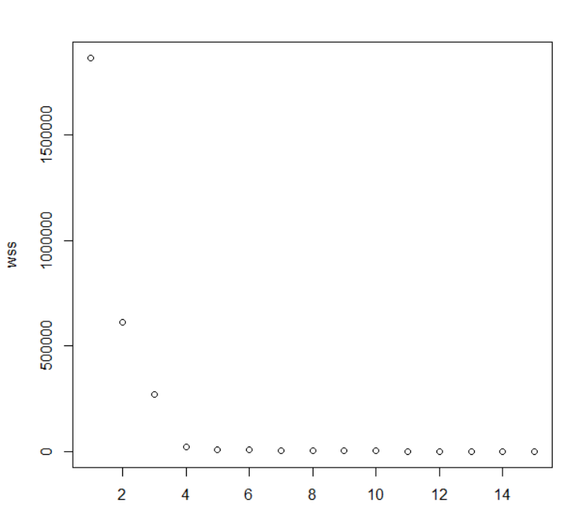
16 | 200 | 170 | 2
17 | 203 | 167 | 2
18 | 176 | 200 | 2
19 | 177 | 203 | 2
20 | 183 | 176 | 2
21 | 310 | 311 | 3
22 | 330 | 354 | 3
23 | 345 | 349 | 3
24 | 316 | 341 | 3
25 | 311 | 345 | 3
26 | 354 | 316 | 3
27 | 349 | 311 | 3
28 | 341 | 354 | 3
29 | 339 | 349 | 3
30 | 335 | 341 | 3
31 | 187 | 600 | 4
32 | 222 | 710 | 4
33 | 224 | 700 | 4
34 | 225 | 601 | 4

Pivot3Variables
Cluster | 4

 | Valores
Rótulos de fila | Suma de x | Suma de y | Suma de z
31 | 187 | 600 | 339
32 | 222 | 710 | 335
33 | 224 | 700 | 600
34 | 225 | 601 | 710
Total general | 858 | 2611 | 1984

Clusters3Variable
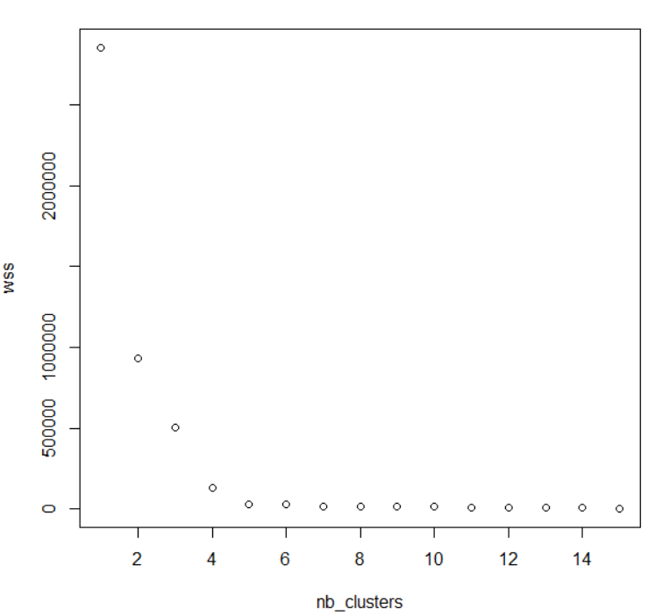
id | x | y | z | Cluster
1 | 3 | 11 | 18 | 1
2 | 8 | 16 | 14 | 1
3 | 11 | 18 | 14 | 1
4 | 16 | 14 | 16 | 1
5 | 18 | 14 | 18 | 1
6 | 14 | 12 | 14 | 1
7 | 12 | 20 | 12 | 1
8 | 20 | 11 | 18 | 1
9 | 22 | 18 | 14 | 1
10 | 9 | 5 | 14 | 1
11 | 156 | 170 | 162 | 2
12 | 162 | 167 | 170 | 2
13 | 170 | 189 | 167 | 2
14 | 167 | 156 | 189 | 2
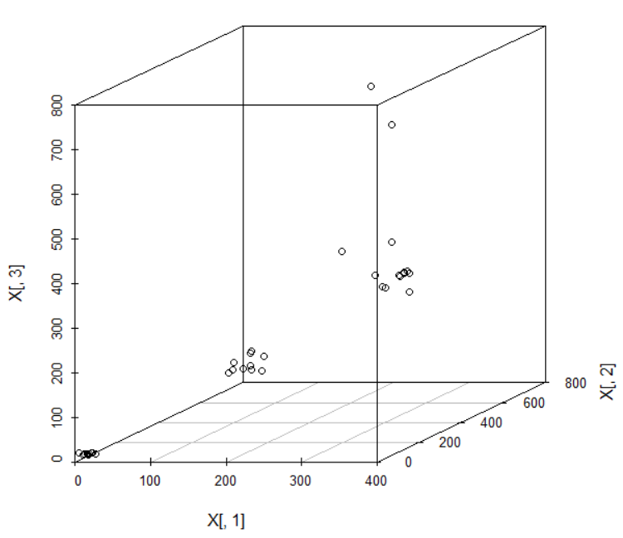
15 | 189 | 162 | 170 | 2
16 | 200 | 170 | 167 | 2
17 | 203 | 167 | 200 | 2
18 | 176 | 200 | 200 | 2
19 | 177 | 203 | 203 | 2
20 | 183 | 176 | 176 | 2
21 | 310 | 311 | 349 | 3
22 | 330 | 354 | 341 | 3
23 | 345 | 349 | 345 | 3
24 | 316 | 341 | 316 | 3
25 | 311 | 345 | 316 | 3
26 | 354 | 316 | 311 | 3
27 | 349 | 311 | 354 | 3
28 | 341 | 354 | 349 | 3
29 | 339 | 349 | 349 | 3
30 | 335 | 341 | 341 | 3
31 | 187 | 600 | 339 | 4
32 | 222 | 710 | 335 | 4
33 | 224 | 700 | 600 | 4
34 | 225 | 601 | 710 | 4

Pivot4Vars
Cluster | 4

 | Valores
Rótulos de fila | Suma de x | Suma de y | Suma de z | Suma de w
31 | 187 | 600 | 339 | 354
32 | 222 | 710 | 335 | 349
33 | 224 | 700 | 600 | 354
34 | 225 | 601 | 710 | 349
Total general | 858 | 2611 | 1984 | 1406

Clusters4Variable
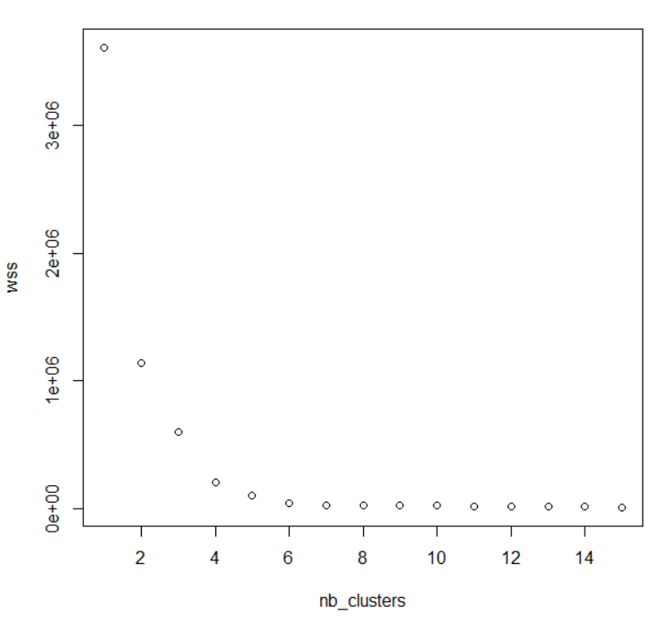
id | x | y | z | w | Cluster
1 | 3 | 11 | 18 | 14 | 1
2 | 8 | 16 | 14 | 16 | 1
3 | 11 | 18 | 14 | 18 | 1
4 | 16 | 14 | 16 | 14 | 1
5 | 18 | 14 | 18 | 12 | 1
6 | 14 | 12 | 14 | 20 | 1
7 | 12 | 20 | 12 | 11 | 1
8 | 20 | 11 | 18 | 18 | 1
9 | 22 | 18 | 14 | 12 | 1
10 | 9 | 5 | 14 | 20 | 1
11 | 156 | 170 | 162 | 170 | 2
12 | 162 | 167 | 170 | 167 | 2
13 | 170 | 189 | 167 | 200 | 2
14 | 167 | 156 | 189 | 200 | 2
15 | 189 | 162 | 170 | 203 | 2
16 | 200 | 170 | 167 | 156 | 2
17 | 203 | 167 | 200 | 162 | 2
18 | 176 | 200 | 200 | 170 | 2
19 | 177 | 203 | 203 | 167 | 2
20 | 183 | 176 | 176 | 189 | 2
21 | 310 | 311 | 349 | 311 | 3
22 | 330 | 354 | 341 | 316 | 3
23 | 345 | 349 | 345 | 311 | 3
24 | 316 | 341 | 316 | 354 | 3
25 | 311 | 345 | 316 | 349 | 3
26 | 354 | 316 | 311 | 354 | 3
27 | 349 | 311 | 354 | 349 | 3
28 | 341 | 354 | 349 | 341 | 3
29 | 339 | 349 | 349 | 600 | 3
30 | 335 | 341 | 341 | 311 | 3
31 | 187 | 600 | 339 | 354 | 4
32 | 222 | 710 | 335 | 349 | 4
33 | 224 | 700 | 600 | 354 | 4
34 | 225 | 601 | 710 | 349 | 4

Hoja2
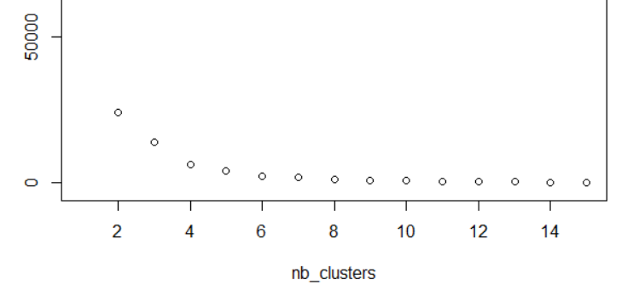
Material Rotation | Online marketing | Revenue-Sales | cluster
117.6 | 3.279999924 | 92.4 | 2
92.8 | 2.760000038 | 62.4 | 2
59.6 | 1.2 | 4 | 3
240 | 4.8 | 207.6 | 4
226.8 | 4.240000152 | 174.8 | 4
228.4 | 4.720000076 | 194.8 | 4
204.8 | 3.24 | 119.6 | 1
138.8 | 3.079999924 | 78 | 2
84.8 | 1.319999981 | 8 | 3
40.8 | 1.960000038 | 27.2 | 3
315.2 | 6.959999848 | 228 | 4
230.8 | 4.2 | 171.2 | 4
214 | 4.520000076 | 185.6 | 4
65.2 | 1 | 6 | 3
67.2 | 1.879999924 | 26 | 3
60.4 | 1.839999962 | 39.2 | 3
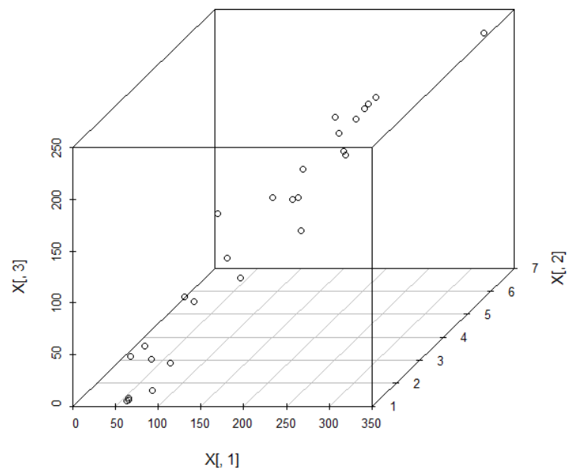
136.8 | 2.2 | 159.2 | 1
78.4 | 2.879999924 | 64.4 | 2
181.2 | 4.159999848 | 158.8 | 1
207.2 | 4.6 | 198.8 | 4
246 | 4.920000076 | 211.2 | 4
111.2 | 1.119999981 | 39.6 | 2
56.8 | 1.239999962 | 0.2 | 3
184.4 | 3.84 | 138.8 | 1
152.8 | 3.920000076 | 136.4 | 1
236 | 4.8 | 202.8 | 4
206.8 | 2.8 | 160 | 1

clustersavgstd
revenue | segment
4 | 1 | 18.775 | Average
8 | 1 | 15.069318996 | Standard Deviation
27.2 | 1
6 | 1
26 | 1
39.2 | 1
39.6 | 1
0.2 | 1
207.6 | 2 | 204.11 | Average
194.8 | 2 | 12.492217986 | Standard Deviation
228 | 2
185.6 | 2
198.8 | 2
211.2 | 2
202.8 | 2
174.8 | 3 | 152.35 | Average
119.6 | 3 | 17.737460359 | Standard Deviation
171.2 | 3
159.2 | 3
158.8 | 3
138.8 | 3
136.4 | 3
160 | 3
92.4 | 4 | 74.3 | Average
62.4 | 4 | 12.051141025 | Standard Deviation
78 | 4
64.4 | 4

Revenue all Clusters

2dclusteravgst
Online marketing | Revenue-Sales | cluster
Segment Two Revenue-Sales
 | Revenue-Sales
4.8 | 207.6
4.720000076 | 194.8
6.959999848 | 228
4.520000076 | 185.6
4.6 | 198.8
4.920000076 | 211.2
4.8 | 202.8
4.8 | 207.6 | 2 | 5.04 | Average Online mark.
4.720000076 | 194.8 | 2 | #NAME? | standard deviation online mark.
6.959999848 | 228 | 2 | 204.11 | Average Revenue
average
4.520000076 | 185.6 | 2 | #NAME? | standard deviation revenue
4.6 | 198.8 | 2
4.920000076 | 211.2 | 2
4.8 | 202.8 | 2

Lower limit

Online marketing

Online Marketing

