AutomotiveMultimedia
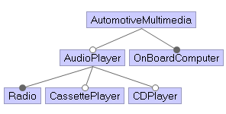
v1 |  | AudioPlayer | AutomotiveMultimedia | CDPlayer | CassettePlayer | OnBoardComputer | Radio
Generation Time (ms): | 1063 | TRUE | TRUE | FALSE | FALSE | TRUE | TRUE
acts.getTestSuite(..) Time (ms): | 313 | FALSE | TRUE | FALSE | FALSE | TRUE | FALSE
Test suite size (#test): | 5 | TRUE | TRUE | TRUE | TRUE | TRUE | TRUE
Input Feature Model: |  | TRUE | TRUE | TRUE | FALSE | TRUE | TRUE
#Features | 6 | TRUE | TRUE | FALSE | TRUE | TRUE | TRUE
#Cross-tree constraints: | 0
#Total configurations (also not valid) | 64
#Valid configurations | 5
#Ratio configurations [%] (valid/total) | 7.81%

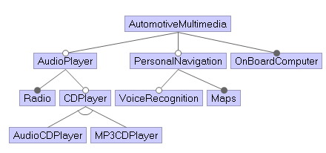
v2 - INCREMENTAL |  | AutomotiveMultimedia | AudioPlayer | Radio | CDPlayer | AudioCDPlayer | MP3CDPlayer | PersonalNavigation | VoiceRecognition | Maps | OnBoardComputer
Generation Time (ms): |  | TRUE | TRUE | TRUE | FALSE | FALSE | FALSE | FALSE | FALSE | FALSE | TRUE
acts.getTestSuite(..) Time (ms): |  | TRUE | TRUE | TRUE | TRUE | TRUE | FALSE | TRUE | TRUE | TRUE | TRUE
Test suite size (#test): | 10 | TRUE | TRUE | TRUE | FALSE | FALSE | FALSE | TRUE | TRUE | TRUE | TRUE
Input Feature Model: |  | TRUE | TRUE | TRUE | TRUE | FALSE | TRUE | TRUE | FALSE | TRUE | TRUE
#Features | 10 | TRUE | FALSE | FALSE | FALSE | FALSE | FALSE | TRUE | FALSE | TRUE | TRUE
#Cross-tree constraints: | 0 | TRUE | TRUE | TRUE | TRUE | FALSE | TRUE | TRUE | TRUE | TRUE | TRUE
#Total configurations (also not valid) | 384 | TRUE | TRUE | TRUE | TRUE | TRUE | FALSE | FALSE | FALSE | FALSE | TRUE
#Valid configurations | 12 | TRUE | FALSE | FALSE | FALSE | FALSE | FALSE | FALSE | FALSE | FALSE | TRUE
#Ratio configurations [%] (valid/total) | 3.13% | TRUE | FALSE | FALSE | FALSE | FALSE | FALSE | TRUE | TRUE | TRUE | TRUE
 |  | TRUE | TRUE | TRUE | TRUE | FALSE | TRUE | FALSE | FALSE | FALSE | TRUE

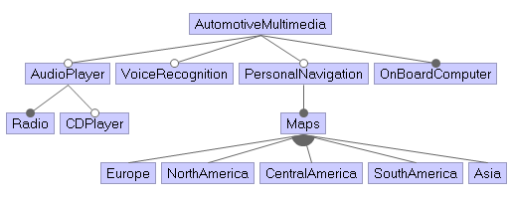
v3 - INCREMENTAL |  | AutomotiveMultimedia | AudioPlayer | Radio | CDPlayer | VoiceRecognition | PersonalNavigation | Maps | Europe | NorthAmerica | CentralAmerica | SouthAmerica | Asia | OnBoardComputer
Generation Time (ms): |  | TRUE | FALSE | FALSE | FALSE | FALSE | FALSE | FALSE | FALSE | FALSE | FALSE | FALSE | FALSE | TRUE
acts.getTestSuite(..) Time (ms): |  | TRUE | FALSE | FALSE | FALSE | FALSE | TRUE | TRUE | TRUE | TRUE | TRUE | TRUE | TRUE | TRUE
Test suite size (#test): | 15 | TRUE | FALSE | FALSE | FALSE | TRUE | TRUE | TRUE | FALSE | FALSE | FALSE | TRUE | FALSE | TRUE
Input Feature Model: |  | TRUE | TRUE | TRUE | TRUE | FALSE | FALSE | FALSE | FALSE | FALSE | FALSE | FALSE | FALSE | TRUE
#Features | 13 | TRUE | TRUE | TRUE | TRUE | TRUE | TRUE | TRUE | TRUE | TRUE | TRUE | TRUE | FALSE | TRUE
#Cross-tree constraints: | 0 | TRUE | TRUE | TRUE | FALSE | FALSE | FALSE | FALSE | FALSE | FALSE | FALSE | FALSE | FALSE | TRUE
#Total configurations (also not valid) | 8192 | TRUE | TRUE | TRUE | TRUE | TRUE | TRUE | TRUE | TRUE | FALSE | TRUE | TRUE | TRUE | TRUE
#Valid configurations | 192 | TRUE | TRUE | TRUE | TRUE | TRUE | FALSE | FALSE | FALSE | FALSE | FALSE | FALSE | FALSE | TRUE
#Ratio configurations [%] (valid/total) | 2.34% | TRUE | TRUE | TRUE | FALSE | TRUE | TRUE | TRUE | FALSE | FALSE | FALSE | TRUE | TRUE | TRUE
 |  | TRUE | TRUE | TRUE | TRUE | FALSE | TRUE | TRUE | FALSE | TRUE | TRUE | FALSE | TRUE | TRUE
 |  | TRUE | TRUE | TRUE | FALSE | TRUE | TRUE | TRUE | TRUE | TRUE | FALSE | FALSE | TRUE | TRUE
 |  | TRUE | TRUE | TRUE | FALSE | TRUE | TRUE | TRUE | TRUE | FALSE | TRUE | FALSE | FALSE | TRUE
 |  | TRUE | TRUE | TRUE | TRUE | TRUE | TRUE | TRUE | FALSE | TRUE | FALSE | FALSE | FALSE | TRUE
 |  | TRUE | TRUE | TRUE | TRUE | TRUE | TRUE | TRUE | TRUE | FALSE | FALSE | FALSE | FALSE | TRUE
 |  | TRUE | TRUE | TRUE | TRUE | FALSE | TRUE | TRUE | FALSE | TRUE | FALSE | TRUE | FALSE | TRUE

Boeing
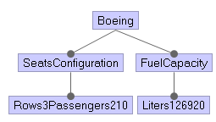
v1 |  | Boeing | FuelCapacity | Liters126920 | Rows3Passengers210 | SeatsConfiguration
Generation Time (ms): | 949 | TRUE | TRUE | TRUE | TRUE | TRUE
acts.getTestSuite(..) Time (ms): | 259
Test suite size (#test): | 1
Input Feature Model:
#Features | 5
#Cross-tree constraints: | 0
#Total configurations (also not valid) | 32
#Valid configurations | 1
#Ratio configurations [%] (valid/total) | 3.13%

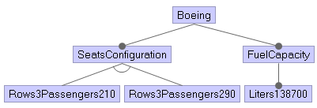
v2 - INCREMENTAL |  | Boeing | SeatsConfiguration | Rows3Passengers210 | Rows3Passengers290 | FuelCapacity | Liters138700
Generation Time (ms): |  | TRUE | TRUE | TRUE | FALSE | TRUE | TRUE
acts.getTestSuite(..) Time (ms): |  | TRUE | TRUE | FALSE | TRUE | TRUE | TRUE
Test suite size (#test): | 2
Input Feature Model:
#Features | 6
#Cross-tree constraints: | 0
#Total configurations (also not valid) | 24
#Valid configurations | 2
#Ratio configurations [%] (valid/total) | 8.33%


v3 - INCREMENTAL |  | Boeing | SeatsConfiguration | Rows3Passengers210 | Rows3Passengers290 | FuelCapacity | Liters138700
Generation Time (ms): |  | TRUE | TRUE | TRUE | FALSE | TRUE | TRUE
acts.getTestSuite(..) Time (ms): |  | TRUE | TRUE | FALSE | TRUE | TRUE | TRUE
Test suite size (#test): | 2
Input Feature Model:
#Features | 6
#Cross-tree constraints: | 0
#Total configurations (also not valid) | 24
#Valid configurations | 2
#Ratio configurations [%] (valid/total) | 8.33%

CarBody
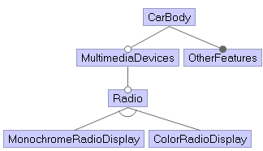
v1 |  | CarBody | ColorRadioDisplay | MonochromeRadioDisplay | MultimediaDevices | OtherFeatures | Radio
Generation Time (ms): | 956 | TRUE | FALSE | FALSE | TRUE | TRUE | FALSE
acts.getTestSuite(..) Time (ms): | 247 | TRUE | FALSE | TRUE | FALSE | TRUE | FALSE
Test suite size (#test): | 5 | TRUE | FALSE | TRUE | TRUE | TRUE | TRUE
Input Feature Model: |  | TRUE | TRUE | FALSE | TRUE | TRUE | TRUE
#Features | 6 | TRUE | TRUE | FALSE | FALSE | TRUE | FALSE
#Cross-tree constraints: | 0
#Total configurations (also not valid) | 24
#Valid configurations | 4
#Ratio configurations [%] (valid/total) | 16.67%

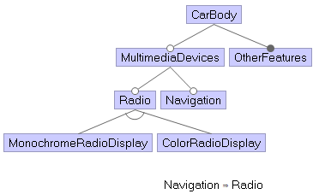
v2 - INCREMENTAL |  | CarBody | MultimediaDevices | Radio | MonochromeRadioDisplay | ColorRadioDisplay | Navigation | OtherFeatures
Generation Time (ms): | 1010 | TRUE | TRUE | TRUE | TRUE | FALSE | FALSE | TRUE
acts.getTestSuite(..) Time (ms): | 293 | TRUE | FALSE | FALSE | FALSE | FALSE | FALSE | TRUE
Test suite size (#test): | 6 | TRUE | TRUE | TRUE | FALSE | TRUE | TRUE | TRUE
Input Feature Model: |  | TRUE | TRUE | FALSE | FALSE | FALSE | FALSE | TRUE
#Features | 7 | TRUE | TRUE | TRUE | TRUE | FALSE | TRUE | TRUE
#Cross-tree constraints: | 1 | TRUE | TRUE | TRUE | FALSE | TRUE | FALSE | TRUE
#Total configurations (also not valid) | 48
#Valid configurations | 6
#Ratio configurations [%] (valid/total) | 12.50%

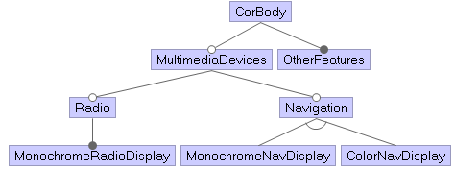
v3 - INCREMENTAL |  | CarBody | MultimediaDevices | Radio | MonochromeRadioDisplay | Navigation | MonochromeNavDisplay | ColorNavDisplay | OtherFeatures
Generation Time (ms): | 1044 | TRUE | TRUE | TRUE | TRUE | FALSE | FALSE | FALSE | TRUE
acts.getTestSuite(..) Time (ms): | 315 | TRUE | TRUE | TRUE | TRUE | TRUE | TRUE | FALSE | TRUE
Test suite size (#test): | 7 | TRUE | FALSE | FALSE | FALSE | FALSE | FALSE | FALSE | TRUE
Input Feature Model: |  | TRUE | TRUE | FALSE | FALSE | FALSE | FALSE | FALSE | TRUE
#Features | 8 | TRUE | TRUE | FALSE | FALSE | TRUE | FALSE | TRUE | TRUE
#Cross-tree constraints: | 0 | TRUE | TRUE | FALSE | FALSE | TRUE | TRUE | FALSE | TRUE
#Total configurations (also not valid) | 96 | TRUE | TRUE | TRUE | TRUE | TRUE | FALSE | TRUE | TRUE
#Valid configurations | 7
#Ratio configurations [%] (valid/total) | 7.29%

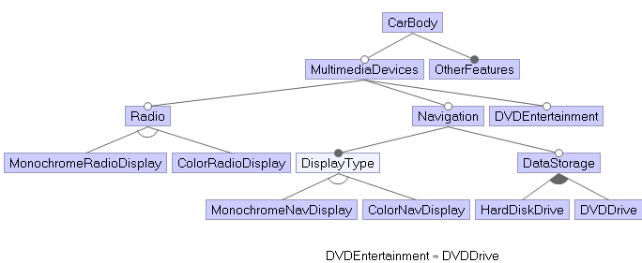
v4 - INCREMENTAL |  | CarBody | MultimediaDevices | Radio | MonochromeRadioDisplay | ColorRadioDisplay | Navigation | DisplayType | MonochromeNavDisplay | ColorNavDisplay | DataStorage | HardDiskDrive | DVDDrive | DVDEntertainment | OtherFeatures
Generation Time (ms): | 1265 | TRUE | TRUE | TRUE | TRUE | FALSE | FALSE | FALSE | FALSE | FALSE | FALSE | FALSE | FALSE | FALSE | TRUE
acts.getTestSuite(..) Time (ms): | 502 | TRUE | TRUE | FALSE | FALSE | FALSE | TRUE | TRUE | FALSE | TRUE | TRUE | TRUE | TRUE | FALSE | TRUE
Test suite size (#test): | 16 | TRUE | TRUE | TRUE | TRUE | FALSE | TRUE | TRUE | FALSE | TRUE | TRUE | TRUE | TRUE | TRUE | TRUE
Input Feature Model: |  | TRUE | FALSE | FALSE | FALSE | FALSE | FALSE | FALSE | FALSE | FALSE | FALSE | FALSE | FALSE | FALSE | TRUE
#Features | 14 | TRUE | TRUE | FALSE | FALSE | FALSE | FALSE | FALSE | FALSE | FALSE | FALSE | FALSE | FALSE | FALSE | TRUE
#Cross-tree constraints: | 1 | TRUE | TRUE | TRUE | TRUE | FALSE | TRUE | TRUE | TRUE | FALSE | TRUE | FALSE | TRUE | TRUE | TRUE
#Total configurations (also not valid) | 2304 | TRUE | TRUE | FALSE | FALSE | FALSE | TRUE | TRUE | TRUE | FALSE | TRUE | TRUE | TRUE | TRUE | TRUE
#Valid configurations | 40 | TRUE | TRUE | TRUE | FALSE | TRUE | TRUE | TRUE | FALSE | TRUE | FALSE | FALSE | FALSE | FALSE | TRUE
#Ratio configurations [%] (valid/total) | 1.74% | TRUE | TRUE | TRUE | FALSE | TRUE | TRUE | TRUE | TRUE | FALSE | TRUE | TRUE | TRUE | TRUE | TRUE
 |  | TRUE | TRUE | TRUE | TRUE | FALSE | TRUE | TRUE | FALSE | TRUE | TRUE | TRUE | FALSE | FALSE | TRUE
 |  | TRUE | TRUE | TRUE | FALSE | TRUE | TRUE | TRUE | TRUE | FALSE | TRUE | TRUE | FALSE | FALSE | TRUE
 |  | TRUE | TRUE | TRUE | TRUE | FALSE | TRUE | TRUE | TRUE | FALSE | TRUE | FALSE | TRUE | FALSE | TRUE
 |  | TRUE | TRUE | TRUE | FALSE | TRUE | TRUE | TRUE | TRUE | FALSE | TRUE | FALSE | TRUE | TRUE | TRUE
 |  | TRUE | TRUE | TRUE | FALSE | TRUE | FALSE | FALSE | FALSE | FALSE | FALSE | FALSE | FALSE | FALSE | TRUE
 |  | TRUE | TRUE | TRUE | FALSE | TRUE | TRUE | TRUE | TRUE | FALSE | TRUE | TRUE | TRUE | FALSE | TRUE
 |  | TRUE | TRUE | TRUE | TRUE | FALSE | TRUE | TRUE | TRUE | FALSE | FALSE | FALSE | FALSE | FALSE | TRUE

LinuxKernel
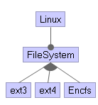
v1 |  | Encfs | FileSystem | Linux | ext3 | ext4
Generation Time (ms): | 990 | TRUE | TRUE | TRUE | FALSE | FALSE
acts.getTestSuite(..) Time (ms): | 272 | FALSE | TRUE | TRUE | TRUE | TRUE
Test suite size (#test): | 6 | TRUE | TRUE | TRUE | FALSE | TRUE
Input Feature Model: |  | FALSE | TRUE | TRUE | TRUE | FALSE
#Features | 5 | TRUE | TRUE | TRUE | TRUE | TRUE
#Cross-tree constraints: | 0 | FALSE | TRUE | TRUE | FALSE | TRUE
#Total configurations (also not valid) | 32
#Valid configurations | 7
#Ratio configurations [%] (valid/total) | 21.88%

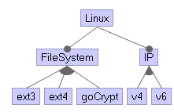
v2 - INCREMENTAL |  | Linux | FileSystem | ext3 | ext4 | goCrypt | IP | v4 | v6
Generation Time (ms): | 1081 | TRUE | TRUE | TRUE | TRUE | FALSE | TRUE | FALSE | TRUE
acts.getTestSuite(..) Time (ms): | 362 | TRUE | TRUE | FALSE | TRUE | TRUE | TRUE | TRUE | FALSE
Test suite size (#test): | 9 | TRUE | TRUE | TRUE | FALSE | TRUE | TRUE | TRUE | TRUE
Input Feature Model: |  | TRUE | TRUE | FALSE | TRUE | FALSE | TRUE | TRUE | TRUE
#Features | 8 | TRUE | TRUE | TRUE | TRUE | TRUE | TRUE | TRUE | FALSE
#Cross-tree constraints: | 0 | TRUE | TRUE | FALSE | FALSE | TRUE | TRUE | FALSE | TRUE
#Total configurations (also not valid) | 256 | TRUE | TRUE | TRUE | FALSE | FALSE | TRUE | FALSE | TRUE
#Valid configurations | 21 | TRUE | TRUE | TRUE | FALSE | FALSE | TRUE | TRUE | FALSE
#Ratio configurations [%] (valid/total) | 8.20% | TRUE | TRUE | TRUE | FALSE | TRUE | TRUE | TRUE | FALSE

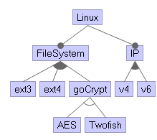
v3 - INCREMENTAL |  | Linux | FileSystem | ext3 | ext4 | goCrypt | AES | Twofish | IP | v4 | v6
Generation Time (ms): | 1112 | TRUE | TRUE | FALSE | TRUE | TRUE | FALSE | TRUE | TRUE | TRUE | FALSE
acts.getTestSuite(..) Time (ms): | 383 | TRUE | TRUE | TRUE | FALSE | FALSE | FALSE | FALSE | TRUE | FALSE | TRUE
Test suite size (#test): | 10 | TRUE | TRUE | TRUE | FALSE | TRUE | TRUE | FALSE | TRUE | TRUE | FALSE
Input Feature Model: |  | TRUE | TRUE | FALSE | TRUE | FALSE | FALSE | FALSE | TRUE | FALSE | TRUE
#Features | 10 | TRUE | TRUE | FALSE | TRUE | TRUE | TRUE | FALSE | TRUE | TRUE | TRUE
#Cross-tree constraints: | 0 | TRUE | TRUE | TRUE | TRUE | FALSE | FALSE | FALSE | TRUE | TRUE | FALSE
#Total configurations (also not valid) | 384 | TRUE | TRUE | FALSE | FALSE | TRUE | FALSE | TRUE | TRUE | FALSE | TRUE
#Valid configurations | 33 | TRUE | TRUE | TRUE | FALSE | TRUE | FALSE | TRUE | TRUE | TRUE | FALSE
#Ratio configurations [%] (valid/total) | 8.59% | TRUE | TRUE | TRUE | TRUE | TRUE | TRUE | FALSE | TRUE | FALSE | TRUE
 |  | TRUE | TRUE | FALSE | TRUE | TRUE | TRUE | FALSE | TRUE | TRUE | FALSE

ParkingAssistant
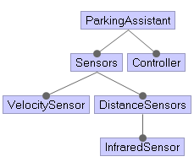
v1 |  | Controller | DistanceSensors | InfraredSensor | ParkingAssistant | Sensors | VelocitySensor
Generation Time (ms): | 1009 | TRUE | TRUE | TRUE | TRUE | TRUE | TRUE
acts.getTestSuite(..) Time (ms): | 300
Test suite size (#test): | 1
Input Feature Model:
#Features | 6
#Cross-tree constraints: | 0
#Total configurations (also not valid) | 64
#Valid configurations | 1
#Ratio configurations [%] (valid/total) | 1.56%

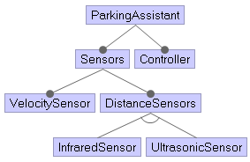
v2 - INCREMENTAL |  | ParkingAssistant | Sensors | VelocitySensor | DistanceSensors | InfraredSensor | UltrasonicSensor | Controller
Generation Time (ms): | 994 | TRUE | TRUE | TRUE | TRUE | TRUE | FALSE | TRUE
acts.getTestSuite(..) Time (ms): | 288 | TRUE | TRUE | TRUE | TRUE | FALSE | TRUE | TRUE
Test suite size (#test): | 2
Input Feature Model:
#Features | 7
#Cross-tree constraints: | 0
#Total configurations (also not valid) | 48
#Valid configurations | 2
#Ratio configurations [%] (valid/total) | 4.17%

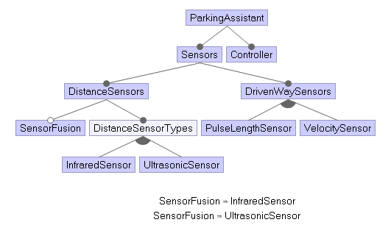
v3 - INCREMENTAL |  | ParkingAssistant | Sensors | DistanceSensors | SensorFusion | DistanceSensorTypes | InfraredSensor | UltrasonicSensor | DrivenWaySensors | PulseLengthSensor | VelocitySensor | Controller
Generation Time (ms): | 1247 | TRUE | TRUE | TRUE | FALSE | TRUE | TRUE | FALSE | TRUE | FALSE | TRUE | TRUE
acts.getTestSuite(..) Time (ms): | 517 | TRUE | TRUE | TRUE | FALSE | TRUE | FALSE | TRUE | TRUE | TRUE | TRUE | TRUE
Test suite size (#test): | 8 | TRUE | TRUE | TRUE | TRUE | TRUE | TRUE | TRUE | TRUE | TRUE | FALSE | TRUE
Input Feature Model: |  | TRUE | TRUE | TRUE | FALSE | TRUE | FALSE | TRUE | TRUE | TRUE | FALSE | TRUE
#Features | 11 | TRUE | TRUE | TRUE | FALSE | TRUE | FALSE | TRUE | TRUE | FALSE | TRUE | TRUE
#Cross-tree constraints: | 2 | TRUE | TRUE | TRUE | TRUE | TRUE | TRUE | TRUE | TRUE | FALSE | TRUE | TRUE
#Total configurations (also not valid) | 2048 | TRUE | TRUE | TRUE | FALSE | TRUE | TRUE | FALSE | TRUE | TRUE | FALSE | TRUE
#Valid configurations | 12 | TRUE | TRUE | TRUE | FALSE | TRUE | TRUE | FALSE | TRUE | TRUE | TRUE | TRUE
#Ratio configurations [%] (valid/total) | 0.59%

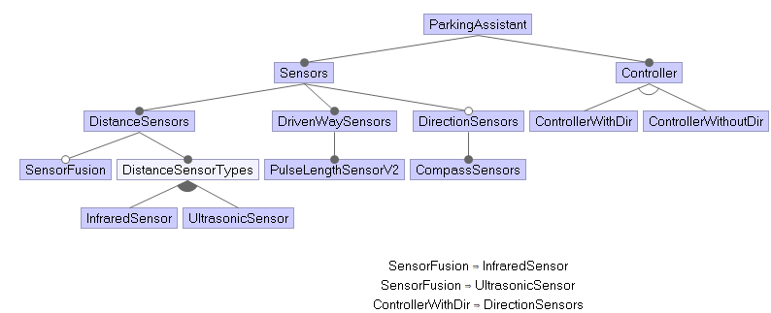
v4 - INCREMENTAL |  | ParkingAssistant | Sensors | DistanceSensors | SensorFusion | DistanceSensorTypes | InfraredSensor | UltrasonicSensor | DrivenWaySensors | PulseLengthSensorV2 | DirectionSensors | CompassSensors | Controller | ControllerWithDir | ControllerWithoutDir
Generation Time (ms): | 1361 | TRUE | TRUE | TRUE | FALSE | TRUE | FALSE | TRUE | TRUE | TRUE | TRUE | TRUE | TRUE | FALSE | TRUE
acts.getTestSuite(..) Time (ms): | 574 | TRUE | TRUE | TRUE | TRUE | TRUE | TRUE | TRUE | TRUE | TRUE | FALSE | FALSE | TRUE | FALSE | TRUE
Test suite size (#test): | 8 | TRUE | TRUE | TRUE | FALSE | TRUE | TRUE | FALSE | TRUE | TRUE | FALSE | FALSE | TRUE | FALSE | TRUE
Input Feature Model: |  | TRUE | TRUE | TRUE | TRUE | TRUE | TRUE | TRUE | TRUE | TRUE | TRUE | TRUE | TRUE | TRUE | FALSE
#Features | 14 | TRUE | TRUE | TRUE | FALSE | TRUE | TRUE | FALSE | TRUE | TRUE | TRUE | TRUE | TRUE | TRUE | FALSE
#Cross-tree constraints: | 3 | TRUE | TRUE | TRUE | FALSE | TRUE | FALSE | TRUE | TRUE | TRUE | FALSE | FALSE | TRUE | FALSE | TRUE
#Total configurations (also not valid) | 6144 | TRUE | TRUE | TRUE | FALSE | TRUE | FALSE | TRUE | TRUE | TRUE | TRUE | TRUE | TRUE | TRUE | FALSE
#Valid configurations | 12 | TRUE | TRUE | TRUE | FALSE | TRUE | TRUE | FALSE | TRUE | TRUE | TRUE | TRUE | TRUE | FALSE | TRUE
#Ratio configurations [%] (valid/total) | 0.20%

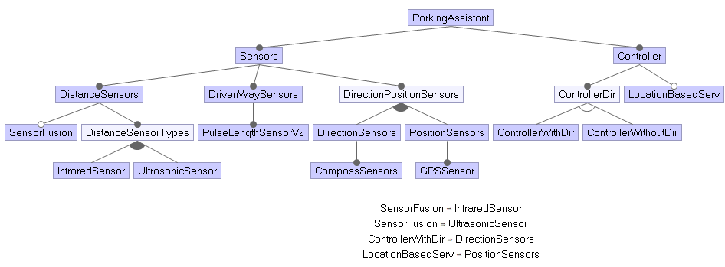
v5 - INCREMENTAL |  | ParkingAssistant | Sensors | DistanceSensors | SensorFusion | DistanceSensorTypes | InfraredSensor | UltrasonicSensor | DrivenWaySensors | PulseLengthSensorV2 | DirectionPositionSensors | DirectionSensors | CompassSensors | PositionSensors | GPSSensor | Controller | ControllerDir | ControllerWithDir | ControllerWithoutDir | LocationBasedServ
Generation Time (ms): | 1625 | TRUE | TRUE | TRUE | FALSE | TRUE | FALSE | TRUE | TRUE | TRUE | TRUE | TRUE | TRUE | FALSE | FALSE | TRUE | TRUE | TRUE | FALSE | FALSE
acts.getTestSuite(..) Time (ms): | 937 | TRUE | TRUE | TRUE | TRUE | TRUE | TRUE | TRUE | TRUE | TRUE | TRUE | FALSE | FALSE | TRUE | TRUE | TRUE | TRUE | FALSE | TRUE | TRUE
Test suite size (#test): | 12 | TRUE | TRUE | TRUE | FALSE | TRUE | FALSE | TRUE | TRUE | TRUE | TRUE | TRUE | TRUE | TRUE | TRUE | TRUE | TRUE | FALSE | TRUE | FALSE
Input Feature Model: |  | TRUE | TRUE | TRUE | FALSE | TRUE | TRUE | FALSE | TRUE | TRUE | TRUE | TRUE | TRUE | TRUE | TRUE | TRUE | TRUE | TRUE | FALSE | TRUE
#Features | 19 | TRUE | TRUE | TRUE | FALSE | TRUE | TRUE | FALSE | TRUE | TRUE | TRUE | FALSE | FALSE | TRUE | TRUE | TRUE | TRUE | FALSE | TRUE | FALSE
#Cross-tree constraints: | 4 | TRUE | TRUE | TRUE | TRUE | TRUE | TRUE | TRUE | TRUE | TRUE | TRUE | TRUE | TRUE | FALSE | FALSE | TRUE | TRUE | TRUE | FALSE | FALSE
#Total configurations (also not valid) | 196608 | TRUE | TRUE | TRUE | FALSE | TRUE | FALSE | TRUE | TRUE | TRUE | TRUE | FALSE | FALSE | TRUE | TRUE | TRUE | TRUE | FALSE | TRUE | TRUE
#Valid configurations | 32 | TRUE | TRUE | TRUE | FALSE | TRUE | FALSE | TRUE | TRUE | TRUE | TRUE | FALSE | FALSE | TRUE | TRUE | TRUE | TRUE | FALSE | TRUE | FALSE
#Ratio configurations [%] (valid/total) | 0.02% | TRUE | TRUE | TRUE | FALSE | TRUE | TRUE | FALSE | TRUE | TRUE | TRUE | TRUE | TRUE | TRUE | TRUE | TRUE | TRUE | FALSE | TRUE | TRUE
 |  | TRUE | TRUE | TRUE | FALSE | TRUE | TRUE | FALSE | TRUE | TRUE | TRUE | TRUE | TRUE | FALSE | FALSE | TRUE | TRUE | FALSE | TRUE | FALSE
 |  | TRUE | TRUE | TRUE | FALSE | TRUE | TRUE | FALSE | TRUE | TRUE | TRUE | FALSE | FALSE | TRUE | TRUE | TRUE | TRUE | FALSE | TRUE | TRUE
 |  | TRUE | TRUE | TRUE | FALSE | TRUE | TRUE | FALSE | TRUE | TRUE | TRUE | TRUE | TRUE | FALSE | FALSE | TRUE | TRUE | TRUE | FALSE | FALSE

PPU
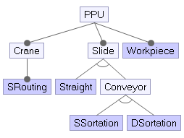
v1 |  | Conveyor | Crane | DSortation | PPU | SRouting | SSortation | Slide | Straight | Workpiece
Generation Time (ms): | 1005 | TRUE | TRUE | TRUE | TRUE | TRUE | FALSE | TRUE | FALSE | TRUE
acts.getTestSuite(..) Time (ms): | 300 | FALSE | TRUE | FALSE | TRUE | TRUE | TRUE | TRUE | TRUE | TRUE
Test suite size (#test): | 5 | TRUE | TRUE | FALSE | TRUE | TRUE | TRUE | TRUE | FALSE | TRUE
Input Feature Model: |  | FALSE | TRUE | TRUE | TRUE | TRUE | FALSE | TRUE | TRUE | TRUE
#Features | 9 | FALSE | TRUE | FALSE | TRUE | TRUE | FALSE | TRUE | TRUE | TRUE
#Cross-tree constraints: | 0
#Total configurations (also not valid) | 144
#Valid configurations | 3
#Ratio configurations [%] (valid/total) | 2.08%

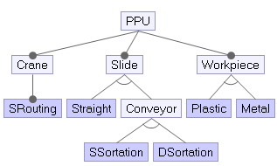
v2 - INCREMENTAL
Generation Time (ms): | 1048 | PPU | Crane | SRouting | Slide | Straight | Conveyor | SSortation | DSortation | Workpiece | Plastic | Metal
acts.getTestSuite(..) Time (ms): | 340 | TRUE | TRUE | TRUE | TRUE | FALSE | TRUE | TRUE | FALSE | TRUE | FALSE | TRUE
Test suite size (#test): | 6 | TRUE | TRUE | TRUE | TRUE | FALSE | TRUE | FALSE | TRUE | TRUE | TRUE | FALSE
Input Feature Model: |  | TRUE | TRUE | TRUE | TRUE | TRUE | FALSE | FALSE | FALSE | TRUE | TRUE | FALSE
#Features | 11 | TRUE | TRUE | TRUE | TRUE | TRUE | FALSE | FALSE | FALSE | TRUE | FALSE | TRUE
#Cross-tree constraints: | 0 | TRUE | TRUE | TRUE | TRUE | FALSE | TRUE | TRUE | FALSE | TRUE | TRUE | FALSE
#Total configurations (also not valid) | 216 | TRUE | TRUE | TRUE | TRUE | FALSE | TRUE | FALSE | TRUE | TRUE | FALSE | TRUE
#Valid configurations | 6
#Ratio configurations [%] (valid/total) | 2.78%

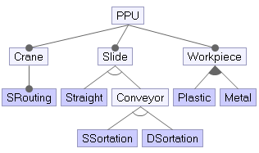
v3 - INCREMENTAL |  | PPU | Crane | SRouting | Slide | Straight | Conveyor | SSortation | DSortation | Workpiece | Plastic | Metal
Generation Time (ms): | 1103 | TRUE | TRUE | TRUE | TRUE | FALSE | TRUE | FALSE | TRUE | TRUE | TRUE | FALSE
acts.getTestSuite(..) Time (ms): | 372 | TRUE | TRUE | TRUE | TRUE | FALSE | TRUE | TRUE | FALSE | TRUE | TRUE | FALSE
Test suite size (#test): | 7 | TRUE | TRUE | TRUE | TRUE | FALSE | TRUE | FALSE | TRUE | TRUE | FALSE | TRUE
Input Feature Model: |  | TRUE | TRUE | TRUE | TRUE | TRUE | FALSE | FALSE | FALSE | TRUE | FALSE | TRUE
#Features | 11 | TRUE | TRUE | TRUE | TRUE | TRUE | FALSE | FALSE | FALSE | TRUE | TRUE | FALSE
#Cross-tree constraints: | 0 | TRUE | TRUE | TRUE | TRUE | FALSE | TRUE | TRUE | FALSE | TRUE | FALSE | TRUE
#Total configurations (also not valid) | 576 | TRUE | TRUE | TRUE | TRUE | TRUE | FALSE | FALSE | FALSE | TRUE | TRUE | TRUE
#Valid configurations | 9
#Ratio configurations [%] (valid/total) | 1.56%

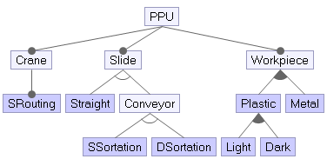
v4 - INCREMENTAL |  | PPU | Crane | SRouting | Slide | Straight | Conveyor | SSortation | DSortation | Workpiece | Plastic | Light | Dark | Metal
Generation Time (ms): | 1185 | TRUE | TRUE | TRUE | TRUE | FALSE | TRUE | TRUE | FALSE | TRUE | TRUE | FALSE | TRUE | FALSE
acts.getTestSuite(..) Time (ms): | 464 | TRUE | TRUE | TRUE | TRUE | TRUE | FALSE | FALSE | FALSE | TRUE | FALSE | FALSE | FALSE | TRUE
Test suite size (#test): | 10 | TRUE | TRUE | TRUE | TRUE | FALSE | TRUE | FALSE | TRUE | TRUE | TRUE | TRUE | FALSE | FALSE
Input Feature Model: |  | TRUE | TRUE | TRUE | TRUE | FALSE | TRUE | TRUE | FALSE | TRUE | FALSE | FALSE | FALSE | TRUE
#Features | 13 | TRUE | TRUE | TRUE | TRUE | FALSE | TRUE | FALSE | TRUE | TRUE | FALSE | FALSE | FALSE | TRUE
#Cross-tree constraints: | 0 | TRUE | TRUE | TRUE | TRUE | TRUE | FALSE | FALSE | FALSE | TRUE | TRUE | TRUE | TRUE | FALSE
#Total configurations (also not valid) | 2304 | TRUE | TRUE | TRUE | TRUE | FALSE | TRUE | TRUE | FALSE | TRUE | TRUE | TRUE | FALSE | TRUE
#Valid configurations | 21 | TRUE | TRUE | TRUE | TRUE | FALSE | TRUE | FALSE | TRUE | TRUE | TRUE | FALSE | TRUE | FALSE
#Ratio configurations [%] (valid/total) | 0.91% | TRUE | TRUE | TRUE | TRUE | FALSE | TRUE | FALSE | TRUE | TRUE | TRUE | TRUE | TRUE | TRUE
 |  | TRUE | TRUE | TRUE | TRUE | FALSE | TRUE | FALSE | TRUE | TRUE | TRUE | TRUE | TRUE | FALSE

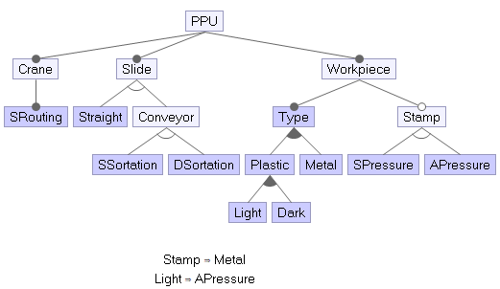
v5 - INCREMENTAL |  | PPU | Crane | SRouting | Slide | Straight | Conveyor | SSortation | DSortation | Workpiece | Type | Plastic | Light | Dark | Metal | Stamp | SPressure | APressure
Generation Time (ms): | 1400 | TRUE | TRUE | TRUE | TRUE | TRUE | FALSE | FALSE | FALSE | TRUE | TRUE | TRUE | FALSE | TRUE | FALSE | FALSE | FALSE | FALSE
acts.getTestSuite(..) Time (ms): | 643 | TRUE | TRUE | TRUE | TRUE | FALSE | TRUE | FALSE | TRUE | TRUE | TRUE | TRUE | TRUE | TRUE | TRUE | TRUE | FALSE | TRUE
Test suite size (#test): | 12 | TRUE | TRUE | TRUE | TRUE | FALSE | TRUE | TRUE | FALSE | TRUE | TRUE | FALSE | FALSE | FALSE | TRUE | TRUE | TRUE | FALSE
Input Feature Model: |  | TRUE | TRUE | TRUE | TRUE | TRUE | FALSE | FALSE | FALSE | TRUE | TRUE | FALSE | FALSE | FALSE | TRUE | TRUE | TRUE | FALSE
#Features | 17 | TRUE | TRUE | TRUE | TRUE | FALSE | TRUE | FALSE | TRUE | TRUE | TRUE | FALSE | FALSE | FALSE | TRUE | FALSE | FALSE | FALSE
#Cross-tree constraints: | 2 | TRUE | TRUE | TRUE | TRUE | FALSE | TRUE | TRUE | FALSE | TRUE | TRUE | TRUE | FALSE | TRUE | TRUE | FALSE | FALSE | FALSE
#Total configurations (also not valid) | 13824 | TRUE | TRUE | TRUE | TRUE | TRUE | FALSE | FALSE | FALSE | TRUE | TRUE | TRUE | TRUE | FALSE | TRUE | TRUE | FALSE | TRUE
#Valid configurations | 39 | TRUE | TRUE | TRUE | TRUE | FALSE | TRUE | TRUE | FALSE | TRUE | TRUE | TRUE | FALSE | TRUE | FALSE | FALSE | FALSE | FALSE
#Ratio configurations [%] (valid/total) | 0.28% | TRUE | TRUE | TRUE | TRUE | FALSE | TRUE | TRUE | FALSE | TRUE | TRUE | FALSE | FALSE | FALSE | TRUE | TRUE | FALSE | TRUE
 |  | TRUE | TRUE | TRUE | TRUE | FALSE | TRUE | TRUE | FALSE | TRUE | TRUE | TRUE | TRUE | TRUE | TRUE | TRUE | FALSE | TRUE
 |  | TRUE | TRUE | TRUE | TRUE | FALSE | TRUE | FALSE | TRUE | TRUE | TRUE | TRUE | FALSE | TRUE | FALSE | FALSE | FALSE | FALSE
 |  | TRUE | TRUE | TRUE | TRUE | FALSE | TRUE | FALSE | TRUE | TRUE | TRUE | TRUE | FALSE | TRUE | TRUE | TRUE | TRUE | FALSE

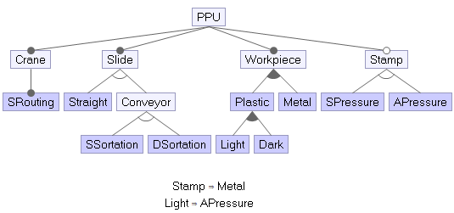
v6 - INCREMENTAL |  | PPU | Crane | SRouting | Slide | Straight | Conveyor | SSortation | DSortation | Workpiece | Plastic | Light | Dark | Metal | Stamp | SPressure | APressure
Generation Time (ms): | 1350 | TRUE | TRUE | TRUE | TRUE | TRUE | FALSE | FALSE | FALSE | TRUE | FALSE | FALSE | FALSE | TRUE | TRUE | FALSE | TRUE
acts.getTestSuite(..) Time (ms): | 573 | TRUE | TRUE | TRUE | TRUE | FALSE | TRUE | FALSE | TRUE | TRUE | TRUE | FALSE | TRUE | TRUE | TRUE | TRUE | FALSE
Test suite size (#test): | 12 | TRUE | TRUE | TRUE | TRUE | TRUE | FALSE | FALSE | FALSE | TRUE | FALSE | FALSE | FALSE | TRUE | TRUE | TRUE | FALSE
Input Feature Model: |  | TRUE | TRUE | TRUE | TRUE | TRUE | FALSE | FALSE | FALSE | TRUE | TRUE | FALSE | TRUE | FALSE | FALSE | FALSE | FALSE
#Features | 16 | TRUE | TRUE | TRUE | TRUE | FALSE | TRUE | FALSE | TRUE | TRUE | TRUE | FALSE | TRUE | FALSE | FALSE | FALSE | FALSE
#Cross-tree constraints: | 2 | TRUE | TRUE | TRUE | TRUE | FALSE | TRUE | FALSE | TRUE | TRUE | TRUE | TRUE | FALSE | TRUE | TRUE | FALSE | TRUE
#Total configurations (also not valid) | 6912 | TRUE | TRUE | TRUE | TRUE | FALSE | TRUE | TRUE | FALSE | TRUE | TRUE | TRUE | FALSE | TRUE | TRUE | FALSE | TRUE
#Valid configurations | 39 | TRUE | TRUE | TRUE | TRUE | FALSE | TRUE | TRUE | FALSE | TRUE | FALSE | FALSE | FALSE | TRUE | TRUE | TRUE | FALSE
#Ratio configurations [%] (valid/total) | 0.56% | TRUE | TRUE | TRUE | TRUE | TRUE | FALSE | FALSE | FALSE | TRUE | TRUE | TRUE | TRUE | TRUE | TRUE | FALSE | TRUE
 |  | TRUE | TRUE | TRUE | TRUE | FALSE | TRUE | TRUE | FALSE | TRUE | TRUE | FALSE | TRUE | FALSE | FALSE | FALSE | FALSE
 |  | TRUE | TRUE | TRUE | TRUE | FALSE | TRUE | FALSE | TRUE | TRUE | FALSE | FALSE | FALSE | TRUE | FALSE | FALSE | FALSE
 |  | TRUE | TRUE | TRUE | TRUE | TRUE | FALSE | FALSE | FALSE | TRUE | FALSE | FALSE | FALSE | TRUE | FALSE | FALSE | FALSE

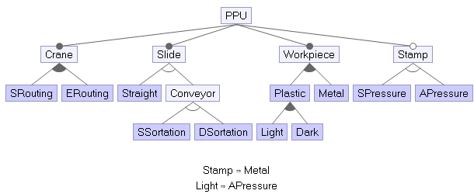
v7 - INCREMENTAL |  | PPU | Crane | SRouting | ERouting | Slide | Straight | Conveyor | SSortation | DSortation | Workpiece | Plastic | Light | Dark | Metal | Stamp | SPressure | APressure
Generation Time (ms): | 1381 | TRUE | TRUE | TRUE | FALSE | TRUE | TRUE | FALSE | FALSE | FALSE | TRUE | FALSE | FALSE | FALSE | TRUE | TRUE | TRUE | FALSE
acts.getTestSuite(..) Time (ms): | 634 | TRUE | TRUE | TRUE | TRUE | TRUE | TRUE | FALSE | FALSE | FALSE | TRUE | FALSE | FALSE | FALSE | TRUE | TRUE | FALSE | TRUE
Test suite size (#test): | 17 | TRUE | TRUE | TRUE | FALSE | TRUE | TRUE | FALSE | FALSE | FALSE | TRUE | FALSE | FALSE | FALSE | TRUE | FALSE | FALSE | FALSE
Input Feature Model: |  | TRUE | TRUE | TRUE | FALSE | TRUE | FALSE | TRUE | FALSE | TRUE | TRUE | TRUE | FALSE | TRUE | TRUE | TRUE | TRUE | FALSE
#Features | 17 | TRUE | TRUE | TRUE | TRUE | TRUE | FALSE | TRUE | TRUE | FALSE | TRUE | TRUE | TRUE | TRUE | TRUE | TRUE | FALSE | TRUE
#Cross-tree constraints: | 2 | TRUE | TRUE | TRUE | FALSE | TRUE | FALSE | TRUE | TRUE | FALSE | TRUE | FALSE | FALSE | FALSE | TRUE | TRUE | TRUE | FALSE
#Total configurations (also not valid) | 13824 | TRUE | TRUE | TRUE | FALSE | TRUE | TRUE | FALSE | FALSE | FALSE | TRUE | TRUE | FALSE | TRUE | FALSE | FALSE | FALSE | FALSE
#Valid configurations | 117 | TRUE | TRUE | TRUE | TRUE | TRUE | FALSE | TRUE | TRUE | FALSE | TRUE | TRUE | FALSE | TRUE | FALSE | FALSE | FALSE | FALSE
#Ratio configurations [%] (valid/total) | 0.85% | TRUE | TRUE | TRUE | FALSE | TRUE | TRUE | FALSE | FALSE | FALSE | TRUE | TRUE | TRUE | TRUE | TRUE | TRUE | FALSE | TRUE
 |  | TRUE | TRUE | TRUE | TRUE | TRUE | FALSE | TRUE | FALSE | TRUE | TRUE | FALSE | FALSE | FALSE | TRUE | FALSE | FALSE | FALSE
 |  | TRUE | TRUE | TRUE | TRUE | TRUE | FALSE | TRUE | FALSE | TRUE | TRUE | TRUE | FALSE | TRUE | FALSE | FALSE | FALSE | FALSE
 |  | TRUE | TRUE | TRUE | TRUE | TRUE | FALSE | TRUE | FALSE | TRUE | TRUE | TRUE | TRUE | FALSE | TRUE | TRUE | FALSE | TRUE
 |  | TRUE | TRUE | FALSE | TRUE | TRUE | TRUE | FALSE | FALSE | FALSE | TRUE | FALSE | FALSE | FALSE | TRUE | TRUE | TRUE | FALSE
 |  | TRUE | TRUE | FALSE | TRUE | TRUE | FALSE | TRUE | TRUE | FALSE | TRUE | TRUE | FALSE | TRUE | FALSE | FALSE | FALSE | FALSE
 |  | TRUE | TRUE | FALSE | TRUE | TRUE | FALSE | TRUE | TRUE | FALSE | TRUE | TRUE | FALSE | TRUE | TRUE | FALSE | FALSE | FALSE
 |  | TRUE | TRUE | FALSE | TRUE | TRUE | FALSE | TRUE | FALSE | TRUE | TRUE | TRUE | TRUE | FALSE | TRUE | TRUE | FALSE | TRUE
 |  | TRUE | TRUE | TRUE | TRUE | TRUE | FALSE | TRUE | FALSE | TRUE | TRUE | TRUE | FALSE | TRUE | TRUE | TRUE | TRUE | FALSE

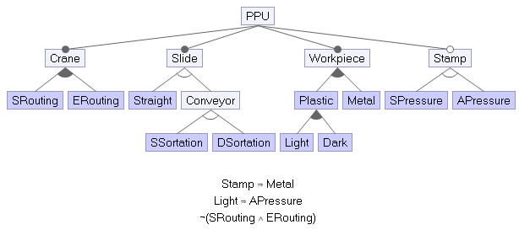
v8 - INCREMENTAL |  | PPU | Crane | SRouting | ERouting | Slide | Straight | Conveyor | SSortation | DSortation | Workpiece | Plastic | Light | Dark | Metal | Stamp | SPressure | APressure
Generation Time (ms): | 1402 | TRUE | TRUE | TRUE | FALSE | TRUE | TRUE | FALSE | FALSE | FALSE | TRUE | FALSE | FALSE | FALSE | TRUE | TRUE | FALSE | TRUE
acts.getTestSuite(..) Time (ms): | 655 | TRUE | TRUE | FALSE | TRUE | TRUE | TRUE | FALSE | FALSE | FALSE | TRUE | TRUE | FALSE | TRUE | FALSE | FALSE | FALSE | FALSE
Test suite size (#test): | 13 | TRUE | TRUE | TRUE | FALSE | TRUE | FALSE | TRUE | FALSE | TRUE | TRUE | TRUE | FALSE | TRUE | FALSE | FALSE | FALSE | FALSE
Input Feature Model: |  | TRUE | TRUE | FALSE | TRUE | TRUE | FALSE | TRUE | FALSE | TRUE | TRUE | TRUE | TRUE | TRUE | TRUE | TRUE | FALSE | TRUE
#Features | 17 | TRUE | TRUE | TRUE | FALSE | TRUE | FALSE | TRUE | FALSE | TRUE | TRUE | FALSE | FALSE | FALSE | TRUE | FALSE | FALSE | FALSE
#Cross-tree constraints: | 3 | TRUE | TRUE | FALSE | TRUE | TRUE | FALSE | TRUE | TRUE | FALSE | TRUE | TRUE | TRUE | FALSE | TRUE | TRUE | FALSE | TRUE
#Total configurations (also not valid) | 13824 | TRUE | TRUE | FALSE | TRUE | TRUE | TRUE | FALSE | FALSE | FALSE | TRUE | FALSE | FALSE | FALSE | TRUE | TRUE | TRUE | FALSE
#Valid configurations | 78 | TRUE | TRUE | FALSE | TRUE | TRUE | FALSE | TRUE | FALSE | TRUE | TRUE | FALSE | FALSE | FALSE | TRUE | FALSE | FALSE | FALSE
#Ratio configurations [%] (valid/total) | 0.56% | TRUE | TRUE | TRUE | FALSE | TRUE | TRUE | FALSE | FALSE | FALSE | TRUE | TRUE | TRUE | TRUE | TRUE | TRUE | FALSE | TRUE
 |  | TRUE | TRUE | TRUE | FALSE | TRUE | FALSE | TRUE | TRUE | FALSE | TRUE | FALSE | FALSE | FALSE | TRUE | TRUE | TRUE | FALSE
 |  | TRUE | TRUE | TRUE | FALSE | TRUE | FALSE | TRUE | FALSE | TRUE | TRUE | TRUE | FALSE | TRUE | TRUE | TRUE | TRUE | FALSE
 |  | TRUE | TRUE | TRUE | FALSE | TRUE | FALSE | TRUE | TRUE | FALSE | TRUE | TRUE | FALSE | TRUE | TRUE | FALSE | FALSE | FALSE
 |  | TRUE | TRUE | TRUE | FALSE | TRUE | FALSE | TRUE | TRUE | FALSE | TRUE | TRUE | FALSE | TRUE | FALSE | FALSE | FALSE | FALSE

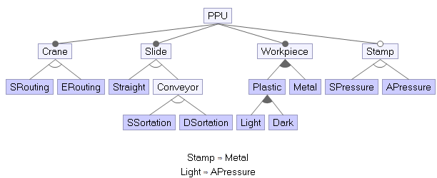
v9 - INCREMENTAL |  | PPU | Crane | SRouting | ERouting | Slide | Straight | Conveyor | SSortation | DSortation | Workpiece | Plastic | Light | Dark | Metal | Stamp | SPressure | APressure
Generation Time (ms): | 1290 | TRUE | TRUE | TRUE | FALSE | TRUE | FALSE | TRUE | FALSE | TRUE | TRUE | TRUE | FALSE | TRUE | TRUE | TRUE | TRUE | FALSE
acts.getTestSuite(..) Time (ms): | 567 | TRUE | TRUE | FALSE | TRUE | TRUE | FALSE | TRUE | FALSE | TRUE | TRUE | TRUE | FALSE | TRUE | FALSE | FALSE | FALSE | FALSE
Test suite size (#test): | 12 | TRUE | TRUE | TRUE | FALSE | TRUE | TRUE | FALSE | FALSE | FALSE | TRUE | FALSE | FALSE | FALSE | TRUE | TRUE | FALSE | TRUE
Input Feature Model: |  | TRUE | TRUE | FALSE | TRUE | TRUE | FALSE | TRUE | TRUE | FALSE | TRUE | TRUE | TRUE | FALSE | TRUE | TRUE | FALSE | TRUE
#Features | 17 | TRUE | TRUE | TRUE | FALSE | TRUE | FALSE | TRUE | TRUE | FALSE | TRUE | TRUE | FALSE | TRUE | FALSE | FALSE | FALSE | FALSE
#Cross-tree constraints: | 2 | TRUE | TRUE | TRUE | FALSE | TRUE | TRUE | FALSE | FALSE | FALSE | TRUE | TRUE | TRUE | TRUE | TRUE | TRUE | FALSE | TRUE
#Total configurations (also not valid) | 5184 | TRUE | TRUE | FALSE | TRUE | TRUE | TRUE | FALSE | FALSE | FALSE | TRUE | FALSE | FALSE | FALSE | TRUE | TRUE | TRUE | FALSE
#Valid configurations | 78 | TRUE | TRUE | FALSE | TRUE | TRUE | FALSE | TRUE | FALSE | TRUE | TRUE | FALSE | FALSE | FALSE | TRUE | FALSE | FALSE | FALSE
#Ratio configurations [%] (valid/total) | 1.50% | TRUE | TRUE | FALSE | TRUE | TRUE | FALSE | TRUE | FALSE | TRUE | TRUE | TRUE | TRUE | TRUE | TRUE | TRUE | FALSE | TRUE
 |  | TRUE | TRUE | FALSE | TRUE | TRUE | FALSE | TRUE | TRUE | FALSE | TRUE | FALSE | FALSE | FALSE | TRUE | TRUE | TRUE | FALSE
 |  | TRUE | TRUE | FALSE | TRUE | TRUE | TRUE | FALSE | FALSE | FALSE | TRUE | TRUE | FALSE | TRUE | FALSE | FALSE | FALSE | FALSE
 |  | TRUE | TRUE | TRUE | FALSE | TRUE | FALSE | TRUE | FALSE | TRUE | TRUE | FALSE | FALSE | FALSE | TRUE | TRUE | TRUE | FALSE

SmartHotel
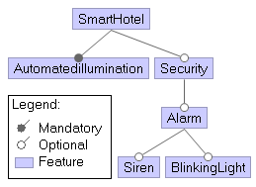
v1 |  | Alarm | Automatedillumination | BlinkingLight | Security | Siren | SmartHotel
Generation Time (ms): | 1014 | FALSE | TRUE | FALSE | FALSE | FALSE | TRUE
acts.getTestSuite(..) Time (ms): | 284 | TRUE | TRUE | TRUE | TRUE | TRUE | TRUE
Test suite size (#test): | 5 | FALSE | TRUE | FALSE | TRUE | FALSE | TRUE
Input Feature Model: |  | TRUE | TRUE | TRUE | TRUE | FALSE | TRUE
#Features | 6 | TRUE | TRUE | FALSE | TRUE | TRUE | TRUE
#Cross-tree constraints: | 0
#Total configurations (also not valid) | 64
#Valid configurations | 6
#Ratio configurations [%] (valid/total) | 9.38%

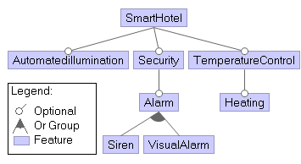
v2 - INCREMENTAL |  | SmartHotel | Automatedillumination | Security | Alarm | Siren | VisualAlarm | TemperatureControl | Heating
Generation Time (ms): | 1058 | TRUE | TRUE | TRUE | TRUE | TRUE | FALSE | FALSE | FALSE
acts.getTestSuite(..) Time (ms): | 328 | TRUE | TRUE | TRUE | TRUE | TRUE | TRUE | TRUE | TRUE
Test suite size (#test): | 9 | TRUE | TRUE | FALSE | FALSE | FALSE | FALSE | TRUE | TRUE
Input Feature Model: |  | TRUE | TRUE | TRUE | TRUE | FALSE | TRUE | TRUE | TRUE
#Features | 8 | TRUE | TRUE | TRUE | FALSE | FALSE | FALSE | FALSE | FALSE
#Cross-tree constraints: | 0 | TRUE | FALSE | FALSE | FALSE | FALSE | FALSE | FALSE | FALSE
#Total configurations (also not valid) | 256 | TRUE | FALSE | TRUE | TRUE | TRUE | TRUE | TRUE | TRUE
#Valid configurations | 30 | TRUE | TRUE | TRUE | TRUE | TRUE | TRUE | TRUE | FALSE
#Ratio configurations [%] (valid/total) | 11.72% | TRUE | TRUE | TRUE | TRUE | TRUE | TRUE | FALSE | FALSE

WeatherStation
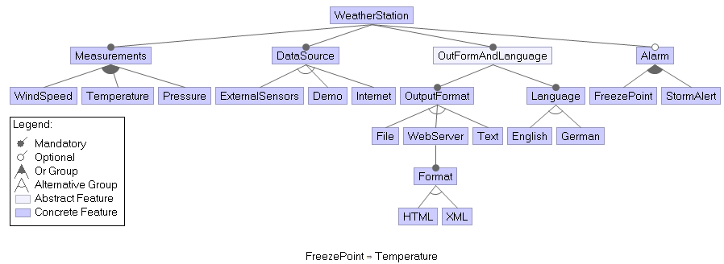
v1 |  | Alarm | DataSource | Demo | English | ExternalSensors | File | Format | FreezePoint | German | HTML | Internet | Language | Measurements | OutFormAndLanguage | OutputFormat | Pressure | StormAlert | Temperature | Text | WeatherStation | WebServer | WindSpeed | XML
Generation Time (ms): | 1405 | FALSE | TRUE | FALSE | FALSE | FALSE | FALSE | FALSE | FALSE | TRUE | FALSE | TRUE | TRUE | TRUE | TRUE | TRUE | TRUE | FALSE | FALSE | TRUE | TRUE | FALSE | FALSE | FALSE
acts.getTestSuite(..) Time (ms): | 626 | TRUE | TRUE | FALSE | TRUE | TRUE | TRUE | FALSE | TRUE | FALSE | TRUE | FALSE | TRUE | TRUE | TRUE | TRUE | FALSE | TRUE | TRUE | FALSE | TRUE | FALSE | TRUE | FALSE
Test suite size (#test): | 11 | TRUE | TRUE | FALSE | FALSE | TRUE | FALSE | TRUE | TRUE | TRUE | FALSE | FALSE | TRUE | TRUE | TRUE | TRUE | TRUE | FALSE | TRUE | FALSE | TRUE | TRUE | FALSE | TRUE
Input Feature Model: |  | FALSE | TRUE | TRUE | TRUE | FALSE | TRUE | FALSE | FALSE | FALSE | FALSE | FALSE | TRUE | TRUE | TRUE | TRUE | FALSE | FALSE | FALSE | FALSE | TRUE | FALSE | TRUE | TRUE
#Features | 23 | FALSE | TRUE | FALSE | TRUE | TRUE | FALSE | TRUE | FALSE | FALSE | TRUE | FALSE | TRUE | TRUE | TRUE | TRUE | TRUE | FALSE | FALSE | FALSE | TRUE | TRUE | TRUE | FALSE
#Cross-tree constraints: | 1 | TRUE | TRUE | TRUE | FALSE | FALSE | FALSE | TRUE | TRUE | TRUE | TRUE | FALSE | TRUE | TRUE | TRUE | TRUE | FALSE | TRUE | TRUE | FALSE | TRUE | TRUE | FALSE | FALSE
#Total configurations (also not valid) | 73728 | TRUE | TRUE | TRUE | TRUE | FALSE | TRUE | FALSE | FALSE | FALSE | FALSE | FALSE | TRUE | TRUE | TRUE | TRUE | TRUE | TRUE | FALSE | FALSE | TRUE | FALSE | FALSE | FALSE
#Valid configurations | 660 | FALSE | TRUE | FALSE | FALSE | FALSE | TRUE | FALSE | FALSE | TRUE | TRUE | TRUE | TRUE | TRUE | TRUE | TRUE | FALSE | FALSE | TRUE | FALSE | TRUE | FALSE | TRUE | FALSE
#Ratio configurations [%] (valid/total) | 0.90% | TRUE | TRUE | FALSE | TRUE | FALSE | FALSE | TRUE | TRUE | FALSE | FALSE | TRUE | TRUE | TRUE | TRUE | TRUE | TRUE | TRUE | TRUE | FALSE | TRUE | TRUE | TRUE | TRUE
 |  | TRUE | TRUE | TRUE | TRUE | FALSE | FALSE | FALSE | TRUE | FALSE | FALSE | FALSE | TRUE | TRUE | TRUE | TRUE | FALSE | TRUE | TRUE | TRUE | TRUE | FALSE | TRUE | TRUE
 |  | TRUE | TRUE | FALSE | FALSE | TRUE | FALSE | FALSE | FALSE | TRUE | TRUE | FALSE | TRUE | TRUE | TRUE | TRUE | FALSE | TRUE | TRUE | TRUE | TRUE | FALSE | FALSE | FALSE

v2 - INCREMENTAL |  | WeatherStation | Measurements | WindSpeed | Temperature | Pressure | DataSource | ExternalSensors | Demo | Internet | OutFormAndLanguage | OutputFormat | File | WebServer | Text | Format | HTML | XML | Plaintext | Language | English | German | Alarm | FreezePoint | StormAlert
Generation Time (ms): | 1460 | TRUE | TRUE | TRUE | FALSE | FALSE | TRUE | FALSE | TRUE | FALSE | TRUE | TRUE | FALSE | TRUE | FALSE | TRUE | FALSE | TRUE | FALSE | TRUE | TRUE | FALSE | FALSE | FALSE | FALSE
acts.getTestSuite(..) Time (ms): | 736 | TRUE | TRUE | FALSE | TRUE | FALSE | TRUE | TRUE | FALSE | FALSE | TRUE | TRUE | FALSE | TRUE | FALSE | TRUE | FALSE | TRUE | FALSE | TRUE | FALSE | TRUE | FALSE | FALSE | FALSE
Test suite size (#test): | 23 | TRUE | TRUE | TRUE | TRUE | TRUE | TRUE | FALSE | FALSE | TRUE | TRUE | TRUE | FALSE | TRUE | FALSE | TRUE | FALSE | TRUE | FALSE | TRUE | FALSE | TRUE | TRUE | TRUE | TRUE
Input Feature Model: |  | TRUE | TRUE | FALSE | FALSE | TRUE | TRUE | TRUE | FALSE | FALSE | TRUE | TRUE | TRUE | FALSE | FALSE | TRUE | FALSE | TRUE | FALSE | TRUE | FALSE | TRUE | TRUE | FALSE | TRUE
#Features | 24 | TRUE | TRUE | TRUE | TRUE | TRUE | TRUE | FALSE | TRUE | FALSE | TRUE | TRUE | FALSE | FALSE | TRUE | TRUE | FALSE | FALSE | TRUE | TRUE | TRUE | FALSE | TRUE | FALSE | TRUE
#Cross-tree constraints: | 2 | TRUE | TRUE | FALSE | FALSE | TRUE | TRUE | FALSE | FALSE | TRUE | TRUE | TRUE | FALSE | FALSE | TRUE | TRUE | FALSE | FALSE | TRUE | TRUE | FALSE | TRUE | TRUE | FALSE | TRUE
#Total configurations (also not valid) | 98304 | TRUE | TRUE | TRUE | TRUE | TRUE | TRUE | TRUE | FALSE | FALSE | TRUE | TRUE | FALSE | FALSE | TRUE | TRUE | FALSE | FALSE | TRUE | TRUE | FALSE | TRUE | TRUE | TRUE | FALSE
#Valid configurations | 1056 | TRUE | TRUE | FALSE | FALSE | TRUE | TRUE | FALSE | FALSE | TRUE | TRUE | TRUE | FALSE | FALSE | TRUE | TRUE | TRUE | FALSE | FALSE | TRUE | TRUE | FALSE | TRUE | FALSE | TRUE
#Ratio configurations [%] (valid/total) | 1.07% | TRUE | TRUE | TRUE | TRUE | FALSE | TRUE | TRUE | FALSE | FALSE | TRUE | TRUE | TRUE | FALSE | FALSE | TRUE | FALSE | TRUE | FALSE | TRUE | TRUE | FALSE | TRUE | TRUE | FALSE
 |  | TRUE | TRUE | FALSE | TRUE | FALSE | TRUE | FALSE | TRUE | FALSE | TRUE | TRUE | FALSE | FALSE | TRUE | TRUE | TRUE | FALSE | FALSE | TRUE | TRUE | FALSE | TRUE | TRUE | TRUE
 |  | TRUE | TRUE | TRUE | FALSE | FALSE | TRUE | TRUE | FALSE | FALSE | TRUE | TRUE | FALSE | FALSE | TRUE | TRUE | TRUE | FALSE | FALSE | TRUE | TRUE | FALSE | TRUE | FALSE | TRUE
 |  | TRUE | TRUE | FALSE | TRUE | TRUE | TRUE | FALSE | TRUE | FALSE | TRUE | TRUE | FALSE | FALSE | TRUE | TRUE | FALSE | FALSE | TRUE | TRUE | FALSE | TRUE | FALSE | FALSE | FALSE
 |  | TRUE | TRUE | FALSE | FALSE | TRUE | TRUE | FALSE | TRUE | FALSE | TRUE | TRUE | TRUE | FALSE | FALSE | TRUE | FALSE | TRUE | FALSE | TRUE | TRUE | FALSE | FALSE | FALSE | FALSE
 |  | TRUE | TRUE | TRUE | TRUE | FALSE | TRUE | FALSE | FALSE | TRUE | TRUE | TRUE | TRUE | FALSE | FALSE | TRUE | FALSE | TRUE | FALSE | TRUE | FALSE | TRUE | TRUE | TRUE | FALSE
 |  | TRUE | TRUE | TRUE | FALSE | FALSE | TRUE | TRUE | FALSE | FALSE | TRUE | TRUE | FALSE | FALSE | TRUE | TRUE | TRUE | FALSE | FALSE | TRUE | TRUE | FALSE | FALSE | FALSE | FALSE
 |  | TRUE | TRUE | TRUE | TRUE | FALSE | TRUE | TRUE | FALSE | FALSE | TRUE | TRUE | FALSE | FALSE | TRUE | TRUE | FALSE | FALSE | TRUE | TRUE | FALSE | TRUE | TRUE | TRUE | TRUE
 |  | TRUE | TRUE | TRUE | TRUE | TRUE | TRUE | TRUE | FALSE | FALSE | TRUE | TRUE | FALSE | FALSE | TRUE | TRUE | TRUE | FALSE | FALSE | TRUE | FALSE | TRUE | TRUE | TRUE | TRUE
 |  | TRUE | TRUE | TRUE | TRUE | TRUE | TRUE | TRUE | FALSE | FALSE | TRUE | TRUE | TRUE | FALSE | FALSE | TRUE | FALSE | TRUE | FALSE | TRUE | TRUE | FALSE | TRUE | TRUE | TRUE
 |  | TRUE | TRUE | TRUE | TRUE | FALSE | TRUE | FALSE | TRUE | FALSE | TRUE | TRUE | FALSE | FALSE | TRUE | TRUE | FALSE | FALSE | TRUE | TRUE | TRUE | FALSE | TRUE | TRUE | FALSE
 |  | TRUE | TRUE | TRUE | TRUE | TRUE | TRUE | FALSE | TRUE | FALSE | TRUE | TRUE | FALSE | FALSE | TRUE | TRUE | FALSE | TRUE | FALSE | TRUE | FALSE | TRUE | TRUE | TRUE | TRUE
 |  | TRUE | TRUE | TRUE | FALSE | TRUE | TRUE | FALSE | FALSE | TRUE | TRUE | TRUE | TRUE | FALSE | FALSE | TRUE | FALSE | TRUE | FALSE | TRUE | TRUE | FALSE | FALSE | FALSE | FALSE
 |  | TRUE | TRUE | TRUE | TRUE | FALSE | TRUE | FALSE | FALSE | TRUE | TRUE | TRUE | TRUE | FALSE | FALSE | TRUE | FALSE | TRUE | FALSE | TRUE | TRUE | FALSE | TRUE | TRUE | FALSE
 |  | TRUE | TRUE | TRUE | TRUE | FALSE | TRUE | FALSE | FALSE | TRUE | TRUE | TRUE | TRUE | FALSE | FALSE | TRUE | FALSE | TRUE | FALSE | TRUE | TRUE | FALSE | TRUE | TRUE | TRUE

