PP
 |  |  |  |  |  | 2023
Power Plants

 |  |  | ~FI_T
TechName | * TechDesc | Comm-IN | Comm-OUT | EFF | CAP2ACT | STOCK~2023 | STOCK~2025 | STOCK~2030 | STOCK~2035 | STOCK~2040 | STOCK~2045 | STOCK~2050 | PEAK | FIXOM | VAROM
\I: Technology Name | Technology Description | Commodity Input | Commodity Output | Efficiency | Capacity to Activity Factor | Installed Capacity [GW] |  |  |  |  |  |  | Peak EQ Factor | Fixed O&M Costs [EUR/kW] | Variable O&M Costs [EUR/GJ]
ELE_EX_GAS_CCGT | Existing Gas Combined Cycle Power Plants | NAT_GAS | ELC | 0.56 | 31.536 | 24.04 | 24.04 | 24.04 | 24.04 |  |  |  | 1.00 | 20.00 | 2.00
 |  |  | CO2

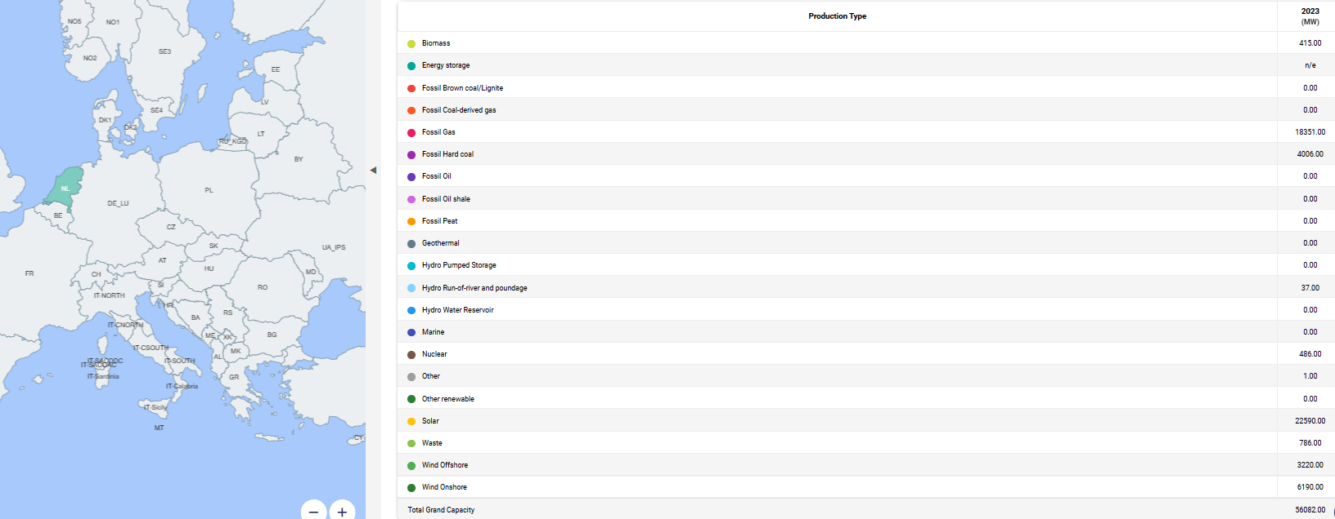
 |  |  |  |  |  |  |  |  |  |  |  |  | 2023
 |  |  |  |  |  |  |  |  |  |  |  |  | (MW) |  | Nel 2040 i gas plant verrano decommissionati
 |  |  |  |  |  |  |  |  |  |  |  |  | Biomass | 415
 |  |  |  |  |  |  |  |  |  |  |  |  | Energy storage | n/e | La generazione elettrica termica convenzionale è stata raggruppata per avere un solo processo e semplificare
 |  |  |  |  |  |  |  |  |  |  |  |  | Fossil Brown coal/Lignite | 0
 |  |  |  |  |  |  |  |  |  |  |  |  | Fossil Coal-derived gas | 0
 |  |  |  |  |  |  |  |  |  |  |  |  | Fossil Gas | 18351
 |  |  |  |  |  |  |  |  |  |  |  |  | Fossil Hard coal | 4006
 |  |  |  |  |  |  |  |  |  |  |  |  | Fossil Oil | 0
 |  |  |  |  |  |  |  |  |  |  |  |  | Fossil Oil shale | 0
 |  |  |  |  |  |  |  |  |  |  |  |  | Fossil Peat | 0
 |  |  |  |  |  |  |  |  |  |  |  |  | Geothermal | 0
 |  |  |  |  |  |  |  |  |  |  |  |  | Hydro Pumped Storage | 0
 |  |  |  |  |  |  |  |  |  |  |  |  | Hydro Run-of-river and poundage | 37
 |  |  |  |  |  |  |  |  |  |  |  |  | Hydro Water Reservoir | 0
 |  |  |  |  |  |  |  |  |  |  |  |  | Marine | 0
 |  |  |  |  |  |  |  |  |  |  |  |  | Nuclear | 486
 |  |  |  |  |  |  |  |  |  |  |  |  | Other | 1
 |  |  |  |  |  |  |  |  |  |  |  |  | Other renewable | 0
 |  |  |  |  |  |  |  |  |  |  |  |  | Solar | 22590
 |  |  |  |  |  |  |  |  |  |  |  |  | Waste | 786
 |  |  |  |  |  |  |  |  |  |  |  |  | Wind Offshore | 3220
 |  |  |  |  |  |  |  |  |  |  |  |  | Wind Onshore | 6190

 |  |  |  |  |  |  |  |  |  |  |  |  | Total gas | 24044
 |  |  |  |  |  |  |  |  |  |  |  |  | Total wind onshore | 6190
 |  |  |  |  |  |  |  |  |  |  |  |  | Total wind offshore | 3220
 |  |  |  |  |  |  |  |  |  |  |  |  | Total pv | 22590

