Specification
Project idea: Traffic light controller for pedestrian crossing |  | 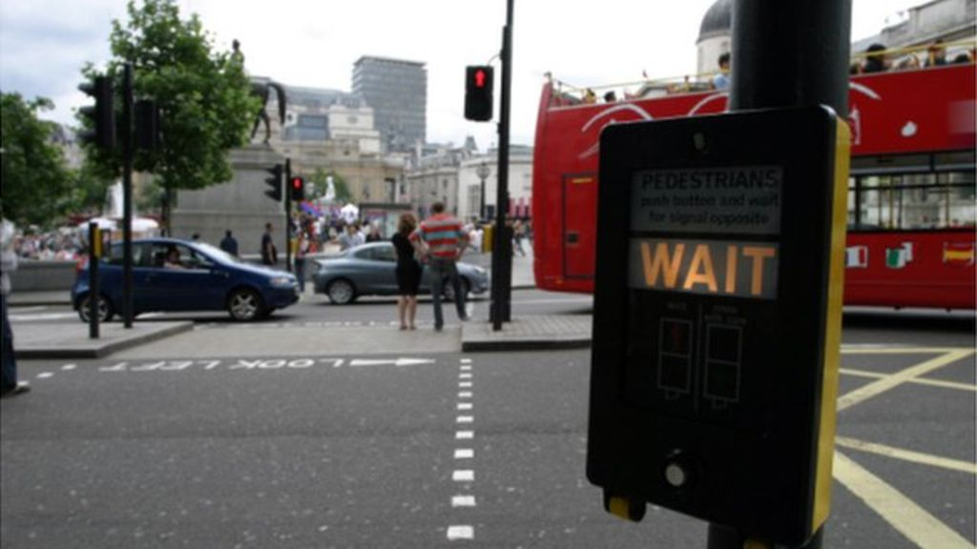
ID | Requirements | Verification method
TLC-01 | Controller shall operate two lamp poles for roadway traffic signal and two lamp poles for pedestrian signal
TLC-02 | Controller shall display countdown signals for both roadway and pedestrian
TLC-03 | Controller shall let cars pass if no higher priority event is detected
TLC-04 | Controller shall response to pedestrian button by changing light signals to block car traffic
TLC-05 | Controller shall release car traffic by changing light signals after the walking interval for pedestrian
TLC-06 | Controller shall maintain the status of through traffic based on the minimum green period
TLC-07 | Controller shall alert drivers and pedestrian about irregular operations by flashing lamps
TLC-08 | Controller shall have local operator panel for configuring its settings

Design
Hardware architecture
System architecture | Description | Reference
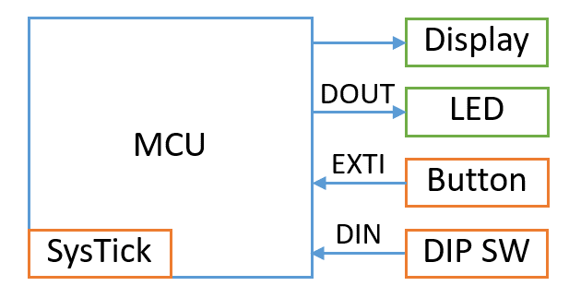 | RED lamp: pin PA8
 | YELLOW lamp: pin PB14
 | GREEN lamp: pin PB13
 | WALK symbol: pin PD12
 | DONT_WALK symbol: pin PD13
 | Countdown display: ITM Trace
 | Pedestrian button 1: pin PB2 (PUSH SW1)
 | Pedestrian button 2: pin PB15 (PUSH SW2)
 | MIN_GREEN_TIME: pin PE3 (DIP SW1)
 | WALK_INTERVAL: pin PE4 (DIP SW2)
 | OUT_OF_SERVICE: pin PE5 (DIP SW3)
 | Timer: SYSTICK timer

Software architecture
State diagram | Description | Reference
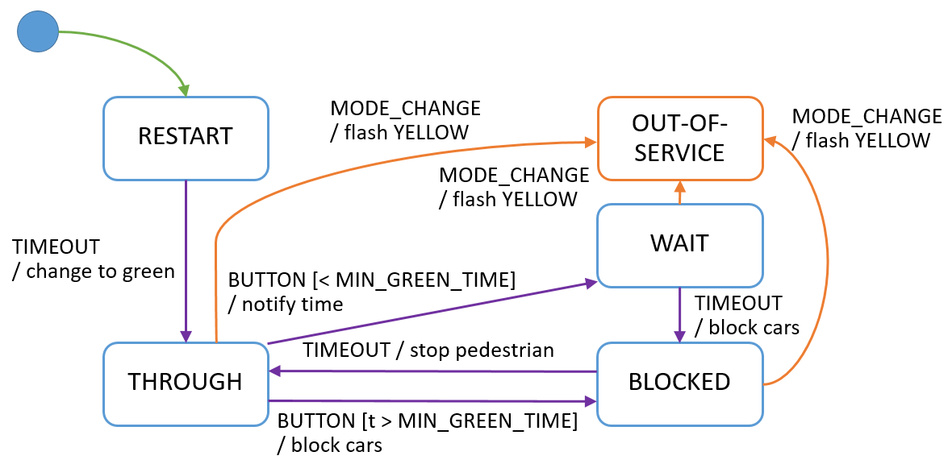 | RESTART state: flashing after restart
 | THROUGH state: car traffic
 | BLOCKED state: pedestrain walk
 | WAIT state: waiting for MIN_GREEN_PERIOD
 | OUT_OF_SERVICE state: abnormal status set by operator
 | BUTTON event: button is pressed
 | TIMEOUT event: timeout event is triggered
 | ONE_SEC event: second tick
 | MODE_CHANGE event: select operating mode

Timing chart | Description | Reference
 | R-Y-G: RED, YELLOW, GREEN lamps
 | W-DW: WALK, DONT_WALK symbols

Firmware modules | Description | Reference
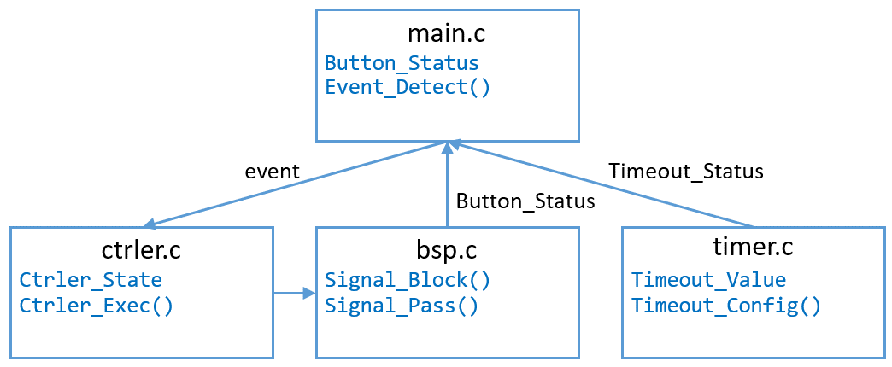 | main: initialize HW, SW components
 | ctrler: run state machine
 | timer: generate timer events

