conflict
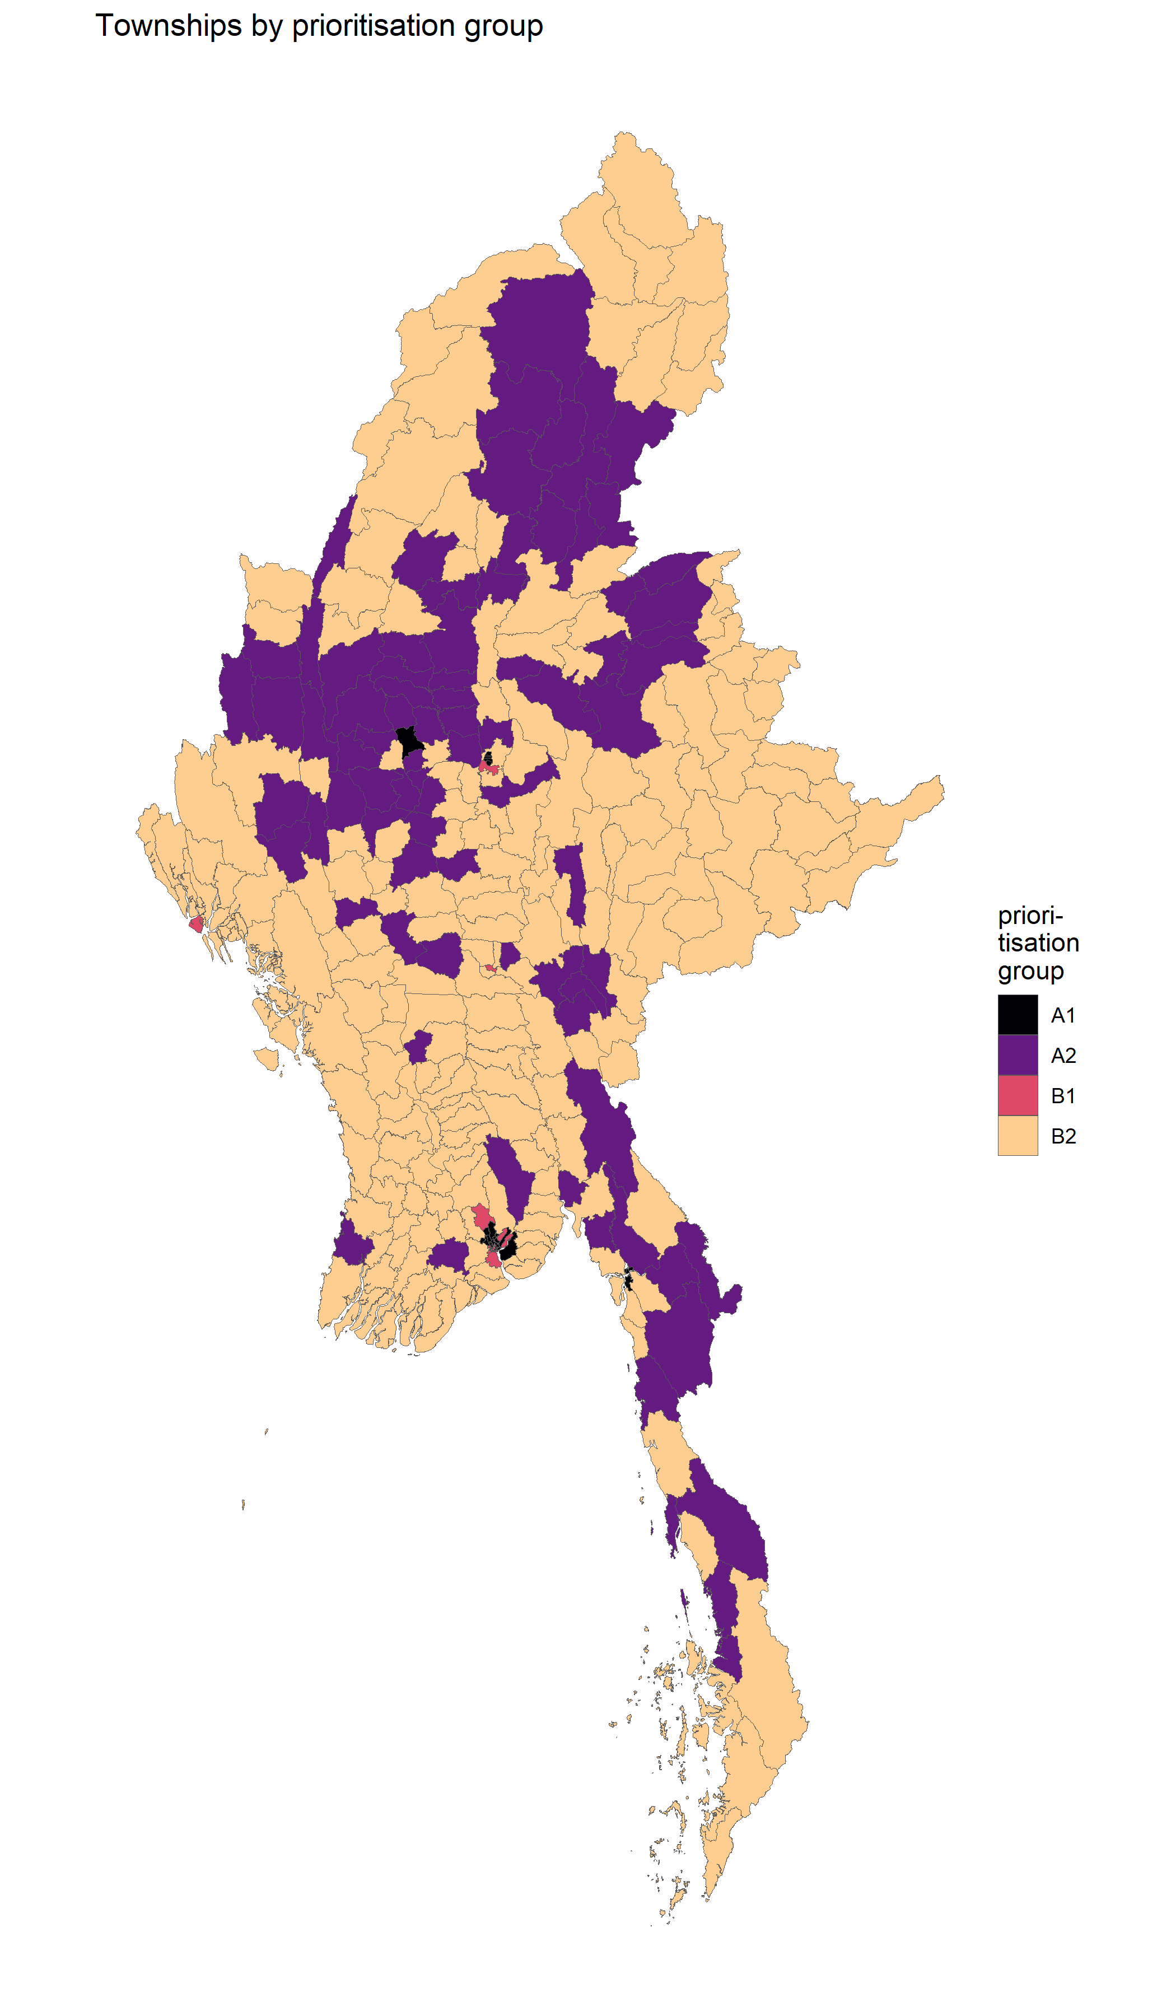
Notes on prioritisation of townships by conflict data and population denesity

A. | Sagaing saw the highest number of conflict events as well as conflict fatalites in 2012. In particular, it experienced more than three times as many conflict-related fatalities than the next highest state/region -- Magway. This is a significant shift in the pattern of conflict in Myanmar, which has traditionally revovled around kachin, Rakhine and Shan.

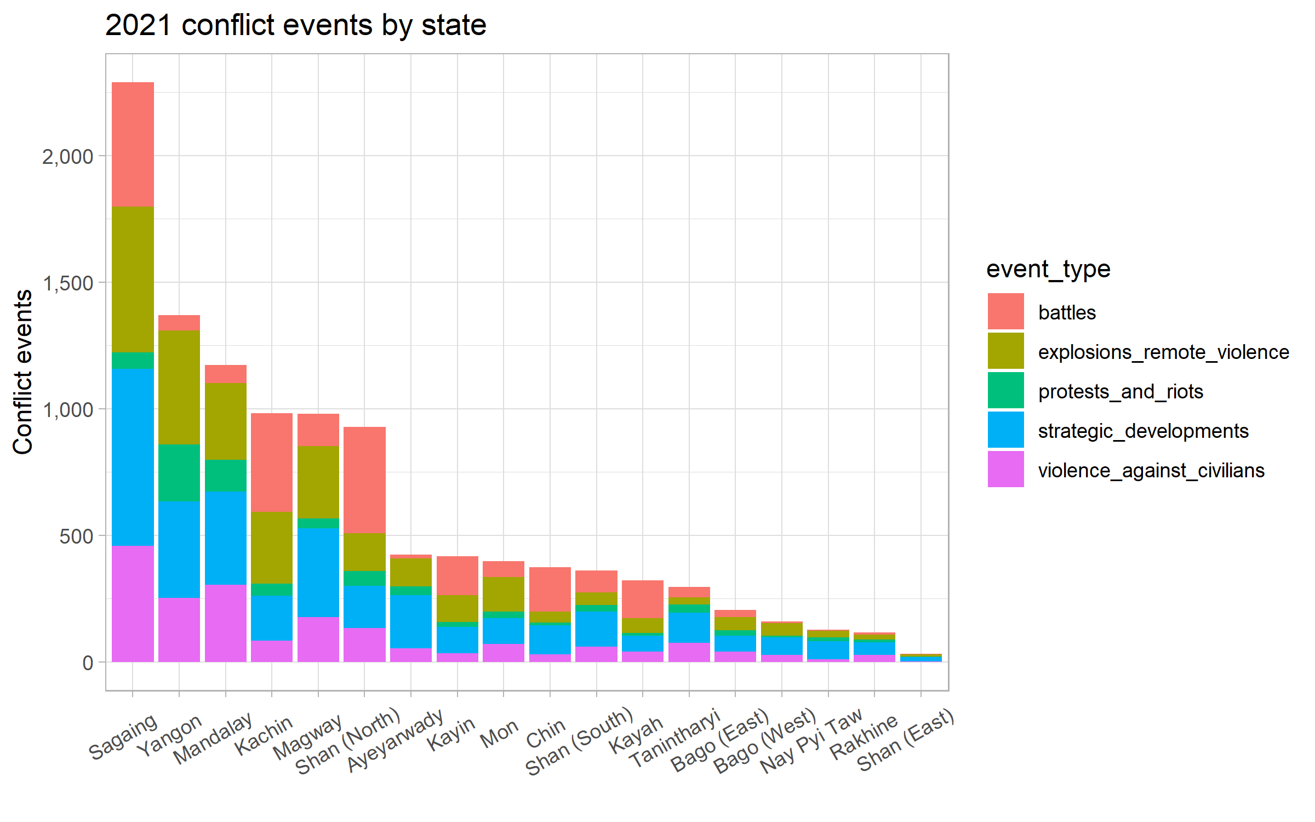

B. | Kayah, Chin and Sagaing had the highest number of conflict fatalities per capita in 2021.

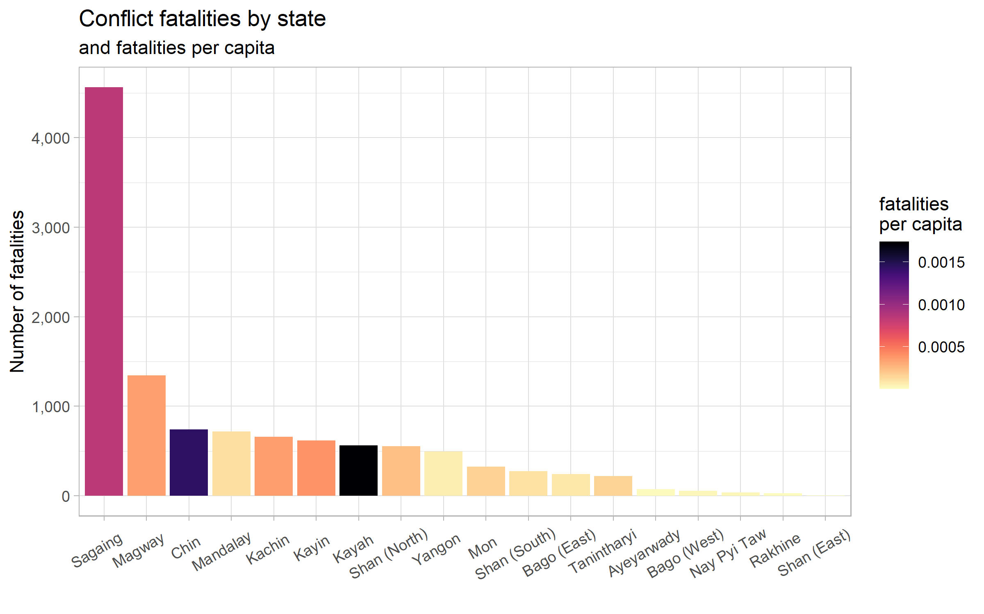

C. | As noted, the distribution of conflict events and fatalities is not even. This is also evident at the township level. The means of both the number of of conflict events and number of fatalities have been marked by dotted red lines, dividing the plot into four quadrants. As we discuss further prioritisation, a requisite for any prioritisation score or index developed to target, first and foremost, the townships in the upper-right quadrant of the plot, which have the heaviest concentrations of conflict events and fatalities.

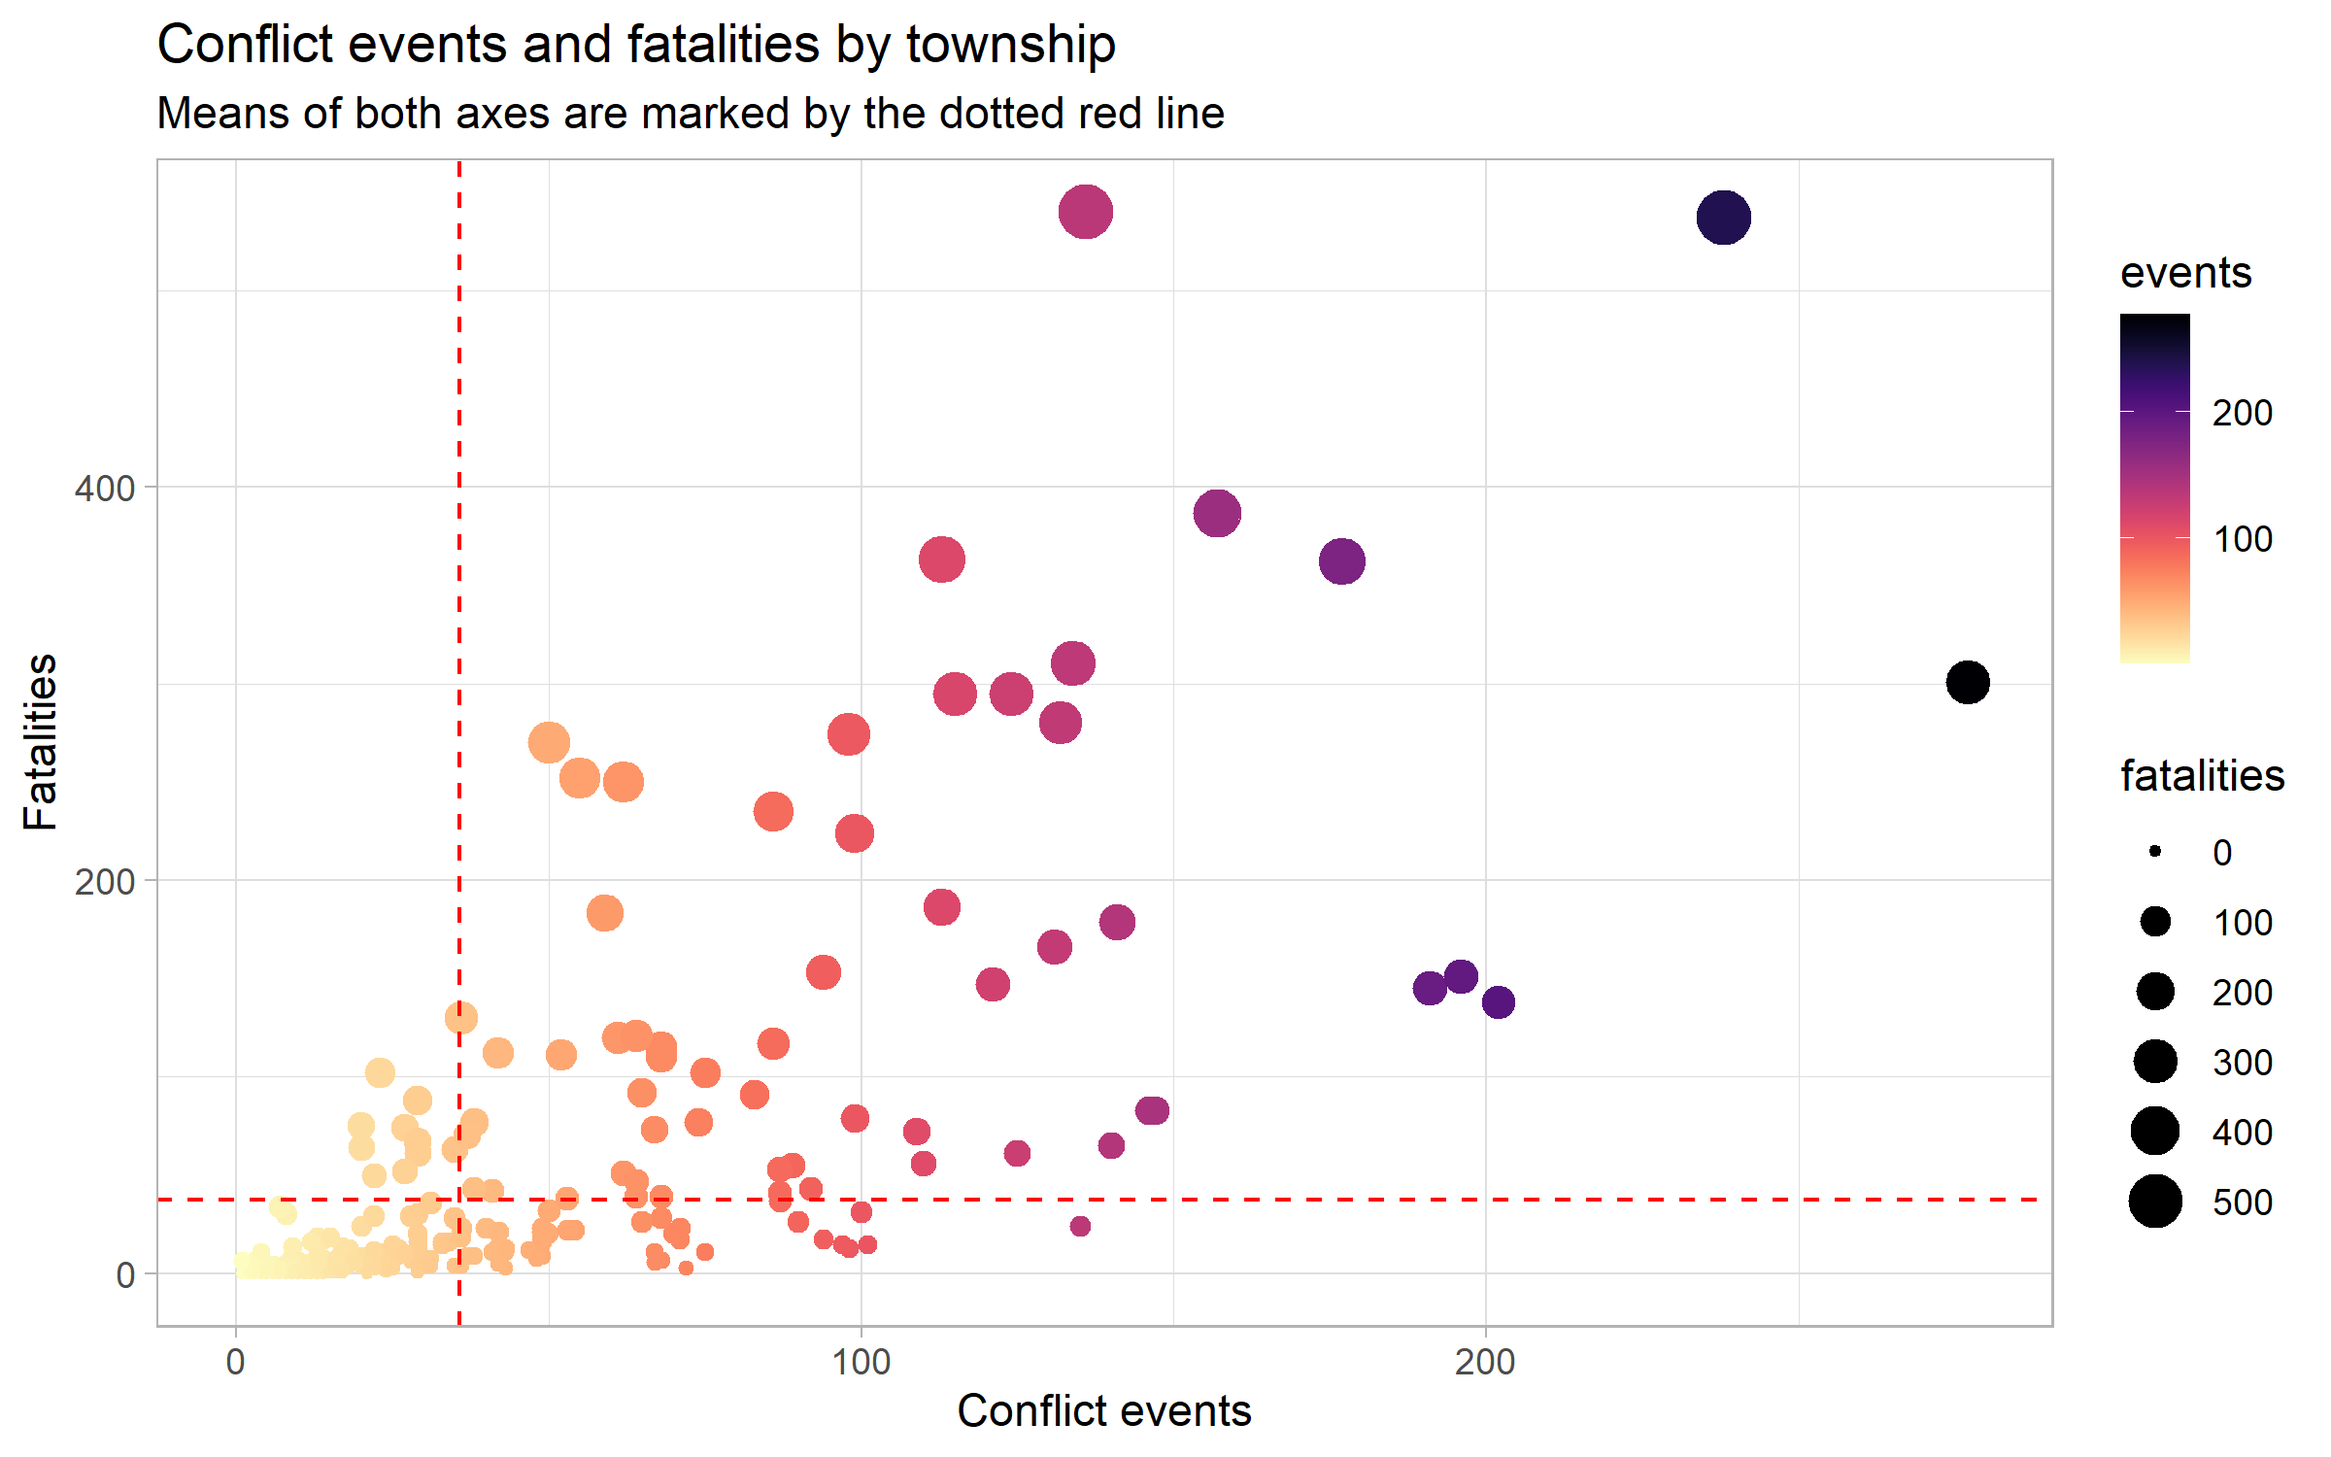

D. | To that end, the MIMU-HARP Vulnerability's conflict score was updated, using 2021 data. At its most basic level, it is an average of the normalised values for battles, explosions and remote violence, violence against civilians, strategic developments, non-peaceful protests and riots and conflict fatalities. However, as different types of townships tend to necessitate differrent programming options -- the types of interventions suited to urban centres might not be relevant for rural areas. To aid in prioritisation, all 330 townships have been separated into 4 groups based on their conflict scores and population density, as a note, higher conflict scores indicate a higher share of conflict. Below is a summary table of each group's characteristics, including the PIN and population targeted within the townships in each group, the average conflict score of each group (higher conflict scores indicate higher incidence of conflict), the average population density and the number of townships:

E. | Groups A1 and A2 have above average conflict scores and 107 townships in these aeas should be prioritised for humanitarian interventions. The mean conflict scores for each group are shown above. Higher scores indicate a higher share of conflict events and fatalities. Groups A1 and A2 may be further distinguished by their population density -- with the population density in group A1 being more than 100 times higher than in group A2. Groups B1 and B2 have much lower incidences of conflict. They can similarly be further distinguished by their differing population densities. Group A1 has the highest number of persons targeted by the FS Cluster per townships and group B2 has the lowest number of persons targeted per township. The scatterplots below graph the relationships between these four groups, though more detail can always be obtained by sorting the population density and conflict score columns on the sheet `prioritisation data`
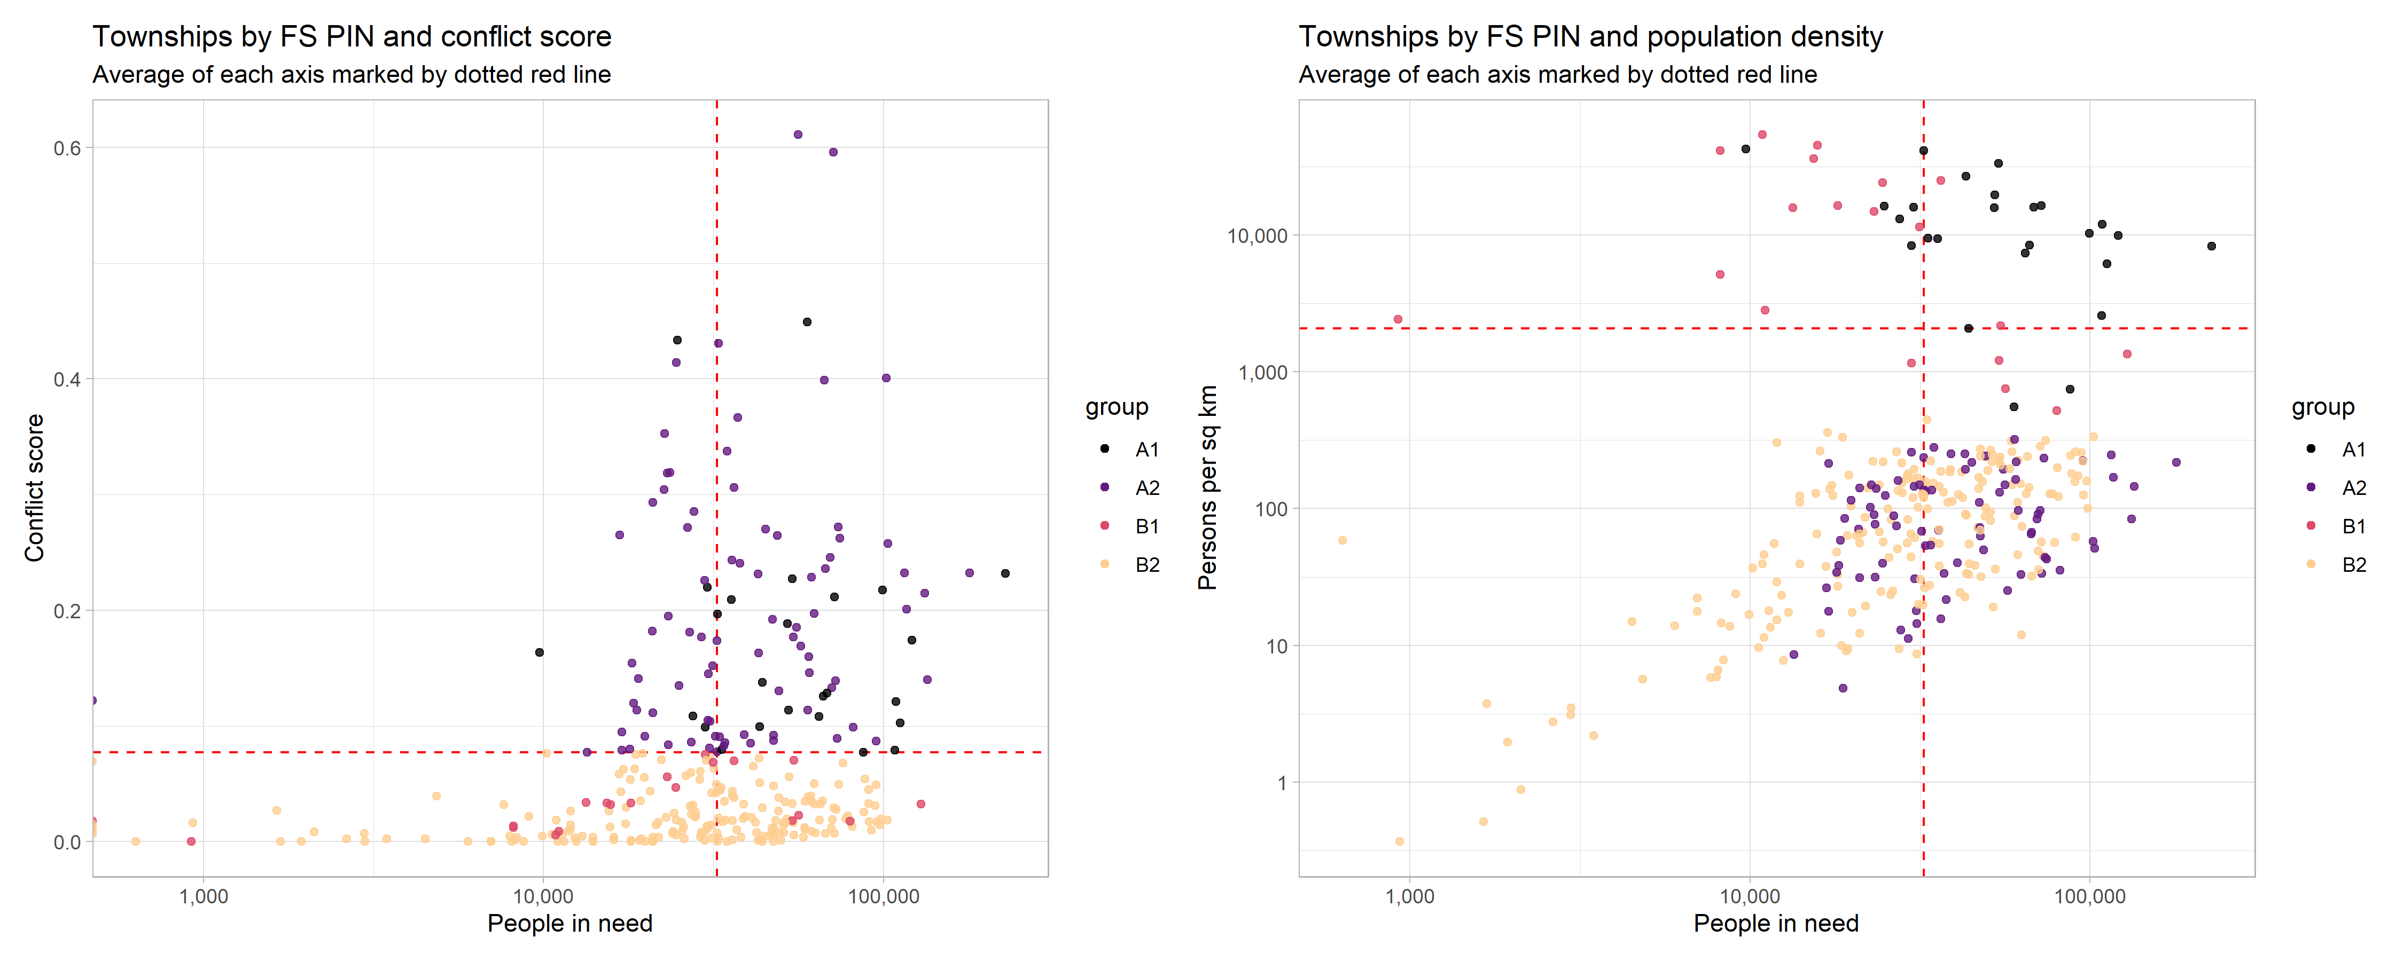

F. | Finally, please find below a map of townships by prioritisation group. More details about specific townships can be found on the sheet `ref_data`. Many of the townships in groups A1 and B1 are quite small and located in urban centres. To reiterate, working in areas with the most conflict entails working in groups A1 and A2.

disasters
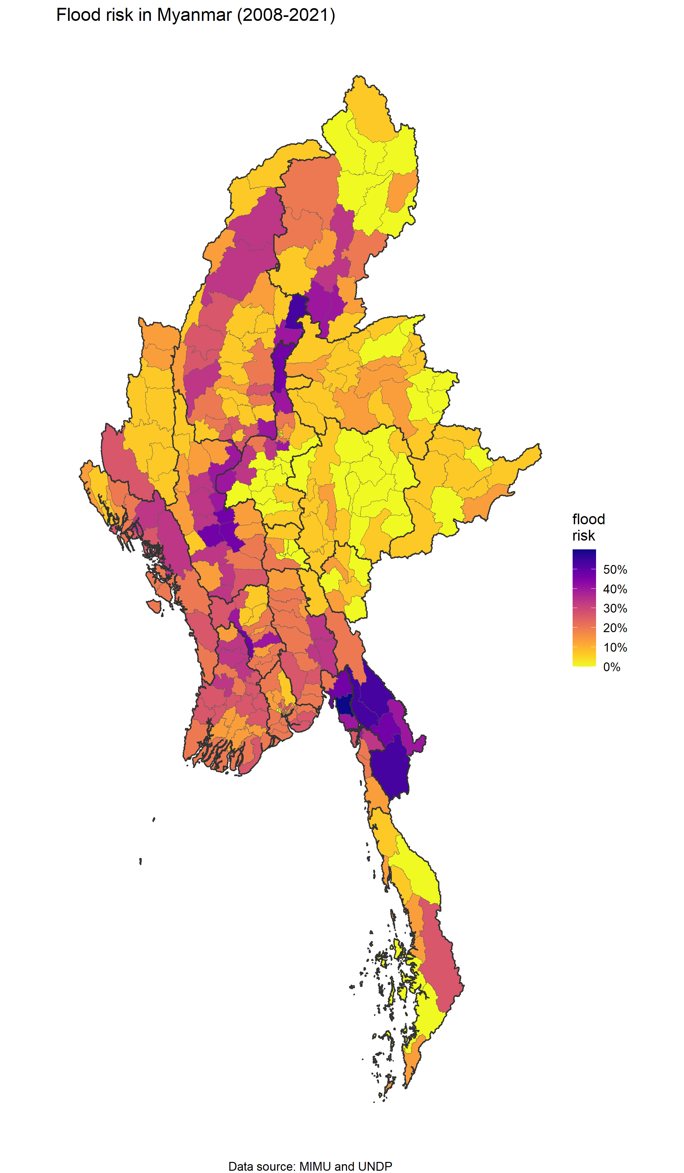
Notes on flood and cyclone risk by township

A. | In light of the impending monsoon season, the probaility that a township will be affected by a major flood or cylconic event has been calculated. Major floods since 2008 have been factored into this calculation. For the moment, conflict and flood and cyclone risk will be evaluated separately, with the flood and cyclone risk existing primarily to aid the prepositioning of stocks. This might change were severe flooding to occur in 2022.
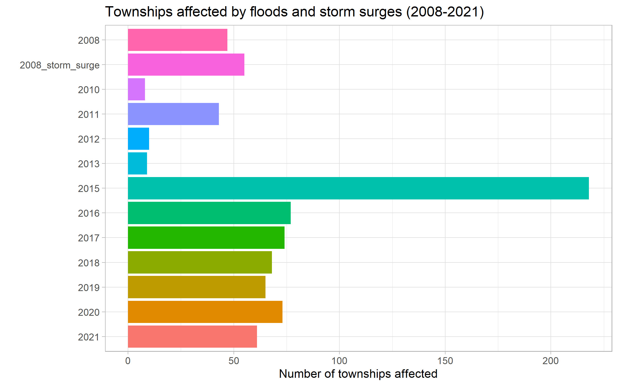

B. | Based on this quite limited sample (data for later years has not been made available -- should anyone have a completed dataset, please share it with us so that we may update the calculations), a probability was calculated for each township on the likelihood of it being affected by floods or cyclones. This is summarised in the map below and is detailed in the column `disaster_prob` in the sheet `prioritisation data`.

