Sheet7
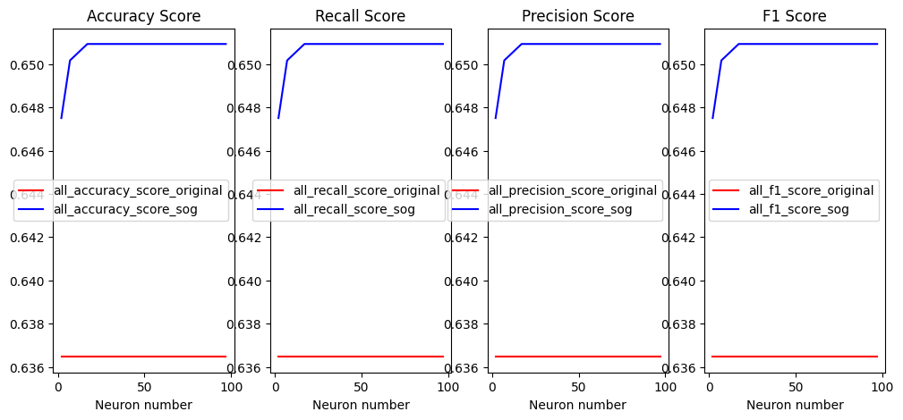
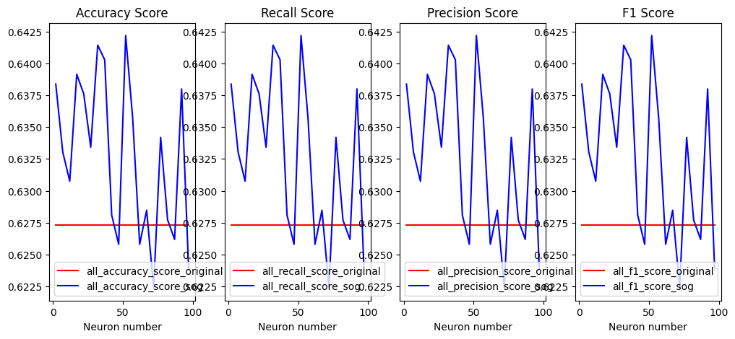
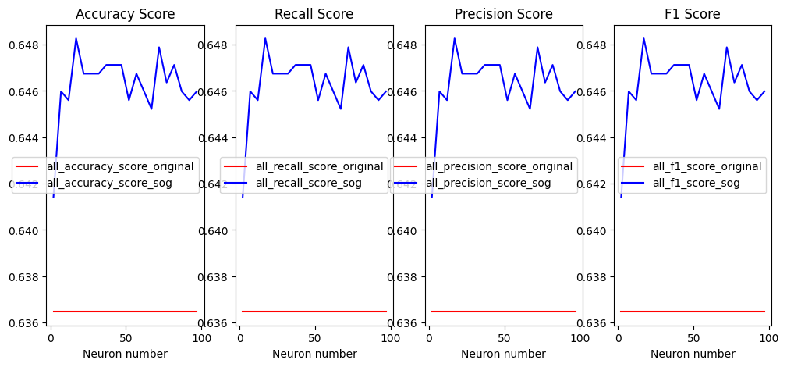
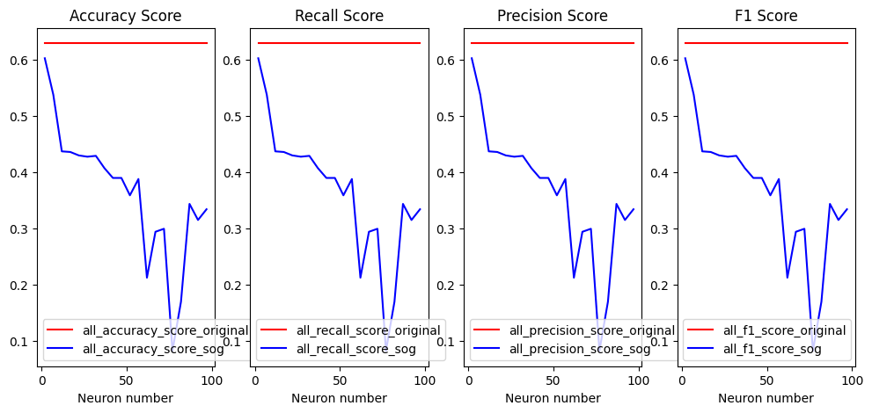
 |  | Linear Discriminant Analysis | avarage = "micro" |  |  |  |  | K-Nearest Neighbors (KNN) | avarage = "micro" |  |  |  |  | SVM | avarage = "micro" |  |  |  |  | Gaussian Naive Bayes | avarage = "micro"
 |  |  | mean_original | mean_SOG | T-test | percentage |  |  | mean_original | mean_SOG | T-test | percentage |  |  | mean_original | mean_SOG | T-test | percentage |  |  | mean_original | mean_SOG | T-test | percentage
 | Customer Segmentation | accuracy_score | 0.6364 | 0.6507 | 0 | 2.25% | Customer Segmentation | accuracy_score | 0.6273 | 0.6326 | 0.0003 | 0.84% | Customer Segmentation | accuracy_score | 0.6364 | 0.6462 | 0 | 1.54% | Customer Segmentation | accuracy_score | 0.6288 | 0.3642 | 1 | -42.08%
 |  | recall_score | 0.6364 | 0.6507 | 0 | 2.25% |  | recall_score | 0.6273 | 0.6326 | 0.0003 | 0.84% |  | recall_score | 0.6364 | 0.6462 | 0 | 1.54% |  | recall_score | 0.6288 | 0.3642 | 1 | -42.08%
 |  | precision_score | 0.6364 | 0.6507 | 0 | 2.25% |  | precision_score | 0.6273 | 0.6326 | 0.0003 | 0.84% |  | precision_score | 0.6364 | 0.6462 | 0 | 1.54% |  | precision_score | 0.6288 | 0.3642 | 1 | -42.08%
 |  | f1_score | 0.6364 | 0.6507 | 0 | 2.25% |  | f1_score | 0.6273 | 0.6326 | 0.0003 | 0.84% |  | f1_score | 0.6364 | 0.6462 | 0 | 1.54% |  | f1_score | 0.6288 | 0.3642 | 1 | -42.08%
Cardiovascular Diseases Risk Prediction Dataset

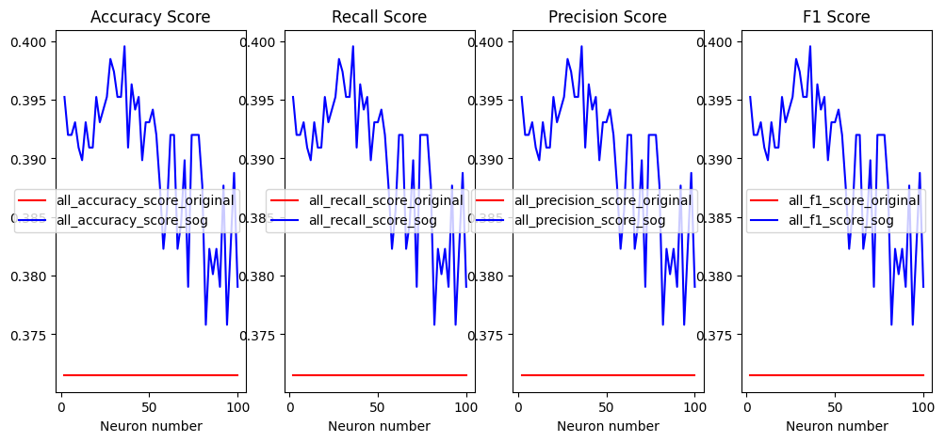
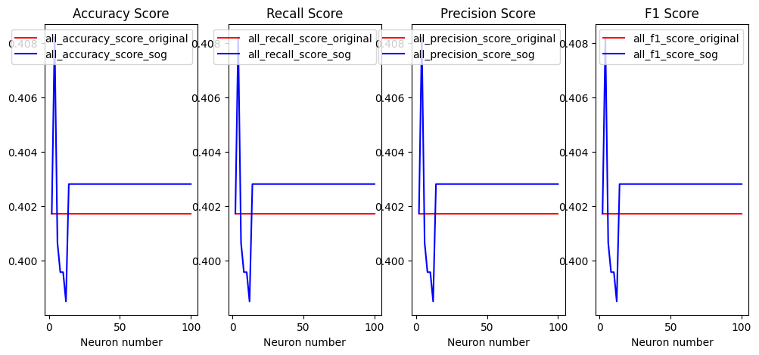
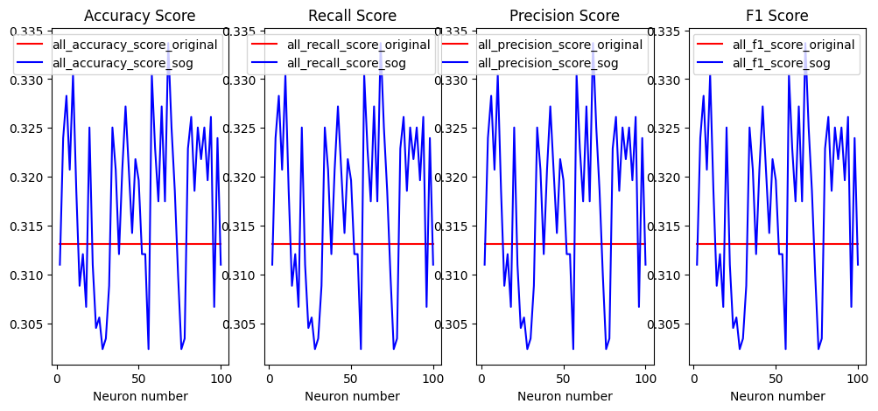
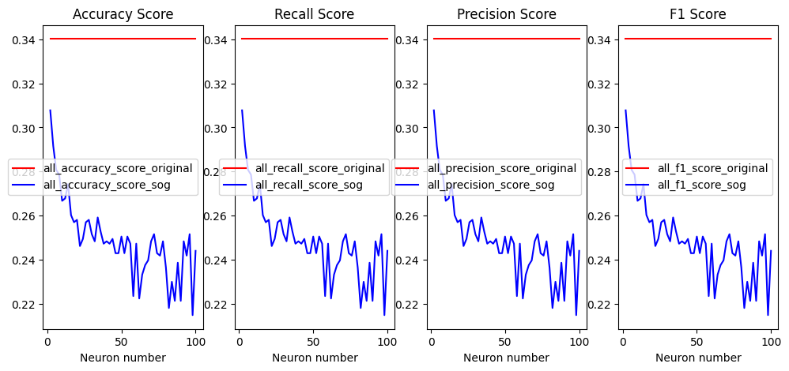
Customer Segmentation |  |  |  |  |  |  |  |  |  |  |  |  |  |  |  |  |  |  |  |  | mean_original | mean_SOG | T-test | percentage
 |  |  |  |  |  |  |  |  | mean_original | mean_SOG | T-test | percentage |  |  | mean_original | mean_SOG | T-test | percentage | Cardiovascular Diseases Risk Prediction Dataset | accuracy_score | 0.3401 | 0.2487 | 1 | -26.87%
 |  |  |  |  |  |  | Cardiovascular Diseases Risk Prediction Dataset | accuracy_score | 0.3131 | 0.3173 | 0.0005 | 1.34% | Cardiovascular Diseases Risk Prediction Dataset | accuracy_score | 0.3714 | 0.3896 | 0.0005 | 4.90% |  | recall_score | 0.3401 | 0.2487 | 1 | -26.87%
 |  |  | mean_original | mean_SOG | T-test | percentage |  | recall_score | 0.3131 | 0.3173 | 0.0005 | 1.34% |  | recall_score | 0.3714 | 0.3896 | 0.0005 | 4.90% |  | precision_score | 0.3401 | 0.2487 | 1 | -26.87%
Airline Passenger Satisfaction | Cardiovascular Diseases Risk Prediction Dataset | accuracy_score | 0.4017 | 0.4026 | 0 | 0.22% |  | precision_score | 0.3131 | 0.3173 | 0.0005 | 1.34% |  | precision_score | 0.3714 | 0.3896 | 0.0005 | 4.90% |  | f1_score | 0.3401 | 0.2487 | 1 | -26.87%
 |  | recall_score | 0.4017 | 0.4026 | 0 | 0.22% |  | f1_score | 0.3131 | 0.3173 | 0.0005 | 1.34% |  | f1_score | 0.3714 | 0.3896 | 0.0005 | 4.90%
 |  | precision_score | 0.4017 | 0.4026 | 0 | 0.22%
 |  | f1_score | 0.4017 | 0.4026 | 0 | 0.22%
Austisum Screening data for toddlers
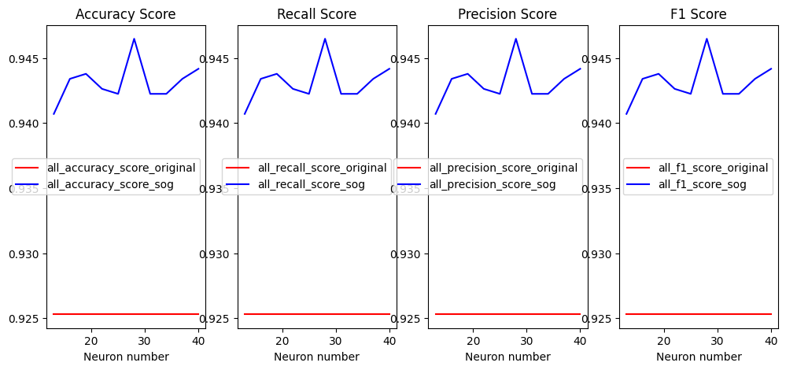
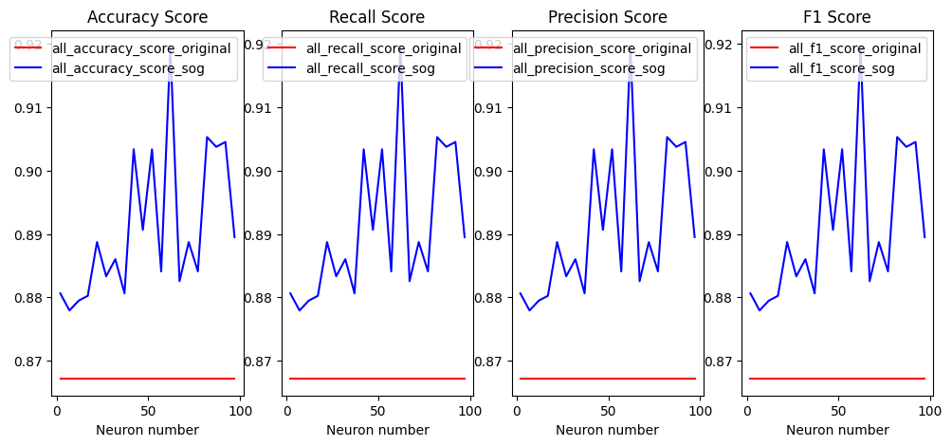
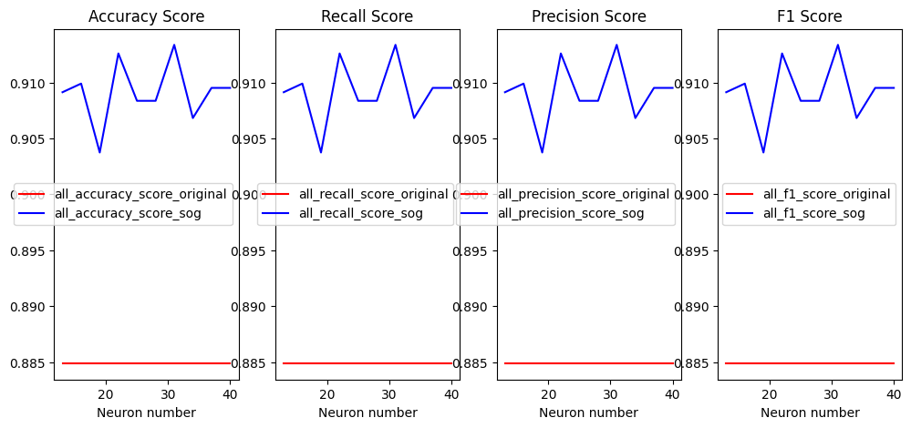
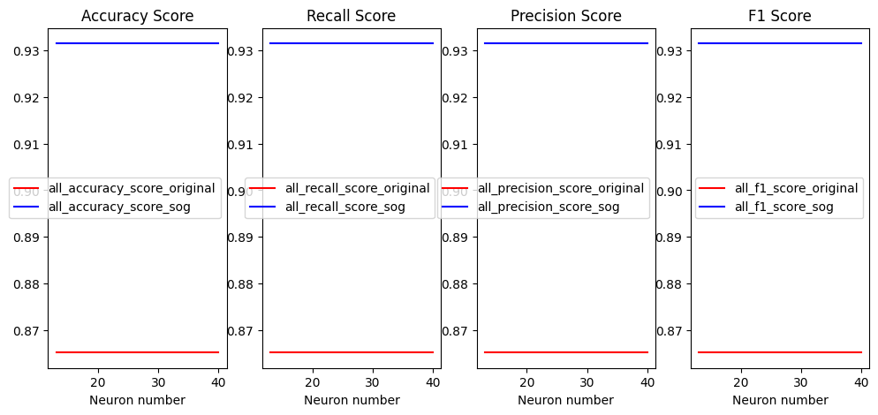
 |  |  |  |  |  |  |  |  | mean_original | mean_SOG | T-test | percentage
 |  |  |  |  |  |  | Airline Passenger Satisfaction | accuracy_score | 0.8848 | 0.9091 | 0 | 2.75% |  |  | mean_original | mean_SOG | T-test | percentage |  |  | mean_original | mean_SOG | T-test | percentage
Hotel Reservations Dataset |  |  |  |  |  |  |  | recall_score | 0.8848 | 0.9091 | 0 | 2.75% | Airline Passenger Satisfaction | accuracy_score | 0.9252 | 0.9431 | 0 | 1.93% | Airline Passenger Satisfaction | accuracy_score | 0.8671 | 0.8908 | 0 | 2.73%
 |  |  | mean_original | mean_SOG | T-test | percentage |  | precision_score | 0.8848 | 0.9091 | 0 | 2.75% |  | recall_score | 0.9252 | 0.9431 | 0 | 1.93% |  | recall_score | 0.8671 | 0.8908 | 0 | 2.73%
 | Airline Passenger Satisfaction | accuracy_score | 0.8652 | 0.9314 | 0 | 7.65% |  | f1_score | 0.8848 | 0.9091 | 0 | 2.75% |  | precision_score | 0.9252 | 0.9431 | 0 | 1.93% |  | precision_score | 0.8671 | 0.8908 | 0 | 2.73%
 |  | recall_score | 0.8652 | 0.9314 | 0 | 7.65% |  |  |  |  |  |  |  | f1_score | 0.9252 | 0.9431 | 0 | 1.93% |  | f1_score | 0.8671 | 0.8908 | 0 | 2.73%
 |  | precision_score | 0.8652 | 0.9314 | 0 | 7.65%
 |  | f1_score | 0.8652 | 0.9314 | 0 | 7.65%
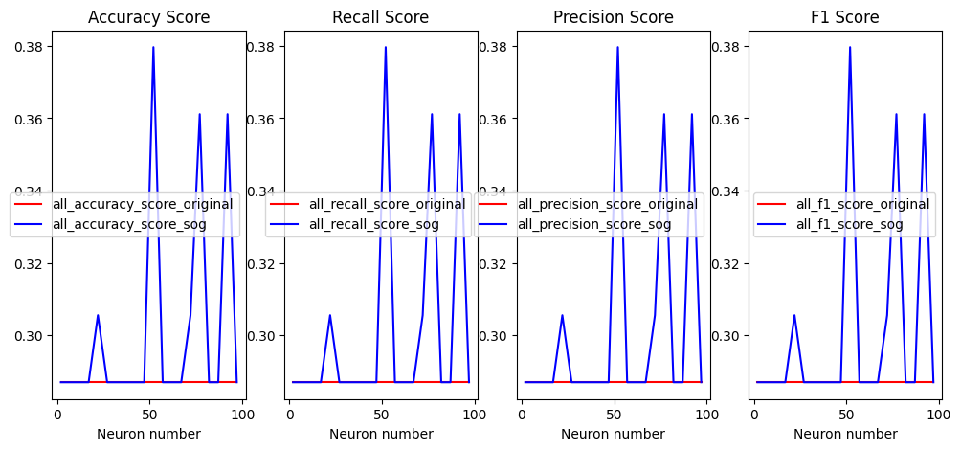
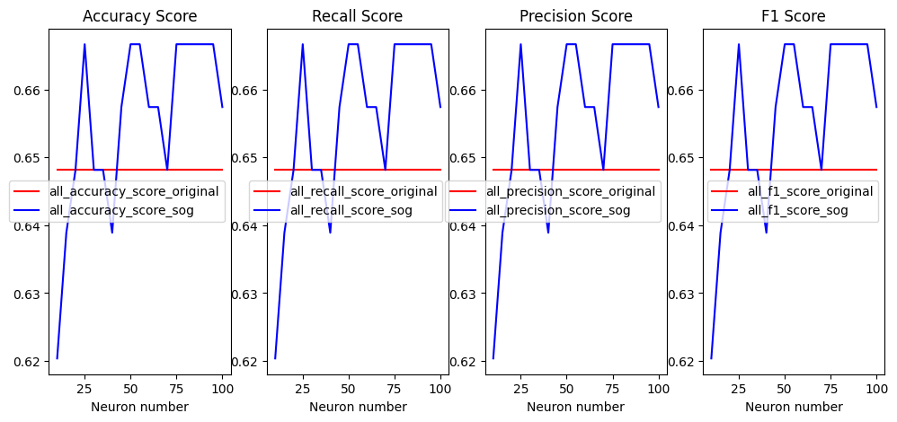
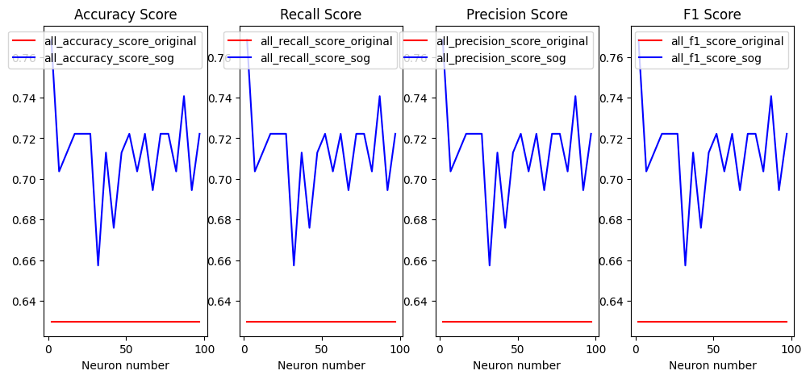
 |  |  |  |  |  |  |  |  |  |  |  |  |  |  |  |  |  |  |  |  | mean_original | mean_SOG | T-test | percentage
 |  |  |  |  |  |  |  |  |  |  |  |  |  |  |  |  |  |  | Hotel Reservations Dataset | accuracy_score | 0.287 | 0.3009 | 0.0094 | 4.84%
 |  |  |  |  |  |  |  |  |  |  |  |  |  |  | mean_original | mean_SOG | T-test | percentage |  | recall_score | 0.287 | 0.3009 | 0.0094 | 4.84%
 |  |  |  |  |  |  |  |  |  |  |  |  | Hotel Reservations Dataset | accuracy_score | 0.6481 | 0.6554 | 0.0094 | 1.13% |  | precision_score | 0.287 | 0.3009 | 0.0094 | 4.84%
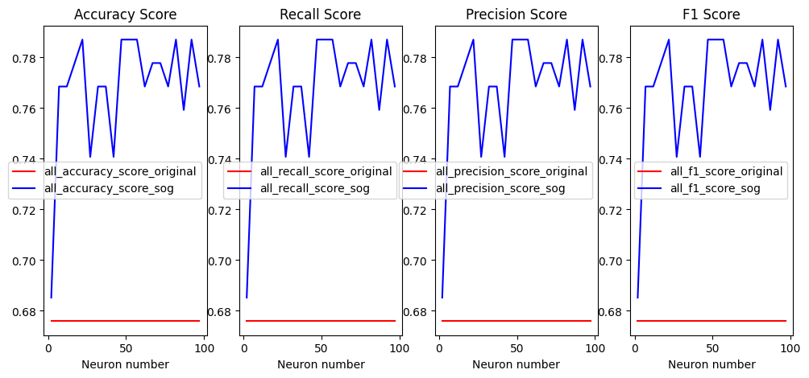
 |  |  |  |  |  |  |  |  | mean_original | mean_SOG | T-test | percentage |  | recall_score | 0.6481 | 0.6554 | 0.0094 | 1.13% |  | f1_score | 0.287 | 0.3009 | 0.0094 | 4.84%
 |  |  | mean_original | mean_SOG | T-test | percentage | Hotel Reservations Dataset | accuracy_score | 0.6296 | 0.7129 | 0 | 13.23% |  | precision_score | 0.6481 | 0.6554 | 0.0094 | 1.13%
 | Hotel Reservations Dataset | accuracy_score | 0.6759 | 0.76805 | 0 | 13.63% |  | recall_score | 0.6296 | 0.7129 | 0 | 13.23% |  | f1_score | 0.6481 | 0.6554 | 0.0094 | 1.13%
 |  | recall_score | 0.6759 | 0.76805 | 0 | 13.63% |  | precision_score | 0.6296 | 0.7129 | 0 | 13.23%
 |  | precision_score | 0.6759 | 0.76805 | 0 | 13.63% |  | f1_score | 0.6296 | 0.7129 | 0 | 13.23%
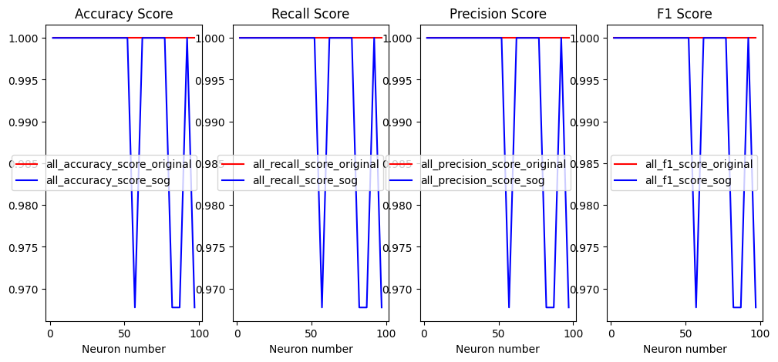
 |  | f1_score | 0.6759 | 0.76805 | 0 | 13.63%
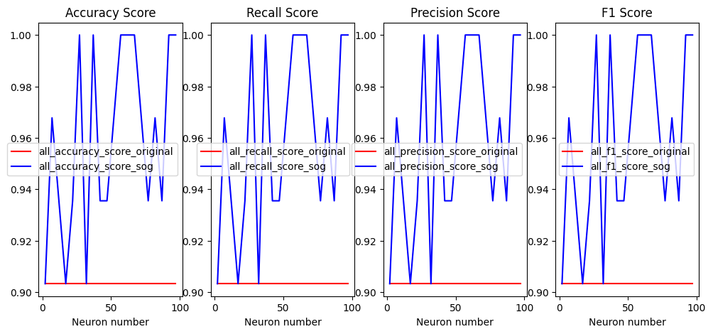
 |  |  |  |  |  |  |  |  |  |  |  |  |  |  |  |  |  |  |  |  | mean_original | mean_SOG | T-test | percentage
 |  |  |  |  |  |  |  |  |  |  |  |  |  |  |  |  |  |  | Austisum Screening data for toddlers | accuracy_score | 0.9032 | 0.9596 | 0.9822 | 6.24%
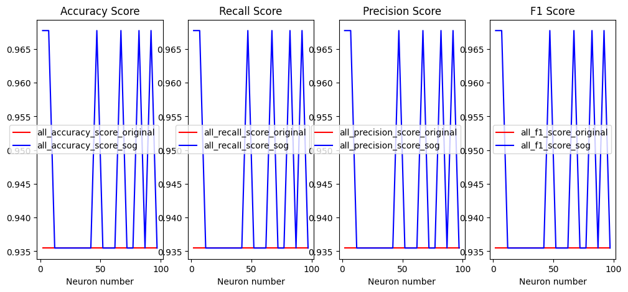
 |  |  |  |  |  |  |  |  |  |  |  |  |  |  | mean_original | mean_SOG | T-test | percentage |  | recall_score | 0.9032 | 0.9596 | 0.9822 | 6.24%
 |  |  |  |  |  |  |  |  |  |  |  |  | Austisum Screening data for toddlers | accuracy_score | 1 | 0.9935 | 0.9822 | -0.65% |  | precision_score | 0.9032 | 0.9596 | 0.9822 | 6.24%
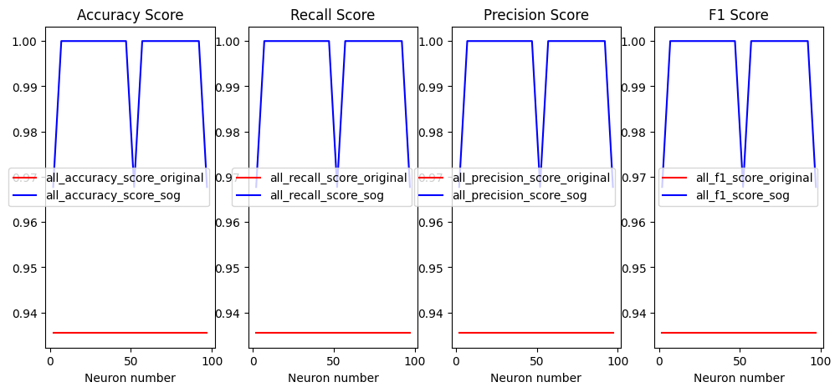
 |  |  |  |  |  |  |  |  | mean_original | mean_SOG | T-test | percentage |  | recall_score | 1 | 0.9935 | 0.9822 | -0.65% |  | f1_score | 0.9032 | 0.9596 | 0.9822 | 6.24%
 |  |  | mean_original | mean_SOG | T-test | percentage | Austisum Screening data for toddlers | accuracy_score | 0.9354 | 0.9451 | 0 | 1.04% |  | precision_score | 1 | 0.9935 | 0.9822 | -0.65%
 | Austisum Screening data for toddlers | accuracy_score | 0.9354 | 0.9951 | 0 | 6.38% |  | recall_score | 0.9354 | 0.9451 | 0 | 1.04% |  | f1_score | 1 | 0.9935 | 0.9822 | -0.65%
 |  | recall_score | 0.9354 | 0.9951 | 0 | 6.38% |  | precision_score | 0.9354 | 0.9451 | 0 | 1.04%
 |  | precision_score | 0.9354 | 0.9951 | 0 | 6.38% |  | f1_score | 0.9354 | 0.9451 | 0 | 1.04%
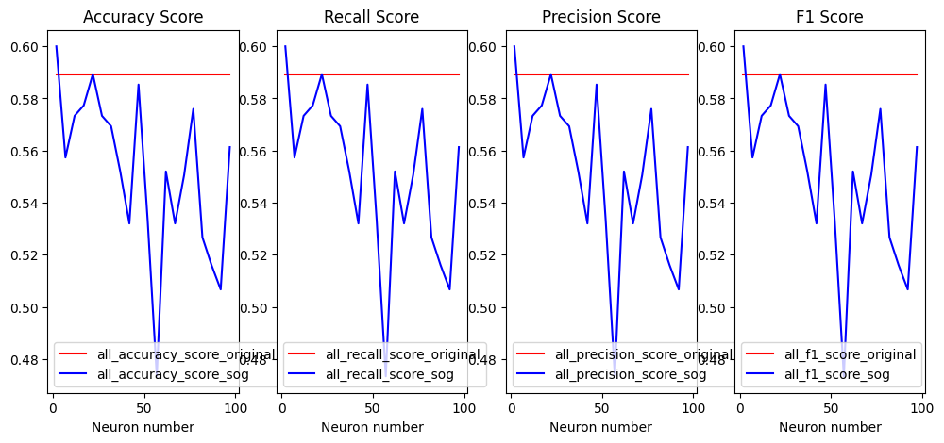
 |  | f1_score | 0.9354 | 0.9951 | 0 | 6.38%
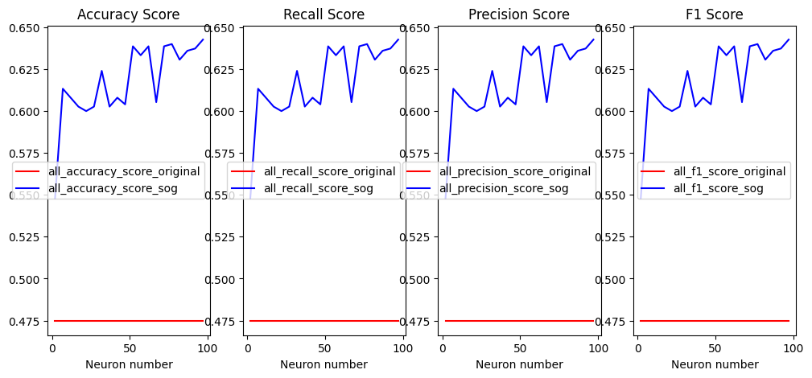
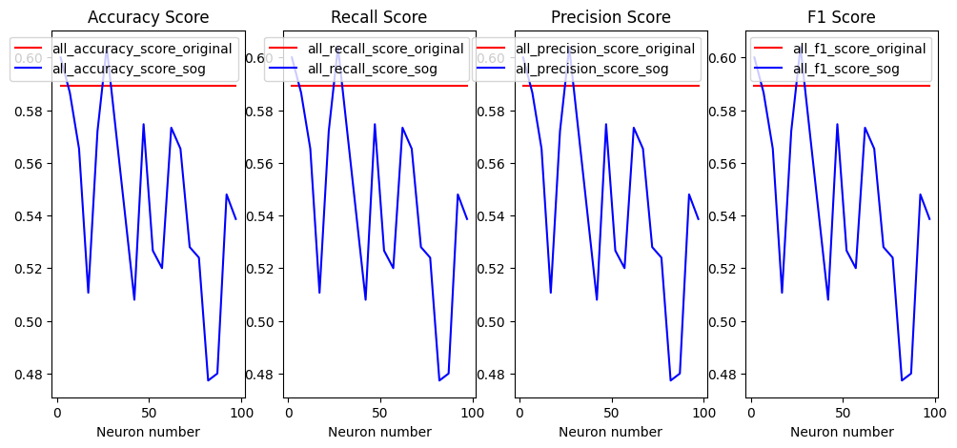
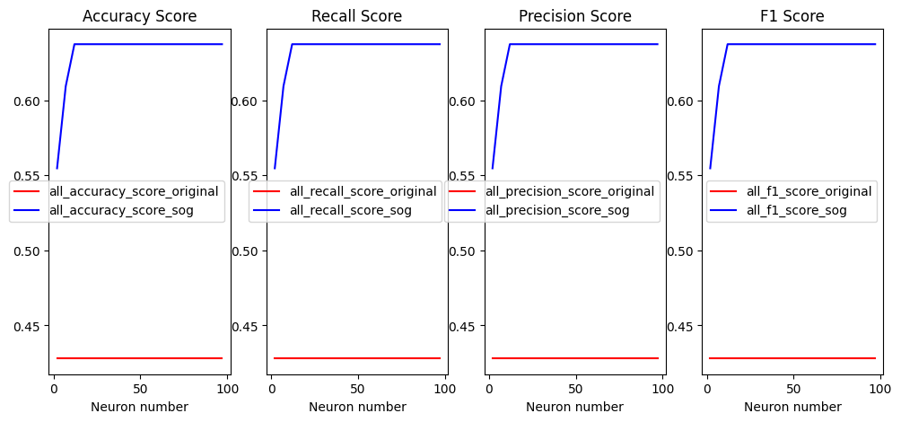
 |  |  |  |  |  |  |  |  |  |  |  |  |  |  |  |  |  |  |  |  | mean_original | mean_SOG | T-test | percentage
 |  |  |  |  |  |  |  |  |  |  |  |  |  |  |  |  |  |  | Netflix userbase Dataset | accuracy_score | 0.5893 | 0.5518 | 1 | -6.36%
 |  |  |  |  |  |  |  |  |  |  |  |  |  |  | mean_original | mean_SOG | T-test | percentage |  | recall_score | 0.5893 | 0.5518 | 1 | -6.36%
 |  |  | mean_original | mean_SOG | T-test | percentage |  |  | mean_original | mean_SOG | T-test | percentage | Netflix userbase Dataset | accuracy_score | 0.4746 | 0.6177 | 0 | 30.15% |  | precision_score | 0.5893 | 0.5518 | 1 | -6.36%
 | Netflix userbase Dataset | accuracy_score | 0.428 | 0.6318 | 0 | 47.62% | Netflix userbase Dataset | accuracy_score | 0.5893 | 0.5457 | 0 | -7.40% |  | recall_score | 0.4746 | 0.6177 | 0 | 30.15% |  | f1_score | 0.5893 | 0.5518 | 1 | -6.36%
 |  | recall_score | 0.428 | 0.6318 | 0 | 47.62% |  | recall_score | 0.5893 | 0.5457 | 0 | -7.40% |  | precision_score | 0.4746 | 0.6177 | 0 | 30.15%
 |  | precision_score | 0.428 | 0.6318 | 0 | 47.62% |  | precision_score | 0.5893 | 0.5457 | 0 | -7.40% |  | f1_score | 0.4746 | 0.6177 | 0 | 30.15%
 |  | f1_score | 0.428 | 0.6318 | 0 | 47.62% |  | f1_score | 0.5893 | 0.5457 | 0 | -7.40%

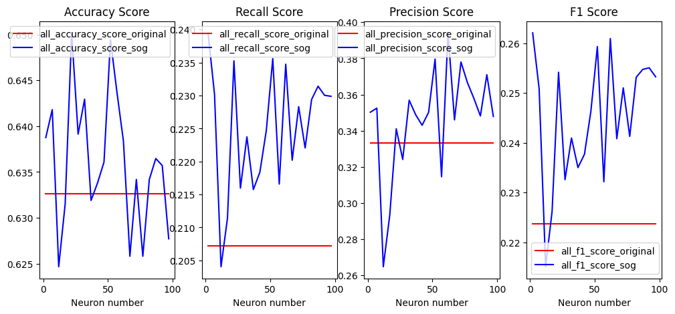
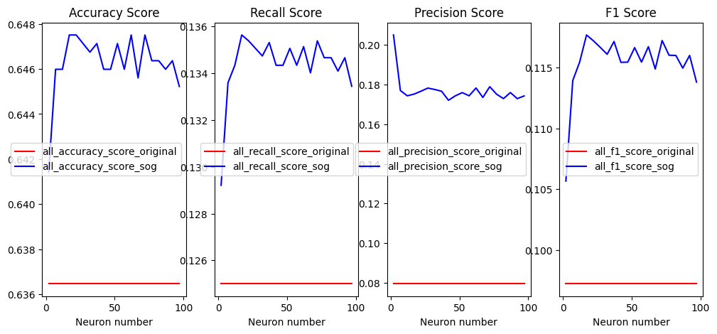
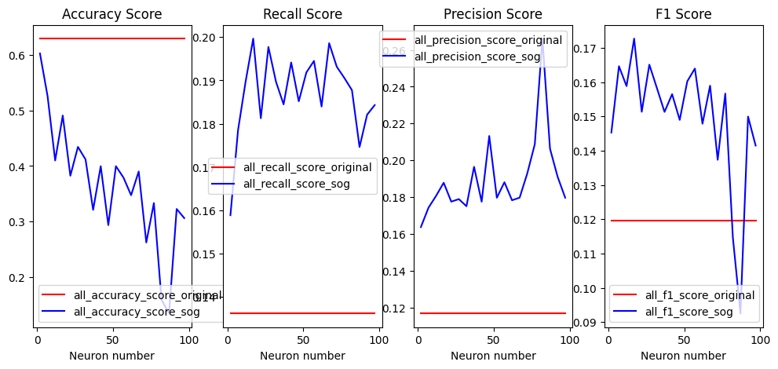
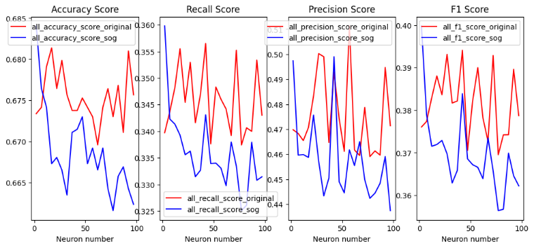
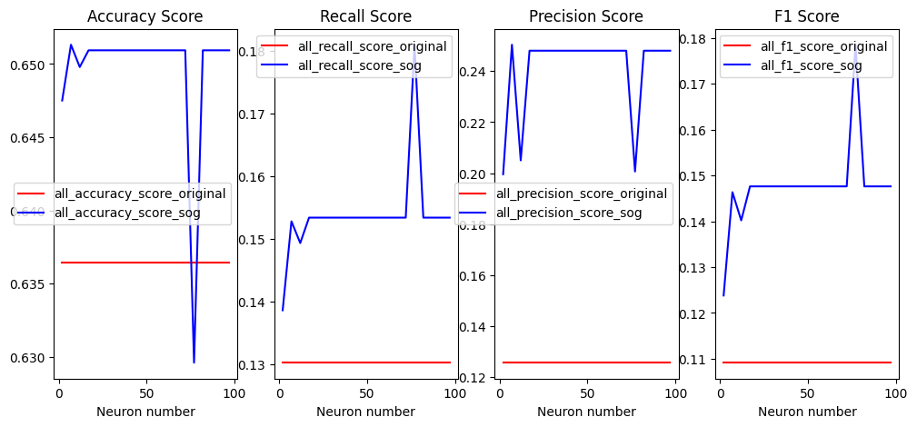
 |  |  |  |  |  |  |  | K-Nearest Neighbors (KNN) | avarage = "macro" |  |  |  |  | SVM | avarage = "macro" |  |  |  |  |  |  |  |  |  |  | Decision Tree | avarage = "macro"
 |  |  |  |  |  |  |  |  | mean_original | mean_SOG | T-test | percentage |  |  | mean_original | mean_SOG | T-test | percentage |  | Gaussian Naive Bayes | avarage = "macro" |  |  |  |  |  | mean_original | mean_SOG | T-test | percentage
 |  |  |  |  |  |  | Customer Segmentation | accuracy_score | 0.6326 | 0.6361 | 0.02 | 0.55% | Customer Segmentation | accuracy_score | 0.6364 | 0.6462 | 0 | 1.54% |  |  | mean_original | mean_SOG | T-test | percentage | Customer Segmentation | accuracy_score | 0.6753 | 0.6686 | 1 | -0.99%
 |  | Linear Discriminant Analysis | avarage = "macro" |  |  |  |  | recall_score | 0.2072 | 0.2248 | 0 | 8.49% |  | recall_score | 0.125 | 0.1343 | 0 | 7.44% | Customer Segmentation | accuracy_score | 0.6288 | 0.3654 | 1 | -41.89% |  | recall_score | 0.3457 | 0.3357 | 1 | -2.89%
 |  |  | mean_original | mean_SOG | T-test | percentage |  | precision_score | 0.3332 | 0.3464 | 0 | 3.96% |  | precision_score | 0.0795 | 0.1769 | 0 | 122.52% |  | recall_score | 0.1362 | 0.187 | 0 | 37.30% |  | precision_score | 0.4753 | 0.4579 | 1 | -3.66%
 | Customer Segmentation | accuracy_score | 0.6364 | 0.6496 | 0 | 2.07% |  | f1_score | 0.2237 | 0.2451 | 0 | 9.57% |  | f1_score | 0.0972 | 0.1154 | 0 | 18.72% |  | precision_score | 0.1169 | 0.1898 | 0 | 62.36% |  | f1_score | 0.3815 | 0.3696 | 0.9999 | -3.12%
 |  | recall_score | 0.1302 | 0.1537 | 0 | 18.05% |  |  |  |  |  |  |  |  |  |  |  |  |  | f1_score | 0.1196 | 0.1498 | 0 | 25.25%
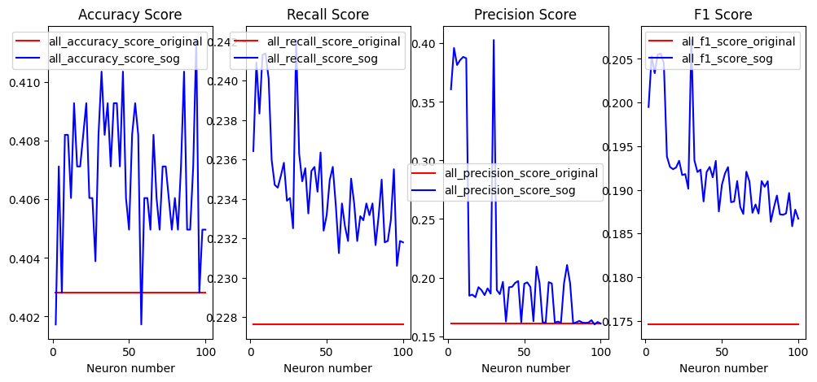
 |  | precision_score | 0.1255 | 0.2412 | 0 | 92.19%
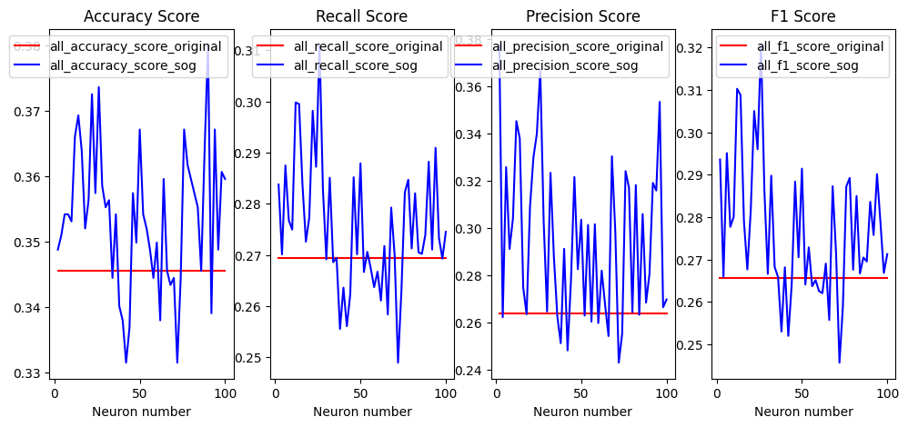
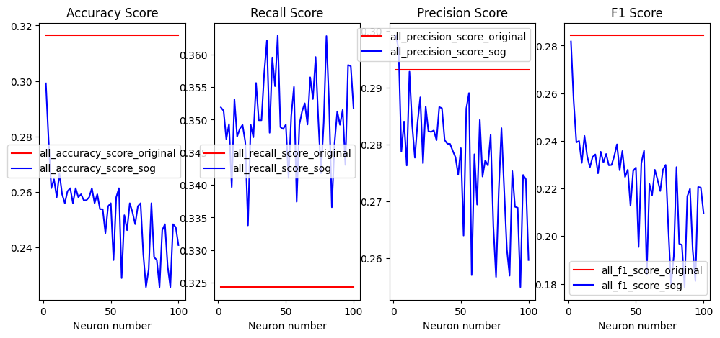
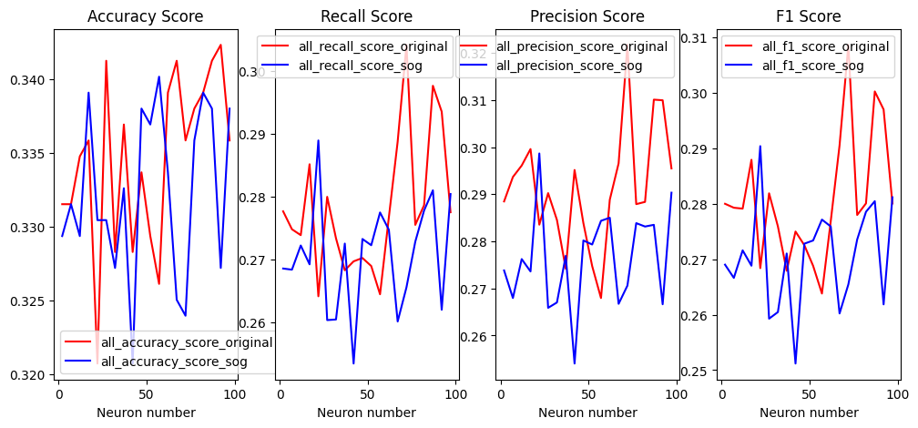
 |  | f1_score | 0.1091 | 0.1475 | 0 | 35.20%

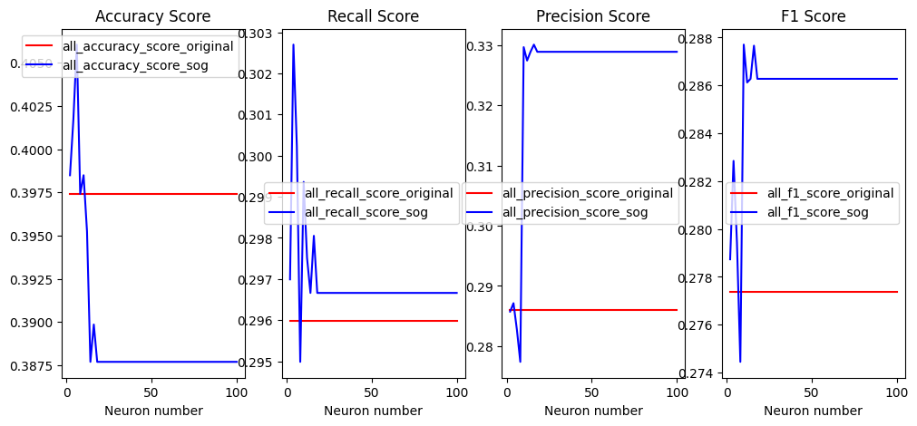
 |  |  |  |  |  |  |  |  |  |  |  |  |  |  |  |  |  |  |  |  |  |  |  |  |  |  | mean_original | mean_SOG | T-test | percentage
 |  |  |  |  |  |  |  |  | mean_original | mean_SOG | T-test | percentage |  |  | mean_original | mean_SOG | T-test | percentage |  |  | mean_original | mean_SOG | T-test | percentage | Cardiovascular Diseases Risk Prediction Dataset | accuracy_score | 0.3345 | 0.3323 | 0.8837 | -0.66%
 |  |  |  |  |  |  | Cardiovascular Diseases Risk Prediction Dataset | accuracy_score | 0.3455 | 0.3537 | 0 | 2.37% | Cardiovascular Diseases Risk Prediction Dataset | accuracy_score | 0.4028 | 0.4068 | 0 | 0.99% | Cardiovascular Diseases Risk Prediction Dataset | accuracy_score | 0.3164 | 0.252 | 1 | -20.35% |  | recall_score | 0.2781 | 0.2705 | 0.9906 | -2.73%
 |  |  |  |  |  |  |  | recall_score | 0.2694 | 0.2753 | 0.0005 | 2.19% |  | recall_score | 0.2276 | 0.2346 | 0 | 3.08% |  | recall_score | 0.3243 | 0.3503 | 0 | 8.02% |  | precision_score | 0.2915 | 0.2763 | 0.9999 | -5.21%
 |  |  |  |  |  |  |  | precision_score | 0.2636 | 0.2944 | 0 | 11.68% |  | precision_score | 0.1605 | 0.2087 | 0 | 30.03% |  | precision_score | 0.2932 | 0.2772 | 1 | -5.46% |  | f1_score | 0.2806 | 0.2704 | 0.9982 | -3.64%
 |  |  |  |  |  |  |  | f1_score | 0.2656 | 0.2765 | 0 | 4.10% |  | f1_score | 0.1745 | 0.192 | 0 | 10.03% |  | f1_score | 0.2843 | 0.2223 | 1 | -21.81%
 |  |  | mean_original | mean_SOG | T-test | percentage
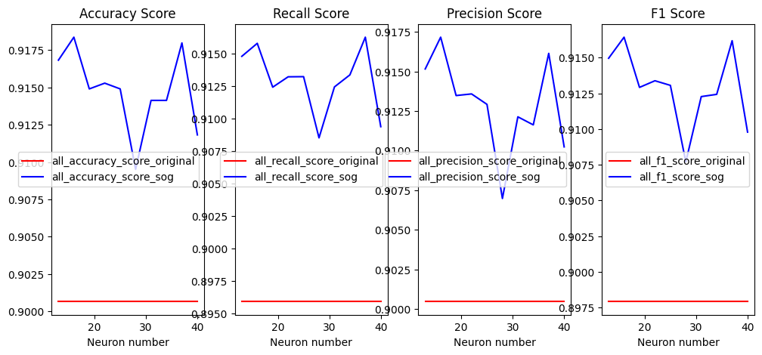
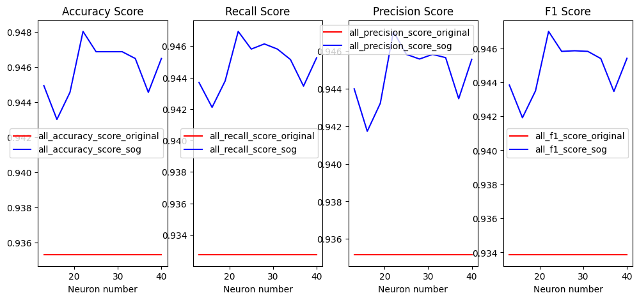
 | Cardiovascular Diseases Risk Prediction Dataset | accuracy_score | 0.3974 | 0.3891 | 1 | -2.09%
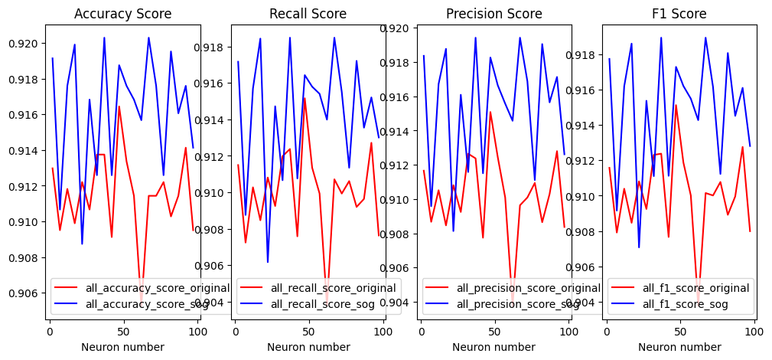
 |  | recall_score | 0.2959 | 0.2969 | 0 | 0.34%
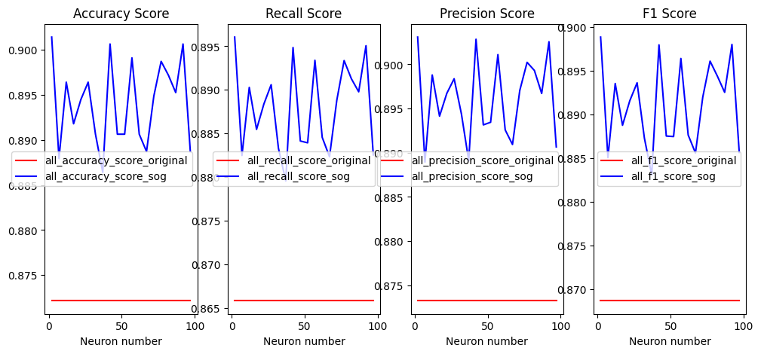
 |  | precision_score | 0.286 | 0.3252 | 0 | 13.71%
 |  | f1_score | 0.2773 | 0.2857 | 0 | 3.03% |  |  | mean_original | mean_SOG | T-test | percentage
 |  |  |  |  |  |  | Airline Passenger Satisfaction | accuracy_score | 0.9006 | 0.9147 | 0 | 1.57% |  |  | mean_original | mean_SOG | T-test | percentage |  |  |  |  |  |  |  |  | mean_original | mean_SOG | T-test | percentage
 |  |  |  |  |  |  |  | recall_score | 0.8959 | 0.9129 | 0 | 1.90% | Airline Passenger Satisfaction | accuracy_score | 0.9353 | 0.9458 | 0 | 1.12% |  |  | mean_original | mean_SOG | T-test | percentage | Airline Passenger Satisfaction | accuracy_score | 0.9115 | 0.9162 | 0 | 0.52%
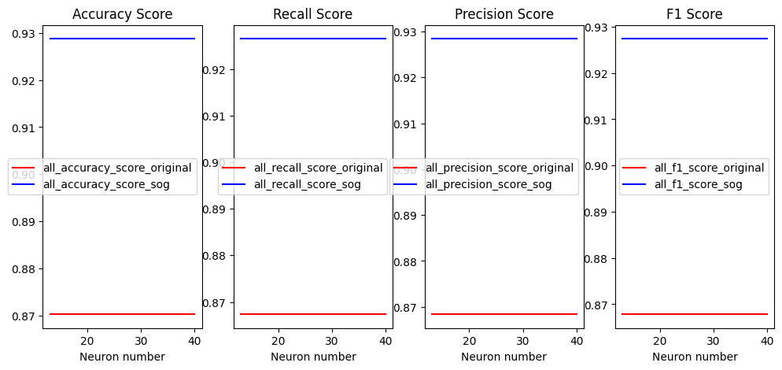
 |  |  |  |  |  |  |  | precision_score | 0.9004 | 0.9129 | 0 | 1.39% |  | recall_score | 0.9327 | 0.9448 | 0 | 1.30% | Airline Passenger Satisfaction | accuracy_score | 0.8721 | 0.894 | 0 | 2.51% |  | recall_score | 0.91 | 0.9143 | 0 | 0.47%
 |  |  |  |  |  |  |  | f1_score | 0.8979 | 0.9129 | 0 | 1.67% |  | precision_score | 0.9351 | 0.9447 | 0 | 1.03% |  | recall_score | 0.8658 | 0.888 | 0 | 2.56% |  | precision_score | 0.9102 | 0.9153 | 0 | 0.56%
 |  |  |  |  |  |  |  |  |  |  |  |  |  | f1_score | 0.9338 | 0.9447 | 0 | 1.17% |  | precision_score | 0.8732 | 0.8962 | 0 | 2.63% |  | f1_score | 0.9101 | 0.9148 | 0 | 0.52%
 |  |  | mean_original | mean_SOG | T-test | percentage |  |  |  |  |  |  |  |  |  |  |  |  |  | f1_score | 0.8687 | 0.8911 | 0 | 2.58%
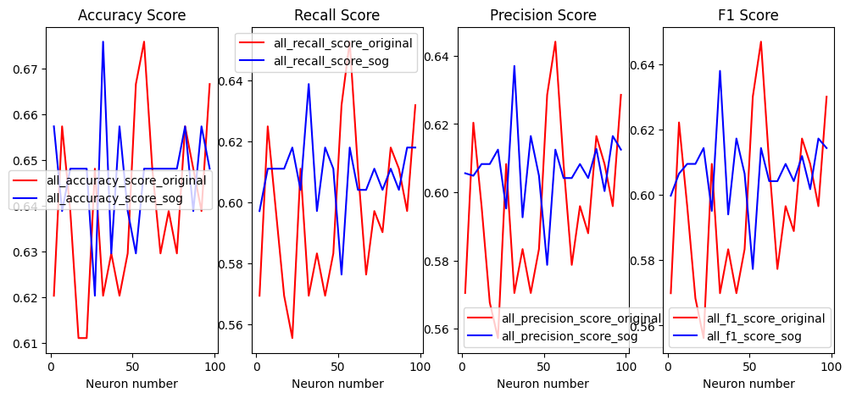
 | Airline Passenger Satisfaction | accuracy_score | 0.8702 | 0.9287 | 0 | 6.72%
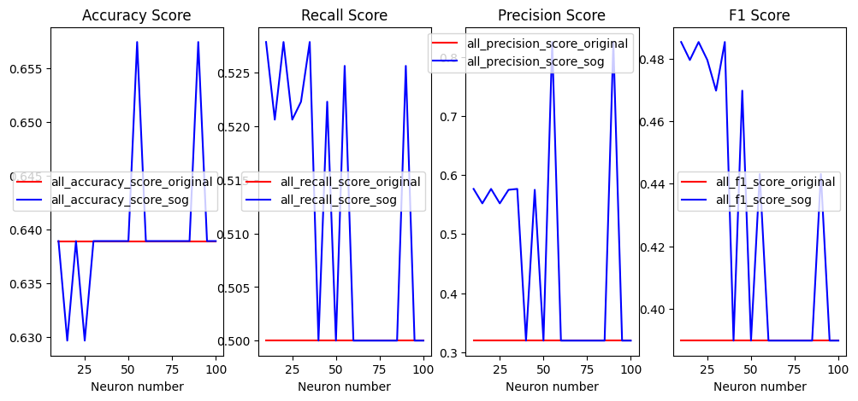
 |  | recall_score | 0.8673 | 0.9264 | 0 | 6.81%
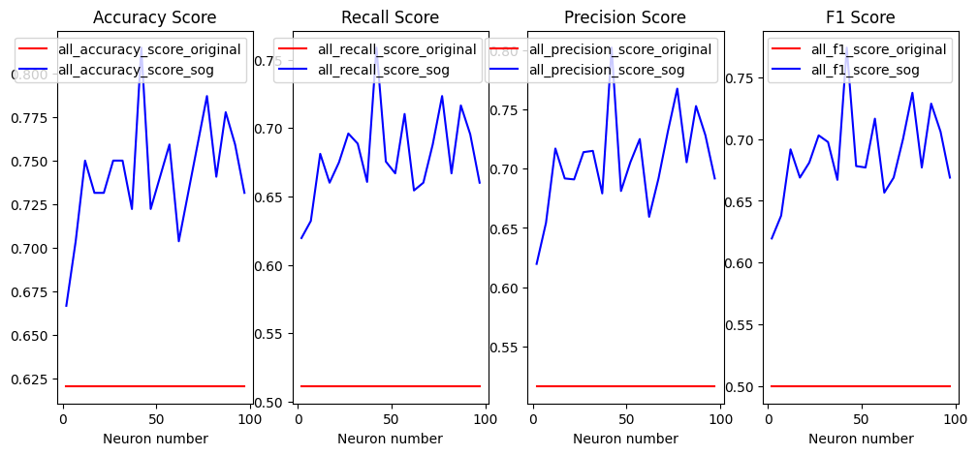
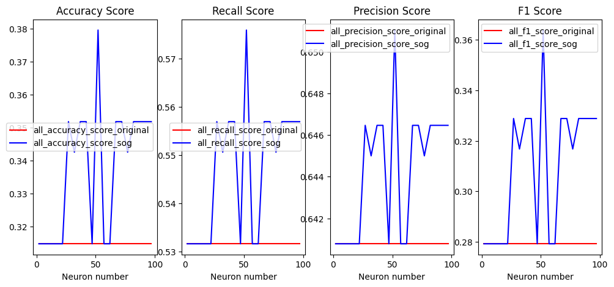
 |  | precision_score | 0.8683 | 0.9284 | 0 | 6.92% |  |  |  |  |  |  |  |  |  |  |  |  |  |  |  |  |  |  |  |  | mean_original | mean_SOG | T-test | percentage
 |  | f1_score | 0.8678 | 0.9273 | 0 | 6.86% |  |  |  |  |  |  |  |  |  |  |  |  |  |  | mean_original | mean_SOG | T-test | percentage | Hotel Reservations Dataset | accuracy_score | 0.6393 | 0.6467 | 0.074 | 1.16%
 |  |  |  |  |  |  |  |  |  |  |  |  |  |  | mean_original | mean_SOG | T-test | percentage | Hotel Reservations Dataset | accuracy_score | 0.3148 | 0.3375 | 0 | 7.21% |  | recall_score | 0.5975 | 0.6093 | 0.0373 | 1.97%
 |  |  |  |  |  |  |  |  |  |  |  |  | Hotel Reservations Dataset | accuracy_score | 0.6388 | 0.6398 | 0.268 | 0.16% |  | recall_score | 0.5316 | 0.5471 | 0 | 2.92% |  | precision_score | 0.596 | 0.6069 | 0 | 1.83%
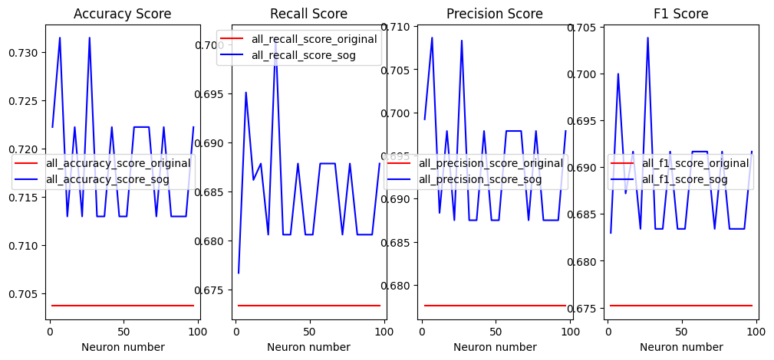
 |  |  |  |  |  |  |  |  | mean_original | mean_SOG | T-test | percentage |  | recall_score | 0.5 | 0.5116 | 0.0002 | 2.32% |  | precision_score | 0.6407 | 0.6442 | 0 | 0.55% |  | f1_score | 0.5965 | 0.6074 | 0.0424 | 1.83%
 |  |  |  |  |  |  | Hotel Reservations Dataset | accuracy_score | 0.6203 | 0.7416 | 0 | 19.56% |  | precision_score | 0.3194 | 0.4646 | 0 | 45.46% |  | f1_score | 0.2792 | 0.3095 | 0 | 10.85%
 |  |  |  |  |  |  |  | recall_score | 0.5109 | 0.6795 | 0 | 33.00% |  | f1_score | 0.3898 | 0.4283 | 0.0002 | 9.88%
 |  |  |  |  |  |  |  | precision_score | 0.5159 | 0.7063 | 0 | 36.91%
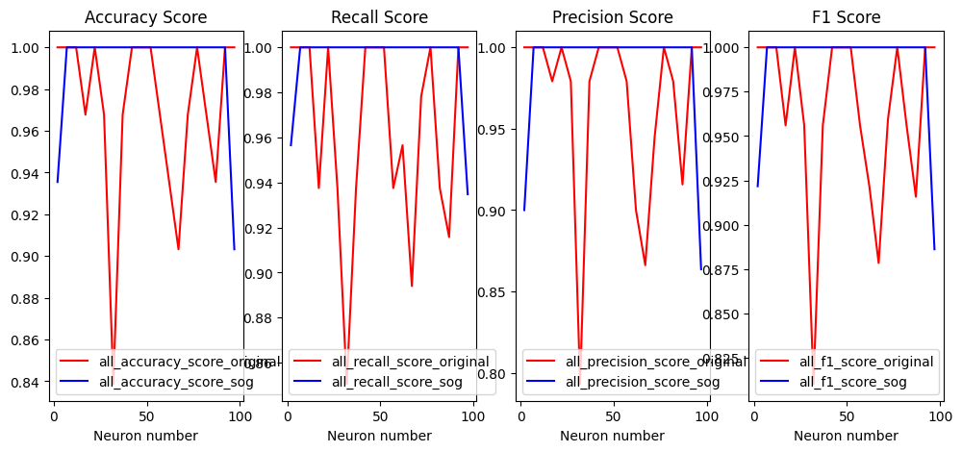
 |  |  | mean_original | mean_SOG | T-test | percentage |  | f1_score | 0.4999 | 0.6877 | 0 | 37.57%
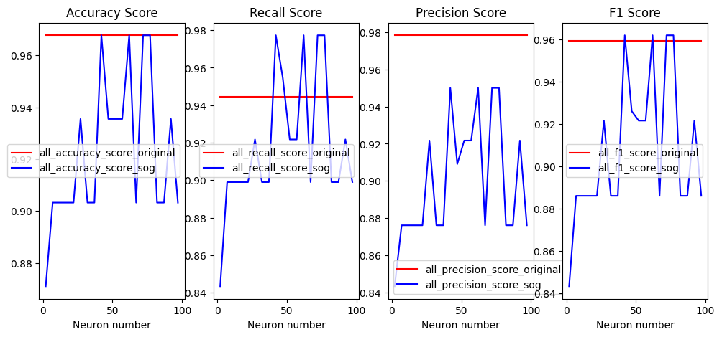
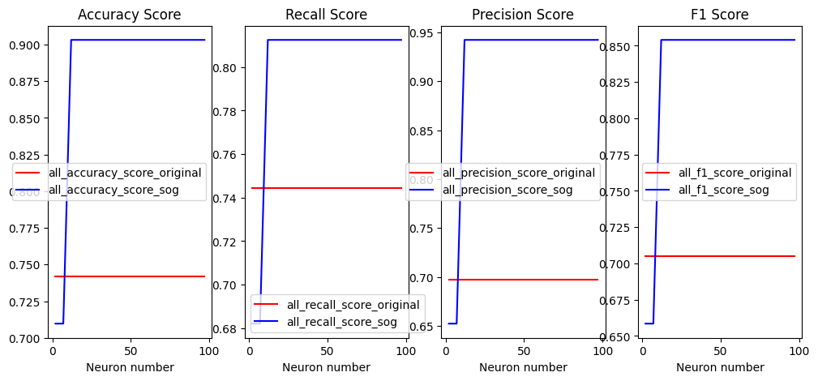
 | Hotel Reservations Dataset | accuracy_score | 0.7037 | 0.7185 | 0 | 2.10%
 |  | recall_score | 0.6733 | 0.6849 | 0 | 1.72% |  |  |  |  |  |  |  |  |  |  |  |  |  |  |  |  |  |  |  |  | mean_original | mean_SOG | T-test | percentage
 |  | precision_score | 0.6775 | 0.6938 | 0 | 2.41% |  |  |  |  |  |  |  |  |  |  |  |  |  |  | mean_original | mean_SOG | T-test | percentage | Austisum Screening data for toddlers | accuracy_score | 0.9709 | 0.9919 | 0.0312 | 2.16%
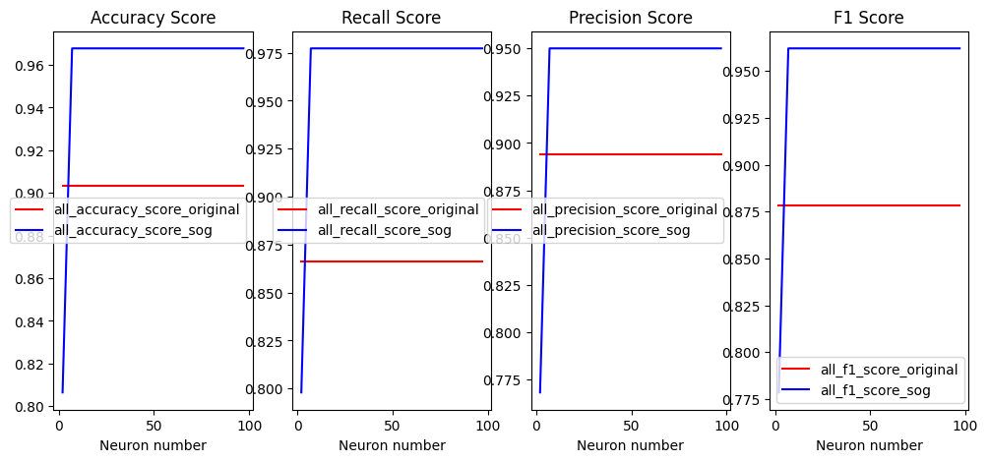
 |  | f1_score | 0.6751 | 0.6883 | 0 | 1.96% |  |  |  |  |  |  |  |  | mean_original | mean_SOG | T-test | percentage | Austisum Screening data for toddlers | accuracy_score | 0.7419 | 0.8838 | 0 | 19.13% |  | recall_score | 0.9641 | 0.9945 | 0.0032 | 3.15%
 |  |  |  |  |  |  |  |  |  |  |  |  | Austisum Screening data for toddlers | accuracy_score | 0.9677 | 0.9225 | 1 | -4.67% |  | recall_score | 0.7445 | 0.7994 | 0 | 7.37% |  | precision_score | 0.9657 | 0.9881 | 0.0323 | 2.32%
 |  |  |  |  |  |  |  |  | mean_original | mean_SOG | T-test | percentage |  | recall_score | 0.9444 | 0.9191 | 0.984 | -2.68% |  | precision_score | 0.6973 | 0.9133 | 0 | 30.98% |  | f1_score | 0.9632 | 0.9903 | 0.023 | 2.81%
 |  |  |  |  |  |  | Autism Screening data for toddlers | accuracy_score | 0.9032 | 0.9596 | 0 | 6.24% |  | precision_score | 0.9782 | 0.9 | 1 | -7.99% |  | f1_score | 0.7047 | 0.8344 | 0 | 18.40%
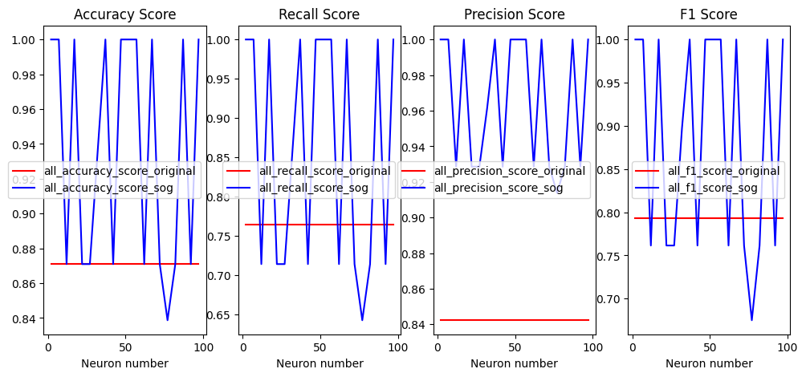
 |  |  |  |  |  |  |  | recall_score | 0.8661 | 0.9683 | 0 | 11.80% |  | f1_score | 0.9594 | 0.9083 | 1 | -5.33%
 |  |  |  |  |  |  |  | precision_score | 0.894 | 0.9409 | 0 | 5.25%
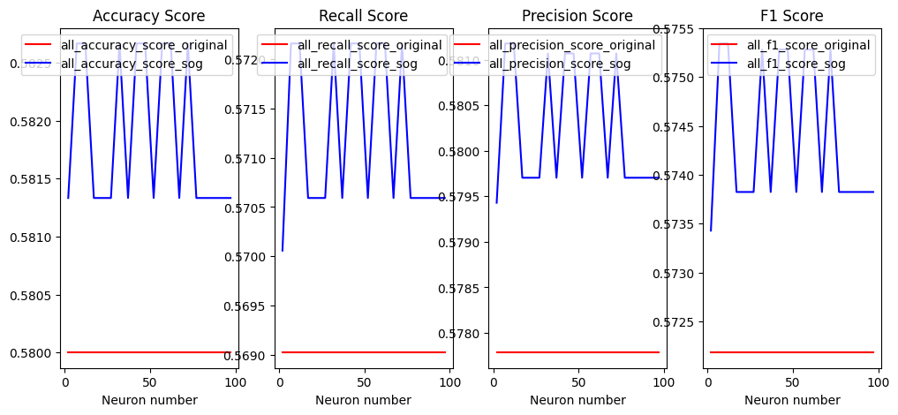
 |  |  | mean_original | mean_SOG | T-test | percentage |  | f1_score | 0.8784 | 0.9528 | 0 | 8.47%

 | Austisum Screening data for toddlers | accuracy_score | 0.8709 | 0.937 | 0 | 7.59%

 |  | recall_score | 0.7648 | 0.8607 | 0.003 | 12.54%
 |  | precision_score | 0.8423 | 0.9651 | 0 | 14.58% |  |  |  |  |  |  |  |  |  |  |  |  |  |  |  |  |  |  |  |  | mean_original | mean_SOG | T-test | percentage
 |  | f1_score | 0.7933 | 0.8832 | 0.0014 | 11.33% |  |  |  |  |  |  |  |  |  |  |  |  |  |  | mean_original | mean_SOG | T-test | percentage | Netflix userbase Dataset | accuracy_score | 0.58 | 0.5818 | 0 | 0.31%

 |  |  |  |  |  |  |  |  |  |  |  |  |  |  | mean_original | mean_SOG | T-test | percentage | Netflix userbase Dataset | accuracy_score | 0.428 | 0.5402 | 0 | 26.21% |  | recall_score | 0.569 | 0.5711 | 0 | 0.37%
 |  |  |  |  |  |  |  |  | mean_original | mean_SOG | T-test | percentage | Netflix userbase Dataset | accuracy_score | 0.4173 | 0.624 | 0 | 49.53% |  | recall_score | 0.4075 | 0.5542 | 0 | 36.00% |  | precision_score | 0.5777 | 0.5802 | 0 | 0.43%
 |  |  |  |  |  |  | Netflix userbase Dataset | accuracy_score | 0.568 | 0.5818 | 0.0022 | 2.43% |  | recall_score | 0.3921 | 0.6076 | 0 | 54.96% |  | precision_score | 0.282 | 0.6441 | 0 | 128.40% |  | f1_score | 0.5721 | 0.5743 | 0 | 0.38%
 |  |  |  |  |  |  |  | recall_score | 0.5498 | 0.5668 | 0.0001 | 3.09% |  | precision_score | 0.2751 | 0.6742 | 0 | 145.07% |  | f1_score | 0.333 | 0.5306 | 0 | 59.34%

 |  |  | mean_original | mean_SOG | T-test | percentage |  | precision_score | 0.5787 | 0.5887 | 0.0238 | 1.73% |  | f1_score | 0.3232 | 0.6156 | 0 | 90.47%
 | Netflix userbase Dataset | accuracy_score | 0.4693 | 0.6602 | 0 | 40.68% |  | f1_score | 0.5544 | 0.5733 | 0 | 3.41%
 |  | recall_score | 0.4369 | 0.6349 | 0 | 45.32%
 |  | precision_score | 0.3065 | 0.7224 | 0 | 135.69% | 2-50neuron
 |  | f1_score | 0.3602 | 0.6484 | 0 | 80.01%

