follow
show content of a block
block gallery, new, profolio is list
show content of a block(gallery, new, profolio is )
show block as list

blocks list ID:M1
text
block detail ID:M2
img
block detail item ID:M3
img

top : danh sach blocks (an, hien khi click)
 |  | x
profolio, gallery Tai detail item : bot hien thi list slide(anh)
new detail : bot co vi tri 6/100

Profolio : | 2 item - row
 | I Anh va tieu de
 | detail : bot co danh sach cac profolio -> dang anh
 | Chi tiet : anh chinh, va khoi html

Store App(struct)
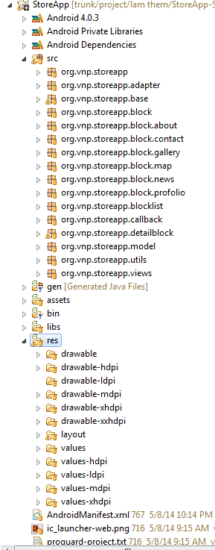
base | org.vnp.storeapp.base org.vnp.storeapp.utils
M1 | org.vnp.storeapp.blocklist
M2 | org.vnp.storeapp.block
M3 | org.vnp.storeapp.detailblock
M2(Block) | org.vnp.storeapp.block.about org.vnp.storeapp.block.contact org.vnp.storeapp.block.gallery org.vnp.storeapp.block.map org.vnp.storeapp.block.news org.vnp.storeapp.block.profolio
M3(Block Detail Item) | org.vnp.storeapp.block.gallery.GalleryDetailFragment org.vnp.storeapp.block.news.NewDetailFragment org.vnp.storeapp.block.profolio.ProfolioDetailFragment

Profolio : | 2 item - row
 | I Anh va tieu de
 | detail : bot co danh sach cac profolio -> dang anh
 | Chi tiet : anh chinh, va khoi html

Block(Struct)
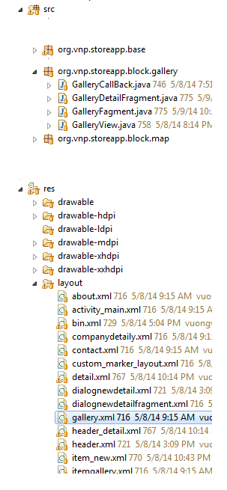

Example |  | comment
src | org.vnp.storeapp.block.gallery | have
Block Control | GalleryFagment | have
Block Control layout | layout/gallery.xml | have
Block Data Loader | GalleryCallBack | have
Block Data struct |  | have or not
View | GalleryView | have or not
Block Detail Control(Block Detail Item) | GalleryDetailFragment | have or not
Block Detail Control(Block Detail Item) layout | layout/dialognewdetailfragment.xml | have or not

M1(Block list)
API Example | https://app-server.googlecode.com/svn/trunk/storeapp/bin.txt
data example | 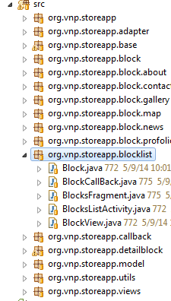 { "status": "PROFESSIONAL", "bins": [ {"type":"ICON"},{"type":"ABOUNT"},{"type":"PROFOLIO"}, {"type":"MAP"}, {"type":"CONTACT"}, {"type":"NEW"}, {"type":"GALLERY"}], "about":{"img": "link img" , "text":"abc"}, "contact":{"img": "link img" , "text":"text for contact" }, "map":{ "numTxt":"(0)", "title":"My Company", "description":"wellcom to My Company", "lat": "48.8567", "lng":"2.3508" } }
description | status : status for account "PROFESSIONAL", "BASIC","FREE" bins : list Blocks for show content ablout: information for about contact : information for contact map : information for map

