Sheet1
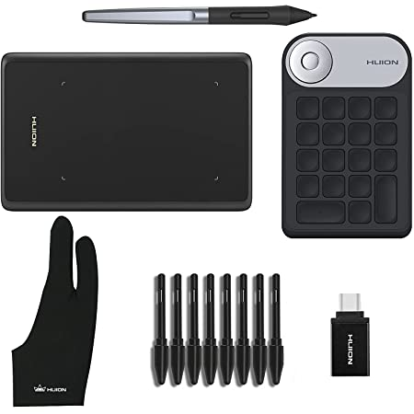
id | main_img_url | title | model | ctry_md_asin | collect_date | collect_batch | rel_date | brand | bundle_package | score | score_num | comment_num | page_intry | seller | delivery_way | parent_asin | qa_number | category_1 | rank_1 | category_2 | rank_2 | org_price | sell_price | second_kill | act_type | wheth_join_coupon | coupon_amt | coupon_discount | key_word
74707 | https://m.media-amazon.com/images/I/71e96tdEVWS._AC_SX466_.jpg | Amazon.com : OKPRO Portable Power Station, 62500mA /231Wh Solar Generator, Portable Power Supply with 110V/200W Pure Sine Wave AC Outlet, Solar Battery Pack for Camping Travel Emergency : Patio, Lawn &amp; Garden | u200eOKPRO | USA-u200eOKPRO-B088GQL9R5 | 2022-01-05 | 户外发电机补充 | 2020-05-12 | OKPRO | N | 4.6 | 410 | 342 | 23 | OKPRO | Amazon | B09KNDQWJL |  | Outdoor Generators | 213 | Patio, Lawn & Garden (See Top 100 in Patio, Lawn & Garden) | 45727 |  | 139.99 | N |  | N |  |  | ['power station', 'portable power', 'easy to use', 'light weight', 'power supply', 'easy to carry', 'sine wave', 'free gift', 'power outages', 'cpap machine', 'solar panels', 'carry around', 'form factor', 'works great', 'highly recommend', 'last long', 'long time', 'power bank', 'looking forward', 'well built']
74708 | https://m.media-amazon.com/images/I/61E5pDH7U+L._AC_SX679_.jpg | Amazon.com : X-Doria Raptic Titan Portable Power Station (Formerly Defense Titan), 225Wh Backup Lithium Battery, Generator for Outdoors Camping Festivals Travel Emergency : Patio, Lawn &amp; Garden |  | USA-None-B0815WWP2X | 2022-01-05 | 户外发电机补充 |  | X-Doria | N | 4.4 | 36 | 12 | 30 | X-Doria | Amazon | B0815WWP2X |  | Outdoor Generators | 90 | Patio, Lawn & Garden (See Top 100 in Patio, Lawn & Garden) | 17909 |  | 299.99 | N |  | Y | 125 |  | ['cell phones', 'power station', 'power outage', 'camping', 'laptop', 'charged', 'devices']
74709 | https://images-na.ssl-images-amazon.com/images/I/71s1BuHX5JL.__AC_SY300_SX300_QL70_FMwebp_.jpg | Amazon.com: Jackery Portable Power Station Explorer 160, 167Wh Lithium Battery Solar Generator (Solar Panel Optional) Backup Power Supply with 110V/100W(Peak 150W) AC Outlet for Outdoors Camping Fishing Emergency : Patio, Lawn &amp; Garden | Jackery Explorer 160 | USA-Jackery Explorer 160-B07FYJVFNK | 2022-01-05 | 户外发电机补充 | 2018-07-27 | Jackery | N | 4.7 | 5199 | 1296 |  |  |  | B07FYJVFNK | 813 | Outdoor Generators | 181 | Patio, Lawn & Garden (See Top 100 in Patio, Lawn & Garden) | 38487 |  |  | N |  | N |  |  | ['power station', 'power outages', 'lightweight', 'portable power', 'easy to use', 'highly recommend', 'solar panels', 'cell phone', 'power supply', 'camping trips', 'cigarette lighter', 'cpap machine', 'power source', 'fully charged', 'great little', 'little power', 'worth the money', 'long time', 'exceeded my expectations', 'phones and tablets']

