Sheet1
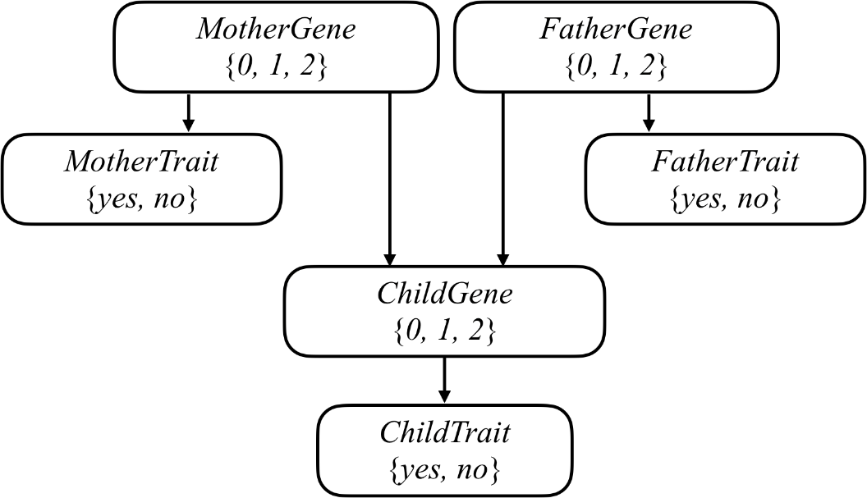
Random Variable: Gene. Unconditional Probabiltiy Distribution |  |  |  |  |  | Bayesian Network
P(g)
0 | 0.96
1 | 0.03
2 | 0.01

Random Variable: Trait. Conditional Probability Distribution Dependent on Gene
P(t | g) | TRUE | FALSE
0 | 0.01 | 0.99
1 | 0.56 | 0.44
2 | 0.65 | 0.35

Random Variable: Mutation. Unconditional Probability Distribution
Mutation | 0.01
No Mutation | 0.99

Unconditional Probability of Trait, using Conditioning
P(t)
Yes | 0.0329
No | 0.9671

Conditional Probability of Genes, Given Trait P(g | trait)
Scenario: James .. Two genes, yes trait
Compute conditional probability James has 2 genes given trait
P(g | trait) = P(g, trait) / P(trait)
P(g, trait) = P(trait)P(2g | trait)
P(g, t) | trait | -trait
0g | 0.0096 | 0.9504 |  |  | 2/25 so …
1g | 0.0168 | 0.0132 |  |  | "Recall from lecture that we can calculate a conditional probability by summing up all of the joint probabilities that satisfy the evidence, and then normalize those probabilities so that they each sum to 1. "
2g | 0.0065 | 0.0035 |  |  | I'm doing too much here

P(g | t) | t | -t
0g | 0.2918 | 0.9827
1g | 0.5106 | 0.0136
2g | 0.1976 | 0.0036

Now child gene - dependent on parent genes
 | pass gene | w mutation
0 | 0 | 0.01
1 | 0.5 | ??? |  | This is for just 1 parent. Same probs for each
2 | 1 | 0.99 |  | Parent A and B odds of passing independent?
 |  |  |  | So gene slot A and gene slot B ???
 |  |  |  | Odds by each parent, then 1% for mutation

 |  |  |  |  |  |  |  |  |  | parent
Example: |  | Probability |  |  |  |  | Child Gene Distribution |  |  | trait | -trait
one_gene | Harry |  | -----> | 1. fill in known info about parents |  |  | 0 | happens if each parent passes 0 | pass | 0.45288753799 | 0.010443594251
two_genes | James | 0.1976 |  | 2. determine parents gene probability distribution |  |  | 1 | happens if 1 parent passes, 1 does not | -pass | #VALUE! | #VALUE!
trait | Harry |  |  | 3. determine Harry's gene distribtion dependent on 2 |  |  | 2 | happens if both parents pass 1
trait | James | 1 | given | 4. Harry's trait dependent on 3
implied |  |  |  |  |  |  |  | James - distribution | Lily
no_genes | Lily | 0.9827 |  |  |  |  | 0 | 0.2918 | 0.9827
no_trait | Lily | 0 | given |  |  |  | 1 | 0.5106 | 0.0136
 |  |  |  |  |  |  | 2 | 0.1976 | 0.0036
 |  |  |  |  |  |  |  | Test case | Odds to pass
 |  |  |  |  |  |  | James 2 | 0.1976 | 0.45288753799
 |  |  |  |  |  |  | Lily 0 | 0.9827 | 0.010443594251 | …. No. I feel like im trying to brute force the numbers rather than trying to solve the problem as presented

 |  |  |  |  |  |  | James as 2 genes w odds | 0.1976
 |  |  |  |  |  |  | W 2 genes, odds to pass are | 0.99
 |  |  |  |  |  |  | Won't get gene from dad w | 0.01
 |  |  |  |  |  |  | Lily has 0g w | 0.9827
 |  |  |  |  |  |  | W 0 genes, odds to pass are | 0.01
 |  |  |  |  |  |  | Not get gene from lily w | 0.99

 |  |  |  |  |  |  | 2 scenarios to get 1 gene
 |  |  |  |  |  |  | from dad, not mom | 0.9801
 |  |  |  |  |  |  | from mom, not dad | 0.0001
 |  |  |  |  |  |  | odds harry has 1 w these parents: | 0.9802 | under controlled conditions, but we don’t know for certain his parents have that gene dist

