Club Suspension Kits
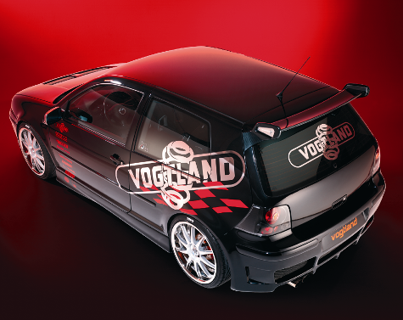
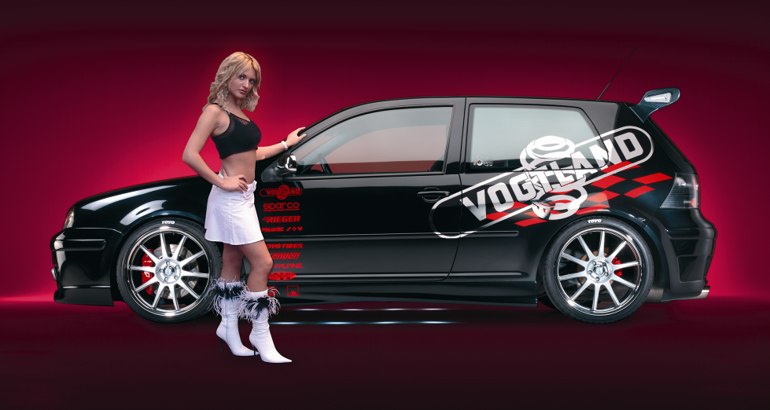
Make | Car type | Year | List Price | Jobber
AUDI | 80, 90, 89, 5 cyl, 6 cyl, 4 door & Coupe, Excl Quattro | 88 - 92 | 580.50 | 493.43
AUDI | A4, B5, 4 cyl, Excl Quattro | 96 - 01 | 735.00 | 624.75
AUDI | A4, B5, 6 cyl, Excl Quattro | 96 - 01 | 735.00 | 624.75
AUDI | TT, 8N, 1.8T, Excl Quattro | 00 - 07 | 898.50 | 763.73
AUDI | A4, 8E, 4 cyl, Excl Quattro | 02 - 08 | 756.00 | 642.60
AUDI | A4 Quattro, 8E, 4 cyl | 02 - 08 | 690.50 | 586.93
AUDI | A4, 8E, 6 cyl, Excl Quattro | 02 - 08 | 756.00 | 642.60
AUDI | A4 Quattro, 8E, 6 cyl, Incl Avant (Wagon) | 02 - 08 | 756.00 | 642.60
BMW | 1 E82, E88, 128i, 135i, Excl xDrive | 08 - 12 | 1053.00 | 895.05
BMW | 3 E36, 4 cyl, Excl xDrive | 92 - 98 | 646.50 | 549.53
BMW | 3 E36, 3B/C, 6 cyl, 323i, 325i, 328i | 92 - 98 | 646.50 | 549.53
BMW | 3 E36, 3B/C, 6 cyl, 320i, 323i, 325i, 328i, TD, TDS, Excl xDrive | 92 - 98 | 646.50 | 549.53
BMW | 3 E36, 3C, Compact, 316i, 318i, 318ti, without Diesel | 94 - 99 | 646.50 | 549.53
BMW | 3 E46, 323i, 325i, 328i, 330i, is, ci, Excl xDrive | 99 - 05 | 741.50 | 630.28
BMW | 3 E46, Cabrio | 01 - 06 | 741.50 | 630.28
BMW | 3 E46, Touring, 6 cyl, Diesel | 01 - 06 | 741.50 | 630.28
BMW | 3 E91/E93, 392L/C, Touring, Convertible, Excl xDrive | 06 - 11 | 1053.00 | 895.05
BMW | 3 E92, 392C, Coupé, Excl xDrive | 07 - 11 | 1053.00 | 895.05
BMW | 5 E39, All 6 cyl, excl. 8 cyl, EDC, Touring | 97 - 03 | 822.00 | 698.70
BMW | 5 E60, 560L, Sedan, 520i, 523i, 525i, 530i, Excl xDrive | 04 - 07 | 1086.00 | 923.10
BMW | 5 E60, 560L, Sedan, 545i, 530d, 535d, Excl xDrive | 04 - 10 | 1086.00 | 923.10
BMW | 5 E61, 560L, Touring, 520i, 523i, 525i, 530i, Excl xDrive | 06 - 07 | 1086.00 | 923.10
BMW | 5 E61, 560L, Touring, 545i, 530d, 535d, Excl xDrive | 07 - 10 | 1086.00 | 923.10
BMW | 5 F10, 5L, Sedan, Excl M5, Excl xDrive | 12 - 16 | 1086.00 | 923.10
BMW | Z4, E85, Roadster | 03 - 08 | 964.00 | 819.40
MERCEDES BENZ | C-Class W202, 6 cyl, C280, C43 | 96 - 00 | 712.50 | 605.63
MERCEDES BENZ | C-Class W202, 6 cyl, C280, C36 | 94 - 95 | 712.50 | 605.63
MERCEDES BENZ | C-Class W202, 4 cyl, C220 | 94 - 95 | 712.50 | 605.63
MERCEDES BENZ | C-Class W202, 4 cyl, C220, C230 incl. Kompressor | 96 - 01 | 712.50 | 605.63
MERCEDES BENZ | C-Class W203, Sedan, 4 cyl, 6 cyl, Excl 4-Matic | 00 – 07 | 822.00 | 698.70
MERCEDES BENZ | C-Class W203, Wagon, 4 cyl, 6 cyl, Excl 4-Matic | 02 – 05 | 822.00 | 698.70
MERCEDES BENZ | CLK W208, 6 cyl, 8 cyl, CLK 320, 430 | 98 - 02 | 1228.00 | 1043.80
MERCEDES BENZ | CLK W209, 6 cyl | 03 - 09 | 987.00 | 838.95
MERCEDES BENZ | E Class, W210, 6, 8 cyl, Excl 4-Matic | 96 - 02 | 1228.00 | 1043.80
MERCEDES BENZ | E Class, W212, 6, 8 cyl, Excl 4-Matic | 10 - 17 | 987.00 | 838.95
MERCEDES BENZ | SLK, R170, 200 u. 230 Kompressor | 98 - 04 | 1086.00 | 923.10

