Cover
2019 Product Application Guide
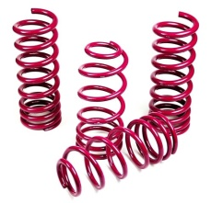
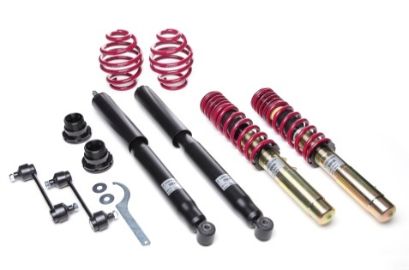

Table of Contents
Page 1 | Cover
Pages 2-3 | Height Adjustable Coil Over Kits
Page 4 | Force Adjustable Coil Over Kits
Pages 5-12 | Sport Lowering Spring Kits
Pages 13-14 | Club Lowering Suspension Kits
Page 15 | Electronic Lowering Systems
Page 16 | New Part #'s
Page 17-18 | Notes - Application Guide
Page 19 | Warranty
Page 20 | Dealer Information

 | Vogtland North America
 | 38340 Innovation Ct D-401
 | Murrieta, CA 92563
 | Phone: 951-694-6981
 | Fax: 951-694-6985
 | Visit us Online: www.vogtland-na.com
 | Facebook: @VogtlandSprings
 | Instagram: @VogtlandSprings

 | Effective 1/1/2020 Supercedes all previous price lists
 | All prices are subject to change without notice

Club Suspension Kits
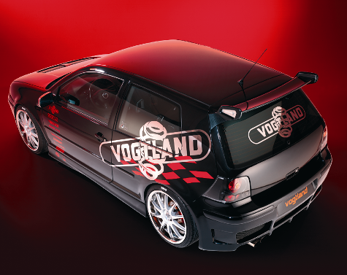
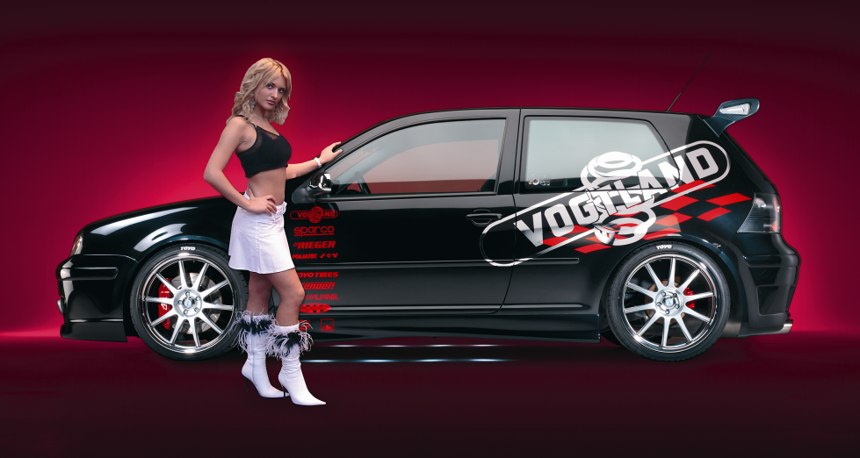
Car type | Year | Notes | Drop (in) | Drop (mm) | Part # | List Price | Jobber | MAP | Your Cost
AUDI
Audi 80, 90, 89, 5 cyl, 6 cyl, 4 door & Coupe, Excl Quattro | 88 - 92 | 1,15,18,21 | 1.6 | 40 | 960003 | $580.50 | $493.43 | $551.48 | $348.30
Audi A4, B5, 4 cyl, Excl Quattro | 96 - 01 | 1,15,21,45 | 1.4 | 35 | 960110 | $735.00 | $624.75 | $698.25 | $441.00
Audi A4, B5, 6 cyl, Excl Quattro | 96 - 01 | 1,15,21,45 | 1.4 | 35 | 960004 | $735.00 | $624.75 | $698.25 | $441.00
Audi TT, 8N, 1.8T, Excl Quattro | 00 - 07 | 1,15,21 | 1.4 | 35 | 960433 | $898.50 | $763.73 | $853.58 | $539.10
Audi A4, 8E, 4 cyl, Excl Quattro | 02 - 08 | 1,7,15,21 | 1.4 | 35 | 960008 | $756.00 | $642.60 | $718.20 | $453.60
Audi A4 Quattro, 8E, 4 cyl | 02 - 08 | 1,7,21 | 1.4 | 35 | 960011 | $690.50 | $586.93 | $655.98 | $414.30
Audi A4, 8E, 6 cyl, Excl Quattro | 02 - 08 | 1,7,8,15,21 | 1.4 | 35 | 960001 | $756.00 | $642.60 | $718.20 | $453.60
Audi A4 Quattro, 8E, 6 cyl, Incl Avant (Wagon) | 02 - 08 | 1,7,21 | 1.4 | 35 | 960010 | $756.00 | $642.60 | $718.20 | $453.60
BMW
BMW 1 E82, E88, 128i, 135i, Excl xDrive | 08 - 12 | 1,7,12,15,18,21 | 1.6/1.0 | 40/25 | 960545 | $1,053.00 | $895.05 | $1,000.35 | $631.80
BMW 3 E36, 4 cyl, Excl xDrive | 92 - 98 | 1,2,6,15,21 | 1.6/0.8 | 40/20 | 960038 | $646.50 | $549.53 | $614.18 | $387.90
BMW 3 E36, 3B/C, 6 cyl, 323i, 325i, 328i | 92 - 98 | 1,21 | 1.6 | 40 | 960041 | $646.50 | $549.53 | $614.18 | $387.90
BMW 3 E36, 3B/C, 6 cyl, 320i, 323i, 325i, 328i, TD, TDS, Excl xDrive | 92 - 98 | 1,2,15,17,21 | 2.0/1.0 | 50/30 | 960079 | $646.50 | $549.53 | $614.18 | $387.90
BMW 3 E36, 3C, Compact, 316i, 318i, 318ti, without Diesel | 94 - 99 | 1,6,18,21 | 1.4 | 35 | 960042 | $646.50 | $549.53 | $614.18 | $387.90
BMW 3 E46, 323i, 325i, 328i, 330i, is, ci, Excl xDrive | 99 - 05 | 1,15,21 | 1.6 | 40 | 960045 | $741.50 | $630.28 | $704.43 | $444.90
BMW 3 E46, Cabrio | 01 - 06 | 1,21 | 1.6 | 40 | 960037 | $741.50 | $630.28 | $704.43 | $444.90
BMW 3 E46, Touring, 6 cyl, Diesel | 01 - 06 | 1,21 | 1.6 | 40 | 960044 | $741.50 | $630.28 | $704.43 | $444.90
BMW 3 E91/E93, 392L/C, Touring, Convertible, Excl xDrive | 06 - 11 | 1,7,12,15,18,21 | 1.0 | 25 | 960546 | $1,053.00 | $895.05 | $1,000.35 | $631.80
BMW 3 E92, 392C, Coupé, Excl xDrive | 07 - 11 | 1,7,12,15,18,21 | 1.0 | 25 | 960523 | $1,053.00 | $895.05 | $1,000.35 | $631.80
BMW 5 E39, All 6 cyl, excl. 8 cyl, EDC, Touring | 97 - 03 | 1,7,21 | 1.2 | 30 | 960260 | $822.00 | $698.70 | $780.90 | $493.20
BMW 5 E60, 560L, Sedan, 520i, 523i, 525i, 530i, Excl xDrive | 04 - 07 | 1,15,21 | 1.2 | 30 | 960352 | $1,086.00 | $923.10 | $1,031.70 | $651.60
BMW 5 E60, 560L, Sedan, 545i, 530d, 535d, Excl xDrive | 04 - 10 | 1,15,21 | 1.2 | 30 | 960353 | $1,086.00 | $923.10 | $1,031.70 | $651.60
BMW 5 E61, 560L, Touring, 520i, 523i, 525i, 530i, Excl xDrive | 06 - 07 | 1,7,15,21 | 1.6/1.0 | 40/25 | 960354 | $1,086.00 | $923.10 | $1,031.70 | $651.60
BMW 5 E61, 560L, Touring, 545i, 530d, 535d, Excl xDrive | 07 - 10 | 1,7,15,21 | 1.6/1.0 | 40/25 | 960355 | $1,086.00 | $923.10 | $1,031.70 | $651.60
BMW 5 F10, 5L, Sedan, Excl M5, Excl xDrive | 12 - 16 | 1,15,21 | 1.2 | 30 | 960379 | $1,086.00 | $923.10 | $1,031.70 | $651.60
BMW Z4, E85, Roadster | 03 - 08 | 1,21 | 1.2 | 30 | 960358 | $964.00 | $819.40 | $915.80 | $578.40
FORD
Ford Focus 3 and 4 Door, Excl Wagon | 00 - 05 | 1,21 | 1.6 | 40 | 960087 | $636.00 | $540.60 | $604.20 | $381.60
Ford Focus Sedan, DA3, DB3 | 04 - 11 | 1,21 | 1.4 | 35 | 960309 | $855.00 | $726.75 | $812.25 | $513.00
Ford Focus, DNW, 1.8, 2.0, Diesel | 99 - 04 | 1,21 | 1.6 | 40 | 963004 | $801.00 | $680.85 | $760.95 | $480.60
Ford Mustang, S197, V6 | 05 - 09 | 1,21,73 | 1.4 | 35 | 960548 | $877.00 | $745.45 | $833.15 | $526.20
Ford Mustang, S197, GT V8 | 05 - 09 | 1,21,73 | 1.4 | 35 | 960549 | $877.00 | $745.45 | $833.15 | $526.20
HONDA
Honda Civic, EJ6, 8, 9, EK 1, 3, 4 | 95 - 01 | 1,21,38 | 1.4 | 35 | 960446 | $1,096.00 | $931.60 | $1,041.20 | $657.60
MAZDA
Mazda MX-5, NB | 98 - 04 | 1,21 | 1.4 | 35 | 966800 | $1,490.50 | $1,266.93 | $1,415.98 | $894.30
MERCEDES
Mercedes C-Class W202, 6 cyl, C280, C43 | 96 - 00 | 1,4,7,21 | 1.4 | 35 | 960085 | $712.50 | $605.63 | $676.88 | $427.50
Mercedes C-Class W202, 6 cyl, C280, C36 | 94 - 95 | 1,4,7,21 | 1.6 | 40 | 960082 | $712.50 | $605.63 | $676.88 | $427.50
Mercedes C-Class W202, 4 cyl, C220 | 94 - 95 | 1,2,4,7,21 | 1.6/1.0 | 40/25 | 960083 | $712.50 | $605.63 | $676.88 | $427.50
Mercedes C-Class W202, 4 cyl, C220, C230 incl. Kompressor | 96 - 01 | 1,2,4,7,21 | 1.6/1.0 | 40/25 | 960084 | $712.50 | $605.63 | $676.88 | $427.50
Mercedes C-Class W203, Sedan, 4 cyl, 6 cyl, Excl 4-Matic | 00 – 07 | 1,4,7,15,18,21 | 1.2 | 30 | 960143 | $822.00 | $698.70 | $780.90 | $493.20
Mercedes C-Class W203, Wagon, 4 cyl, 6 cyl, Excl 4-Matic | 02 – 05 | 1,4,7,15,18,21 | 1.2 | 30 | 960145 | $822.00 | $698.70 | $780.90 | $493.20
Mercedes CLK W208, 6 cyl, 8 cyl, CLK 320, 430 | 98 - 02 | 1,4,21 | 1.4 | 35 | 969453 | $1,228.00 | $1,043.80 | $1,166.60 | $736.80
Mercedes CLK W209, 6 cyl | 03 - 09 | 1,4,18,21 | 1.4 | 35 | 960559 | $987.00 | $838.95 | $937.65 | $592.20
Mercedes E Class, W210, 6, 8 cyl, Excl 4-Matic | 96 - 02 | 1,4,7,15,21 | 1.6 | 40 | 969446 | $1,228.00 | $1,043.80 | $1,166.60 | $736.80
Mercedes E Class, W212, 6, 8 cyl, Excl 4-Matic | 10 - 17 | 1,7,15,18,21 | 1.6 | 40 | 960562 | $987.00 | $838.95 | $937.65 | $592.20
Mercedes SLK, R170, 200 u. 230 Kompressor | 98 - 04 | 1,4,21 | 1.4 | 35 | 960141 | $1,086.00 | $923.10 | $1,031.70 | $651.60
MINI
MINI Cooper, Cooper S | 06 - 13 | 1,21 | 1.2 | 30 | 960528 | $1,534.50 | $1,304.33 | $1,457.78 | $920.70
MINI Cooper, R50, incl. Cabrio, S | 02 - 06 | 1,21 | 1.2 | 30 | 960134 | $811.50 | $689.78 | $770.93 | $486.90
TOYOTA
Toyota Corolla, E10, E11, E11 U | 92 - 02 | 1,21 | 1.4 | 35 | 960351 | $636.00 | $540.60 | $604.20 | $381.60
Toyota Corolla, E12 U, J, T, J1, station wagon | 03 - 08 | 1,21 | 1.4 | 35 | 960157 | $832.50 | $707.63 | $790.88 | $499.50
Toyota Yaris, P1, P2 Verso | 04 - 05 | 1,21 | 1.4 | 35 | 969001 | $855.00 | $726.75 | $812.25 | $513.00
VOLKSWAGEN
VW Beetle A4, 4 cyl 1.8T, 2.0L | 98 - 10 | 1,21 | 1.6 | 40 | 960220 | $537.50 | $456.88 | $510.63 | $322.50
VW Beetle A4, 4 cyl Must use aftermarket front sway bar. | 98 - 10 | 1,21 | 2.2 | 55 | 960241 | $537.50 | $456.88 | $510.63 | $322.50
VW Beetle A4, 4cyl Cabrio | 03 - 10 | 1,21 | 1.6 | 40 | 960223 | $537.50 | $456.88 | $510.63 | $322.50
VW Golf II, Jetta II, All 16V | 85 - 92 | 1,15,21 | 1.6 | 40 | 960219 | $537.50 | $456.88 | $510.63 | $322.50
VW Golf II, Jetta II, All 8V, Complete strut assembly | 85 - 92 | 1,6,15,21 | 1.6 | 40 | 960101 | $537.50 | $456.88 | $510.63 | $322.50
VW Golf III Cabrio | 95 - 00 | 1,21 | 1.4 | 35 | 960228 | $537.50 | $456.88 | $510.63 | $322.50
VW Golf III, Jetta III, All 4 cyl | 93 - 96 | 1,2,6,12,15,21 | 1.6/1.0 | 40/25 | 960100 | $537.50 | $456.88 | $510.63 | $322.50
VW Golf III, Jetta III, All 4 cyl | 96 - 98 | 1,6,12,15,16,21 | 1.4 | 35 | 960226 | $537.50 | $456.88 | $510.63 | $322.50
VW Golf III, Jetta III, VR6 | 93 - 98 | 1,11,12,15,16,21 | 1.4 | 35 | 960120 | $537.50 | $456.88 | $510.63 | $322.50
VW Golf IV, 4 cyl | 99 - 05 | 1,12,15,21,23 | 1.4 | 35 | 960234 | $537.50 | $456.88 | $510.63 | $322.50
VW Golf IV, 4 cyl, may require aftermarket swaybar | 99 - 05 | 1,12,15,17,21,23 | 2.0 | 50 | 960249 | $537.50 | $456.88 | $510.63 | $322.50
VW Golf IV, 4 cyl, may require aftermarket swaybar | 99 - 05 | 1,2,12,15,17,21,23 | 2.0/1.2 | 50/30 | 960231 | $537.50 | $456.88 | $510.63 | $322.50
VW Golf IV, VR6, TDI | 00 - 05 | 1,12,15,21,23 | 1.6 | 40 | 960122 | $537.50 | $456.88 | $510.63 | $322.50
VW Golf IV, VR6, TDI may require aftermarket swaybar | 00 - 05 | 1,12,15,17,21,23 | 2.0 | 50 | 960250 | $537.50 | $456.88 | $510.63 | $322.50
VW Golf IV, VR6, TDI may require aftermarket swaybar | 00 - 05 | 1,2,12,15,17,21,23 | 2.0/1.2 | 50/30 | 960232 | $537.50 | $456.88 | $510.63 | $322.50
VW Golf V, Golf VI, 4 cyl, TSI, GTI, ('09 - 20 mm drop), Excl 4 Motion | 06 - 14 | 1,15,21,43 | 1.8 | 45 | 960279 | $756.00 | $642.60 | $718.20 | $453.60
VW Golf V, Golf VI, 4 cyl, TSI, GTI, ('09 - 20 mm drop), Excl 4 Motion | 06 - 14 | 1,15,21,43 | 1.4 | 35 | 960277 | $756.00 | $642.60 | $718.20 | $453.60
VW Golf V, Golf VI, 4 cyl, TSI, GTI, ('09 - 35 mm drop), Excl 4 Motion | 06 - 14 | 1,15,21,43 | 2.2 | 55 | 960287 | $756.00 | $642.60 | $718.20 | $453.60
VW Jetta IV, 4 cyl | 99 - 05 | 1,12,21,23 | 1.6 | 40 | 960221 | $537.50 | $456.88 | $510.63 | $322.50
VW Jetta IV, VR6, TDI | 99 - 05 | 1,12,15,21,23 | 1.6 | 40 | 960222 | $537.50 | $456.88 | $510.63 | $322.50
VW Jetta IV, 4 cyl, VR6, TDI, may require aftermarket swaybar | 99 - 05 | 1,15,17,21,23 | 2.0/1.2 | 50/30 | 960076 | $537.50 | $456.88 | $510.63 | $322.50
VW Jetta IV Wagon, 4 cyl | 99 - 05 | 1,12,21,23 | 1.6 | 40 | 960236 | $537.50 | $456.88 | $510.63 | $322.50
VW Jetta V, Jetta VI (GLI only), Excl 4 Motion | 06 - 17 | 1,15,21,43 | 1.4 | 35 | 960277 | $756.00 | $642.60 | $718.20 | $453.60
VW Passat B6, 55 mm strut, Excl 4 Motion | 06 - 12 | 1,8,12,15,21 | 1.6 | 40 | 960198 | $756.00 | $642.60 | $718.20 | $453.60
VW Passat B6 Wagon, 55 mm strut, , Excl 4 Motion | 06 - 12 | 1,8,15,21 | 1.6 | 40 | 960200 | $756.00 | $642.60 | $718.20 | $453.60
VW Rabbit, Golf I, Jetta I, Scirocco, Diesel & Automatic | 80 - 84 | 1,14,21,37 | 1.4 | 35 | 960217 | $537.50 | $456.88 | $510.63 | $322.50
VW Rabbit, GTI, Golf I, Jetta I, Scirocco, excl. Diesel | 80 - 84 | 1,14,21,37 | 1.4 | 35 | 960216 | $537.50 | $456.88 | $510.63 | $322.50
VW Tiguan, 5N, 55 mm strut, Excl 4 Motion | 09 - 17 | 1,15,21,43 | 1.4 | 35 | 960209 | $756.00 | $642.60 | $718.20 | $453.60

Warranty
Vogtland North America Limited Warranty
Limited Warranty. Vogtland North America warrants its line of performance springs to the original retail purchaser (also referred to as “consumer” herein) for a period of 10 years commencing at time of retail purchase. Suspension products (shock absorbers) will carry a 2 (two) year warranty This Limited Warranty cannot be transferred to another individual or entity and is limited to protection against material defects or workmanship when the product(s) is/are appropriately installed by a qualified and licensed automotive mechanic trained in suspension component installation and repair in a normal passenger vehicle application for which the product is intended by Vogtland North America to be used. Associated ancillary components such as brackets, hardware, bushing / Noise Vibration Harshness isolation products are limited to and covered under a 12 month warranty for material defects and workmanship for a period of 12 months commencing at the time of purchase.
Warranty Exclusions. By way of illustration and not limitation, items not covered under the terms of the above-described Limited Life Time Warranty include cosmetic finish on coated surfaces and paint / coating retention; any product(s) which have not been installed by a qualified and/or licensed automotive mechanic / technician trained in suspension component installation and repair; any product which has been abused, altered, modified, or installed in an application for which the product was not intended and/or designed by Vogtland North America, Inc; and/or any product which has been subjected to an accident or collision. All warranties are null and void if the product(s) has been used in an off-road activity (i.e. high speed driving event, racing, rallying etc.).
Entire Limited Warranty Set Forth Herein. This Limited Warranty sets forth Vogtland North America’s entire and only Limited Warranty and may not be modified or supplemented by any other person or company whether in writing or in oral statements. Any description of the product(s) made in connection with this warranty is for the sole purpose of identifying them, is not part of the basis of the bargain, and does not constitute a warranty that the product(s) will conform to that description. The use of any sample or model in connection with this warranty or the sales of any product(s) is for illustrative purposes only and is not to be construed as a warranty that the goods will conform to sample or model. The oral statements of any salesperson do not constitute part of this warranty at all and shall not be relied upon by the consumer.
DISCLAIMER OF EXPRESS AND IMPLIED WARRANTIES. Vogtland North America makes no warranties expressed or implied (including any implied warranties of merchantability and/or fitness for a particular purpose) EXCEPT FOR those warranties expressly made herein. THERE ARE NO WARRANTIES WHICH EXTEND BEYOND THE DESCRIPTION ON THE FACE HEREOF. Any implied warranties (including any implied warranties of merchantability and/or fitness for a particular purpose) are disclaimed to the fullest extent permitted by law. ANY DAMAGES FOR BREACH OF THIS LIMITED WARRANTY shall in no event exceed the purchase price of the product, AND VOGTLAND NORTH AMERICA SHALL NOT BE LIABLE FOR INCIDENTAL AND/OR CONSEQUENTIAL DAMAGES IN ANY CASE, TO THE FULLEST EXTENT ALLOWED BY LAW. THE ABOVE limitations or exclusions apply to the consumer of this product TO THE FULLEST EXTENT ALLOWED BY LAW. This warranty provides the consumer specific legal rights, and the consumer may have other legal rights which may vary from state to state.
Forum for Disputes. Any lawsuit or other legal action alleging breach of this Limited Warranty or otherwise commenced to enforce Vogtland North America’s obligations under the terms of this Limited Warranty shall be brought only in the courts of Riverside County, California.
Changes in Design, Materials, and Specifications. Vogtland North America reserves the right to make changes in design, materials, and specifications as deemed necessary without prior notice. The design of the product maybe changed or altered at Vogtland North America’s discretion without assuming any obligation to modify any product(s) previously manufactured. A product(s) may also be discontinued at Vogtland North America’s discretion without assuming any obligation to replace parts under said warranty.
Submission of Limited Warranty Claims. Claim procedure under the warranty requires that the consumer contact the merchant where the product(s) was originally purchased. The merchant will then request a “Return Goods Authorization Number” (“RGA”) from Vogtland North America which in turn will issue a RGA number and will accept return of the product(s) in question to Vogtland North America, Inc. for inspection and warranty claim validity. A copy of the “Vogtland North America Product Registration Form” and a proof of purchase must accompany the returned product(s) in question. The Consumer is responsible for all costs incurred in returning the product(s) to Vogtland North America, Inc.’s facilities. These include the installation and removal of the product(s) from the vehicle, the shipping and handling of said product(s), loss of time or revenue, loss of use of the vehicle, and any other type of incidental, indirect or consequential damages. Please note any product(s) sent without following the above procedures will not be accepted under the terms of this warranty and will be refused.
Upon verification of defective product(s) under the warranty statement Vogtland North America, Inc., at its discretion will either repair or replace the defective product(s), without charge to the consumer, all refunds and or product credits will be issued by the merchant where the product(s) was originally purchased.
Distributor Warranty Return Procedures
Phone or Fax the Vogtland Warranty Department for a Returned Goods Authorization (RGA) number. Return unit(s) in question along with (1) customer’s dated proof of purchase, (2) a copy of the vehicle information (make, model, year, VIN #, options, and any modifications which might affect the vehicles curb weight (3) customers product registration form and contact information (name, address, daytime phone number) (4) detailed description of the problem. Returned product should be accompanied by all springs or shocks and mounting hardware if applicable. Returned units must be shipped freight prepaid to the attention of Vogtland Warranty Dept. The RGA number shall be clearly marked on the outside of the package. Upon determination of a valid warranty claim, Vogtland will replace or credit at its discretion. Items returned to Vogtland without an RGA number and or freight collect will be refused.

Dealer


 | Vogtland North America
 | 38340 Innovation Ct D-401
 | Murrieta, CA 92563
 | Phone: 951-694-6981
 | Fax: 951-694-6985

Place Dealer Information Here

