summary
Tone Curve
 | iphone_a |  | iphone_b |  | iphone_hdr
0.39638709677 | 4 | 0.57700976709 | 5 | 0.30236220472 | 6
2.2197677419 | 6 | 3.2312546957 | 8 | 1.6932283465 | 10
6.7650064516 | 13 | 9.8476333584 | 17 | 5.1603149606 | 15
16.859664516 | 27 | 24.54214876 | 33 | 12.860472441 | 30
31.235303226 | 41 | 45.468369647 | 52 | 23.826141732 | 43
53.908645161 | 67 | 78.473328325 | 80 | 41.121259843 | 62
81.576464516 | 85 | 118.74861007 | 104 | 62.226141732 | 81
113.36670968 | 114 | 165.02479339 | 132 | 86.475590551 | 101
165.84836129 | 142 | 241.42088655 | 163 | 126.50834646 | 124
218.01290323 | 170 | 317.3553719 | 184 | 166.2992126 | 152
291.47664516 | 192 | 424.2945154 | 204 | 222.33700787 | 167
374.18941935 | 204 | 544.69722014 | 217 | 285.42992126 | 186
474.34322581 | 217 | 690.48835462 | 236 | 361.82677165 | 192
579.51793548 | 223 | 843.58827949 | 253 | 442.05354331 | 204
703.45496774 | 237 | 1024 | 255 | 536.59212598 | 211
854.08206452 | 252 |  |  | 651.48976378 | 223
1024 | 255 |  |  | 781.1023622 | 233
 |  |  |  | 894.79055118 | 244
 |  |  |  | 1024 | 255

OECF
 | iphone_a | iphone_b | iphone_hdr
0.15 | 4 | 5 | 6
0.84 | 6 | 8 | 10
2.56 | 13 | 17 | 15
6.38 | 27 | 33 | 30
11.82 | 41 | 52 | 43
20.4 | 67 | 80 | 62
30.87 | 85 | 104 | 81
42.9 | 114 | 132 | 101
62.76 | 142 | 163 | 124
82.5 | 170 | 184 | 152
110.3 | 192 | 204 | 167
141.6 | 204 | 217 | 186
179.5 | 217 | 236 | 192
219.3 | 223 | 253 | 204
266.2 | 237 | 255 | 211
323.2 | 252 | 255 | 223
387.5 | 255 | 255 | 233
443.9 | 255 | 255 | 244
508 | 255 | 255 | 255
590 | 255 | 255 | 255
Name | EV | Aperture | Exposure | ISO | value*
iphone_a | 0 | 2.2750071245 | 0.02 | 32 | 0.12365578872
iphone_b | 0 | 2.2750071245 | 0.030303030303 | 40 | 0.23419656954
iphone_hdr | 0 | 2.2750071245 | 0.016666666667 | 32 | 0.1030464906

iphone_a
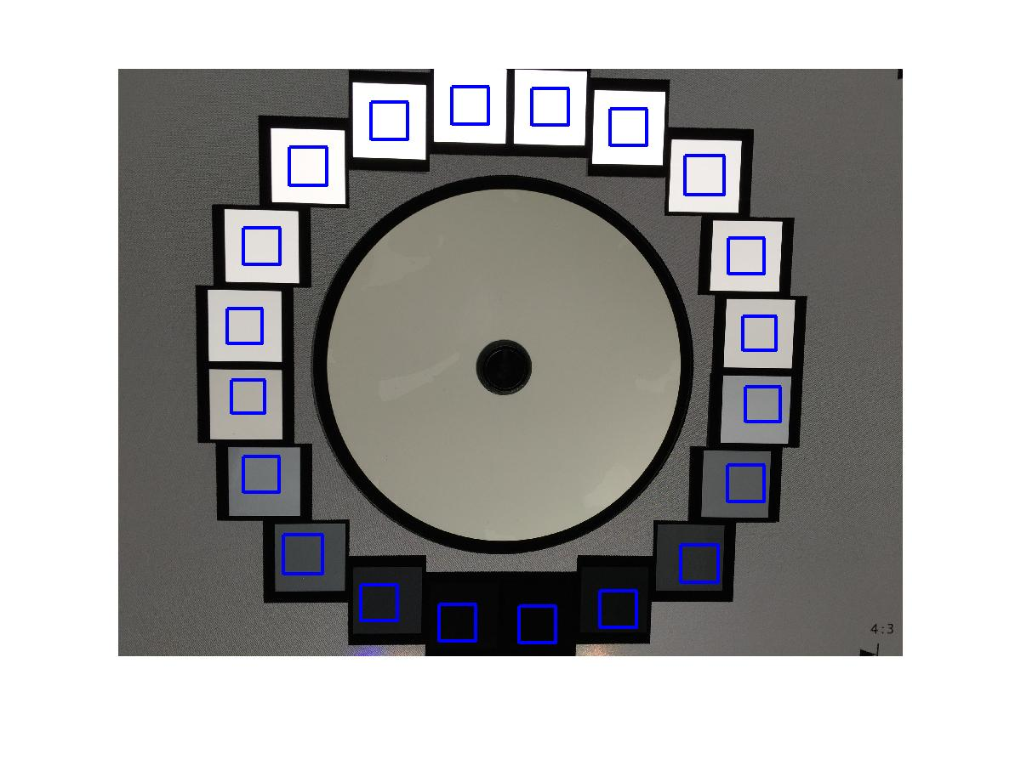
Color | cd/m2 | Red | Green | Blue | Gray
 | 0.15 | 4 | 4 | 4 | 4 | 0.15
 | 0.84 | 6 | 6 | 6 | 6 | 0.84
 | 2.56 | 12 | 13 | 13 | 13 | 2.56
 | 6.38 | 25 | 27 | 28 | 27 | 6.38
 | 11.82 | 40 | 41 | 42 | 41 | 11.82
 | 20.4 | 64 | 68 | 69 | 67 | 20.4
 | 30.87 | 84 | 86 | 86 | 85 | 30.87
 | 42.9 | 111 | 115 | 116 | 114 | 42.9
 | 62.76 | 141 | 142 | 142 | 142 | 62.76
 | 82.5 | 174 | 170 | 161 | 170 | 82.5
 | 110.3 | 196 | 192 | 185 | 192 | 110.3
 | 141.6 | 207 | 203 | 199 | 204 | 141.6
 | 179.5 | 222 | 216 | 212 | 217 | 179.5
 | 219.3 | 226 | 223 | 218 | 223 | 219.3
 | 266.2 | 240 | 236 | 233 | 237 | 266.2
 | 323.2 | 254 | 251 | 248 | 252 | 323.2
 | 387.5 | 255 | 255 | 255 | 255 | 387.5
 | 443.9 | 255 | 255 | 255 | 255 | 443.9
 | 508 | 255 | 255 | 255 | 255 | 508
 | 590 | 255 | 255 | 255 | 255 | 590

iphone_b
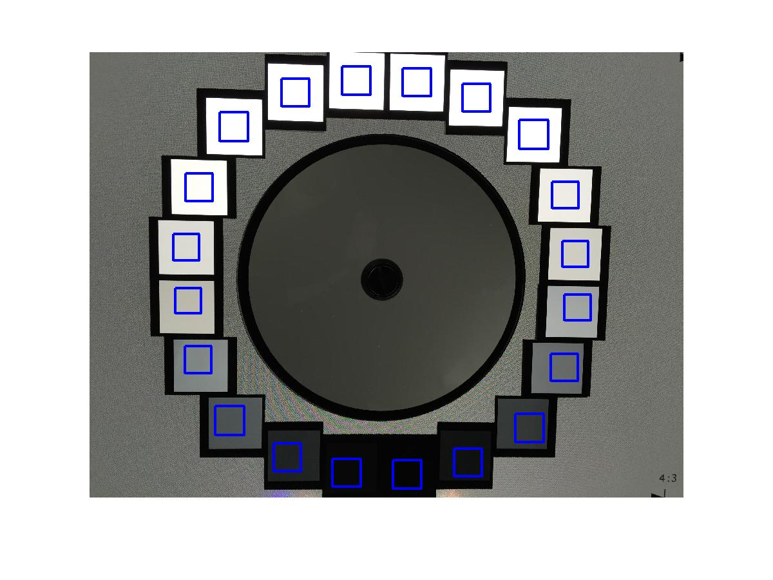
Color | cd/m2 | Red | Green | Blue | Gray
 | 0.15 | 5 | 5 | 5 | 5 | 0.15
 | 0.84 | 8 | 8 | 8 | 8 | 0.84
 | 2.56 | 16 | 17 | 17 | 17 | 2.56
 | 6.38 | 31 | 34 | 34 | 33 | 6.38
 | 11.82 | 50 | 53 | 52 | 52 | 11.82
 | 20.4 | 76 | 82 | 82 | 80 | 20.4
 | 30.87 | 102 | 105 | 104 | 104 | 30.87
 | 42.9 | 128 | 134 | 133 | 132 | 42.9
 | 62.76 | 161 | 164 | 161 | 163 | 62.76
 | 82.5 | 186 | 185 | 172 | 184 | 82.5
 | 110.3 | 207 | 205 | 194 | 204 | 110.3
 | 141.6 | 218 | 218 | 209 | 217 | 141.6
 | 179.5 | 239 | 236 | 229 | 236 | 179.5
 | 219.3 | 254 | 254 | 247 | 253 | 219.3
 | 266.2 | 255 | 255 | 255 | 255 | 266.2
 | 323.2 | 255 | 255 | 255 | 255 | 323.2
 | 387.5 | 255 | 255 | 255 | 255 | 387.5
 | 443.9 | 255 | 255 | 255 | 255 | 443.9
 | 508 | 255 | 255 | 255 | 255 | 508
 | 590 | 255 | 255 | 255 | 255 | 590

iphone_hdr
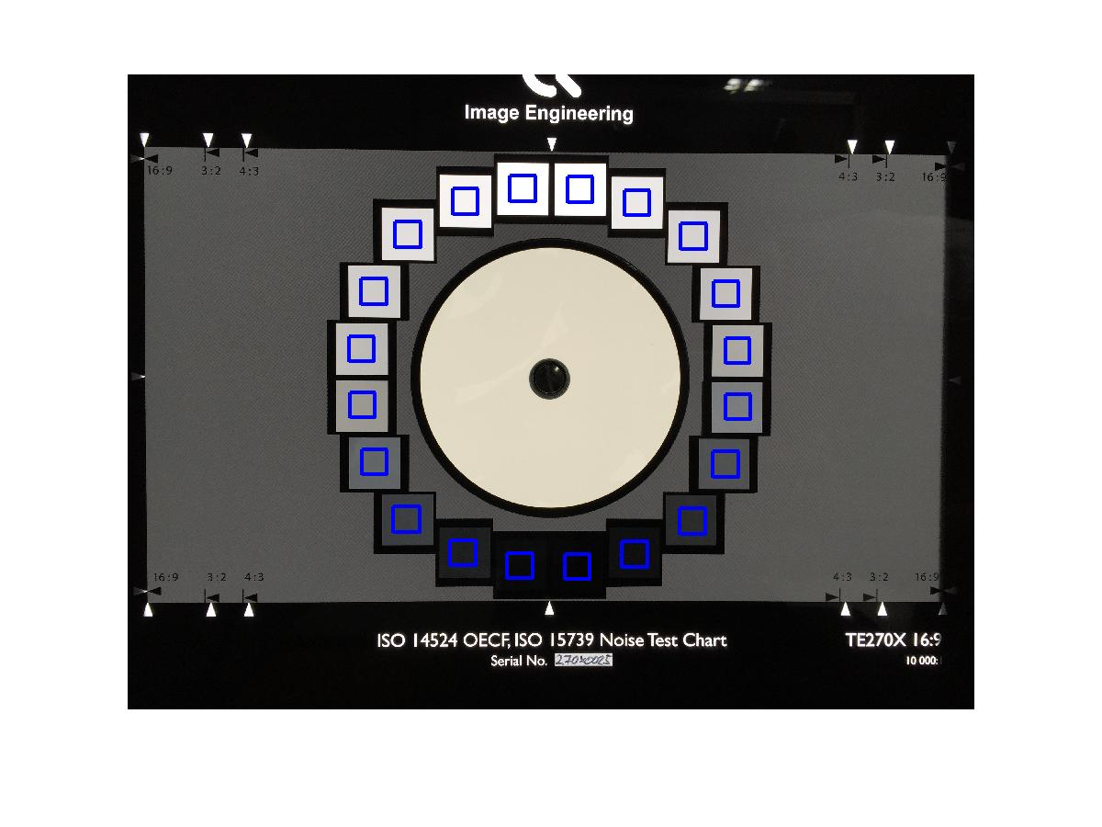
Color | cd/m2 | Red | Green | Blue | Gray
 | 0.15 | 6 | 6 | 6 | 6 | 0.15
 | 0.84 | 10 | 10 | 10 | 10 | 0.84
 | 2.56 | 14 | 15 | 15 | 15 | 2.56
 | 6.38 | 29 | 30 | 31 | 30 | 6.38
 | 11.82 | 42 | 44 | 44 | 43 | 11.82
 | 20.4 | 60 | 63 | 64 | 62 | 20.4
 | 30.87 | 80 | 81 | 81 | 81 | 30.87
 | 42.9 | 98 | 102 | 103 | 101 | 42.9
 | 62.76 | 124 | 124 | 126 | 124 | 62.76
 | 82.5 | 155 | 152 | 143 | 152 | 82.5
 | 110.3 | 170 | 167 | 161 | 167 | 110.3
 | 141.6 | 189 | 186 | 182 | 186 | 141.6
 | 179.5 | 195 | 191 | 187 | 192 | 179.5
 | 219.3 | 207 | 203 | 200 | 204 | 219.3
 | 266.2 | 214 | 210 | 207 | 211 | 266.2
 | 323.2 | 226 | 222 | 219 | 223 | 323.2
 | 387.5 | 237 | 232 | 230 | 233 | 387.5
 | 443.9 | 248 | 243 | 241 | 244 | 443.9
 | 508 | 255 | 255 | 253 | 255 | 508
 | 590 | 255 | 255 | 255 | 255 | 590

