Comparison
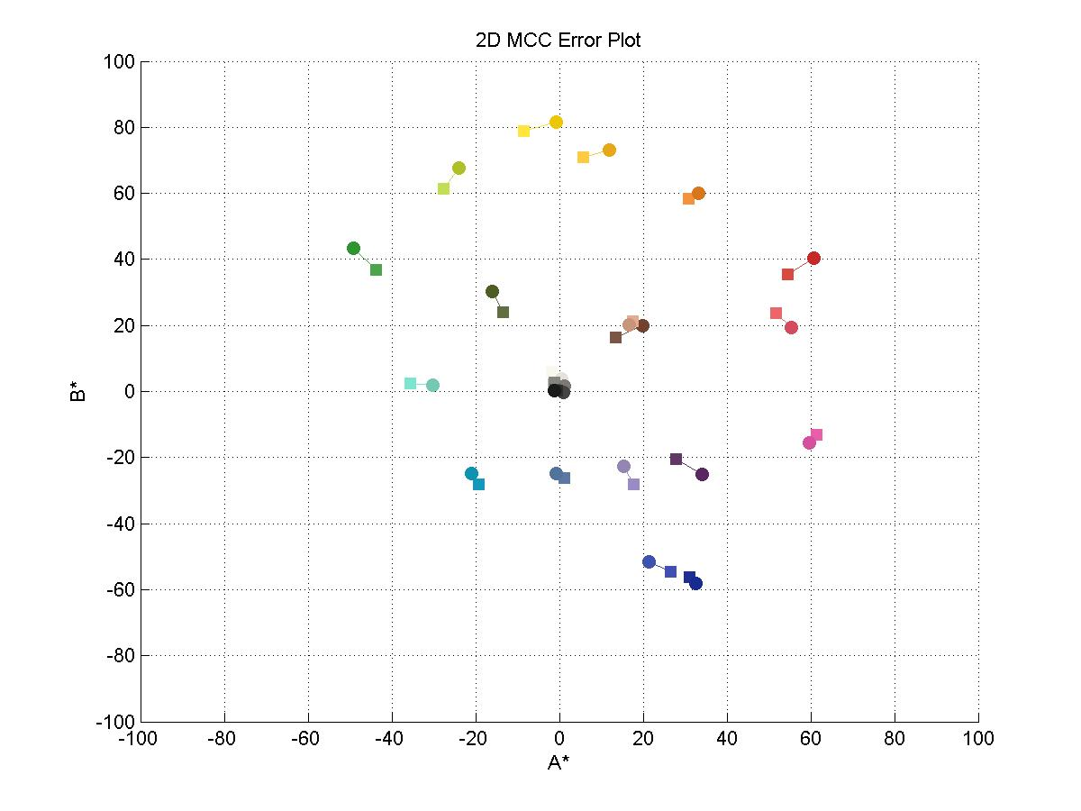
idol3 | iphone | Delta-E | Delta-L | Delta-C | Delta-H | Delta-S
 |  | 10.081647363 | 6.936335693 | 7.316205349 | 5.1917266131 | 6.9745632397
 |  | 9.1887226915 | 9.0564291654 | 1.5536136817 | 0.03318586419 | 1.5535354532
 |  | 3.3170753341 | 2.262902657 | 2.4253371595 | 175.55453588 | 1.3933105857
 |  | 10.041573259 | 7.4002657851 | 6.7874339654 | 1.3996324587 | 6.7460229601
 |  | 6.5694962075 | 2.5110791275 | 6.0706475796 | 2.1508974691 | 5.9642111568
 |  | 10.777261619 | 9.2494729074 | 5.5314210605 | 0.21389379757 | 5.5300584942
 |  | 10.660652673 | 10.289068525 | 2.790086792 | 1.1081819311 | 2.4680644895
 |  | 6.1127735314 | 0.74118259736 | 6.0676724206 | 3.3355091609 | 5.0338957842
 |  | 10.099772083 | 8.3056402922 | 5.746454165 | 5.3766927373 | 1.9028880798
 |  | 9.1468231625 | 4.7509595241 | 7.8161856149 | 0.032035431894 | 7.8161564025
 |  | 12.479598667 | 10.103453996 | 7.3253396 | 4.7470754067 | 4.5235865988
 |  | 12.749316384 | 10.840537177 | 6.7102773401 | 4.7770120102 | 2.8977806395
 |  | 2.5737166901 | 0.76792866911 | 2.4564818664 | 0.3479435432 | 2.4241718436
 |  | 10.437339548 | 6.055288103 | 8.5012671308 | 1.2959960055 | 8.3876830607
 |  | 10.757713462 | 7.2499897686 | 7.9477070458 | 0.53625237155 | 7.9215079686
 |  | 12.827749945 | 9.9344155967 | 8.1153284217 | 5.5851012408 | 2.1169471766
 |  | 6.3381793788 | 5.4985717109 | 3.1524953573 | 2.6970716545 | 1.1619588924
 |  | 4.2726787416 | 2.1324834004 | 3.7024719007 | 5.7438359801 | 1.5976988345
 |  | 8.2059569269 | 7.5376569746 | 3.2436794569 | 154.37130692 | 2.3681626563
 |  | 7.7963253904 | 7.477604472 | 2.2063818694 | 127.9468378 | 1.182711085
 |  | 6.0372832052 | 5.7798758499 | 1.7440824691 | 140.96281363 | 1.2251097531
 |  | 4.8997063683 | 4.1871978064 | 2.5445032965 | 119.23961062 | 0.9425376778
 |  | 7.3397705531 | 7.0459931597 | 2.0557753197 | 22.987057332 | 0.050058147057
 |  | 9.188597619 | 9.1754001815 | 0.49229839762 | 12.530727405 | 0.45201854084

Data
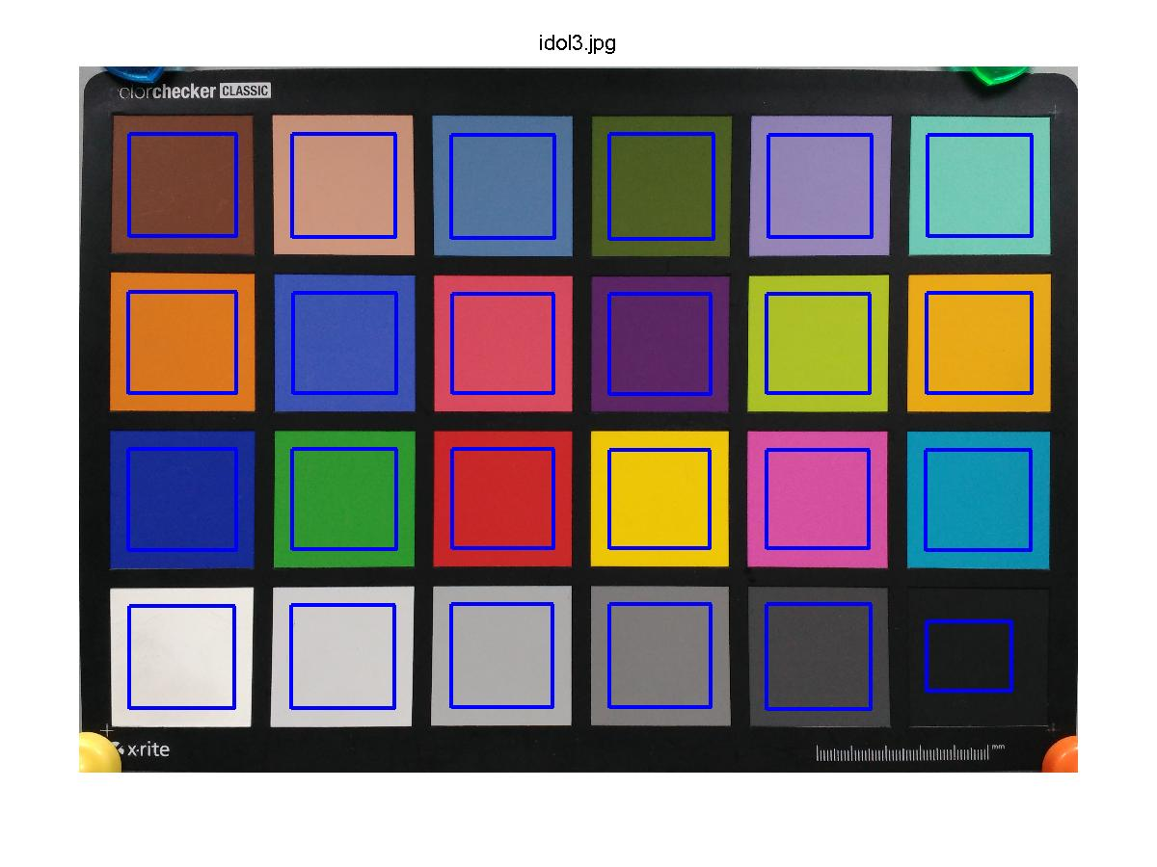
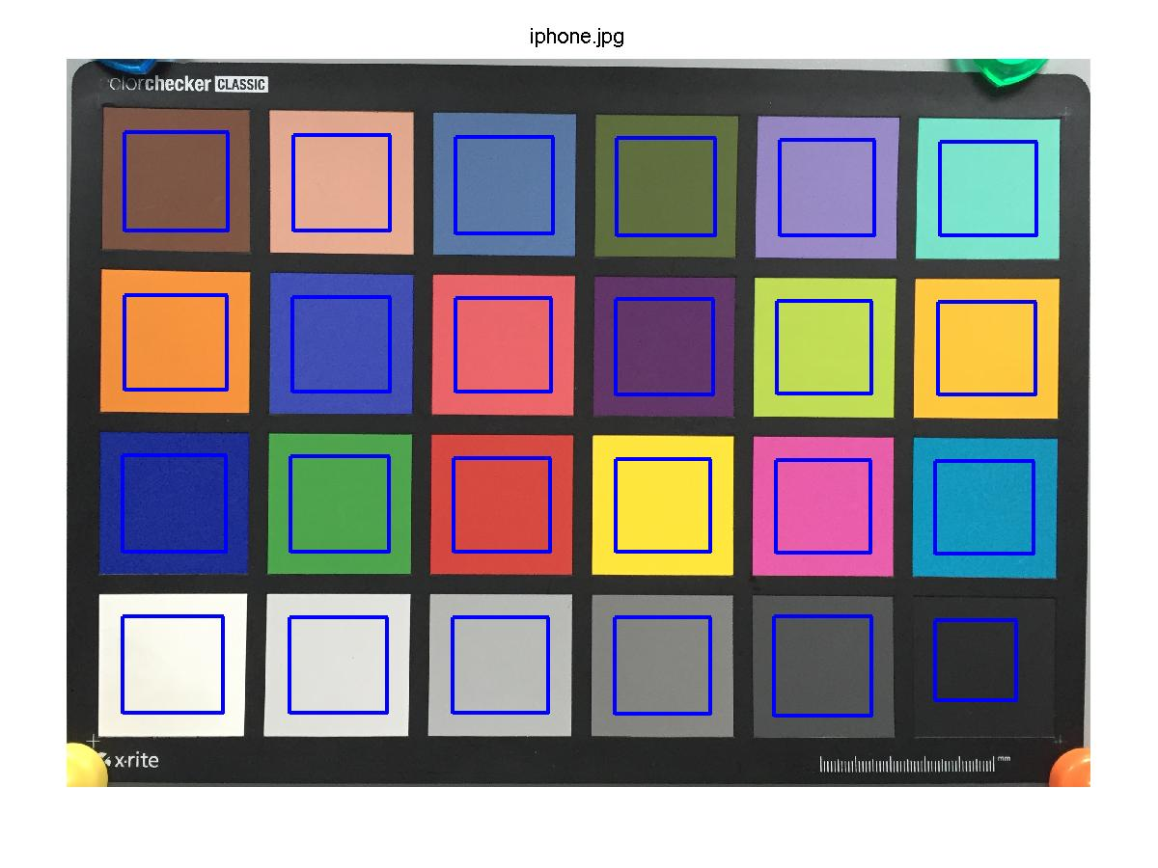
idol3 | iphone | idol3-R | idol3-G | idol3-B | iphone-R | iphone-G | iphone-B | idol3-L* | idol3-A* | idol3-B* | iphone-L* | iphone-A* | iphone-B*
 |  | 115 | 65 | 48 | 124 | 86 | 69 | 33.354276369 | 19.863590458 | 19.916395803 | 40.290612062 | 13.521746091 | 16.268400361
 |  | 200 | 148 | 124 | 228 | 171 | 145 | 65.539700532 | 16.603702506 | 20.204841317 | 74.596129697 | 17.602431254 | 21.394907012
 |  | 82 | 115 | 154 | 91 | 120 | 163 | 47.560572829 | -0.7963744302 | -24.892706331 | 49.823475486 | 1.1989813113 | -26.271407096
 |  | 77 | 93 | 35 | 96 | 110 | 64 | 36.804399292 | -15.943809458 | 30.261387666 | 44.204665077 | -13.388842808 | 23.973191958
 |  | 148 | 133 | 180 | 153 | 139 | 197 | 58.432165792 | 15.354702863 | -22.591337664 | 60.943244919 | 17.661135329 | -28.20677454
 |  | 116 | 200 | 180 | 125 | 229 | 205 | 75.05254224 | -30.179217156 | 1.8674168181 | 84.302015147 | -35.690224034 | 2.3422032305
 |  | 216 | 118 | 30 | 245 | 146 | 62 | 59.52628505 | 33.181279752 | 59.954594786 | 69.815353575 | 30.862419855 | 58.402991395
 |  | 61 | 83 | 175 | 66 | 79 | 178 | 38.431300597 | 21.372163401 | -51.477754385 | 37.690117999 | 26.528498639 | -54.676012585
 |  | 213 | 75 | 93 | 235 | 102 | 106 | 51.698786166 | 55.469730356 | 19.391889344 | 60.004426458 | 51.679050409 | 23.71074116
 |  | 91 | 38 | 99 | 98 | 55 | 103 | 25.414945757 | 34.068554543 | -25.118077852 | 30.165905281 | 27.788875667 | -20.464220228
 |  | 174 | 191 | 40 | 194 | 221 | 86 | 73.831365935 | -24.003686702 | 67.73354641 | 83.93481993 | -27.668111088 | 61.390629559
 |  | 230 | 168 | 23 | 254 | 202 | 66 | 72.974463721 | 11.957336036 | 73.104947421 | 83.815000898 | 5.5997893722 | 70.957990879
 |  | 24 | 43 | 146 | 30 | 46 | 145 | 23.761227017 | 32.607359194 | -58.088821376 | 24.529155686 | 31.080251407 | -56.164699508
 |  | 47 | 149 | 48 | 78 | 163 | 77 | 54.269987827 | -49.161006842 | 43.390193602 | 60.32527593 | -43.717292485 | 36.860452656
 |  | 199 | 40 | 40 | 214 | 74 | 65 | 44.030346855 | 60.72113153 | 40.46253324 | 51.280336623 | 54.464340917 | 35.561653878
 |  | 237 | 198 | 7 | 254 | 230 | 62 | 80.888933223 | -0.85095116434 | 81.462965933 | 90.82334882 | -8.5471958199 | 78.888791581
 |  | 213 | 81 | 159 | 233 | 94 | 169 | 54.565581852 | 59.679795455 | -15.592289101 | 60.064153563 | 61.484186845 | -13.007255507
 |  | 13 | 146 | 176 | 20 | 151 | 188 | 55.725317947 | -20.964802 | -24.888737599 | 57.857801348 | -19.270494567 | -28.180791745
 |  | 230 | 225 | 219 | 249 | 248 | 236 | 89.849052213 | 0.57717760111 | 3.9088918629 | 97.386709188 | -1.8717877675 | 6.0358674251
 |  | 207 | 204 | 202 | 225 | 226 | 221 | 82.212472551 | 0.76825000862 | 1.4170832828 | 89.690077023 | -1.1183645769 | 2.5611140337
 |  | 172 | 170 | 168 | 186 | 187 | 182 | 69.832683759 | 0.19464988472 | 1.3293265254 | 75.612559609 | -1.3116452984 | 2.2084729751
 |  | 125 | 121 | 119 | 132 | 133 | 128 | 51.163222208 | 1.1399483522 | 1.5356016404 | 55.350420015 | -1.1690700867 | 2.6046810923
 |  | 69 | 67 | 68 | 83 | 84 | 83 | 28.539118845 | 1.0009825472 | -0.21532363169 | 35.585112005 | -0.87835019617 | 0.61793539456
 |  | 25 | 27 | 26 | 44 | 45 | 45 | 9.3759658016 | -1.0955481311 | 0.3420083853 | 18.551365983 | -0.60326975305 | 0.34644807325

