ACME
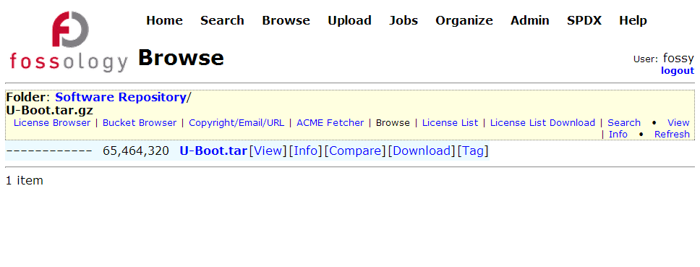

Once uploaded package's FOSSology analysis jobs finished, you can find "ACME Fetcher" link in Browse page.

In ACME Fetcher page, you could find this package's acme data status.
[ACME Fetch Starter] indicats ACME data has not yet been fetched. You could click the link to start the fetching process;

[ACME is Fetching] indicats system is fetching ACME data now. The elapsed time depends on package size, DB response in Antelink side, etc.

Once ACME data has been fetched, [Click here to ACME Review] link is shown. You could click the link to access ACME Review page

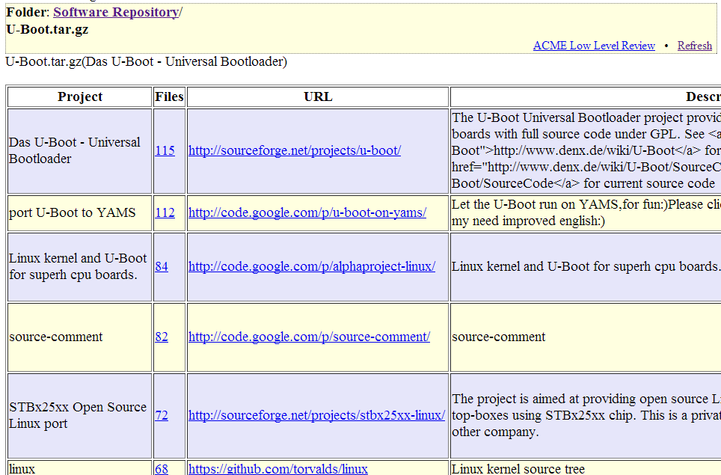

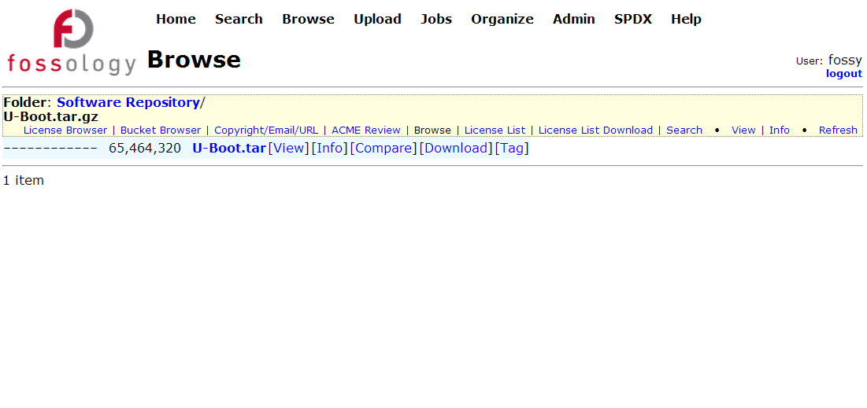

Once ACME data has been fetched, "ACME Review" link is shown in Browse page.
There is no need to do"ACME Fetcher" any more

